Sheet1
Chapter Name/Number | Page Number | Figure Number | Caption | Thumbnail | Category | Short Alt Text | Long Alt Text | Short Alt-text Length | Long Alt-text Length | Comments
17 | 437 | FIG. 17.1 | (A) Relationship between crystal densities and oxygen balance of the organic molecules constituted byC, H, N, O atoms. (B) Percentage of the density above 1.90 g cm3 in different oxygen balance ranges (blue histogram)and impact insensitivities of some representative energetic molecules with density above 1.90 g cm3 in differentoxygen balance ranges (red dots). Reprinted with permission from Y. Wang, Y. Liu, S. Song, Z. Yang, X. Qi, K. Wang,Y. Liu, Q. Zhang, Y. Tian, Accelerating the discovery of insensitive high-energy-density materials by a materials genomeapproach, Nat. Commun. 9 (2018) 2444. | 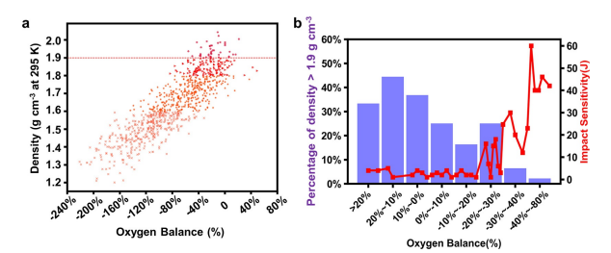 |  | A scatter plot of density versus oxygen balance, labeled a and b, is a bar chart of the percentage of density versus oxygen balance with an overlaid line graph of impact sensitivity. | The scatter plot and a bar graph in two panels, labeled a and b. Plot A is a scatter plot titled density in grams per cubic centimeter at 295 K or temperature on the vertical axis, ranging from 1.2 to 2.0, versus Oxygen Balance in percent on the horizontal axis, ranging from negative 240 to 80. The plot displays numerous small circular data points, with a higher concentration of points around the center. A dashed horizontal line is present at a density of approximately 1.9 grams per cubic centimeter. Plot b combines a bar chart and a line graph. The left vertical axis represents the percentage of density greater than 1.9 grams per cubic centimeter, ranging from 0 to 60. The right vertical axis represents Impact Sensitivity in joules, ranging from 0 to 60. The horizontal axis represents Oxygen Balance in percent divided into several categorical ranges, greater than 20 percent, 20 percent approximately 10 percent, 10 percent approximately 0 percent, 0 percent approximately negative 10 percent, negative 10 percent approximately negative 20 percent, negative 20 percent approximately negative 30 percent, negative 30 percent approximately negative 40 percent, and negative 40 percent approximately negative 80 percent. Bars illustrate the percentage of density above 1.9 grams per cubic centimeter for each oxygen balance range. A line with circular data points, overlaid on the bar chart, shows the trend of impact sensitivity across the same oxygen balance ranges.
17 | 438 | FIG. 17.2 | (A) Six categories of CHON-based organic molecules and some corresponding representative energetic molecules. (B) Relationship between crystal densities and oxygen balance of aliphatic CHON-based organic molecules. (C) Relationship between crystal densities and oxygen balance of aromatic CHON-based organic molecules. | 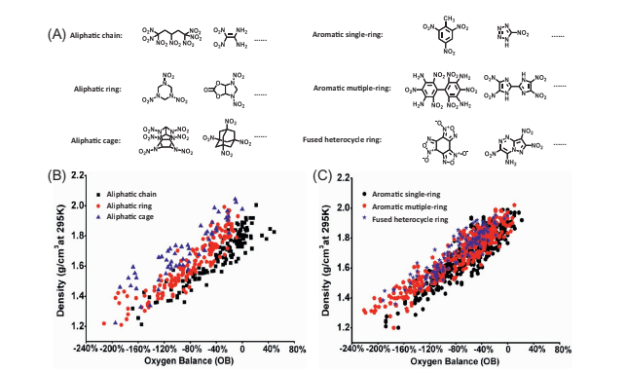 |  | A set of three panels, labeled A, B, and C, displays chemical structures categorized by molecular shape, and B and C are scatter plots of density versus oxygen balance for different compound types. | The set of three main panels, labeled A, B, and C. Panel A presents a collection of chemical structures categorized by their molecular shape. From top to bottom on the left side, it shows Aliphatic chain, Aliphatic ring, and Aliphatic cage compounds, each with two example structures and an ellipsis indicating more. On the right side, it shows examples for aromatic single ring, aromatic multiple ring, and fused heterocycle ring compounds, with two examples and an ellipsis for each category. Panel B is a scatter plot showing density in grams per cubic centimeter at 295 K or temperature on the vertical axis, ranging from 1.2 to 2.2, versus Oxygen Balance or O B in percent on the vertical axis, ranging from negative 240 to 80. The plot displays data points for Aliphatic chain, Aliphatic ring, and Aliphatic cage, as indicated by the legend. Panel C is another scatter plot with the same axes and ranges like in Panel B. However, this plot displays data points for Aromatic single ring, Aromatic multiple ring, and Fused heterocycle ring, as indicated by its legend. Both scatter plots show a general trend of increasing density with increasing oxygen balance, with different distributions for each compound type.
17 | 440 | FIG. 17.3 | (A) Linear fitting on the relationship between crystal densities and oxygen balance of aliphatic chain molecules. (B) Linear fitting on the relationship between crystal densities and oxygen balance of aliphatic ring molecules. (C) Linear fitting on the relationship between crystal densities and oxygen balance of aliphatic cage mol- ecules. (D) Linear fitting on the relationship between crystal densities and oxygen balance of aromatic single-ring molecules. (E) Linear fitting on the relationship between crystal densities and oxygen balance of aromatic multiple-ring molecules. (F) Linear fitting on the relationship between crystal densities and oxygen balance of fused heterocycle ring molecules. | 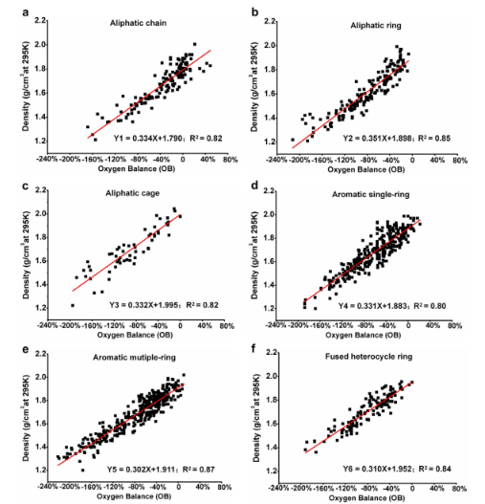 |  | A six-scatter plot, labeled a through f, shows density versus oxygen balance for different molecular categories, each with a linear regression line. | The six scatter plots, labeled from a to f, each illustrating the relationship between Density grams per cubic centimeter at 295 K or temperature on the vertical axis, ranging from 1.2 to 2.2, and Oxygen Balance or O B in percent on the horizontal axis, ranging from negative 240 to 80. Each plot contains numerous circular data points and a solid linear regression line with its corresponding equation and R-squared value. Plot a, titled Aliphatic chain, the regression line is Y 1 equals 0.334 X plus 1.790, with R squared equals 0.82. Plot b labeled Aliphatic ring, the regression line is Y 2 equals to 0.351 X positive 1.898 with R squared equals to 0.85. Plot c labeled Aliphatic cage, the regression line is Y 3 equlas to 0.332 X positve 1.995 with R squared equals to 0.82. Plot d labeled Aromatic single ring, the regression line is Y 4 equals to 0.331 X positive 1.883 subscript 1 with R squared equals to 0.80. Plot e, labeled Aromatic multiple ring, the regression line is Y 5 equals to 0.302 X positive 1.911 with R squared equals to 0.87. Plot f labeled Fused heterocycle ring, the regression line is Y 6 equals to 0.310 X positive 1.952 with R squared equals to 0.84. All plots show a positive linear correlation between density and oxygen balance, with slight variations in the slope and intercept of the regression lines across different molecular categories.
17 | 441 | FIG. 17.4 | (A) Impact sensitivity distributions for the reported aliphatic energetic molecules (density above 1.70 g cm3 ) in recent two decades. (B) Impact sensitivity distributions on impact sensitivities for the reported aro- matic energetic molecules (density above 1.70 g cm3 ) in recent two decades. (C) Chemical structures and impact sensitivity distributions for present widely used and studied energetic materials. (D) Representative high-energy and low-sensitivity aromatic multiple-ring and fused heterocycle molecules prepared in recent years. | 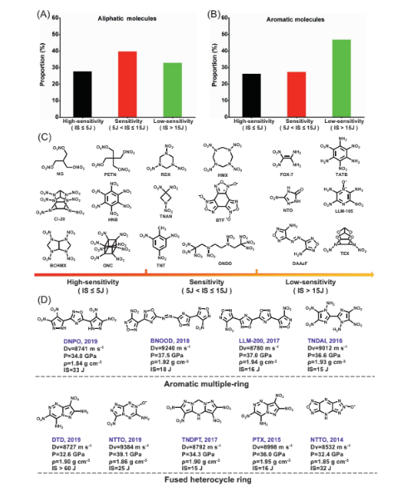 |  | A bar graph, labeled A and B, presents bar graphs, Panel C displays chemical structures, and Panel D provides information for selected aromatic multiple-ring and fused heterocyclic ring compounds. | The bar graphs, chemical structures in four panels, labeled A through D, illustrate sensitivity classifications of molecules and their structures. Panels A and B are bar charts comparing the proportion in percent of molecules on the vertical axis, ranging from 0 to 60. The horizontal axis categorizes molecules into High sensitivity or I S less than or equal to 5 joules, sensitivity or 5 joules less than I S less than equal to 15 J, and Low sensitivity or I S greater than 15 J. Panel A is for Aliphatic molecules, showing three different bars for high, sensitivity, and low categories respectively. Panel B is for aromatic molecules and shows three different bars for the same categories. Panel C presents numerous chemical structures grouped under three main sensitivity levels, High sensitivity or I S less than equal to 5 Joules, Sensitivity or 5 J less than I S less than equal to 15 J, and Low sensitivity or I S greater than 15 J. Each category displays several molecular structures with their common acronyms labeled N O, P E T N, R D X, H M X, F O X 7, T A T B, C L 20, H N B, T M A N, B T F, N T O, L L 105, I C H E X, O N C, T N T, O N D O, D A A F, nad T E X. Panel D provides detailed information for specific compounds within Aromatic multiple ring and Fused heterocycle ring categories. Each compound is represented by its chemical structure and associated data including detonation velocity or D v, pressure or P, density rho, and impact sensitivity or I S. Under Aromatic multiple ring, D N P O, 2019 is shown with D v equals to 8741 meters per second, P equals to 34.0 G P a, rho equals to 1.84 grams per cubic centimeter, and I S equals to 33 Joules. B N O O D, 2018 is shown with D v equals to 9240 meters per second, P equals to 37.5 G P a, rho equals to 1.92 grams per cubic centimeter, and I S equals to 18 Joules. In L L M hypen 200, 2017 is shown with D v equals to 8780 meters per second, P equals to 37.0 G P a, rho equals to 1.94 grams per cubic centimeter, and I S e
17 | 443 | FIG. 17.5 | (A) Distributions on impact sensitivities of the reported energetic molecules (density above 1.70 g cm3 ) with different explosophores in recent two decades. (B) Distributions on decomposition temperatures of the reported energetic molecules (density above 1.70 g cm3 ) with different explosophores in recent two decades. | 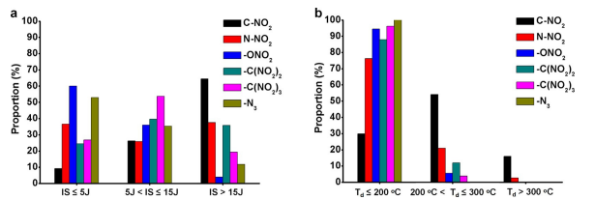 |  | A bar chart, labeled a and b, illustrates the proportion of different functional groups based on impact sensitivity and decomposition temperature. | The bar charts, labeled a and b, both illustrating theProportion in percent on the vertical axis, ranging from 0 to 100 percent, for different functional groups, as indicated by a legend showing six distinct bars representing C hypen N O susbcript 2, N hypen N O subscript 2, O N O subscript 2, C open parenthesis N O subscript 2 close parenthesis subscript 2, C open parenthesis N O subscript 2 close parenthesis subscript 3, and N subscript 3. Plot A categorizes the proportion of these functional groups by Impact Sensitivity I S on the horizontal axis, divided into three ranges: I S less than or equal to 5 J or joules, 5 Joules less than or equal to Impact Sensitivity less than or equal to 15 Joules, and Impact Sensitivity greater than 15 Joules. Plot b categorizes the proportion of these functional groups by Decomposition Temperature or T d on the horizontal axis, divided into three ranges, Decomposition Temperature less than or equal to 200 degrees Celsius, 200 degrees Celsius less than T d less than or equal to 300 degrees Celsius, and Decomposition Temperature greater than 300 degrees Celsius. Both plots use consistent coding for the functional groups, allowing for a direct comparison of their prevalence across different sensitivity and decomposition temperature ranges.
17 | 444 | FIG. 17.6 | Molecular structures, sites (pointed to by black arrows), and dissociation energy of the weakest bond in some typical energetic materials. Gray, white, blue, and red balls represent carbon, hydrogen, nitrogen, and oxygen atoms, respectively. | 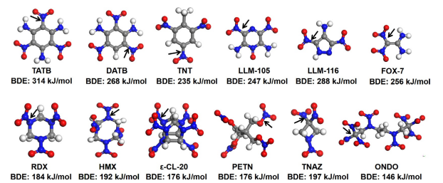 |  | A series of ball and stick models for various high-energy molecules is displayed, each labeled with its acronym and bond dissociation energy. | The series of ball and stick models of different high-energy molecules, each with its acronym and corresponding bond dissociation energy or B D E in kilojoules per mole. Atoms are represented by spheres for carbon, nitrogen, oxygen, and hydrogen. Arrows indicate specific bonds on the molecules. In the top row, from left to right, For T A T B, B D E is 314 kilojoules per molecule. For D A T B, B D E is 268 kilojoules per molecule. For T N T, B D E is 235 kilojoules per molecule. For L L M hypen 105, B D E is 247 kilojoules per molecule. For LLM, hypen 116, B D E is 288 kilojoules per molecule. For F O X hypen 7, B D E is 256 kilojoules per molecule. In the bottom row, from left to right, for R D X, B D E is 184 kilojoules per molecule. For H M X, B D E is 192 kilojoules per molecule. For epsilon hypen C L hypen 20, B D E is 176 kilojoules per molecule. For P E T N, B D E is 176 kilojoules per molecule. For T N A Z, B D E is 197 kilojoules per molecule. For O N D O, B D E is 146 kilojoules per molecule.
17 | 445 | FIG. 17.7 | (A) Methyl substitution effects on impact sensitivity (H50) and density (ρ) of trinitrobenzene derivatives. (B) Methyl substitution effects on decomposition temperature (Td) of nitro-based azole derivatives. (C) Methyl substitution effects on density (ρ) of nitro-based azole derivatives. | 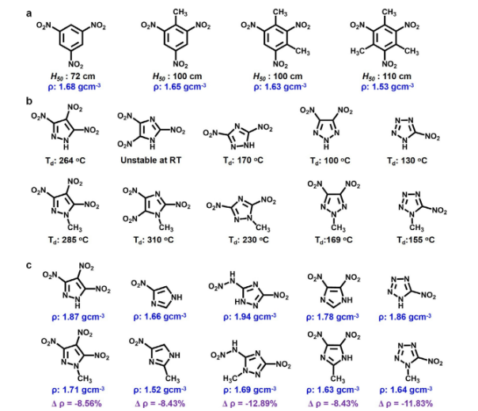 |  | A molecular structure with decomposition temperatures labeled a to c, presents density and percentage change. | The molecular structures labeled a, b, and c, each displaying a series of structures with associated data. Row a, titled a, shows five chemical structures of aromatic molecules, specifically derivatives of trinitrotoluene, arranged horizontally. Below each structure, values for H 50 or height of 50 percent explosion probability in centimeters and density in grams per cubic centimeter are provided. The first structure has H 50 equal to 72 centimeters and a density of 1.68 grams per cubic centimeter. The second structure presents H 50 equal to 100 centimeters and a density of 1.65 grams per cubic centimeter. The third structure has H 50 equal to 100 centimeters and a density of 1.63 grams per cubic centimeter. The fourth structure has H 50 equal to 110 centimeters and a density of 1.53 grams per cubic centimeter. Row b displays five chemical structures of five-membered heterocyclic rings, of azole derivatives on top and bottom, arranged horizontally. Below each structure, the decomposition temperature or T d in degrees Celsius is given. The first structure has a decomposition temperature of 264 and 285 degrees Celsius, the second is noted as Unstable at R T or room temperature and 310 degrees Celsius. The third structure is with T d 170 and 230 degrees Celsius, fourth structure is with decomposition temperature of 100 and 169 degrees Celsius and fifth structure is with decomposition temperature of 130 or 155 degrees Celsius. Row c presents five more chemical structures of five-membered heterocyclic rings on top and bottom, arranged horizontally. Below each structure, the density in grams per cubic centimeter and the percentage change in density or triangle rho are provided. The first structure has a density of 1.87 on the top structure and 1.71 grams per cubic centimeter at the bottom structure, with a delta rho of negative 8.56 percent. The second structure has a density of 1.66 on the top structure and 1.52 grams per cubic centimeter at the bottom structure, with a
17 | 447 | FIG. 17.8 | (A) Amino substitution effects on energy (shown by detonation velocity, Dv) and safety (shown by im- pact sensitivity, H50) of trinitrobenzene derivatives. (B) Molecular structures and intramolecular (blue dots) and intermolecular (cyan dots) hydrogen bonds of amino-substituted trinitrobenzene derivatives and typical low- sensitivity and high-energy energetic materials. (C) 2D intra-layer hydrogen-bond interactions and 3D wave-like π-π stacking of LLM-105. (D) 2D intra-layer hydrogen-bond interactions and 3D graphite-like π-π stacking of TIBMOG. | 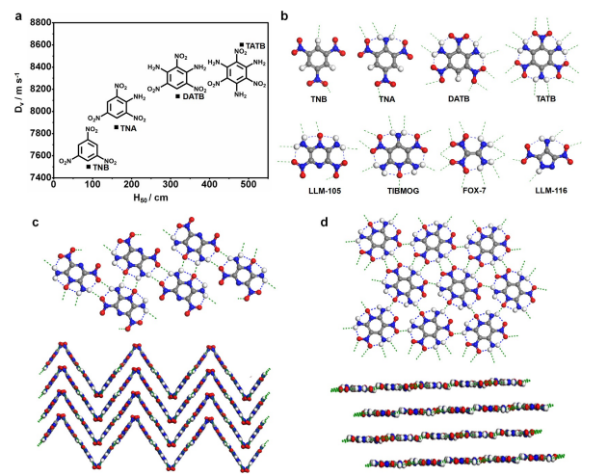 |  | A graph labeled a shows detonation velocity, and panels b, c and d show chemical structures of various molecules with hydrogen bonds indicated. | The graph and series of molecular structures labeled a, b, c, and d illustrate properties and arrangements of energetic molecules. Panel a is a scatter plot with detonation velocity or D subscript v in meters per second on the vertical axis, ranging from 7400 to 8800, and height of 50 or H 50 percent explosion probability in centimeters on the horizontal axis, ranging from 0 to 500. Four data points are plotted, each represented by a chemical structure and labeled with its acronym, T N B, T N A, D A T B, and T A T B. Arrows connect the structures to their respective points on the plot. Panel b displays eight two-dimensional chemical structures of various molecules, including T N B, T N A, D A T B, T A T B, L L M hypen 105, T I B M O G, F O X hypen 7, and L L M hypen 116. Dashed lines represent hydrogen bonds between atoms within and between molecules, suggesting their contribution to intermolecular interactions. Panel c illustrates a crystal lattice arrangement of molecules, both in a two-dimensional top view and a side view. The top view shows a repeating pattern of the molecule, with atoms connected by solid lines and dashed lines indicating hydrogen bonds. The side view shows layers of these molecules arranged in a zigzag pattern, emphasizing their stacking. Panel D shows another crystal lattice arrangement, similar to panel C. The top view presents a different packing arrangement of molecules with atoms and dashed hydrogen bonds. The side view reveals a layered structure, where the molecules are stacked horizontally, showing the intermolecular hydrogen bonding network.
17 | 448 | FIG. 17.9 | (A) Molecular structure, configuration, and properties of two isomers of DNTDA-124 and DNTDA-123. (B) Molecular structure, configuration, and properties of two isomers of LLM-105 and DDPZD-i. | 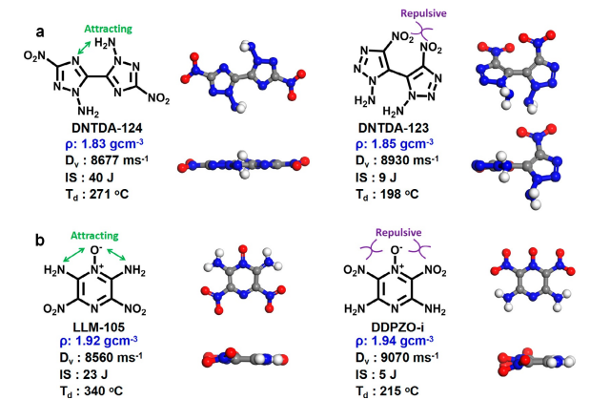 |  | A row labeled a and b shows molecular structures and their 3-dimensional models with associated properties, contrasting attractive and repulsive interactions. | The rows, labeled a and b, each present a comparison of two molecular structures, their three-dimensional ball and stick models from two perspectives, top and side, and associated physical properties. In row a, on the left, the chemical structure for D N T D A hypen 124 is shown, with dashed arrows indicating Attracting interactions. Its properties are listed as density or rho of 1.83 grams per cubic centimeter, detonation velocity or D v of 8677 meters per second, impact sensitivity or I S of 40 Joules, and decomposition temperature or T d of 271 degrees Celsius. To its right are its corresponding 3-dimensional ball and stick models, showing top and side views. On the right side of row a, the chemical structure for D N T D A hypen 123 is displayed, with dashed arrows indicating Repulsive interactions. Its properties include a density of 1.85 grams per cubic centimeter, detonation velocity of 8590 meters per second, impact sensitivity of 9 Joules, and decomposition temperature of 198 degrees Celsius. Its 3-dimensional models are also provided to the right. In row b, on the left, the chemical structure for L L M hypen 105 is shown, with dashed arrows indicating Attracting interactions. Its properties are listed as density of 1.92 grams per cubic centimeter, detonation velocity of 8560 meters per second, impact sensitivity of 23 Joules, and decomposition temperature of 340 degrees Celsius. Its 3-dimensional models are presented next. On the right side of row b, the chemical structure for D D P Z O hypen i is displayed, with dashed arrows indicating Repulsive interactions. Its properties are a density of 1.94 grams per cubic centimeter, a detonation velocity of 9070 meters per second, an impact sensitivity of 5 Joules, and a decomposition temperature of 215 degrees Celsius. Its 3-dimensional models are also shown. In all 3 dimensional models, spheres represent carbon, nitrogen, oxygen, and hydrogen atoms.
17 | 450 | FIG. 17.10 | (A) Progressively exfoliated analysis on graphite-like crystal structure using CIWMAW01 (a crystal structure from Cambridge Crystallographic Data Centre, CCDC) as an example. (B) Schematic of progressive intermolecular assembly from point to chain, then to plane, at last to graphite-like layer structure. (C) The searching of energy-favorable dimers for constructing supramolecular “chain.” Reprinted with permission from S. Song, Y. Wang, K. Wang, F. Chen, Q. Zhang, Decoding the crystal engineering of graphite-like energetic materials: from theoretical prediction to experimental verification, J. Mater. Chem. A 8 (2020) 5975. | 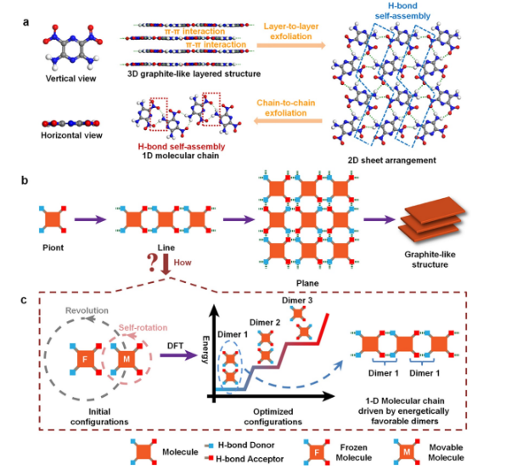 |  | A molecular diagram is presented with three panels, labeled a, b, and c, which present layer-to-layer exfoliation and chain-to-chain exfoliation in different aspects. | The molecular diagram in three panels, labeled a to c, presents exfoliation. Panel a illustrates molecular arrangements and exfoliation. On the far left, a molecule is shown in Vertical view and Horizontal view, consisting of many highlighted spheres. In the middle, pi-pi interactions are shown in a 3-dimensional graphite-like layered structure, along with H-bond self-assembly in a 1-dimensional molecular chain. On the right, layer-to-layer exfoliation and chain-to-chain exfoliation processes lead to a 2-dimensional sheet arrangement labeled H-bond self-assembly. Panel b shows a progression from a Point molecule to a graphite-like structure. It depicts the Point molecule transforming into a Line arrangement, then into a Plane arrangement, and finally into a stacked Graphite-like structure, with a question labeled how, indicating an unknown transition. From this, an arrow points to Panel c, which displays molecular configurations related to molecular energy and arrangement. It includes Initial configurations with Revolution and Self rotation of molecules labeled F or Frozen Molecule and M or Movable Molecule. An arrow labeled D F T points to a graph that shows energy on the vertical axis and optimized configurations on the horizontal axis, illustrating the energy landscape for Dimer 1, Dimer 2, and Dimer 3. This leads to a 1 one-dimensional molecular chain driven by energetically favorable dimers. A legend at the bottom clarifies that squares represent molecules, arrows represent H or hydrogen bond Donor, and other arrows represent H bond Acceptor.
17 | 452 | FIG. 17.11 | (A) Energy landscape of dimer configurations of TATNBZ (namely TATB) and its real 2D intra-layer crystal packing; (B) energy landscape of dimer configurations of CIWMAW01 and its real 2D intra-layer crystal packing; (C) energy landscape of dimer configurations of TIBMUM and its real 2D intra-layer crystal packing; (D) energy landscape of dimer configurations of TIBMOG and its real 2D intra-layer crystal packing (white, red, blue, and gray atoms represent hydrogen, oxygen, nitrogen, and carbon atoms, respectively; the dotted lines represent the hydrogen bond). Reprinted with permission from S. Song, Y. Wang, K. Wang, F. Chen, Q. Zhang, Decoding the crystal engineering of graphite-like energetic materials: from theoretical prediction to experimental verification, J. Mater. Chem. A 8 (2020) 5975. | 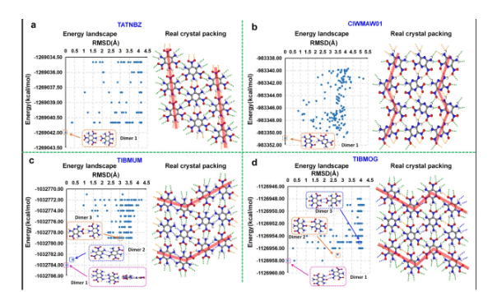 |  | A set of four graphs labeled a to d illustrates four sets of energy landscapes and real crystal packings for different chemical compounds. | The set of four graphs in four panels is labeled a, b, c, and d. Each panel displays an energy landscape graph on the left and a real crystal packing structure on the right. Panel a, titled T A T N B Z, shows an energy landscape with energy in kilocalories per mole on the vertical axis from negative 1269043.50 to negative 1289034.50 and root mean square deviation or R M S D in angstroms on the top horizontal axis from 0 to 4.5, highlighting a structure labeled Dimer 1. The adjacent real crystal packing shows molecular arrangements. Panel b, titled C M W M A W 0 1, similarly presents energy from negative 403352.00 to negative 483338.00 and root mean square deviation or R M S D in angstroms on the top horizontal axis from 0 to 5.5, also highlighting Dimer 1. The adjacent real crystal packing shows molecular arrangements. Panel c, titled T I B M U M, includes an energy landscape, plots energy from negative 1032786.00 to negative 1032770.00 and root mean square deviation or R M S D in angstroms on the top horizontal axis from 0 to 4.5, with highlighted structures labeled Dimer 1, Dimer 2, and Dimer 3, along with its corresponding real crystal packing. Panel d, titled T I B M O G, displays an energy landscape, plots energy from negative 1126940.00 to negative 1126948.00 and root mean square deviation or R M S D in angstroms on the top horizontal axis from 0 to 4.5, featuring Dimer 1, Dimer 2, and Dimer 3 and its real crystal packing shows molecular arrangements to its right.
17 | 453 | FIG. 17.12 | (A) Energy landscape of configuration dimers of DANAP, (B) the incompatible self-assembly into a graphite-like structure by dimer 1 and dimer 2 of DANAP; (C) the theoretically predicted graphite-like structure of DANAP by progressive self-assembly from dimer 3 (the dot lines represent intra/intermolecular hydrogen bonds). Reprinted with permission from S. Song, Y. Wang, K. Wang, F. Chen, Q. Zhang, Decosting the crystal engineering of graphite-like energetic materiale: from theretical prediction to experimental verification, J. Mater. Charon. A (2020) 5975 | 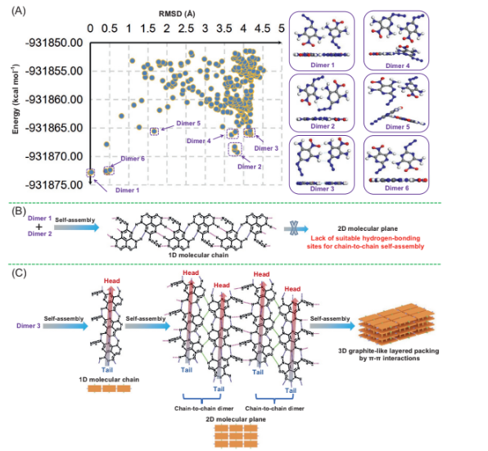 |  | A molecular diagram labeled A to C displays an energy versus root mean square deviation plot with molecular dimer structures, with one and three-dimensional molecular self-assembly processes. | The molecular diagram presents three main panels labeled A to C, detailing molecular interactions and self-assembly. Panel A shows a scatter plot of energy in kilocalories per mole on the vertical axis from negative 931875.00 to negative 931850.00 versus root mean square deviation in angstroms on the top horizontal axis from 0 to 5, with several distinct molecular dimer structures labeled inside the plot from Dimer 1 to Dimer 6 and also their molecular structure depicted alongside. Panel B illustrates the self-assembly of Dimer 1 and Dimer 2 into a one-dimensional molecular chain, with a note indicating a lack of suitable hydrogen bonding sites for chain-to-chain self-assembly in 2 two-dimensional molecular planes. Panel C demonstrates the self assembly of Dimer 3 into a one dimensional molecular chain labeled head on its top and tail at its end, followed by two sets of chain to chain dimerization labeled head on the top and tail to its end to form a two dimensional molecular plane, and finally, self assembly into a three dimensional graphite like layered packing by phi to phi interactions.
17 | 454 | FIG. 17.13 | Experimental crystal structure of DANAP (the left is the two-dimensional molecular plane and the right is three-dimensional graphite-like layered packing, the dot lines represent hydrogen bonds). Reprinted with permission from S. Song, Y. Wang, K. Wang, F. Chen, Q. Zhang, Decoding the crystal engineering of graphite-like energetic materials: from theoretical prediction to experimental verification, J. Mater. Chem. A 8 (2020) 5975. | 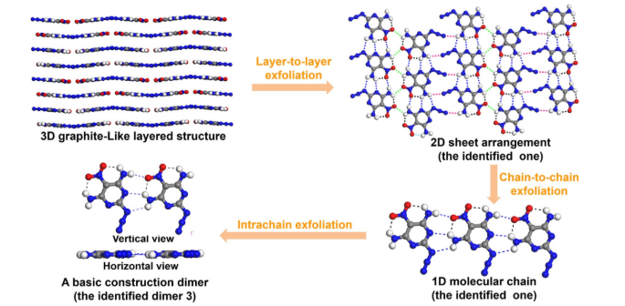 |  | A molecular diagram illustrates the sequential exfoliation of a three-dimensional graphite-like layered structure into two-dimensional sheets, and finally, a basic construction dimer. | The molecular diagram in the multi-step molecular exfoliation process shows a three-dimensional structure down to a fundamental building block. On the top left, a 3-dimensional graphite-like layered structure is depicted, showing multiple layers of molecules stacked parallel to each other. An arrow labeled Layer to layer exfoliation points from this 3-dimensional structure to a 2-dimensional sheet arrangement or the identified one on the top right, which reveals a network of molecules interconnected by dashed lines, representing hydrogen bonds. Another arrow, chain to chain exfoliation, points downwards from the 2-dimensional sheet to a 1-dimensional molecular chain or the identified one located at the bottom right, indicating that the 2-dimensional sheet is composed of linked individual chains. Finally, an arrow labeled Intrachain exfoliation points from the 1-dimensional molecular chain to A basic construction dimer or the identified dimer 3 at the bottom left, which is shown with both a vertical and a horizontal view, representing the core two-unit building block of the larger structures.

