Sheet1
Chapter Name/Number | Page Number | Figure Number | Caption | Thumbnail | Category | Short Alt Text | Long Alt Text | Short Alt-text Length | Long Alt-text Length | Comments
1 | 2 | Fig. 1.1 | Peripheral nerve anatomy. |  |  | An illustration of peripheral nerve anatomy shows layers including epineurium, perineurium, endoneurium, fascicle, axon, and myelinating Schwann cell. | The illustration of peripheral nerve anatomy presents a cross-sectional view of a cylindrical nerve structure. The outermost layer is labeled epineurium, which encloses multiple circular fascicles. Each fascicle is surrounded by the perineurium and contains smaller round units representing nerve fibers. A single fascicle is shown enlarged and extended to the right, revealing its internal structure. Within it, the endoneurium surrounds individual nerve fibers. One fiber is shown in further detail, consisting of a cylindrical axon enveloped by a myelinating Schwann cell, labeled m S C. Each structural component is distinctly labeled to demonstrate the organization from the outer epineurium to the inner axon.
1 | 3 | Fig. 1.2 | Classification of peripheral nerve injury. | 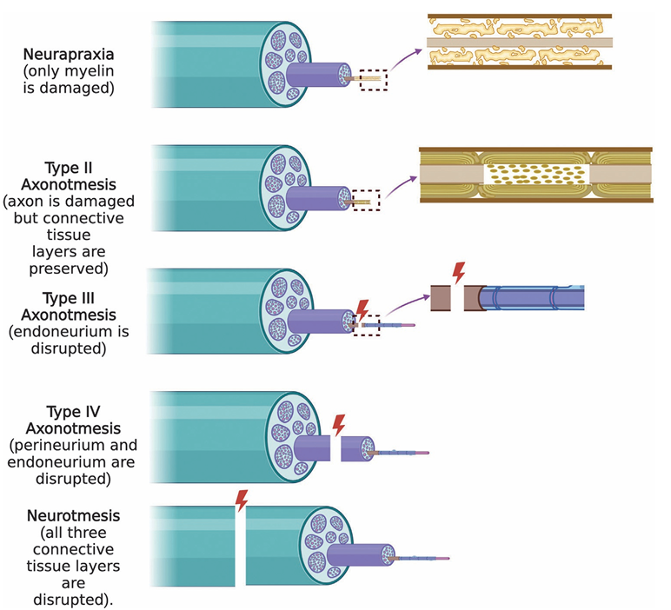 |  | A diagram shows five types of peripheral nerve injury including neurapraxia, three forms of axonotmesis, and neurotmesis with labeled disruptions in nerve structure. | The diagram shows five levels of peripheral nerve injury, arranged vertically and labeled from top to bottom. The first row, labeled neurapraxia, shows intact axons with only disruption of myelin sheaths. The second row, labeled type 2 axonotmesis, displays axonal damage while preserving surrounding connective tissue layers. The third row, labeled type 3 axonotmesis, shows disruption of the endoneurium with preserved perineurium and epineurium. The fourth row, labeled type 4 axonotmesis, highlights damage to both the perineurium and endoneurium, leaving only the epineurium intact. The final row, labeled neurotmesis, depicts complete transection of the nerve with loss of epineurium, perineurium, and endoneurium continuity. Each stage includes a schematic of a cylindrical nerve, magnified cutaway views of internal structures, and arrows indicating injury sites.
1 | 4 | Fig. 1.3 | Hallmarks of peripheral nerve injury and regeneration. | 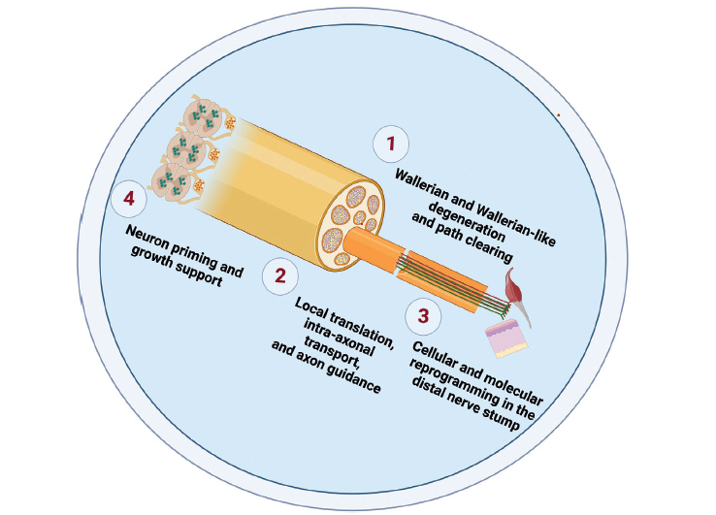 |  | A circular diagram shows four hallmarks of peripheral nerve injury and regeneration, including degeneration, guidance, reprogramming, and growth support. | The circular diagram shows the hallmarks of peripheral nerve injury and regeneration, featuring a cross-sectional view of a nerve fiber with labeled processes numbered from one to four. In the first step, labeled Wallerian and Wallerian-like degeneration and path clearing, the distal end of the axons is shown breaking down with debris present. In the second step, labeled local translation, intra-axonal transport, and axon guidance, regenerating axonal fibers extend from the nerve toward a distal segment. In the third step, labeled cellular and molecular reprogramming in the distal nerve stump, support cells and structural elements are shown around the regenerating axons. The fourth step, labeled neuron priming and growth support, depicts the proximal end of the neuron cell bodies with internal elements that appear activated. Each phase includes graphical elements illustrating structural and molecular changes in response to nerve injury. The nerve fiber is shown with fascicles and surrounding connective tissue layers, and the flow proceeds clockwise from degeneration to regeneration.
1 | 7 | Fig. 1.4 | Wallerian and Wallerian-like degeneration, and injury-related events in the distal nerve stump | 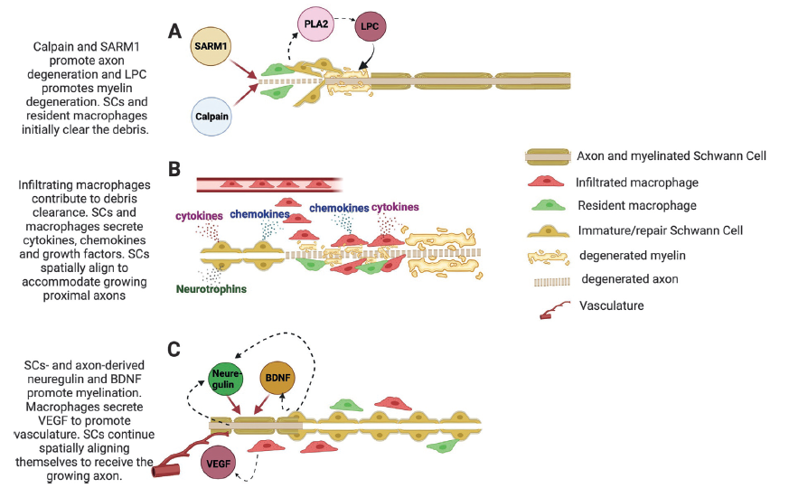 |  | A three-panel diagram shows progressive Wallerian and Wallerian-like degeneration and cellular responses in the distal nerve stump following axonal injury. | The three-panel diagram labeled A, B, and C illustrates the stages of Wallerian and Wallerian-like degeneration and related cellular and molecular events in the distal nerve stump following nerve injury. The diagram includes axons with myelinated Schwann cells, infiltrated macrophages, resident macrophages, degenerated myelin, degenerated axons, immature or repair Schwann cells, and vasculature. All labeled elements are shown in the legend to the right of the panels. In panel A, titled A, a horizontal myelinated axon is seen undergoing degeneration. The axon is surrounded by circular Schwann cells. Degeneration is initiated by calpain and S A R M 1, which are shown with arrows pointing toward the degenerating axon. Labeled L P C is shown downstream from P L A 2 and contributes to myelin degeneration. Degenerated axonal fragments and disrupted myelin segments are visible along the length of the axon. Resident macrophages and Schwann cells are shown near the fragmented axon, involved in initial debris clearance. In panel B, titled B, the degenerating axon continues across the length of the diagram. Infiltrated macrophages and resident macrophages are shown positioned around and between fragmented axon segments and disrupted myelin. Immature or repair Schwann cells are aligned longitudinally along the path of the axon. The infiltrated macrophages are shown near vasculature at the top. Annotations above the diagram indicate secretion of cytokines and chemokines from the macrophages and Schwann cells. Neurotrophins are labeled below the axon . Schwann cells are shown aligning spatially to support growing axon ends. In panel C, titled C, the regenerating axon proceeds from the left to the right. Macrophages secrete V E G F near vasculature on the left. Schwann cells and axon-derived factors including neuregulin and B D N F are indicated with arrows pointing to the maturing Schwann cells aligned along the axon. The Schwann cells are shown remyelinating the axon with com
1 | 11 | Fig. 1.5 | Injury-related changes in the proximal nerve stump and the ganglia (neuron priming). | 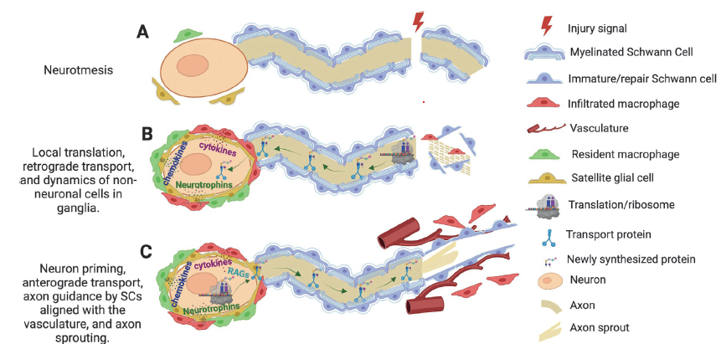 |  | A three-panel diagram labeled A to C shows injury signals and sequential cellular changes in proximal nerve stumps and ganglia during neurotmesis and neuron priming. | The three-panel diagram labeled A, B, and C depicts injury-related changes in the proximal nerve stump and neuronal ganglia during neurotmesis. The diagram includes labeled components shown in a key to the right, including neuron, axon, axon sprout, myelinated Schwann cell, immature or repair Schwann cell, satellite glial cell, resident and infiltrated macrophages, translation ribosomes, transport proteins, newly synthesized proteins, vasculature, and an injury signal. In panel A, labeled A, a neuron cell body with surrounding satellite glial cells is positioned on the left. A myelinated axon extends horizontally and terminates abruptly at an injury site marked with a lightning symbol. Schwann cells surround the axon segments, and an immature or repair Schwann cell is present near the injury site. A resident macrophage and an infiltrated macrophage are shown near the injury area. In panel B, labeled local translation, cytokines and neurotrophins are shown around the neuron, with arrows indicating the start of retrograde transport from the axon toward the cell body. Ribosome and protein translation symbols appear inside the axon. Proteins are transported toward the injury site. Schwann cells remain along the axon, and degenerated myelin is visualized in the right portion of the axon. Resident and infiltrated macrophages are adjacent to the damaged segment. In panel C, labeled C, neuron priming is illustrated with expanded satellite glial cell activity and production of neurotrophins, chemokines, and regenerative associated genes or R A G. Arrows indicate anterograde transport from the neuron toward the axon tip. Newly synthesized proteins and transport proteins are visualized along the axon. Schwann cells align with the regenerating axon. Axon sprouts emerge from the distal portion and extend through gaps between Schwann cells. Multiple vascular structures are shown adjacent to the axon, supporting axon regeneration and sprouting.

