Sheet1
Chapter Name/Number | Page Number | Figure Number | Caption | Thumbnail | Category | Short Alt Text | Long Alt Text | Short Alt-text Length | Long Alt-text Length | Comments
8 | 136 | Fig. 8.1 | Axillary nerve course and sensory supply. Posterior view of the axillary nerve (pictured in teal), originating from C5-6 nerve roots and upper trunk, posterior division, and posterior cord of the brachial plexus. The nerve leaves the posterior cord and runs anterior to the subscapularis muscle before exiting inferolaterally into the quadrilateral space. The nerve then divides into anterior and posterior branches which supply the anterior and middle deltoid, and teres minor, posterior deltoid, and cutaneous sensation to the lateral upper arm (inset), respectively. | 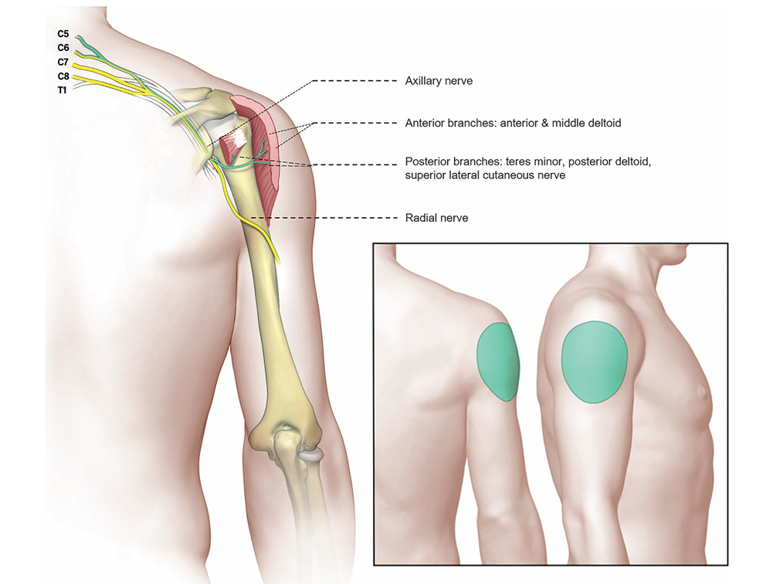 |  | An annotated posterior view shows the axillary nerve branching to the deltoid and teres minor muscles, with an inset displaying its cutaneous supply to the lateral upper arm. | The annotated posterior view illustrates the course and sensory distribution of the axillary nerve. The axillary nerve originates from the C 5 and C 6 nerve roots through the upper trunk, posterior division, and posterior cord of the brachial plexus. It passes anterior to the subscapularis muscle and exits inferolaterally through the quadrilateral space. The nerve then divides into anterior and posterior branches. The anterior branch innervates the anterior and middle parts of the deltoid muscle. The posterior branch innervates the teres minor and posterior deltoid and gives rise to the superior lateral cutaneous nerve, which conveys sensation to the lateral upper arm. The shaded area in the inset marks this sensory distribution over the lateral shoulder. Labeled elements include the axillary nerve, anterior and posterior branches, radial nerve, and cervical nerve roots labeled C 5, C 6, C 7, C 8 and T 1.
8 | 137 | Fig. 8.2 | Axillary nerve within the quadrilateral space. Upon branching fromthe posterior cord, theaxillary nerve enters the quad rilateral space before providing anterior and posterior branches. The nerve travels in close proximity to the posterior circumflex humeral artery (pictured in red), a branch of its parent axillary artery. The quadrilateral space borders include the long head of the triceps (medial), neck of the humerus (lateral), teres minor (superior), and teres major (inferior). | 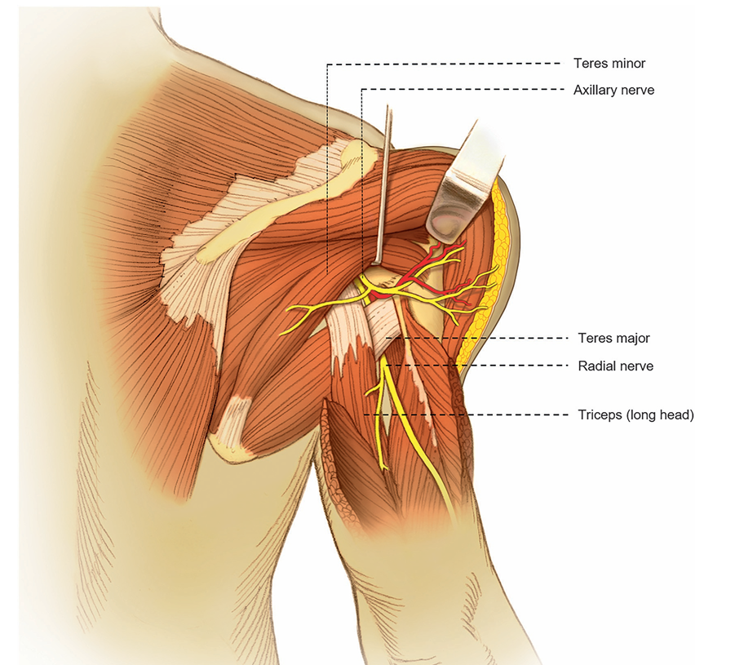 |  | An illustrated posterior view shows the axillary nerve entering the quadrilateral space bordered by muscles and traveling near the posterior circumflex humeral artery. | The illustrated posterior view demonstrates the anatomical course of the axillary nerve after it branches from the posterior cord of the brachial plexus. The nerve enters the quadrilateral space, which is bordered medially by the long head of the triceps brachii, laterally by the neck of the humerus, superiorly by the teres minor muscle, and inferiorly by the teres major muscle. Within this space, the axillary nerve travels adjacent to the posterior circumflex humeral artery, which is a branch of the axillary artery. The nerve then gives rise to anterior and posterior branches. The surrounding musculature, including the teres minor, teres major, and long head of the triceps brachii, is labeled along with the course of the radial nerve positioned below the quadrilateral space.
8 | 141 | Fig. 8.3 | Musculocutaneous nerve course and sensory supply. Anterior view of the musculocutaneous nerve (pictured in yellow), originating from C5-6 nerve roots and upper trunk, anterior division, and lateral cord of the brachial plexus. The nerve leaves the lateral cord to provide innervation to the coracobrachialis, biceps brachii, and brachialis muscles. The nerve then terminates as a sensory branch, the lateral antebrachial cutaneous nerve (pictured in dark yellow), which itself divides into posterior and anterior branches to provide cutaneous sensation to the dorsal and medial aspects of the lateral forearm (inset). | 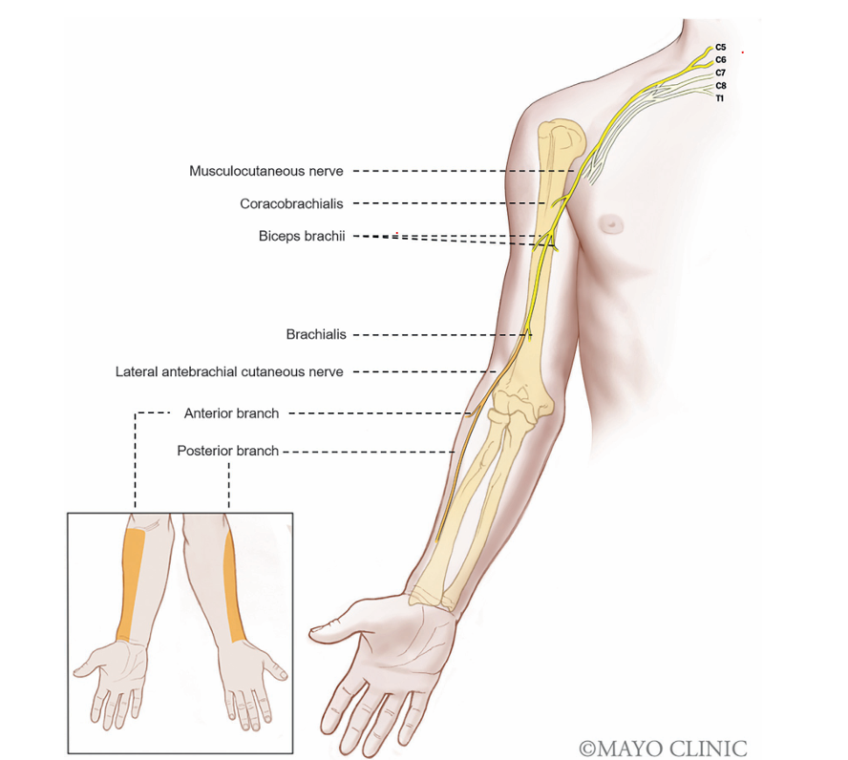 |  | An anterior view shows the musculocutaneous nerve path from brachial plexus to the forearm and highlights its sensory distribution with an inset showing sensory distribution areas of these divisions | The anterior anatomical view shows the full course of the musculocutaneous nerve originating from the C 5 to T 1 nerve roots, upper trunk, anterior division, and lateral cord of the brachial plexus. The nerve exits the lateral cord and travels through the upper arm to innervate the coracobrachialis, biceps brachii, and brachialis muscles. After supplying these motor branches, the nerve continues into the forearm in the form of the lateral antebrachial cutaneous nerve, a sensory extension. This terminal branch divides into anterior and posterior divisions. The inset panel displays the sensory distribution areas of these divisions along the dorsal and medial surfaces of the lateral forearm. Directional lines connect all labeled nerves to their corresponding muscles and sensory zones.

