Sheet1
Chapter Name/Number | Page Number | Figure Number | Caption | Thumbnail | Category | Short Alt Text | Long Alt Text | Short Alt-text Length | Long Alt-text Length | Comments
12 | 196 | Fig. 12.1 | Pelvic compression test. | 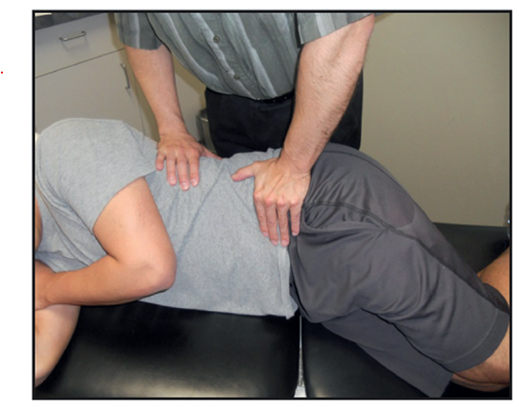 |  | An examiner performs a pelvic compression test on a side-lying patient using both hands to apply force to the pelvis. | The examiner performs a pelvic compression test on a side-lying patient positioned on an examination table. The patient lies with hips and knees slightly flexed, upper body rotated forward, and arms resting in front. The examiner stands behind the patient, places both hands over the lateral aspect of the pelvis near the iliac crest, and applies downward pressure. The test is conducted to evaluate for sacroiliac joint pathology. A clinical environment with a cabinet and countertop is present in the background.

