Sheet1
Chapter Name/Number | Page Number | Figure Number | Caption | Thumbnail | Category | Short Alt Text | Long Alt Text | Short Alt-text Length | Long Alt-text Length | Comments
13 | 209 | Fig. 13.1 | Frieberg test—modified with the addition of hip adduction and flexion | 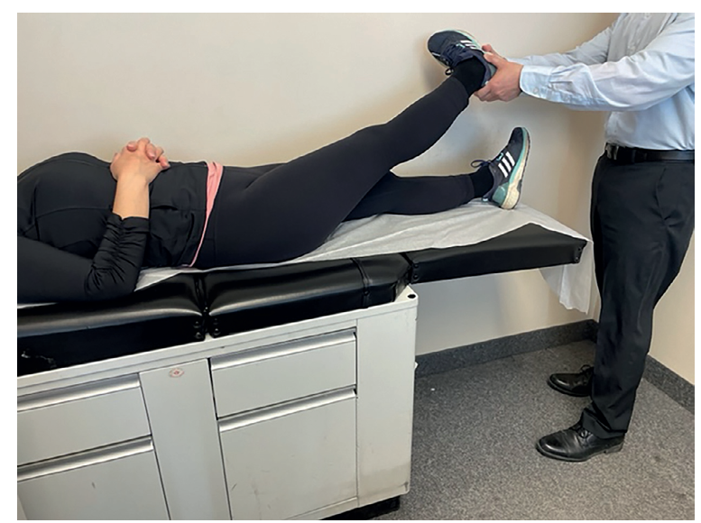 |  | An examiner performs the modified Frieberg test by adducting and flexing the extended hip of a supine patient on an examination table. | The examiner performs the modified Frieberg test on a supine patient positioned on an examination table. The patient lies with both arms resting over the torso while one leg remains straight and the other is held by the examiner. The examiner supports the elevated leg near the foot and ankle, applying simultaneous hip adduction and flexion while maintaining full extension of the knee. The patient’s opposite leg remains flat on the table. The setting includes a medical cabinet beneath the table and a clinical wall surface in the background.
13 | 209 | Fig. 13.2 | FAIR/FADIR test in sidelying position. | 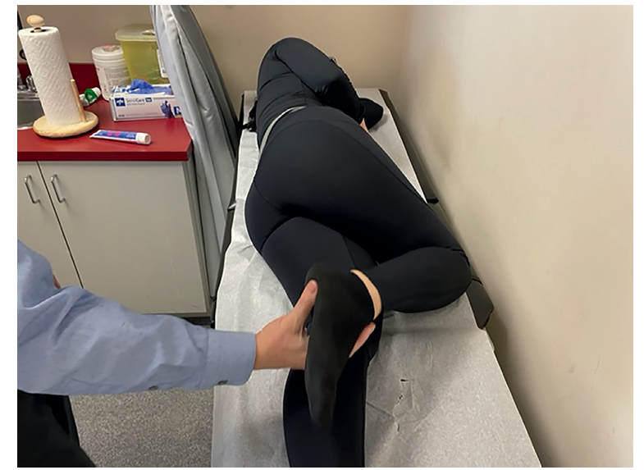 |  | An examiner performs the F A I R or F A D I R test on a sidelying patient by flexing, adducting, and internally rotating the top hip. | The examiner performs the F A I R or F A D I R test on a sidelying patient positioned on an examination table. The patient lies with the lower arm extended forward and the top arm resting alongside the torso. The bottom leg remains straight while the top leg is bent at the knee and hip. The examiner holds the top leg at the foot and ankle and applies hip flexion, adduction, and internal rotation. The clinical environment includes visible supplies, storage drawers, and a countertop adjacent to the table.
13 | 210 | Fig. 13.3 | Beatty test. | 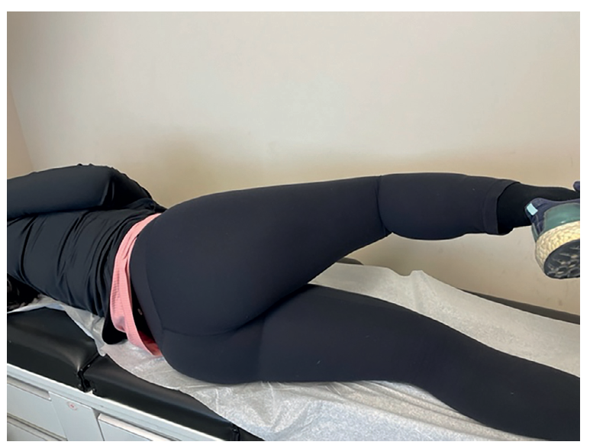 |  | An individual performs the Beatty test by lying sidelying and lifting the top flexed knee away from the examination table. | The individual performs the Beatty test by lying in a sidelying position on an examination table with the lower leg extended and the upper leg flexed at the hip and knee. The upper leg is actively lifted upward away from the table while the foot remains off the surface. The torso stays aligned on the table without rotation. The test position is maintained without assistance, and the background shows clinical furniture near the examination area.
13 | 211 | Fig. 13.4 | Active piriformis test. | 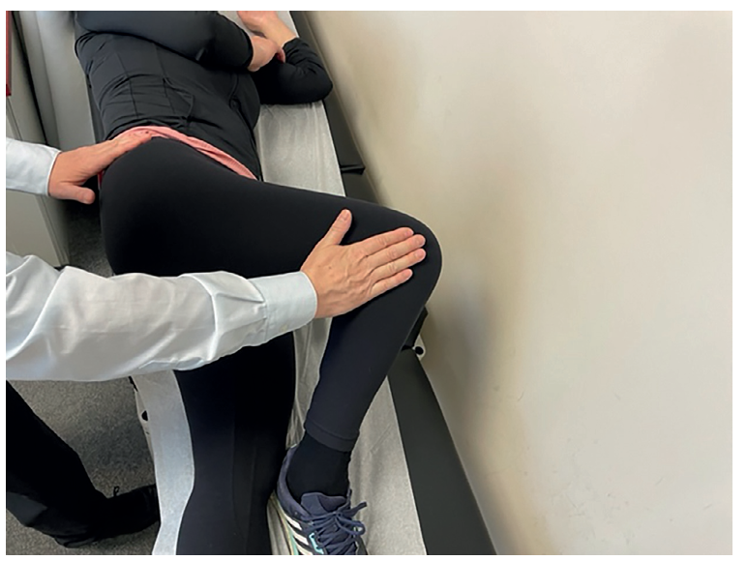 |  | An active piriformis test is performed with the patient in a sidelying position while the examiner resists hip abduction by applying pressure to the lateral knee. | The active piriformis test is performed with the patient lying on their side on an examination table. The patient flexes the top hip and knee and abducts the leg at the hip joint. The examiner uses one hand to stabilize the patient’s pelvis and the other hand to apply resistance to the lateral aspect of the flexed knee. The bottom leg remains extended and relaxed on the table. This maneuver assesses the function and potential irritation of the piriformis muscle. The surroundings include a examination table, and part of the examiner’s attire.
13 | 211 | Fig. 13.5 | Seated piriformis stretch test. | 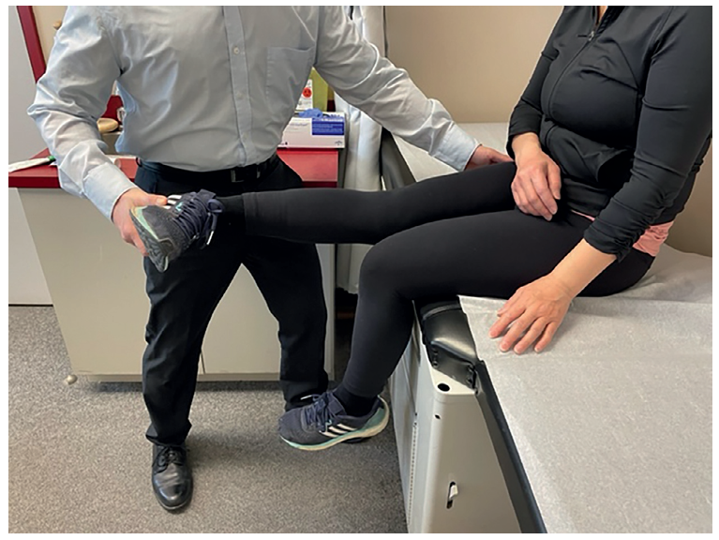 |  | A seated piriformis stretch test is performed with the patient on the examination table and the examiner supporting the extended leg. | The seated piriformis stretch test is performed with the patient sitting on the edge of an examination table. The patient maintains an upright posture with one leg bent at the knee and the other leg extended horizontally. The examiner stands in front of the extended leg and supports it with both hands, one at the heel and the other below the knee. The patient's hands rest on the lap for balance. This position facilitates stretching of the piriformis muscle in a seated posture. Surrounding elements include medical cabinetry, examination supplies, and the examiner's attire.
13 | 212 | Fig. 13.6 | Heel-contralateral knee maneuver. | 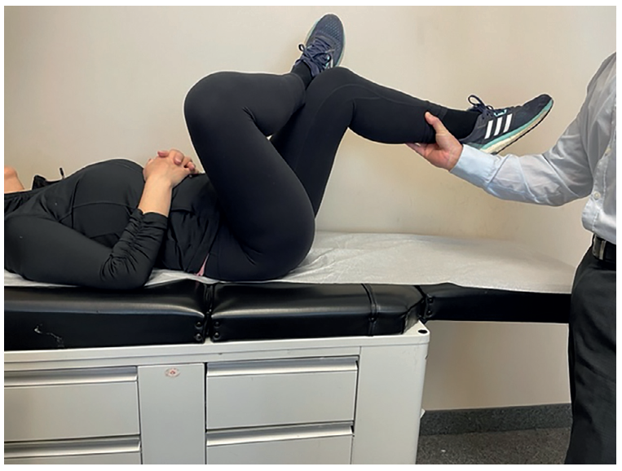 |  | A heel-contralateral knee maneuver is performed with the patient lying supine and the examiner supporting the elevated leg. | The heel-contralateral knee maneuver is demonstrated with the patient lying supine on an examination table. The patient bends one knee and places the heel of the opposite leg on the bent knee. The examiner stands at the foot of the table and supports the elevated leg near the ankle. The patient’s hands are clasped over the upper abdomen. The table surface is cushioned, and surrounding features include a floor cabinet and examination room elements. This maneuver facilitates assessment of hip flexibility and sacroiliac joint function.

