Sheet1
Chapter Name/Number | Page Number | Figure Number | Caption | Thumbnail | Category | Short Alt Text | Long Alt Text | Short Alt-text Length | Long Alt-text Length | Comments
2 | 20 | Fig. 2.1 | Example of the different probes that can be used to study peripheral nerves. | 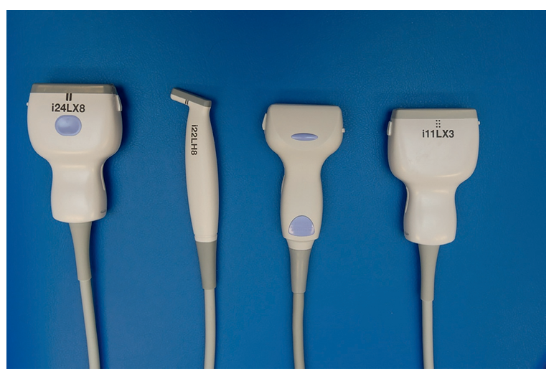 |  | An ultrasound probe set shows four labeled probes used to study peripheral nerves with varying shapes and model numbers. | The ultrasound probe set displays four different probes aligned horizontally against a flat background. Each probe varies in shape and size, and they are labeled from left to right: i 24 L X 8, i 22 L H 8, an unlabeled probe, and i 11 L X 3. The probes are attached to flexible cables and have distinct ergonomic designs suited for different scanning techniques. These probes are typically used for examining peripheral nerves. The structure and orientation of the probes indicate they are designed for specialized medical imaging tasks requiring precision and clarity in nerve visualization.
2 | 21 | Fig. 2.2 | Assessment of the ultrasound characteristics of a peripheral nerve. (A) Measurement of the cross-sectional area of the nerve in mm2. (B) Assessment of increased vascularization by Color Doppler of Power Doppler mode. (C) Assessment of the echogenicity and (D) assessment of the fascicle size in mm2. | 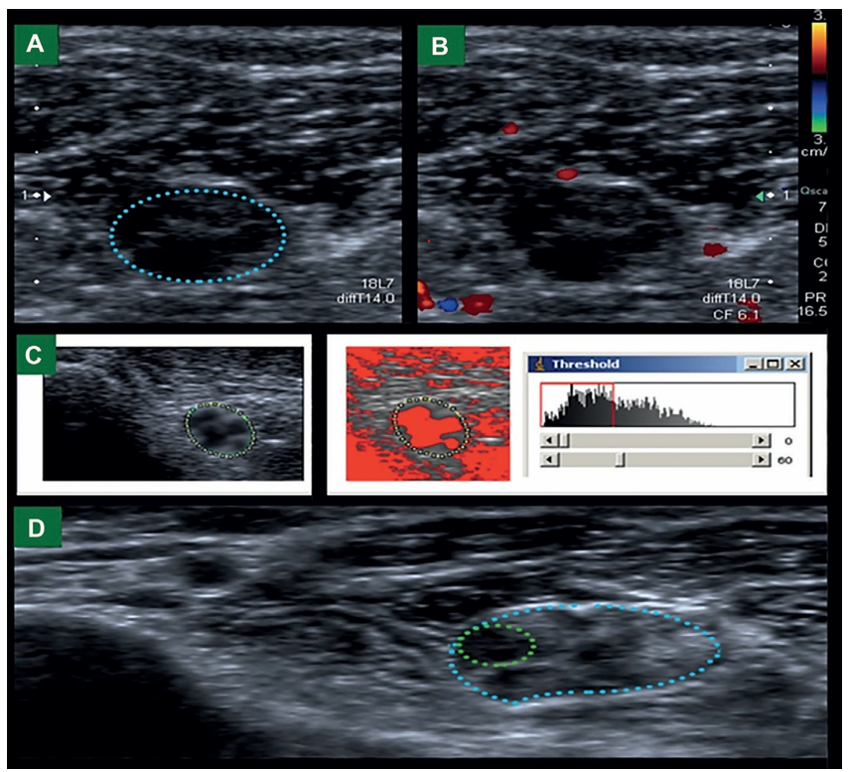 |  | An ultrasound sequence in panels A to D shows the cross-sectional area, vascularization, echogenicity, and fascicle size of a peripheral nerve. | The ultrasound sequence presents four panels labeled A to D for evaluating a peripheral nerve. Panel A displays a transverse grayscale ultrasound view where a peripheral nerve is outlined with a dashed oval line, indicating the boundary used to calculate its cross-sectional area in square millimeters. In the lower right corner of the picture, technical ultrasound settings are visible, including the probe type labeled 18 L 7 and the display of a measurement labeled diff 14.0. Panel B presents the same nerve region under Color Doppler or Power Doppler mode, where vascular flow is visualized using overlaid Doppler signals. These signals appear in various intensities to highlight areas of blood flow surrounding the nerve. The right side of panel B includes a Doppler scale showing velocity in centimeters per second, alongside technical settings such color frequency, scale, and power ratio, which are labeled with values like C F 6.1 and P R 16.5, aiding in the evaluation of increased vascularization. Panel C includes two sub-pictures: the left shows the echogenic structure of the nerve outlined with circular markers, while the right displays the same region overlaid with a threshold-based segmentation, accompanied by a histogram in a software window. Panel D shows the fascicle pattern of the nerve, marked with two distinct outlines highlighting individual and entire nerve areas, and labeled with the same probe identification.
2 | 22 | Fig. 2.3 | Coronal maximal intensity projection from a vascular-suppressed, T2-weighted, inversion recovery coronal MR image demonstrates delineation of the suprascapular nerve (bracket), and anterior (solid arrow) and posterior (dashed arrow) divisions of the axillary nerve. | 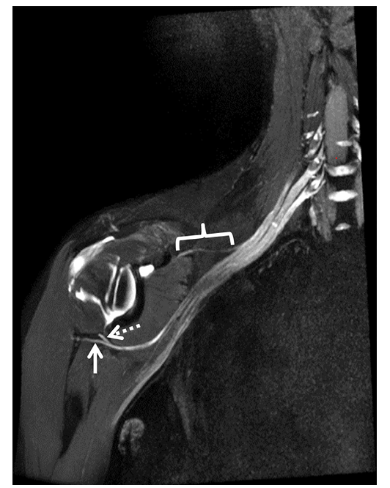 |  | A coronal M R scan shows the suprascapular nerve and the anterior and posterior divisions of the axillary nerve with labeled markers. | The coronal maximal intensity projection from a vascular-suppressed T 2-weighted inversion recovery magnetic resonance scan shows the upper torso and shoulder. The suprascapular nerve is highlighted using a bracket along the upper border of the shoulder extending from the neck. The anterior division of the axillary nerve is identified by a solid arrow directed toward the region beneath the shoulder joint. The posterior division of the axillary nerve is marked by a dashed arrow curving around the same joint. The scan reveals clear structural delineation of the nerve pathways with contrast-enhanced tissue visibility.
2 | 23 | Fig. 2.4 | Ultrasound of the median nerve at the carpal tunnel inlet. MN, median nerve; T, tendons; P, pisiform bone. | 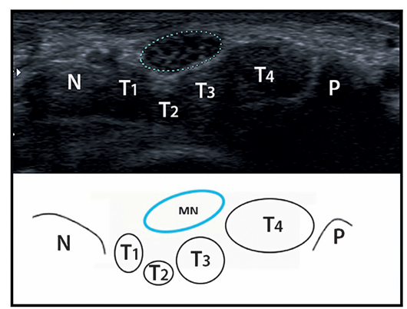 |  | An ultrasound and diagram show the median nerve at the carpal tunnel inlet with labeled tendons and pisiform bone. | The ultrasound and diagram show the median nerve at the carpal tunnel inlet. The upper section displays a transverse ultrasound scan where the median nerve is outlined near the center. Surrounding it are four round hypoechoic structures labeled tendons T one, T two, T three, and T four. The pisiform bone is labeled P on the lateral side, and a nerve labeled N is seen medially. The lower section presents a simplified anatomical diagram that mirrors the ultrasound layout. The structures in the diagram are labeled identically, showing the median nerve positioned above the tendons, with the pisiform bone and adjacent nerve clearly marked for anatomical correlation.
2 | 25 | Fig. 2.5 | Median nerve in the forearm. Left longitudinal view, right transverse view of the median nerve in the forearm. | 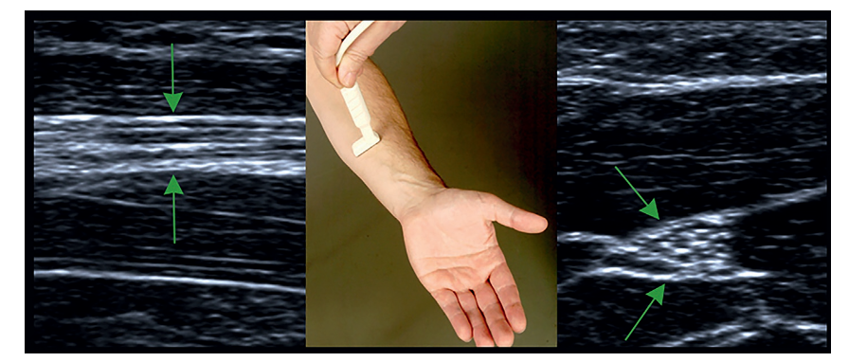 |  | An ultrasound shows the median nerve in the forearm with a longitudinal view on the left and a transverse view on the right, along with a probe placement photograph in the center. | The ultrasound shows the median nerve in the forearm with three distinct sections. The left panel displays a longitudinal ultrasound view where parallel linear structures represent the course of the median nerve. The middle panel presents a photograph of a hand facing upward while a probe is placed on the forearm to obtain the ultrasound views. The right panel presents a transverse ultrasound view that shows the nerve in a cross-sectional appearance, appearing like a bundle with surrounding muscle and connective tissue. Arrows in both ultrasound panels point to the median nerve location in its respective orientations.
2 | 26 | Fig. 2.6 | Ulnar nerve at the elbow, transverse and longitudinal view. |  |  | An ultrasound shows the ulnar nerve at the elbow with a transverse view on the left, a longitudinal view on the right, and a central panel showing probe placement. | The ultrasound shows the ulnar nerve at the elbow through three panels. The left panel presents a transverse ultrasound view where the ulnar nerve is marked by a dotted ellipse, indicating a cross-sectional view of the nerve near the elbow. The middle panel displays a photograph of a person’s arm resting on a cushioned surface while a probe is placed over the medial aspect of the elbow to capture the ultrasound views. The right panel shows the longitudinal ultrasound view where the ulnar nerve appears like a fibrillar structure extending along the length of the arm. Each panel corresponds to a different orientation for examining the nerve, with the probe position shown centrally to correlate with the transverse and longitudinal scans.
2 | 27 | Fig. 2.7 | Ultrasound of the ulnar nerve in the left upper arm showing an enlarged ulnar nerve (left) and at surgery (right picture). Biopsy of the lesion was taken which resulted in the diagnosis of a perineurioma. |  |  | An ultrasound shows an ulnar nerve in the left upper arm on the left panel and a surgical exposure of the same area on the right panel. | The ultrasound shows the ulnar nerve in the left upper arm through two panels. The left panel presents a longitudinal ultrasound view where the ulnar nerve appears enlarged and is marked with caliper lines for measurement A plus , indicating abnormal swelling. The right panel displays a surgical view of the same region, showing the upper arm opened to expose the underlying structures. A segment of the ulnar nerve is elevated using surgical loops for clear visualization and biopsy. The two panels together depict the correlation between the sonographic appearance and direct surgical findings of the enlarged nerve.
2 | 28 | Fig. 2.8 | 42-year-old man with wrist drop for 1 month secondary to multi focal motor neuropathy associated with infliximab treat ment for inflammatory bowel disease. Axial (A) and coronal (B) T2-weighted Dixon fat-suppressed MR images within the mid arm demonstrate prominent long segment signal hyperintensity of the radial nerve (arrows). There is mild enhancement of the radial nerve following gadolinium administration (C) |  |  | An axial and coronal M R scan in panels A and B shows radial nerve hyperintensity with post-gadolinium enhancement in panel C. | The axial and coronal M R scan in panels A and B shows radial nerve hyperintensity with post-gadolinium enhancement in panel C. Panel A shows an axial T 2 weighted Dixon fat-suppressed view of the midarm, showing a prominent long segment of signal hyperintensity in the radial nerve, which is indicated by a thick arrow pointing to the nerve located laterally to the humerus. Panel B shows a coronal T 2 weighted Dixon fat-suppressed view, where three arrows point to the vertically oriented radial nerve running along the length of the upper arm, demonstrating hyperintense signal adjacent to the labeled humerus. Panel C shows an axial post-contrast T 1 weighted illustration after gadolinium administration, again highlighting the radial nerve with a thick arrow, showing mild enhancement in the same location similar to panel A, confirming involvement of the nerve.
2 | 29 | Fig. 2.9 | 43-year-old woman with right arm weakness preceded by pain, diagnosed with neuralgic amyotrophy. Coronal T2-weighted Dixon fat-suppressed sequences demonstrate denervation edema pattern of the supraspinatus (white star) and infra spinatus (black star) muscles (A). 3D curved multiplanar reformatted inversion recovery images (B, C) demonstrate multiple intrinsic constrictions of the suprascapular nerve (brackets) | 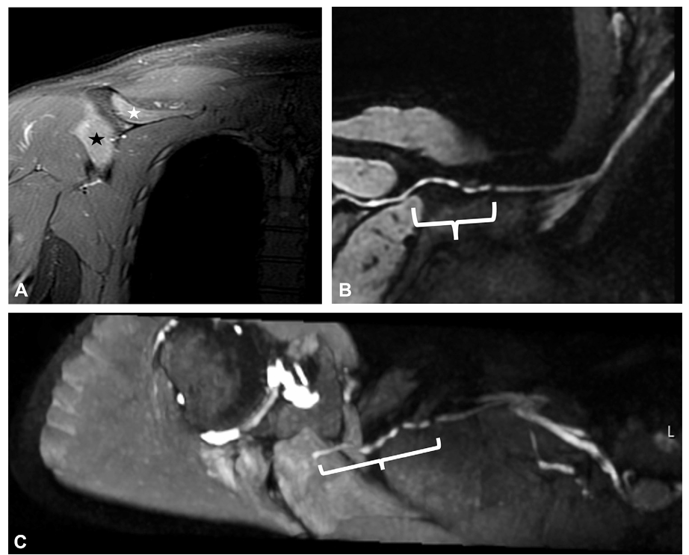 |  | An M R scan in panels A to C shows supraspinatus and infraspinatus muscle edema and suprascapular nerve constrictions. | An M R scan in panels A to C shows supraspinatus and infraspinatus muscle edema and suprascapular nerve constrictions. Panel A shows a coronal T 2 weighted Dixon fat-suppressed view with denervation edema patterns visible in the supraspinatus and infraspinatus muscles, marked by stars respectively. Panels B and C show three-dimensional curved multiplanar reformatted inversion recovery views of the suprascapular nerve, which demonstrate multiple intrinsic constrictions. The brackets in these panels indicate the segments of the nerve affected by these constrictions.
2 | 30 | Fig. 2.10 | Ultrasound of the fibular nerve at the fibular head. |  |  | An ultrasound scan shows the fibular nerve at the fibular head with probe placement on the lateral aspect of the knee. | The ultrasound scan demonstrates the fibular nerve at the fibular head. On the left, a probe is placed transversely on the lateral aspect of the knee over the fibular head for sonographic evaluation. On the right, the corresponding transverse sonographic view shows the fibular nerve encircled with a dashed measurement line, indicating its location and morphology in the soft tissue adjacent to the fibular head. The underlying structures, including muscle and bone interfaces, are clearly visualized in the ultrasound field.
2 | 31 | Fig. 2.11 | 27-year-old man with recurrent right foot drop status and previous ganglion cyst resection. Axial proton density MR images, just proximal (A) and distal to the fibular head (B), demonstrate a ganglion cyst arising from the articular branch (black arrows, B)of the common peroneal nerve(CPN) and decompressing proximally into theCPN bundle(oval),posteriorly displacing and compressing the CPN (white arrows, A). The coronal maximal intensity projection image (C) from a T2-weighted fat-suppressed sequence redemonstrates the ganglion cyst arising from the articular branch (arrows) to the proximal tibiofibular joint. |  |  | An M R scan of the right knee shows a ganglion cyst compressing the common peroneal nerve in panels A to C. | The M R scan of a 27-year-old man with recurrent right foot drop shows three panels labeled A, B, and C. Panel A displays an axial proton density section just proximal to the fibular head, where the common peroneal nerve is seen posteriorly displaced and compressed by a ganglion cyst, outlined by an oval and marked with arrows. Panel B shows an axial view distal to the fibular head, identifying the origin of the ganglion cyst from the articular branch of the common peroneal nerve, indicated by arrows, with the cyst decompressing proximally into the nerve bundle, also enclosed in an oval. Panel C presents a coronal maximal intensity projection from a T 2 weighted fat suppressed sequence, again highlighting the ganglion cyst arising from the articular branch to the proximal tibiofibular joint, with the fibula labeled and arrows pointing to the cyst.
2 | 32 | Fig. 2.12 | Oblique coronal proton density MR image through the right ankle (A) demonstrates a ganglion cyst (black arrow) impinging the medial plantar nerve (white arrows), which is hyperintense. There is an associated denervation edema pattern of the abductor hallucis muscle (oval) on the axial proton density image (B) through the foot | 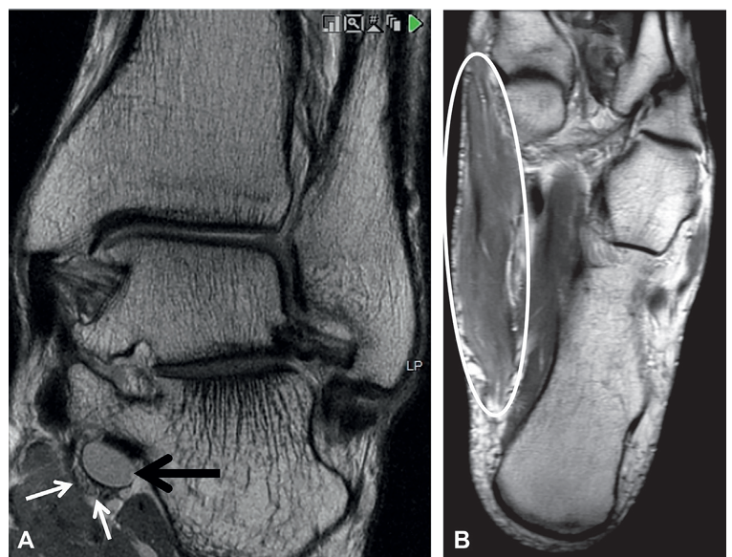 |  | An M R scan of the right ankle and foot shows a ganglion cyst compressing the medial plantar nerve and denervation edema in the abductor hallucis muscle in panels A and B. | The M R scan of the right ankle and foot shows two panels labeled A and B. Panel A displays an oblique coronal proton density view showing a ganglion cyst that compresses the medial plantar nerve, which appears hyperintense. Panel B shows an axial proton density view through the foot highlighting a denervation edema pattern in the abductor hallucis muscle using an oval outline. Both panels clearly depict bone landmarks and soft tissue structures of the ankle and foot.
2 | 35 | Fig. 2.13 | 45-year-old man with palpable mass. Coronal proton density (A) and axial T2-weighted Dixon fat-suppressed (B) MR images through the lower leg demonstrate a peripheral nerve sheath tumor of the sural nerve at the site of the palpable abnormality, demarcated by the skin markers (arrows, A) | 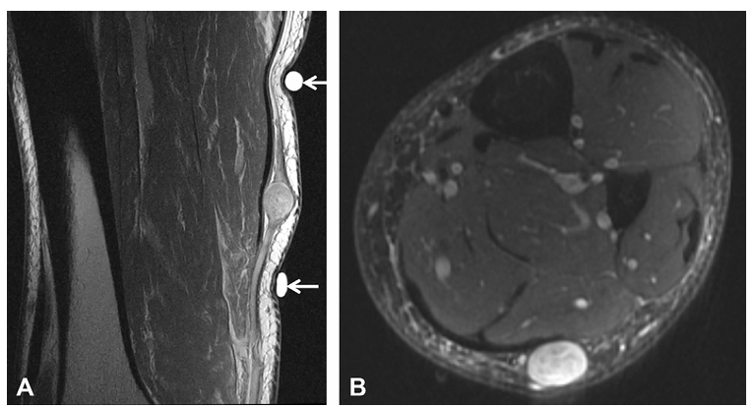 |  | An M R scan of the lower leg shows a peripheral nerve sheath tumor along the sural nerve near skin markers in panels A and B. | The M R scan of the lower leg shows two panels labeled A and B. Panel A shows a coronal proton density view with two arrows pointing to a well-circumscribed lesion along the course of the sural nerve. The lesion lies beneath the skin markers that correspond to the site of a palpable abnormality. Panel B shows an axial T 2 weighted Dixon fat-suppressed view highlighting the same lesion in the posterior soft tissue, again marked by an arrow. Muscle compartments and surrounding fat planes are clearly visualized in both views.

