Nov 2024
Codingal
2024-11-05 | Create an account in Github | AjayFernandes671@gmail.com | Ajayfernandes/codingal
 | download and install Visual Studio | Download Visual Studio Code - Mac, Linux, Windows
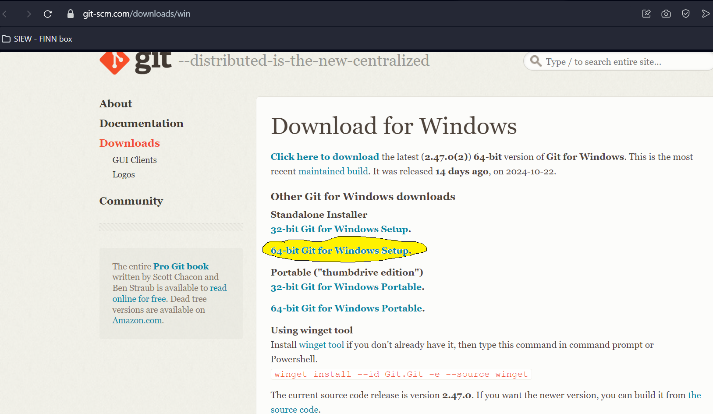
 | In Visual studio - install python
 | In Visual studio - install git

HW | 2 activities

