1. Gathering Data Concept
LP Graphical Solution 1
 | B2
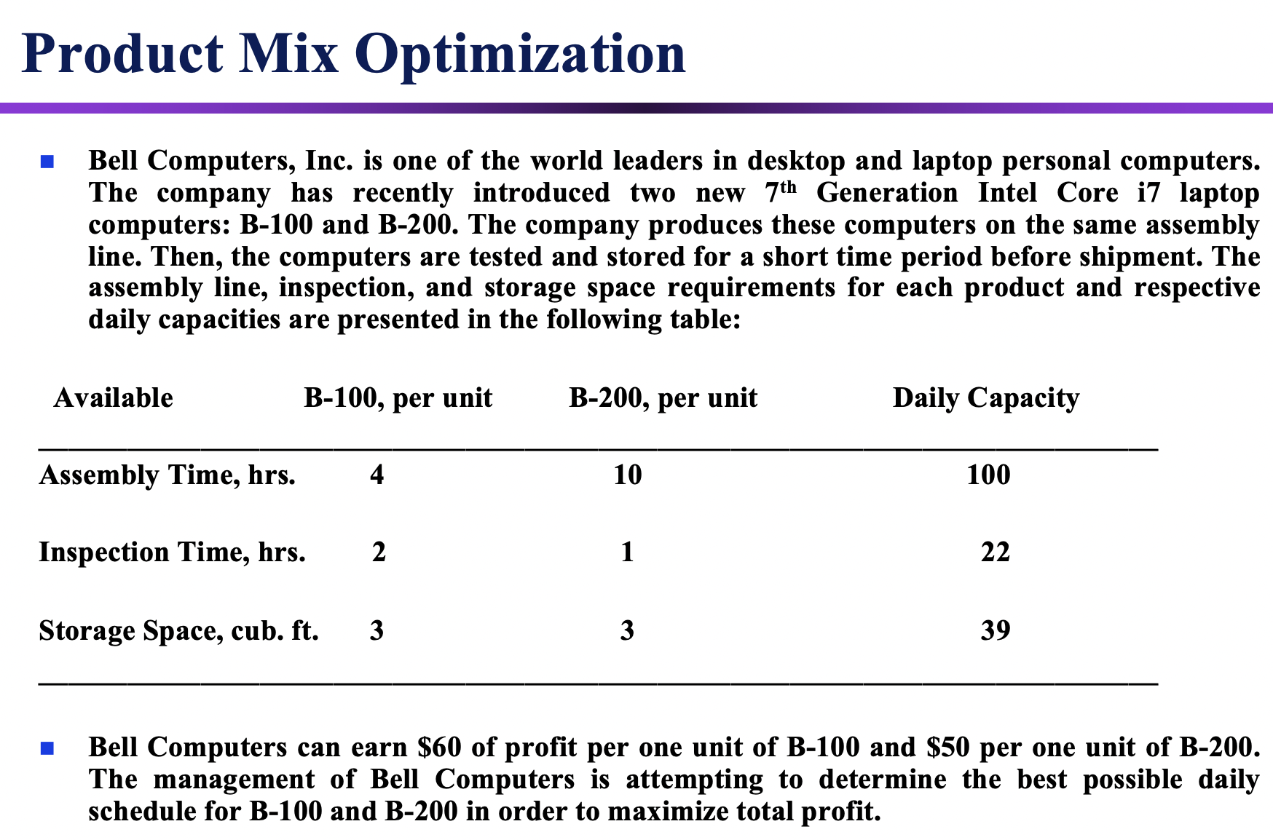
 |  |  |  |  |  |  |  |  |  |  |  | Decision variables:
 |  |  |  |  |  |  |  |  |  |  |  | B1 = number of B-100 units produced daily, units
 | 20 |  |  |  |  |  |  |  |  |  |  | B2 = number of B-200 units produced daily, units

 |  |  |  |  |  |  |  |  |  |  |  | Objective:
 |  |  |  |  |  |  |  |  |  |  |  | Maximize profit: 60B1 + 50B2
 | 16
 |  |  |  |  |  |  |  |  |  |  |  | Constraints:
 |  |  |  |  |  |  |  |  |  |  |  | Assembly time <= 100 hrs.: | 4B1 + 10B2 <= 100
 |  |  |  |  |  |  |  |  |  |  |  | Inspection time <= 22 hrs.: | 2B1 + B2 <= 22
 | 12 |  |  |  |  |  |  |  |  |  |  | Storage space <= 39 cub. ft.: | 3B1 + 3B2 <= 39
 |  |  |  |  |  |  |  |  |  |  |  | Nonnegativity: | B1, B2 >= 0

 | 8

 | 4

 |  |  |  |  |  |  |  |  |  |  | B1
 | 0 | 4 | 8 | 12 | 16 |  | 20 |  | 24 | 28
 |  |  |  |  |  |  |  |  |  |  |  | 4B1 +10B2 = 100 Assembly Line
 |  |  |  |  |  | 3B1 + 3B2 = 39 |  |  | Storage space
 |  |  |  |  | 2B1 + B2 = 22 |  |  | Inspection time

 |  |  |  | 60B1 + 50B2 = 300 |  |  | Obejective function = 300

2.1 Calculation concept
LP Graphical Solution 2
 | B2

 |  |  |  |  |  |  |  |  |  |  |  |  |  |  | Decision variables:
 |  |  |  |  |  |  |  |  |  |  |  |  |  |  | B1 = number of B-100 units produced daily, units
 | 20 |  |  |  |  |  |  |  |  |  |  |  |  |  | B2 = number of B-200 units produced daily, units

 |  |  |  |  |  |  |  |  |  |  |  |  |  |  | Objective:
 |  |  |  |  |  |  |  |  |  |  |  |  |  |  | Maximize profit: 60B1 + 50B2
 | 16
 |  |  |  |  |  |  |  |  |  |  |  |  |  |  | Constraints:
 |  |  |  |  |  |  |  |  |  |  |  |  |  |  | Assembly time <= 100 hrs.: | 4B1 + 10B2 <= 100
 |  |  |  |  |  |  |  |  |  |  |  |  |  |  | Inspection time <= 22 hrs.: | 2B1 + B2 <= 22
 | 12 |  |  |  |  |  |  |  |  |  |  |  |  |  | Storage space <= 39 cub. ft.: | 3B1 + 3B2 <= 39
 |  | (0,10) |  |  |  |  |  |  |  |  |  |  |  |  | Nonnegativity: | B1, B2 >= 0
(5,8)

 | 8

(9,4)
 |  |  | Feasible
 |  |  | Region
 | 4

(11,0)
 |  |  |  |  |  |  |  |  |  |  |  |  | B1
 | 0 | (0,0) | 4 | 8 |  | 12 | 16 |  | 20 |  | 24 | 28
 |  |  |  |  |  |  |  |  |  |  |  |  |  | 4B1 +10B2 = 100 Assembly time
 |  |  |  |  |  |  |  | 3B1 + 3B2 = 39 |  |  | Storage space
 |  |  |  |  |  |  | 2B1 + B2 = 22 |  |  | Inspection time |  |  |  |  | Value of objective function in corner points:
 |  |  |  |  |  |  |  |  |  |  |  |  |  |  | (0,0): 60*0 + 50*0 = $0
 |  |  |  |  | 60B1 + 50B2 = 300 |  |  | Obejective function = 300 |  |  |  |  |  |  | (0,10): 60*0 + 50*10 = $500
 |  |  |  |  |  |  |  |  |  |  |  |  |  |  | (5,8): 60*5 + 50*8 = $700
 |  |  |  |  |  |  |  |  |  |  |  |  |  |  | (9,4): 60*9 + 50*4 = $740 maximum value of objective function in corner point (9,4) – optimal solution
 |  |  |  |  |  |  |  |  |  |  |  |  |  |  | (11,0): 60*11 + 50*0 = $660

4. Solver Table
Oneway analysis for Solver model in 2. Calculating Values worksheet |  |  |  |  |  | Sensitivity of $F$6 to Input

When you select an output from the dropdown list in cell $K$4, the chart will adapt to that output.
Sensitivity of $F$6 to Input
Input (cell $G$14) values along side, output cell(s) along top |  |  |  |  |  | Data for chart
 | $F$9 | $E$14 | $F$5 | $F$6 | 4 | $F$6
30 | 600.00 | 30 | 10.0 | 0.0 |  | 0
31 | 620.00 | 31 | 10.3 | 0.0 |  | 0
32 | 640.00 | 32 | 10.7 | 0.0 |  | 0
33 | 660.00 | 33 | 11.0 | 0.0 |  | 0
34 | 673.33 | 34 | 10.7 | 0.7 |  | 0.66666666667
35 | 686.67 | 35 | 10.3 | 1.3 |  | 1.3333333333
36 | 700.00 | 36 | 10.0 | 2.0 |  | 2
37 | 713.33 | 37 | 9.7 | 2.7 |  | 2.6666666667
38 | 726.67 | 38 | 9.3 | 3.3 |  | 3.3333333333
39 | 740.00 | 39 | 9.0 | 4.0 |  | 4
40 | 753.33 | 40 | 8.7 | 4.7 |  | 4.6666666667
41 | 766.67 | 41 | 8.3 | 5.3 |  | 5.3333333333
42 | 780.00 | 42 | 8.0 | 6.0 |  | 6
43 | 793.33 | 43 | 7.7 | 6.7 |  | 6.6666666667
44 | 800.00 | 44 | 7.5 | 7.0 |  | 7
45 | 800.00 | 44 | 7.5 | 7.0 |  | 7
46 | 800.00 | 44 | 7.5 | 7.0 |  | 7
47 | 800.00 | 44 | 7.5 | 7.0 |  | 7
48 | 800.00 | 44 | 7.5 | 7.0 |  | 7
49 | 800.00 | 44 | 7.5 | 7.0 |  | 7
50 | 800.00 | 44 | 7.5 | 7.0 |  | 7

