Sheet1
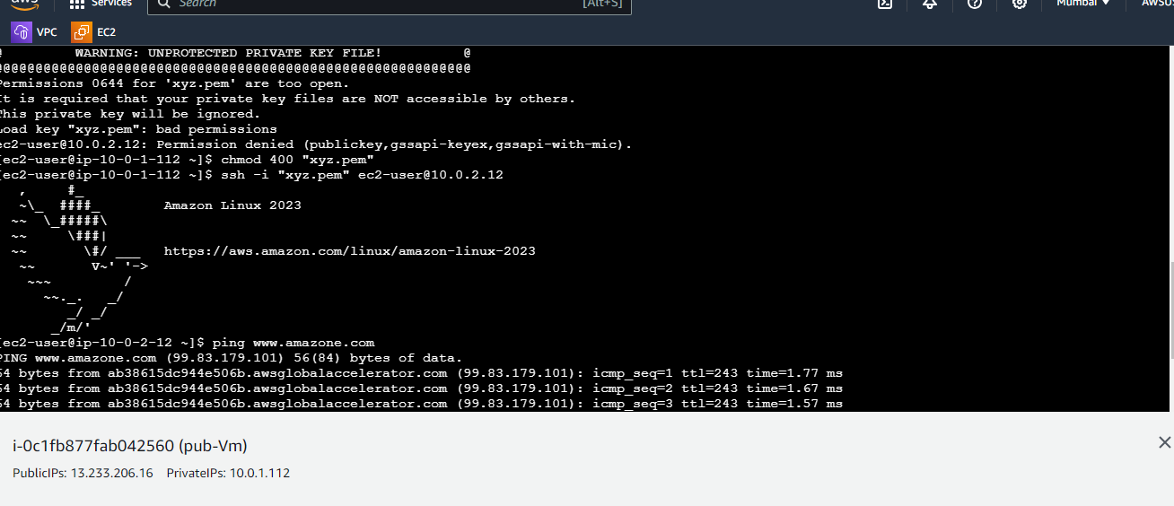
VPC CREATION

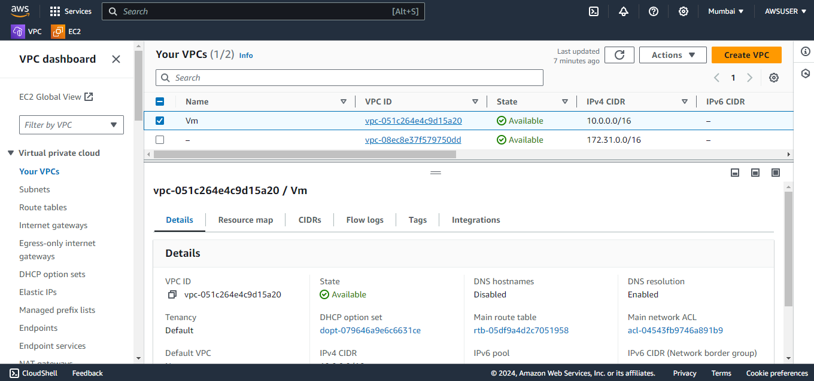

IGW CREATION

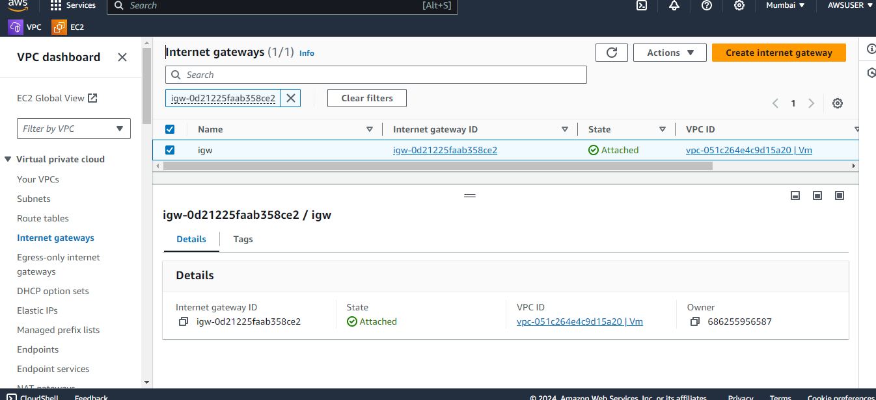

SUBNET CREATION

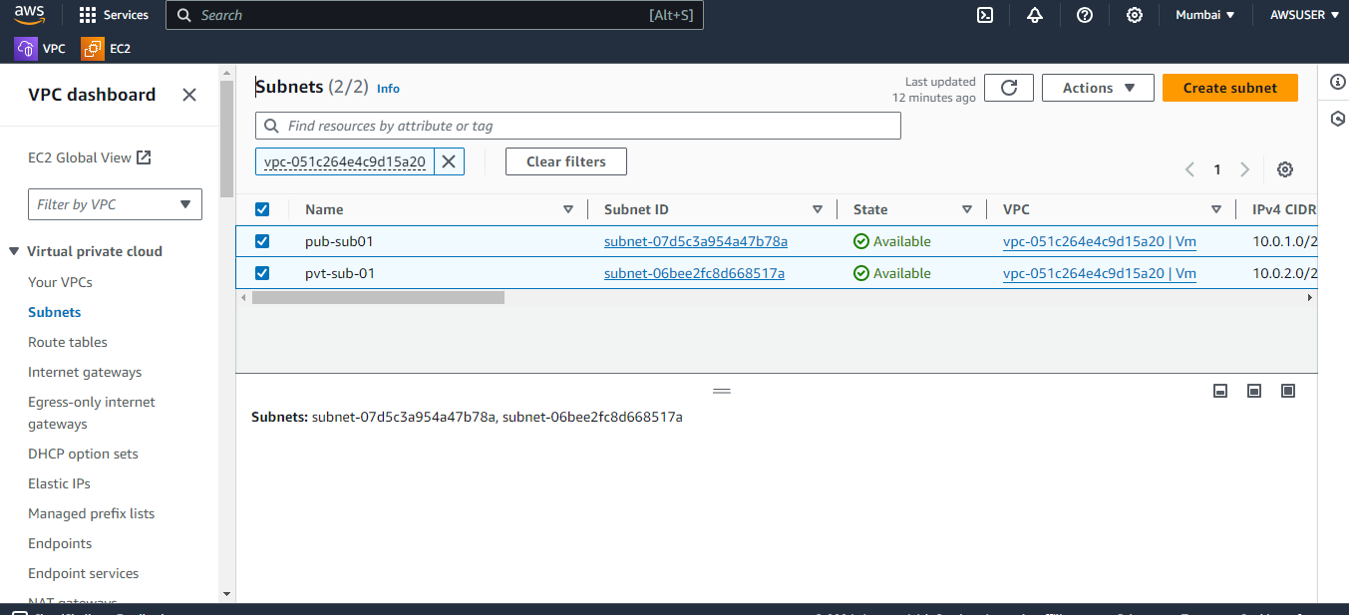

ROUTER CREATION WITH SUBNET ASSOSSITION AND ROUTER

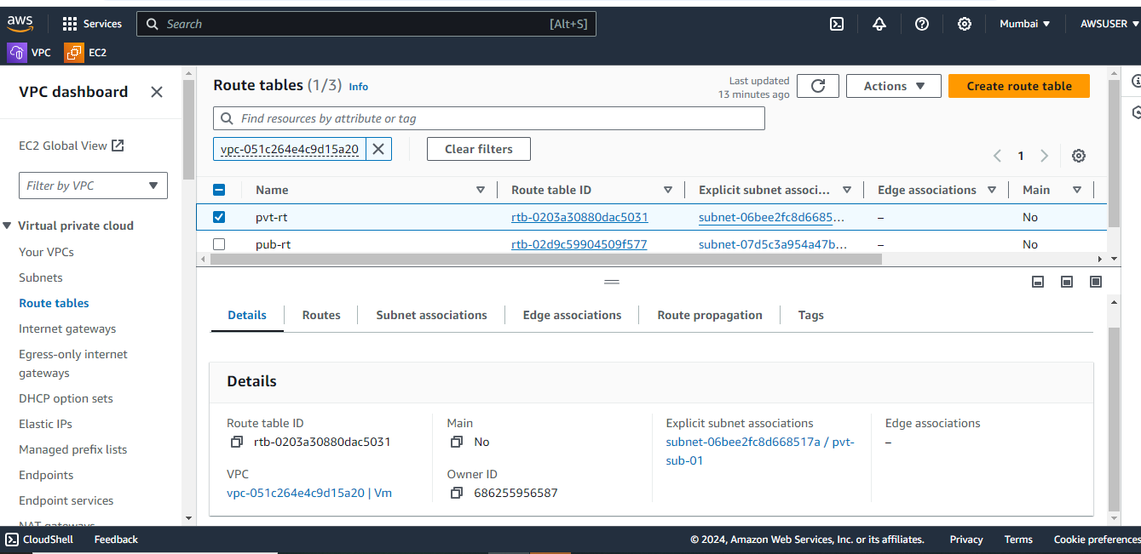

NAT-GATE WAY

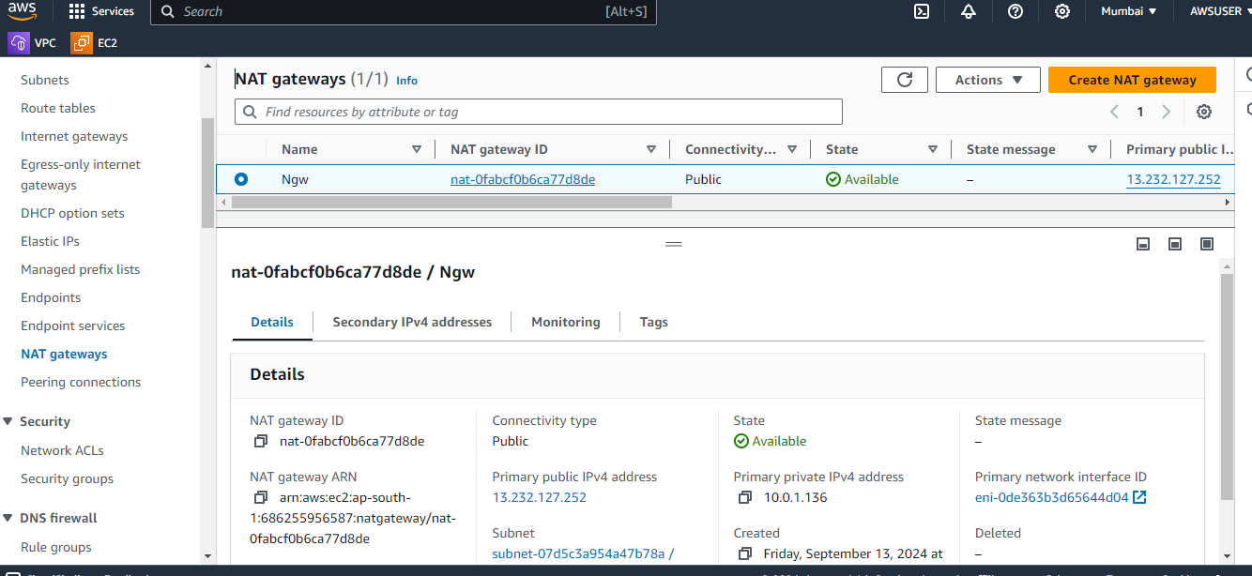

PUBLIC AND PRIVATE EC2 MACHIN

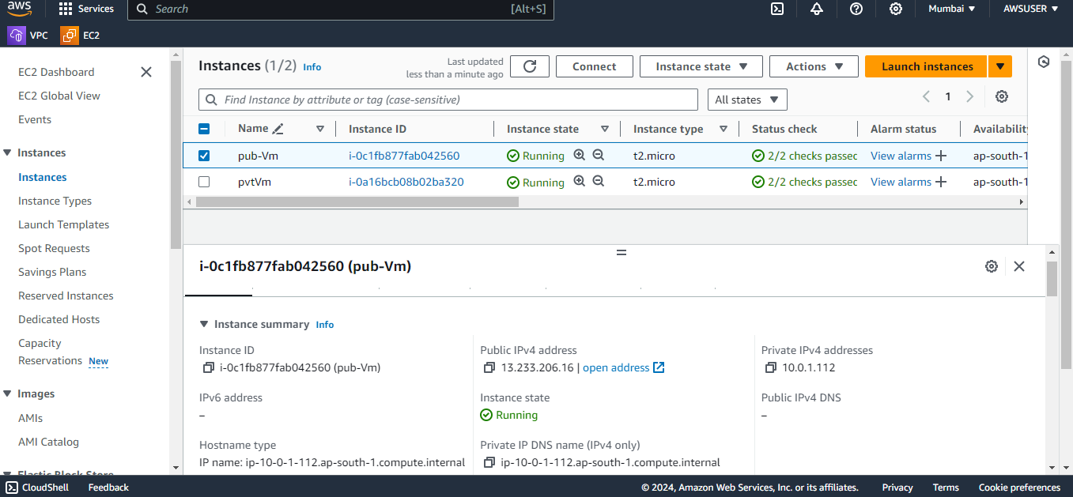

INSTALLATION OF NGINX IN TO PUBLIC EC2 MACHIN

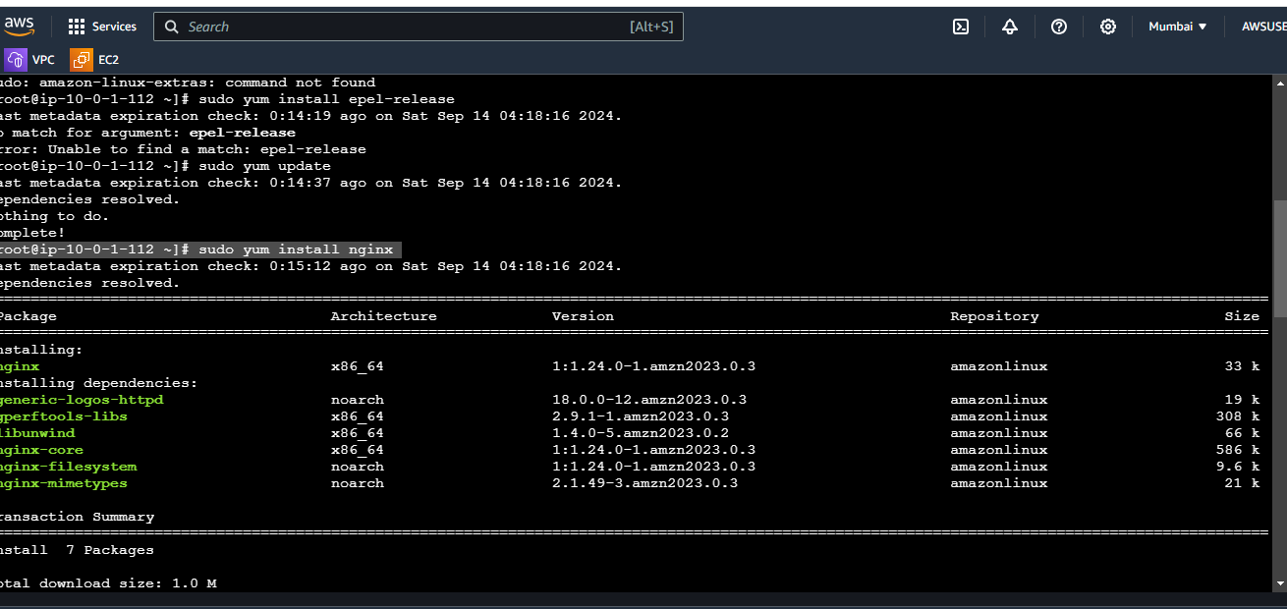

STATUS OF NGINX

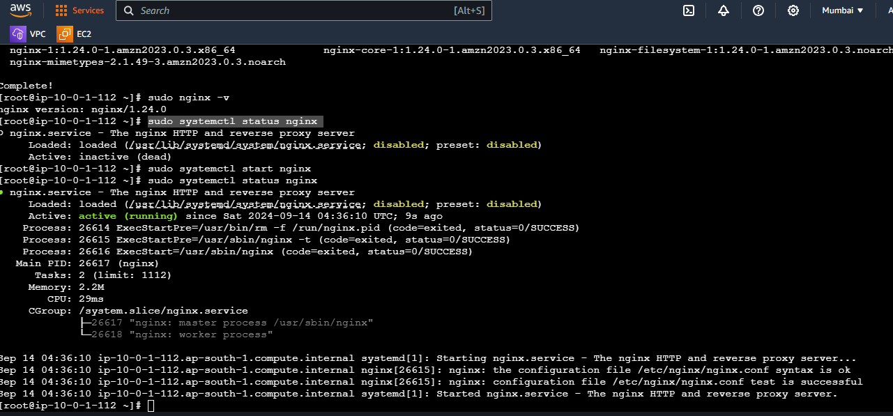

NGINX RUNNING ON BROWSER

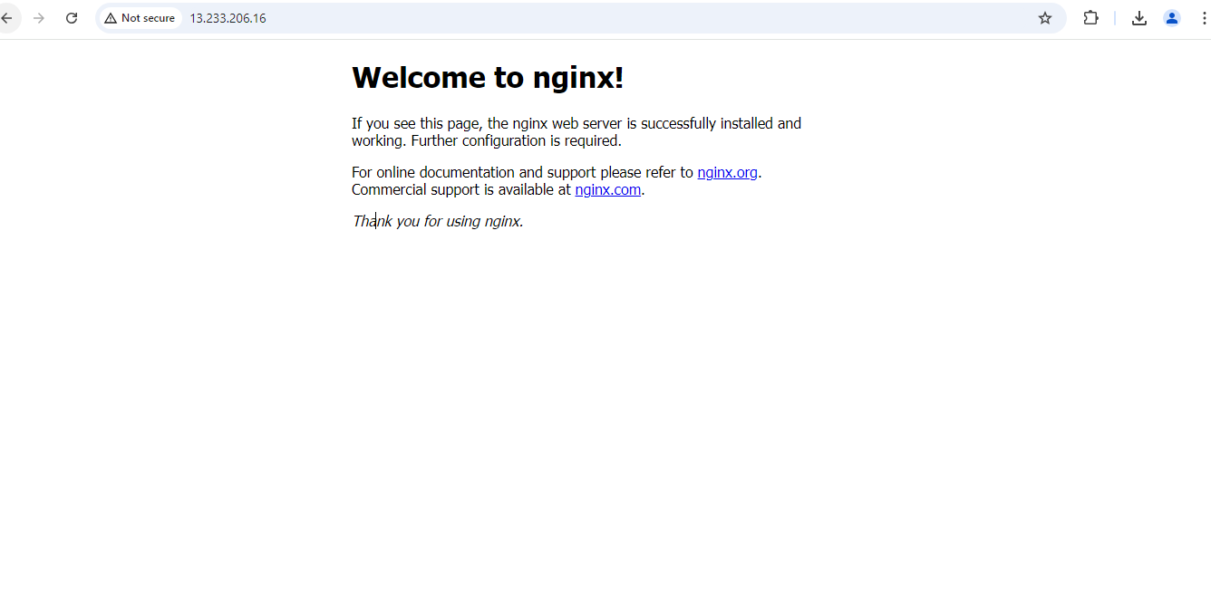

ACCESSING PRIVATE INSTANT VIA PUBLIC INSTANT

