Mind Maps
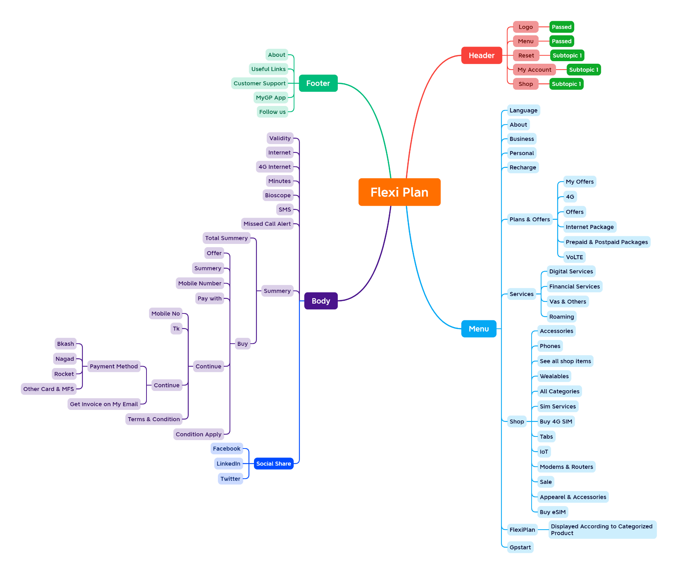

Report
Test Case Report
Project Name
Module Name |  |  |  |  |  | Total No. | Status | Result :
Test Case Version |  |  |  |  |  | #REF! | PASS
Written By |  |  |  |  |  | 0 | FAIL
Executed By |  |  |  |  |  | 0 | Not Executed | New Features | Testing Scope | Testing Environment : | Google Chrome Browser
Reviewed By |  |  |  |  |  | 0 | Out of Scope
TEST EXECUTION REPORT
Test Case Report
Test Case | PASS | FAIL | Not Executed | Out Of Scope | Total TC
 | #REF! | 0 | 0 | 0 | #REF!
Grand Total | #REF! | 0 | 0 | 0 | #REF!

LIMITATIONS
Documents |  |  |  | Received | Useful
PRD |  |  |  | No | No
USER STORY |  |  |  | No | No

