Mind Maps
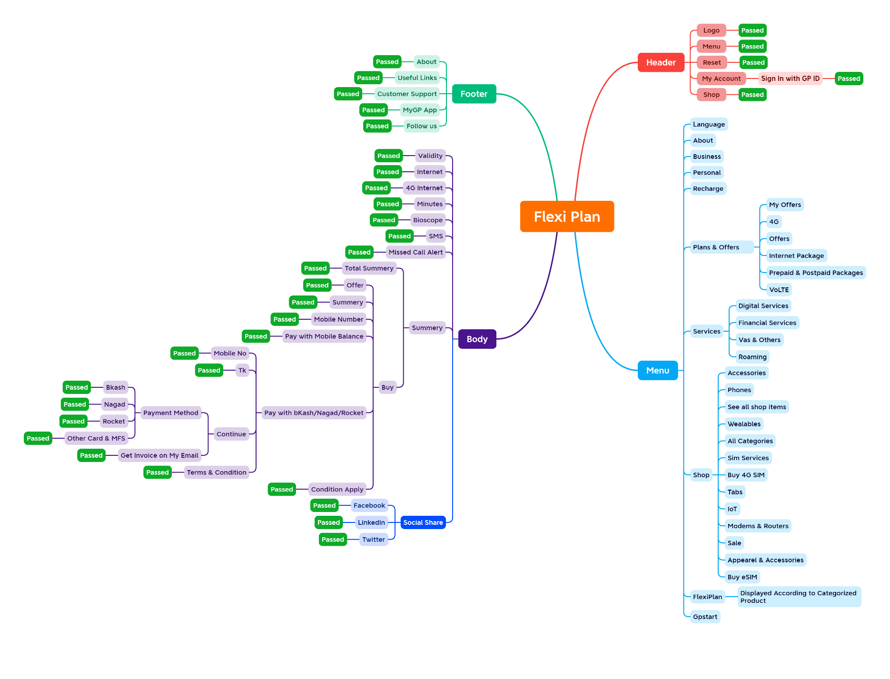

Report
Test Case Report
Project Name | GP Flexi Plan
Module Name | Flexi Plan |  |  |  |  | Total No. | Status | Result :
Test Case Version | 1.0.0 |  |  |  |  | 146 | PASS
Written By | Ajij Khan |  |  |  |  | 19 | FAIL
Executed By | Ajij Khan |  |  |  |  | 0 | Not Executed | New Features | Testing Scope | Testing Environment : | Google Chrome Browser
Reviewed By | Ehsanul Alam Sabbir |  |  |  |  | 0 | Out of Scope
TEST EXECUTION REPORT
Test Case Report
Test Case | PASS | FAIL | Not Executed | Out Of Scope | Total TC
 | 146 | 19 | 0 | 0 | 165
Grand Total | 146 | 19 | 0 | 0 | 165

LIMITATIONS
Documents |  |  |  | Received | Useful
PRD |  |  |  | No | No
USER STORY |  |  |  | No | No

