Cover Page
 DATA ANALYTICS USING EXCEL FIFA 2018 AJINKYA DANDGAVHAL

1
1. Prepare a rank ordered list of top 10 countries with most players. Which countries are producing the most numbers of footballers that plays at this level?

Country - No. of Players
 | Country | No. of Players
 | England | 1630
 | Germany | 1140
 | Spain | 1019
 | France | 978
 | Argentina | 965
 | Brazil | 812
 | Italy | 799
 | Colombia | 592
 | Japan | 469
 | Netherlands | 429

 |  | England is producing the most no. of players.

2
2. Plot the distribution of overall rating vs. age of players. Interpret what is the age after which a player stops improving?

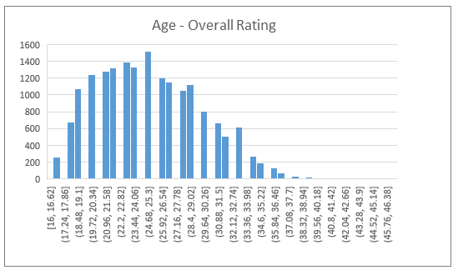

 | From the histogram, we can say that a player stops improving after the age of 25 yrs.

3
3. Which type of offensive players tends to get paid the most: the striker, the right-winger, or the left-winger?

Offensive Position | Average Wage
ST/CF | 16.25
RW/ST | 11.16
LW/ST | 10.1

Players in ST/ CF position are earning the highest among the offensive positions.

