Sheet1
 |  | alpha | 0.2

 | Rates | Forecast
Oct-98 | 6.35 | 6.35
Nov-98 | 5.36 | 6.35
Dec-98 | 5.25 | 6.152
Jan-99 | 4.94 | 5.9716
Feb-99 | 5.13 | 5.76528
Mar-99 | 5.63 | 5.638224
Apr-99 | 5.35 | 5.6365792
May-99 | 5.75 | 5.57926336
Jun-99 | 5.26 | 5.613410688
Jul-99 |  | 5.5427285504
Aug-99 |  | 5.4861828403
Sep-99 |  | 5.4409462723
Oct-99 |  | 5.4047570178
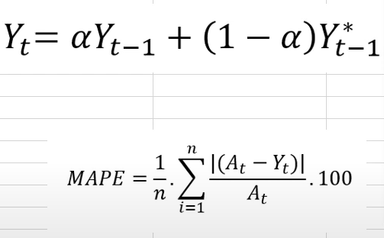
Date | Rates |  | Forecast
Oct-98 | 6.35 |  | 6.35
Nov-98 | 5.36 |  | 6.35
Dec-98 | 5.25 |  | 6.152
Jan-99 | 4.94 |  | 5.9716
Feb-99 | 5.13 |  | 5.76528
Mar-99 | 5.63 |  | 5.638224
Apr-99 | 5.35 |  | 5.6365792
May-99 | 5.75 |  | 5.57926336
Jun-99 | 5.26 |  | 5.613410688
Jul-99 |  |  | 5.5427285504
Aug-99 |  |  | 5.4861828403
Sep-99 |  |  | 5.4409462723
Oct-99 |  |  | 5.4047570178

