Sheet1
1 | Install python-2.7.15.msi
 | Restart machine after installation
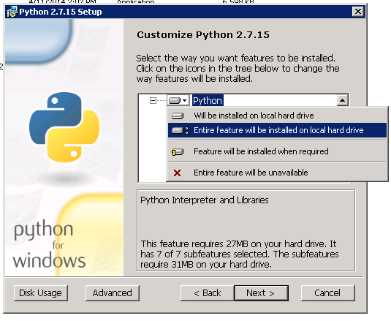

2 | Install wxPython2.8-win32-unicode-2.8.12.1-py27.exe
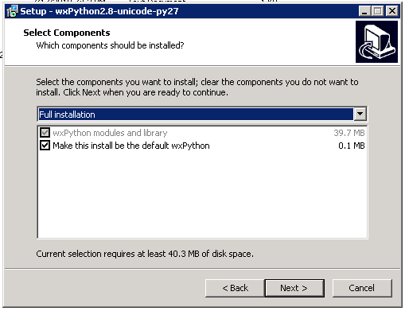

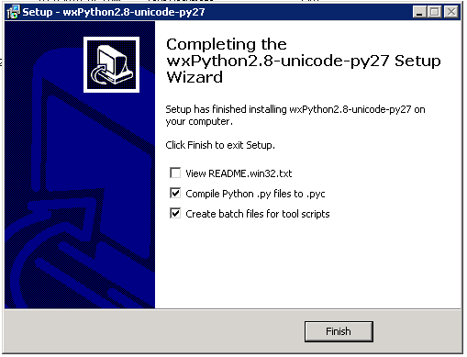

3 | Install pywin32-218.win32-py2.7.exe

4 | Open command prompt, then go to location of AutoItLibrary-1.1 folder
 | In command prompt, enter "python setup.py install" without the quote
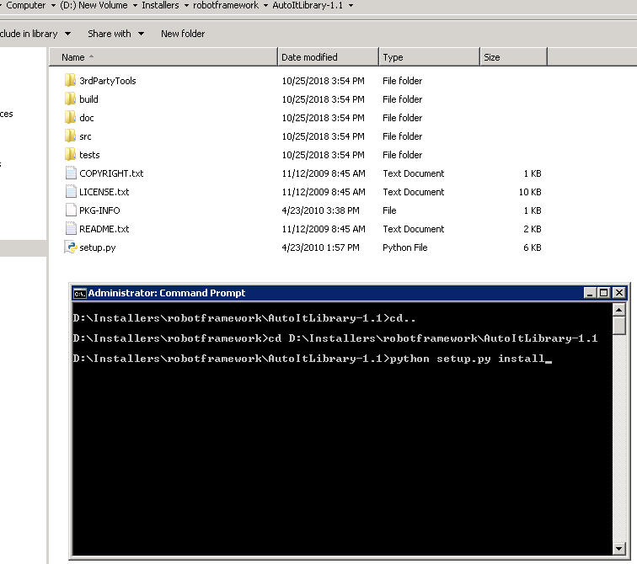

5 | Return to previous folder or go to location of requirements.txt
5 | Upgrade PIP by entering "python -m pip install --upgrade pip"
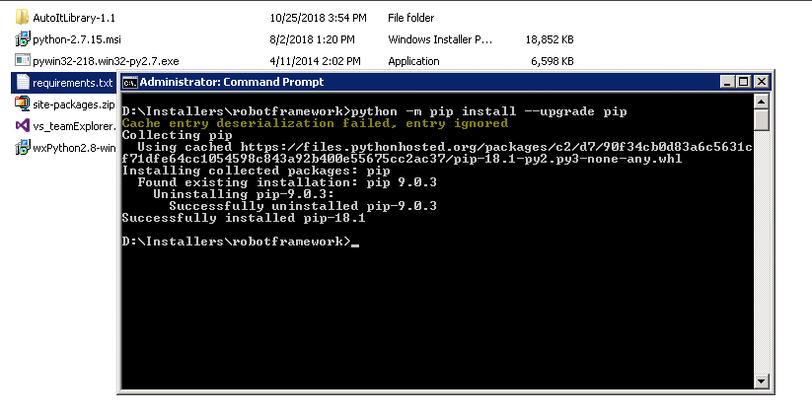

6 | Go to folder location of requirements.txt
 | Enter pip install -r requirements.txt

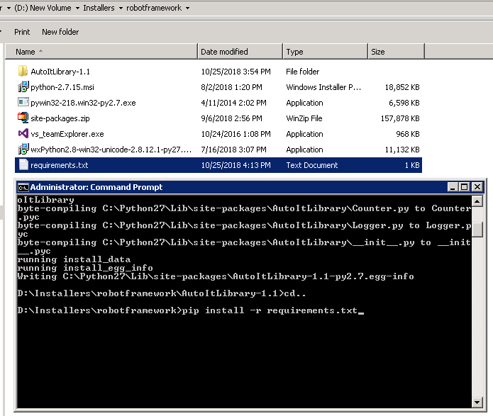

7 | Replace files of C:\Python27\Lib\site-packages\AutoItLibrary\lib with files from C:\Python27\Lib\site-packages\autoit\lib

