Terminology
Dataset terminology |  |  |  |  |  |  | Data Tables Legend: - Required information in RED - Primary key in GREEN - Foreign (linkage) key in BLUE
Experiment | Any field experiment. May include multiple sites or seasons.
Treatment | Describes a unique controlled management defined by the experimental factors
Replicate | Multiple instances of the same treatment for a single site and experiment. Replicates usually correspond to blocks in field trials unless a fully-randomized design is used.

Sites vs Fields vs Plots (example)

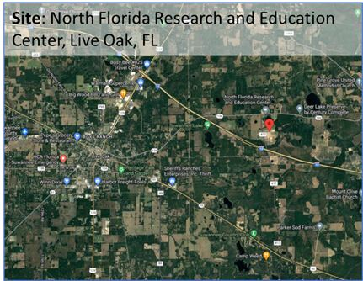
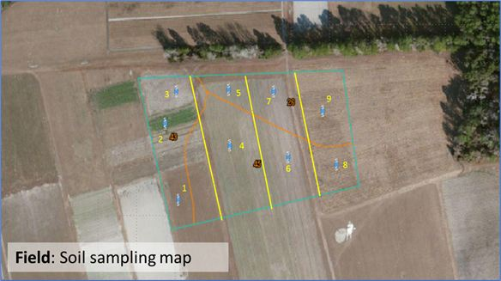
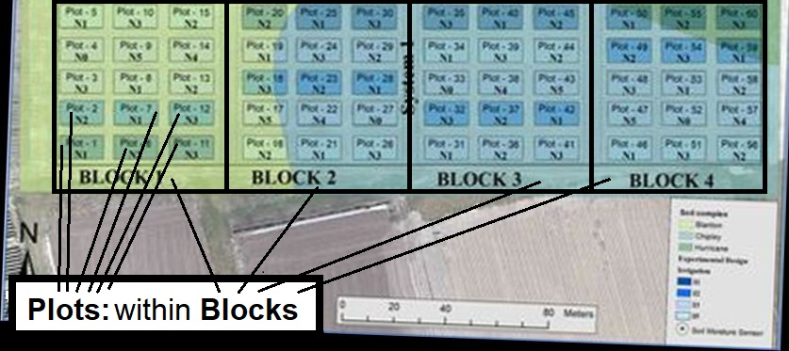

Sites | General location of an experiment |  |  |  | Fields | Specific location of an experiment or an area within an experiment that is judged to have uniform soil and weather condtions. |  | Plots | Location within a field.
 | An experiment or dataset may have multiple sites such as for a coordinated series of field trials across a region. |  |  |  |  | Associated with weather station and soil properties |  |  | Usually, the smallest unit within an experiment and corresponding to measurements are made for a single treatment and replicate (block). Thus for an experiment in a single field, the total number of plots equals the product of treatments and replicates.
 | May use a single site in multiple experiments |  |  |  |  | An experiment may have one or more fields to accommodate variation in soils or less frequently, weather/microclimate. |  |  | Observation data are associated with plots

The examples below further illustrate the relationship between sites, fields, and plots.
Examples:
# sites | # fields | # treatments | # reps | # plots | Description
1 | 1 | 6 | 3 | 18 | One site with a single weather station and one soil type. The number of plots is equal to treatments x reps
2 | 2 | 6 | 3 | 36 | Two sites, each with a single soil type and weather station. The number of plots is equal to sites x treatments, x reps. Each plot is associated with one of the fields.
2 | 8 | 6 | 3 | 36 | Two sites, each with 4 soil types and 1 weather station per field. The number of plots is equal to sites x treatments, x reps. Each plot is associated with a field (i.e., a weather station and soil type).
1 | 18 | 6 | 3 | 18 | One site. Each plot has separate analysis of soil properties. There is a one-to-one relationship between fields and plots.

Ref. Floridan Aquifer Collaborative Engagement for Sustainability (FACETS) - Field trial data from Live Oak, Florida: ARDN products. Ag Data Commons. https://data.nal.usda.gov/dataset/floridan-aquifer-collaborative-engagement-sustainability-facets-field-trial-data-live-oak-florida-ardn-products. Accessed 2023-03-28.

