Overview
Testing Guide for the Climatiq API

There are different ways to test the Climatiq API. The right option depends on your assessment criteria and the depth of your technical capabilities. While the interactive demos offer a quick way to get a feel for Climatiq's capabilities, more advanced options, such as the Postman Collection, enable more thorough testing.

Demos | Excel Add-In | Postman Collection | Python Scripts
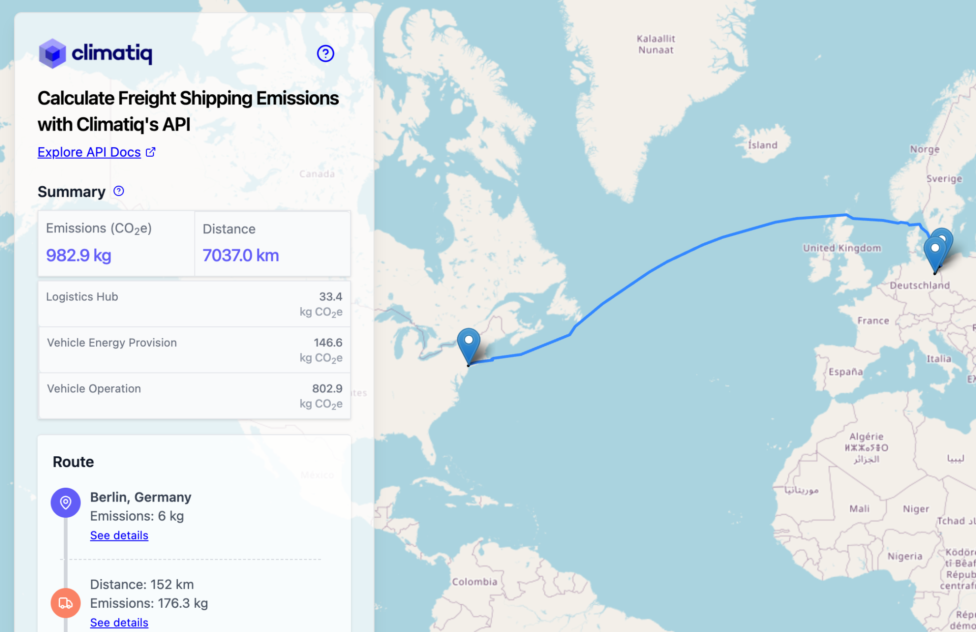 | 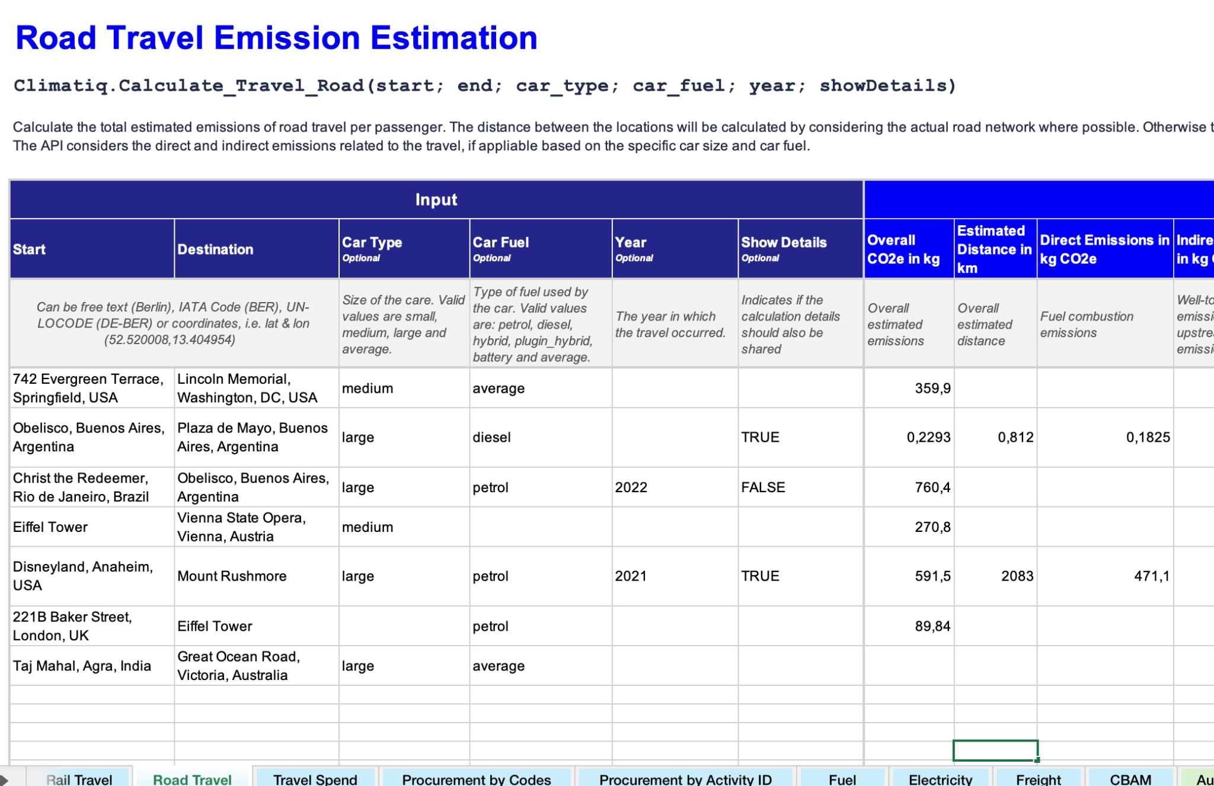 | 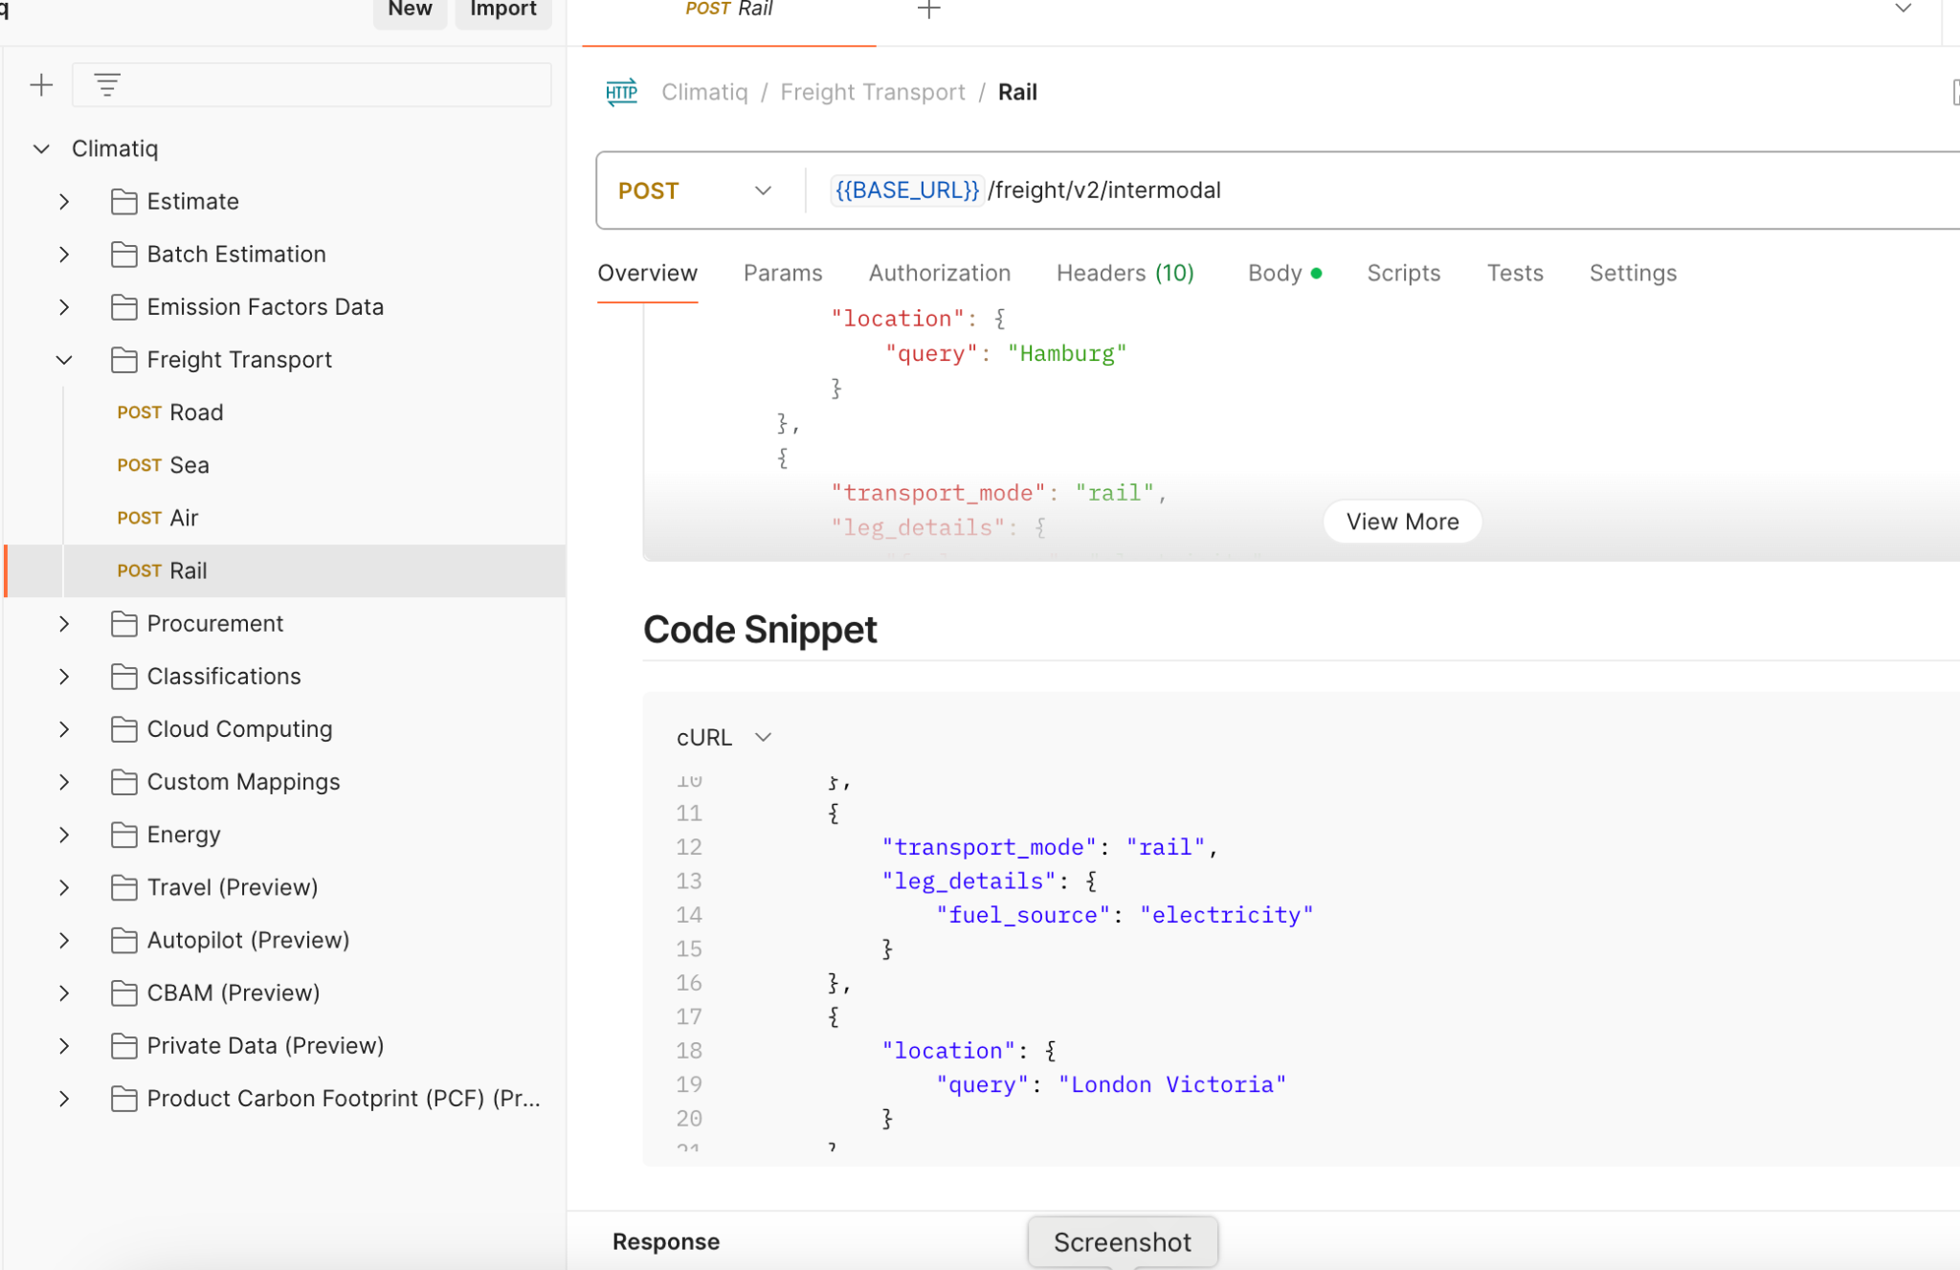 | 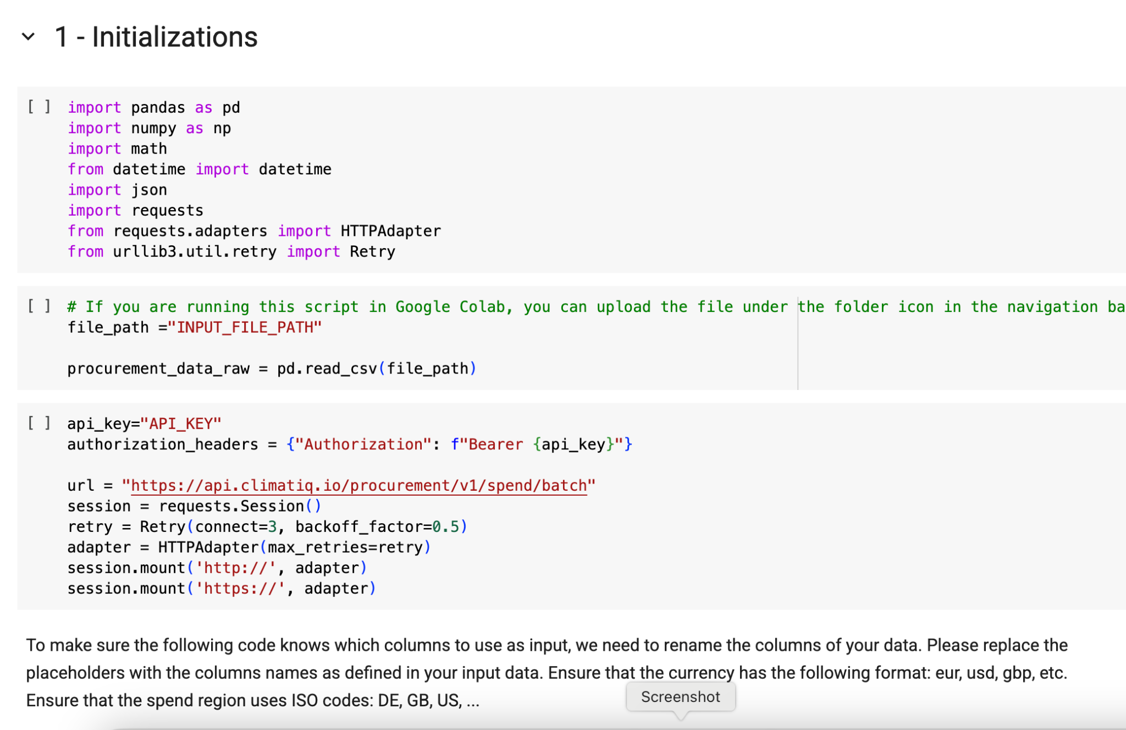
Web-based, interactive demos, which provide simplified, visual representations of API capabilities. No installations or set-up required. | User-friendly tool integrated within Excel for performing emissions calculations leveraging Climatiq's API without technical scripting. Offers a simplified entry to the API and its capabilities. | Pre-defined, customizable API requests through Postman, a dedicated API testing platform. Suitable for detailed and technical evaluation of Climatiq's API. | Scripts provided or custom-built in Python, suitable for extensive automated testing, data-intensive operations, and large-scale batch processing.
Try the Intermodal Freight demo | Learn about the Excel Add-In | Get started with the Collection | Check out our scripts on GitHub
Explore our Emission Factor database
Find the best emission factors using AI
Best for Testing
General usability High-level capabilities Data schema and coverage | Data coverage and completeness Consistency Granularity Auditability Error handling and robustness | Data coverage and completeness Consistency Granularity Auditability Error handling and robustness | Scalability Performance Large-scale data handling
Requirements
None | Microsoft Excel installed or accessible online | Comfortable navigating JSON objects | Deep technical expertise
Effort
Very Low | Medium | Medium | High

Common Assessment Criteria

Methodology | User Friendliness | Technology
Data Coverage and Completeness | Usability | Error Handling and Robustness
Assess the emission factor availability to ensure Climatiq has comprehensive coverage across various sectors (transportation, energy, industry, agriculture, waste) as well as the geographical coverage. | Evaluate how the API handles different input formats and varying levels of data detail. Evaluate the completeness and clarity of documentation and examples provided for different use cases. | Test API responses to incomplete, incorrect, or out-of-range data inputs, both on a syntax as well as semantic level. Evaluate clarity and usefulness of API error messages to aid debugging.

Granularity | Auditability | Performance and Scalability
Evaluate the level of granularity in emission calculations (e.g., facility-level vs. country-level) | See if you can easily trace back emissions results to original data sources or underlying calculation methodologies. | Test API response speed under various conditions, including high-volume requests. Verify the API's ability to handle large-scale data processing efficiently without errors or delays.

Consistency | Data Coverage | Database Schema
Confirm the same inputs consistently yield identical outputs across repeated API calls. | To evaluate if the emission factors available to make calculations fits your needs, evaluate the available datasets list. Additionally, read our data methodology. | Assess whether the emission factor normalization structure in our Data Explorer matches your criteria for filtering and querying for relevant emission factors.

Emission Factor Data
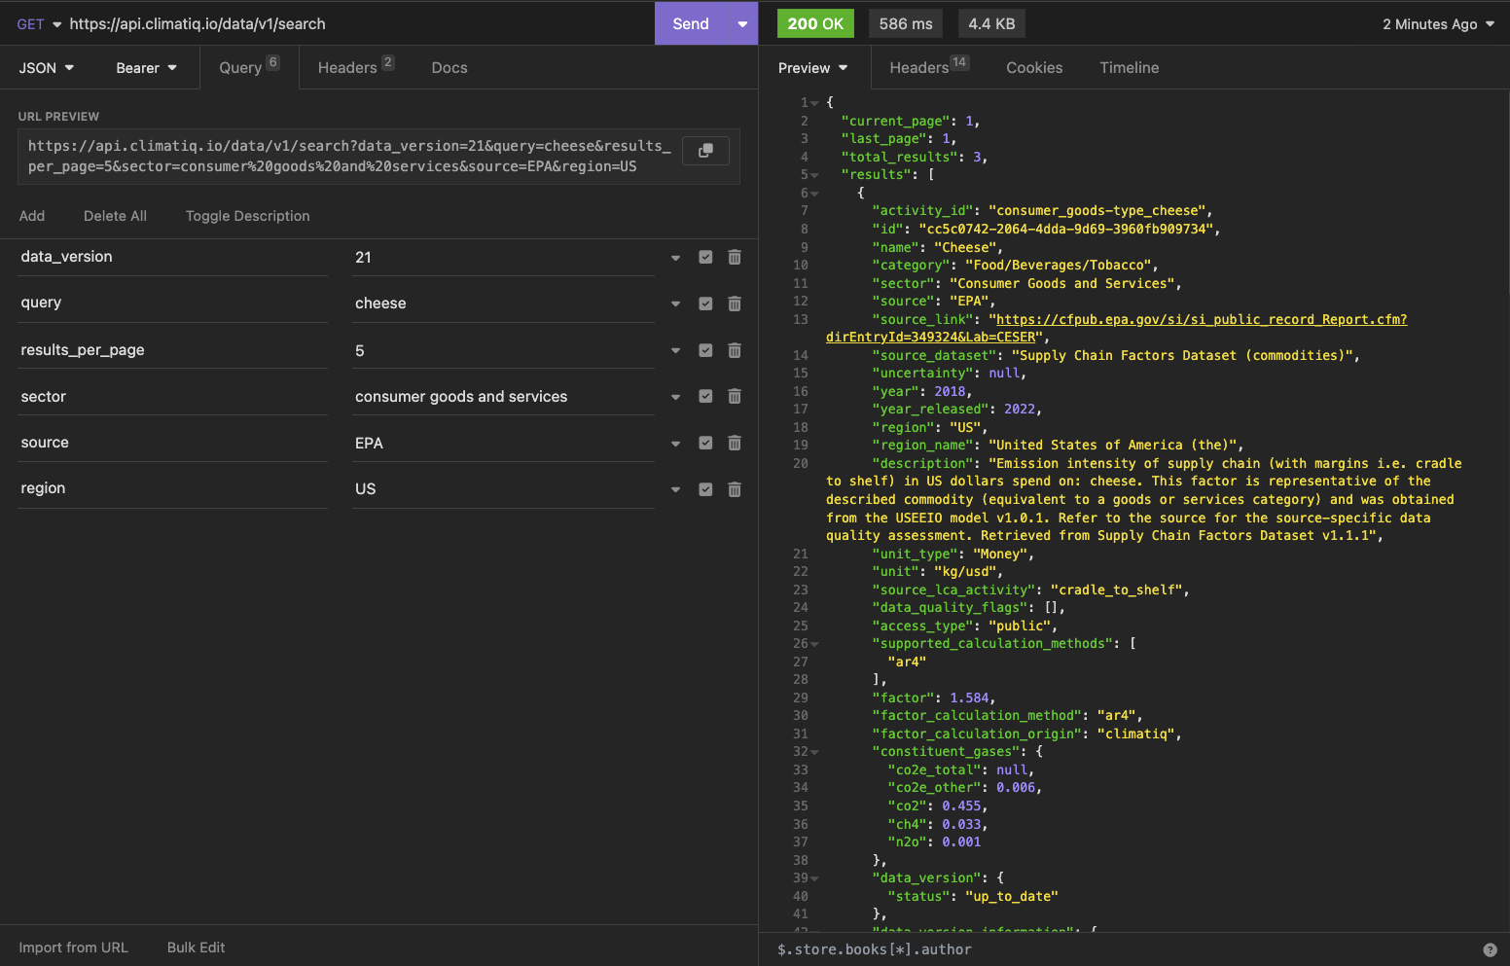
Climatiq's Emission Factor Database
Full API Documentation | Methodology Overview

Emission factor database overview
Climatiq offers the world's most comprehensive emission factor database, aggregating over 80 datasets from 40+ sources, covering 300+ regions and 16+ economic sectors.
You can browse available emission factors and sources via our Data Explorer and review global coverage through our interactive map:
Data sources | Data Explorer | Interactive coverage map

Searching emission factors
When searching in the Data Explorer you can filter on the left hand side based on your criteria, which will return a subset of relevant emission factors. The search uses fuzzy matching, which means it matches not just exact terms, but also related terms or partial matches, helping you find relevant emission factors even if your input isn't exact.⁠
Detailed view on sample data
Below are examples of some search requests you could make, all demonstrating how the API deals with different types of input combinations. You can use these inputs in the Excel Add-In, Postman Collection and in your own Python Scripts.
To see all the different search filtering possibilities, have a look at the "Request" table of parameters in our Search Documentation:
Search API reference

For the "Sector" and "Category" filters, please use the same options as displayed in the drop downs of our data explorer.

Input |  |  |  |  |  |  |  |  | Processing | Output
Query | Number of Results | Sector | Category | Source | Region | Year | Unit Type | LCA Stage | API Request Code | Emission Factor Matches | Analysis
 |  | Materials and Manufacturing | Building Materials, Metals |  |  |  | Weight |  | curl --request GET \ --url 'https://api.climatiq.io/data/v1/search?data_version=21&sector=materials%20and%20manufacturing&category=building%20materials,metals&unit_type=Weight' \ --header "Authorization: Bearer $CLIMATIQ_API_KEY" \ | 8000+ matches as of May 2025. | When filtering for data within the Materials and Manufacturing sector, specifically for building materials and metals in Weight unit types, you will get a subset over 8000+ emission factors as of May 2025 from our Data Explorer.
 |  | Energy |  |  | DE |  |  |  | curl --request GET \ --url 'https://api.climatiq.io/data/v1/search?data_version=21&sector=energy&region=DE' \ --header "Authorization: Bearer $CLIMATIQ_API_KEY" \ | 500+ matches as of May 2025. | When searching with this criteria, strictly a subset of emission factors within the "Energy" sector in Germany will be displayed.
consulting |  |  |  |  |  |  | Money |  | curl --request GET \ --url 'https://api.climatiq.io/data/v1/search?data_version=21&query=consulting&unit_type=Money' \ --header "Authorization: Bearer $CLIMATIQ_API_KEY" \ | 100+ results as of May 2025. | The search query "consulting" of type "Money" will show only spend-based factors relating to the payment of consulting related activities. As of May 2025, Climatiq's data explorer has roughly 100 emission factors that meet this criteria.
cheese | 5 | Consumer Goods and Services |  | EPA | US |  |  |  | curl --request GET \ --url 'https://api.climatiq.io/data/v1/search?query=cheese&data_version=^21&results_per_page=5&sector=consumer+goods+and+services&source=EPA&region=US' \ --header "Authorization: Bearer $CLIMATIQ_API_KEY" \ | consumer_goods-type_cheese | The primary emission factor match returned by the Search feature for "cheese" is 3 results under the activity "consumer_goods-type_cheese" by EPA, applicable for the region US. There are 3 variations of the factor returned, each from the years 2022, 2023 and 2024. The Search endpoint will also specify the LCA stage (in this case, cradle to shelf), the raw emission factor, calculation methodology, constituent gas breakdown and other relevant information.
aluminium | 2 |  | Metals | EXIOBASE |  |  | Money |  | curl --request GET \ --url 'https://api.climatiq.io/data/v1/search?query=aluminium&data_version=^21&results_per_page=2&category=metals&source=EXIOBASE&unit_type=money' \ --header "Authorization: Bearer $CLIMATIQ_API_KEY" \ | metals-type_aluminium_and_aluminium_products | In the search request, 2 results were specified, so 2 emission factors were returned by EXIOBASE for aluminium in category Metals. One factor applies for the region code AT, and the other for AU.
polypropylene | 7 |  |  |  |  |  |  |  | curl --request GET \ --url 'https://api.climatiq.io/data/v1/search?query=Polypropylene&data_version=^21&results_per_page=7' \ --header "Authorization: Bearer $CLIMATIQ_API_KEY" \ | plastics_rubber-type_chimney_polypropylene plastics_rubber-type_polypropylene_pipe chemicals-type_polypropylene_granulate_market_for_polypropylene_granulate chemicals-type_polypropylene_granulate_polypropylene_production_granulate chemicals-type_polypropylene_granulate_polypropylene_production_granulate textiles-type_textile_nonwoven_polypropylene_market_for_textile_nonwoven_polypropylene textiles-type_textile_nonwoven_polypropylene_textile_production_nonwoven_polypropylene_spunbond | In this search, 7 results were queried for polypropylene, with loose search filter criteria. 5/7 of the sources returned are by ecoinvent, and the other 2 are by OEKOBAUDAT with the LCA stage cradle to gate. You will also observe that the ecoinvent co2e total value will be empty or null, as access to ecoinvent raw emission factors is not possible. The unit for these factors are also Weight based in kg, with regions varying from DE, to the EU and even India (IN).
cement | 5 |  |  |  | DE |  |  |  | curl --request GET \ --url 'https://api.climatiq.io/data/v1/search?query=cement&data_version=^21&results_per_page=5&region=DE' \ --header "Authorization: Bearer $CLIMATIQ_API_KEY" \ | building_materials-type_cement building_materials-type_cement_bound_particle_board building_materials-type_cement_cem_ii_32.5 building_materials-type_cement_cem_ii_42.5 building_materials-type_cement_cem_ii_52.5 | For 5 search results for cement in Germany, we get factors mostly from OEKOBAUDAT, since this is a German data source, and one from GEMIS. Multiple LCAs are covered, with options from cradle-to-gate, carbon_storage-cradle_to_gate and upstream-use_phase-transport. GEMIS provides the full constituent gas breakdown, while OEKOBAUDAT just provides the raw co2e value.

Additional sample data
For more extensive testing, you can find additional input data here. Of course you can also come up with your own inputs!

Input
Query | Number of Results | Sector | Category | Source | Region | Year | Unit Type | LCA Stage
 |  | Energy
 |  | Education |  | OpenIO-Canada
plastics |  |  |  |  | UK
polystyrene |  |  |  |  |  |  | Weight
 |  | Buildings and Infrastructure | construction
 |  | Information and Communication |  |  |  | 2022 | Money
cement |  |  |  |  | DE
 |  | Insurance and Financial Services |  |  | IN
 |  | Waste |  |  |  |  |  | cradle_to_gate
 |  |  | Ceramic goods
wheat |  |  | arable farming
 |  | transport | road freight |  |  | 2023
 | 10000 |  |  | EPA
steel |  |  |  |  | IN
PVC
 |  | Energy | Electricity |  |  | 2025
 |  | insurance and financial services |  |  |  |  | Money
 |  |  |  | EXIOBASE
Machinery |  |  |  |  |  |  | Money
 | 500 |  | building materials |  |  | 2024

Searching for factors in Excel
Searching via the Excel integration is also an easy and convenient way to get started with Climatiq's Excel add-in.
If you haven't already, you can follow the Excel set-up steps:
Get started with Excel

Below is an example of the results you can get from searching within Excel:
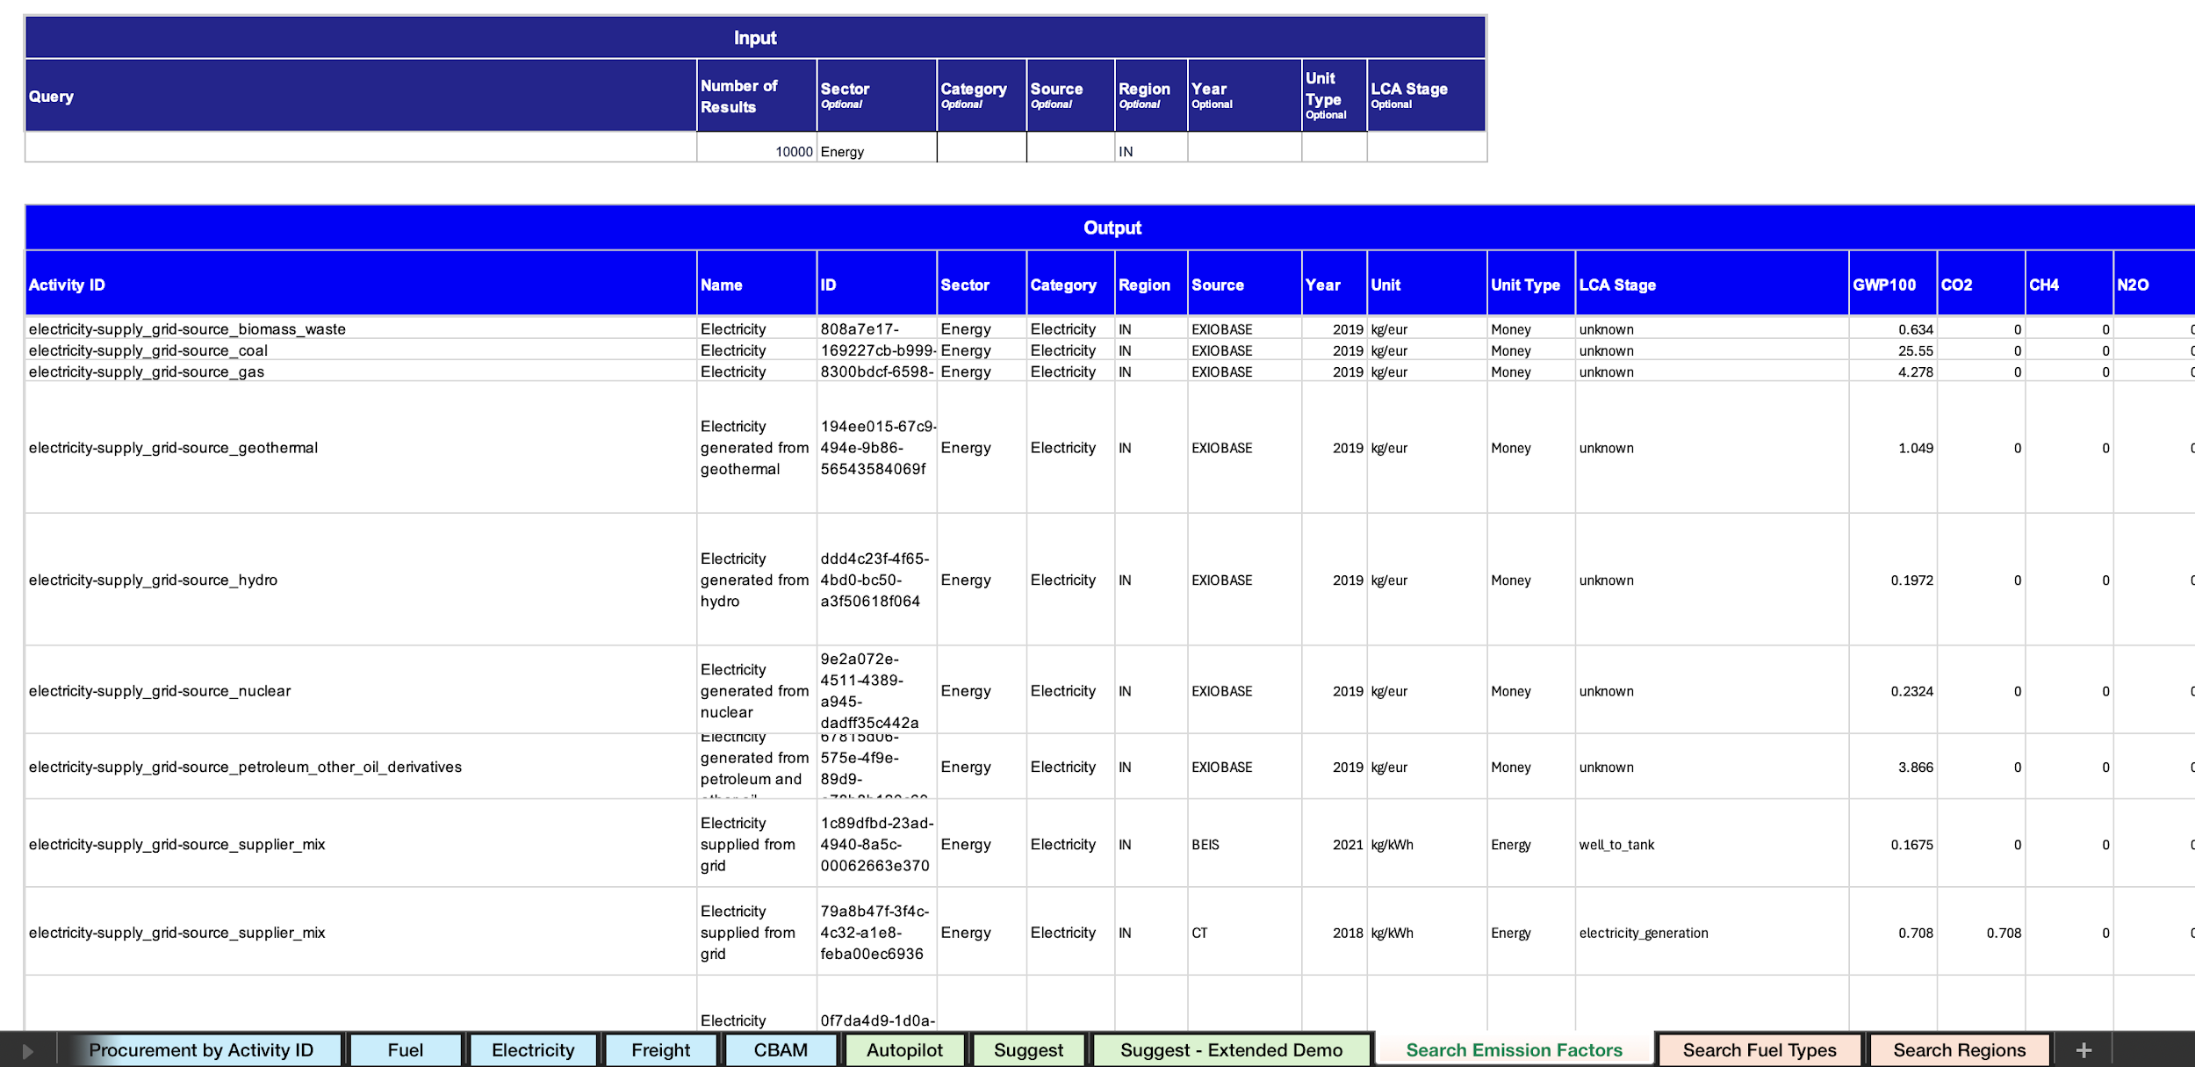

Constructing an API request
Depending on the search criteria, the API request will look different. For searching, you will need to make a GET request using the url:
https://api.climatiq.io/data/v1/search

For example, if using terminal: curl --request GET \ --url 'https://api.climatiq.io/data/v1/search?query=cheese&data_version=^21&results_per_page=5&sector=consumer+goods+and+services&source=EPA&region=US' \ --header "Authorization: Bearer $CLIMATIQ_API_KEY" \

Alternatively, to define variables more clearly and avoid filtering using parameters in the URL string, download Insomnia REST API tester to easily send Search requests:
Download Insomnia

Here is an example of how the same code snippet would look in Insomnia's interface:

