Inner bottom
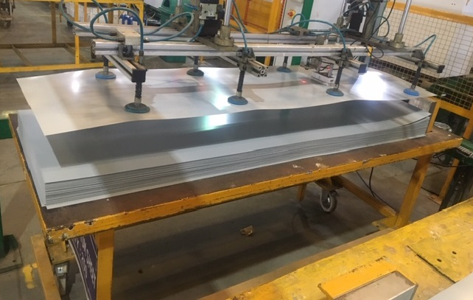 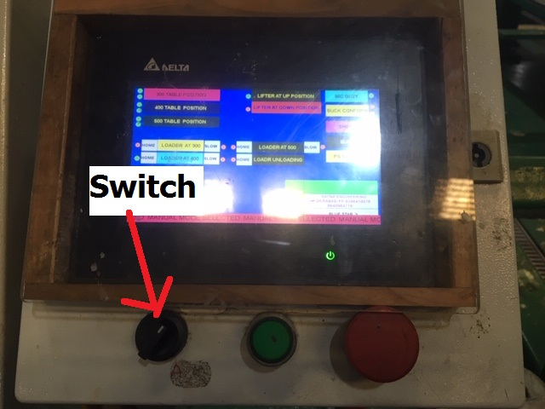 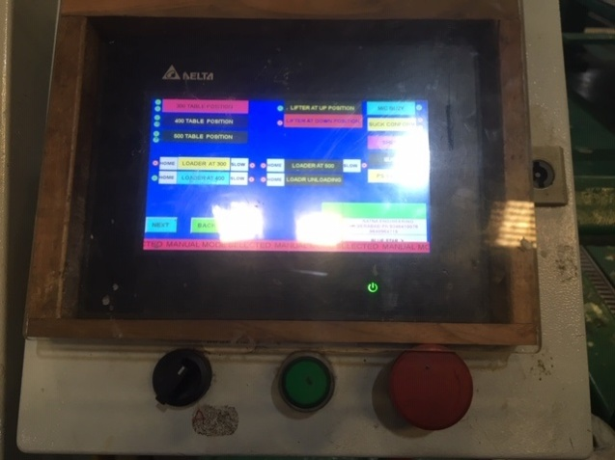 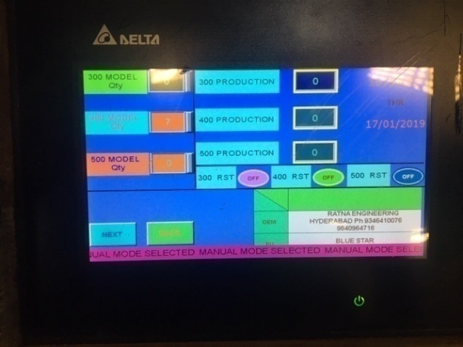 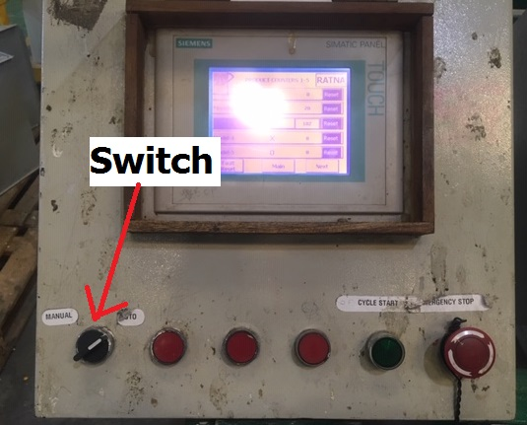 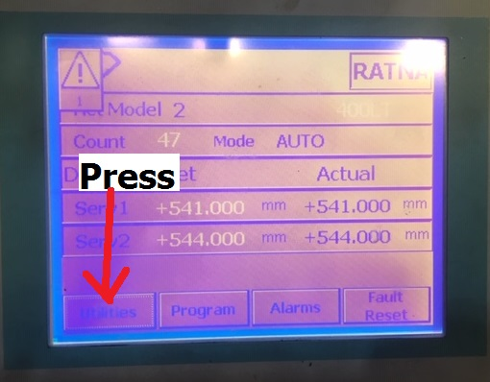 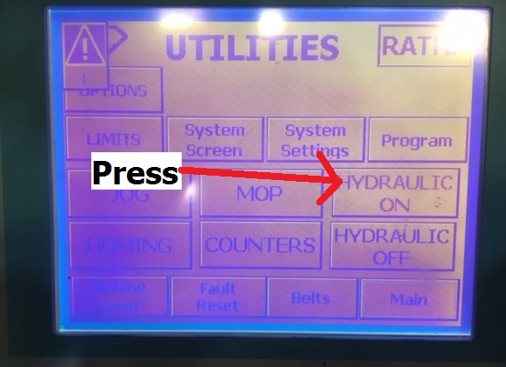 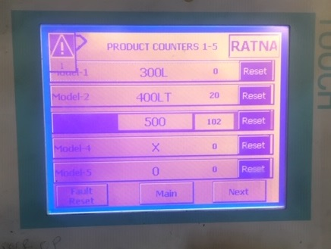 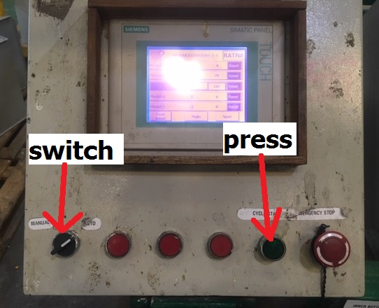 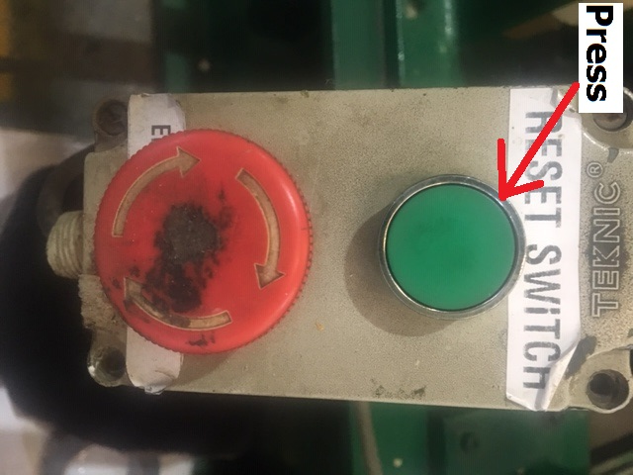 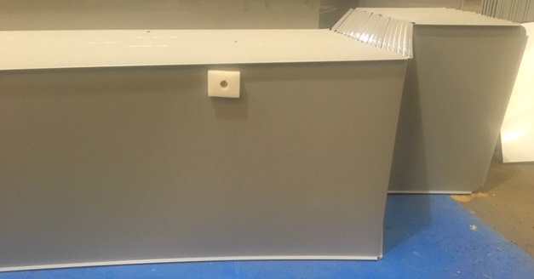

PICTURE : 1
PICTURE : 2
PICTURE : 3
PICTURE : 4
PICTURE : 5
PICTURE : 6

PICTURE : 7
PICTURE : 8
PICTURE : 9
PICTURE : 10
PICTURE : 11
PICTURE : 12
Work Instructions / SOP
1. Switch on the main control panel to start machine. |  |  | 9. Select counter on screen and reset yesterday production quantity as shown in picture - 9.
2. Place trolley of sheet properly and check position of the sheet on trolley as shown in picture - 1. |  |  | 10. Change switch to auto and press cycle start button as shown in picture - 10.
3. Go to HMI-1 and change switch position to manual from auto mode as shown in picture - 2. |  |  | 11. After completion of all processes lift the sheet carefully and apply foam tape on sheet as shown in picture - 11.
4. Select loader forward on screen and wait for P&P to come under the machine conveyor as shown in picture-3. |  |  | 12. Place sheet properly in the trolley.
5. Enter the number of quantity of the model we want to produce as shown in picture - 4. |  |  | 13. Press reset button for next operation to get started as shown in picture - 12.
6. Select auto mode switch and press cycle start button as shown in picture - 5.
7. Go to HMI-2 ,change switch position to manual and select utility on main screen as shown in picture - 6&7.
8. Press hydraulic start button on screen as shown in picture - 8.

FIXTURES & HAND TOOLS: |  | Quality Check Points | Process Control Parameters: | CONTROLLED COPY |  |  | Approved | KJR
Item Code | Description | 1. All dimensions of the sheet should be as per drawing. | 1. Hydraulic pressure should be 50
Hand tool-1 | Vernier calliper | 2. There should not be any dent or scratch on the sheet. | kg/cm2. |  |  |  | Checked | SGP/JNP
 | (Brand:Mitutoyo & Model:CD-12"C)
Hand tool-2 | Calibrated measuring tape |  |  | 1 | 2019-02-12 |  | Prepared | RMP
 | (Brand:Freemans & Model:Prolok)
Hand tool-3 | Allen key |  |  | Mod/Rev | Date | Modification Details | Issue Date | As in footer
Consumables | Foam tape
 |  |  |  | Operation Description |  | INNER BOTTOM SPM
 |  | General Check Points
 |  | 1. Trolley should be properly located. |  | Stage No | 4 | Stage Description | FABRICATION
 |  | 2. Operator should wear gloves while lifting sheet from
 |  | machine. | Cycle Time - | Operation No | 7 | Part Description | Deep Freezer and Chest cooler

 |  |  | Manpower - 1 | PS/DF-500/SAS30/10 |  | BSL-AMD-PDFR-WI-09

Outer front rear
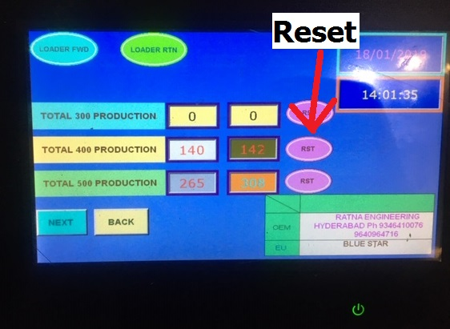 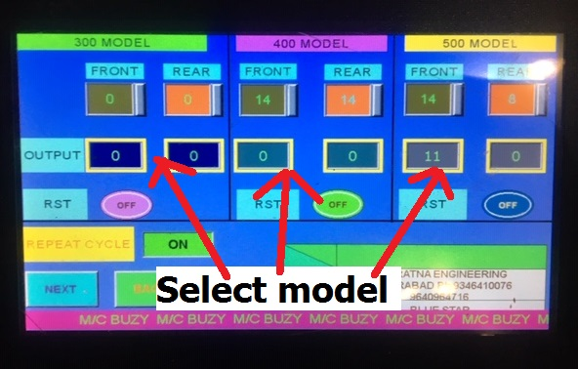 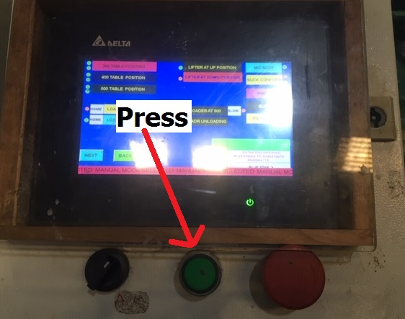 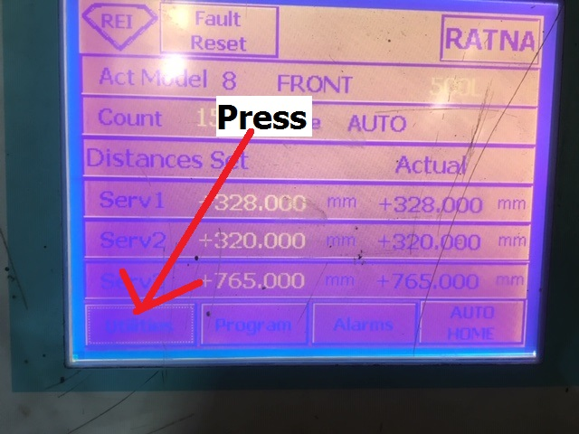 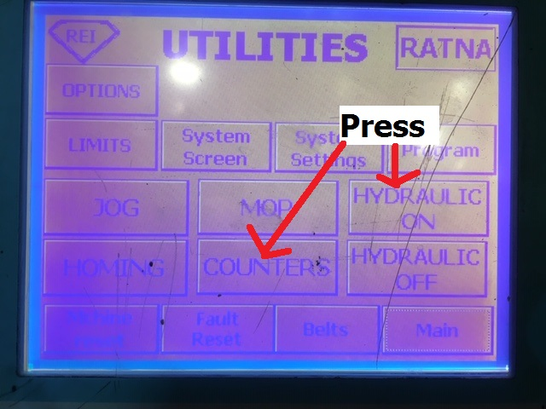 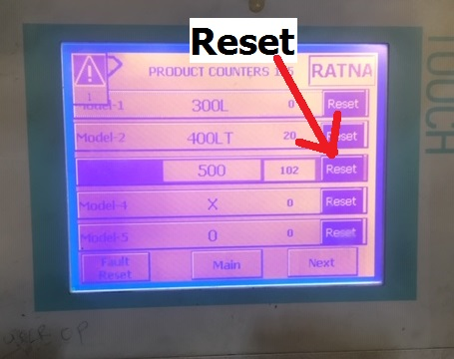 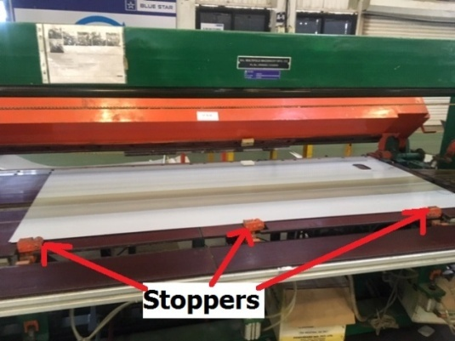 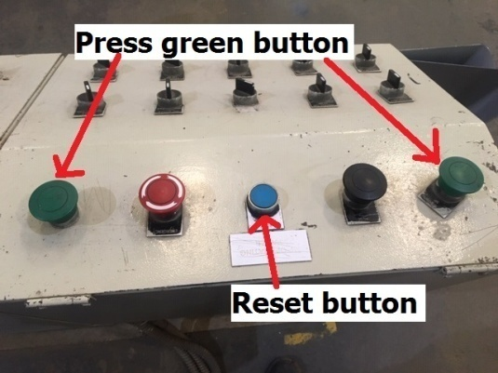 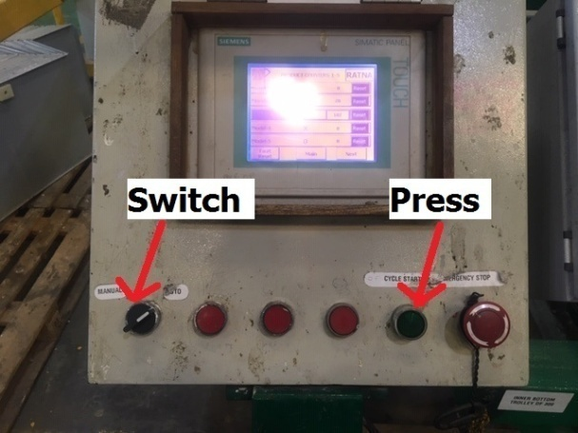 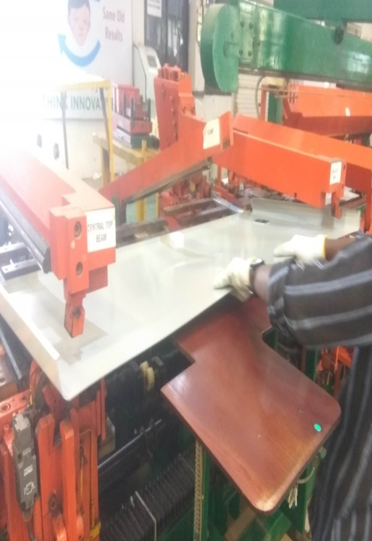 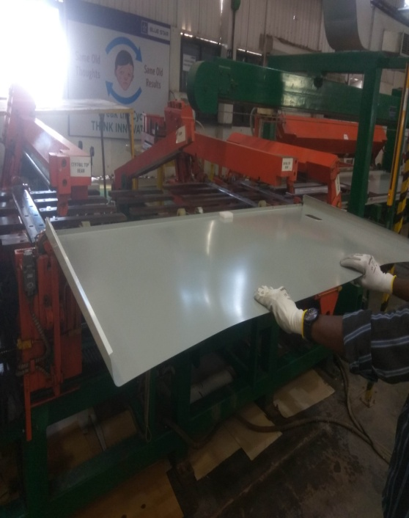 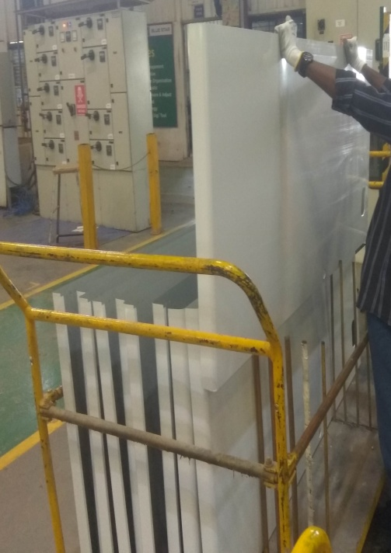 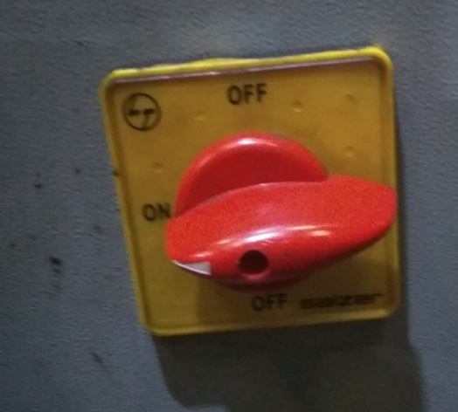 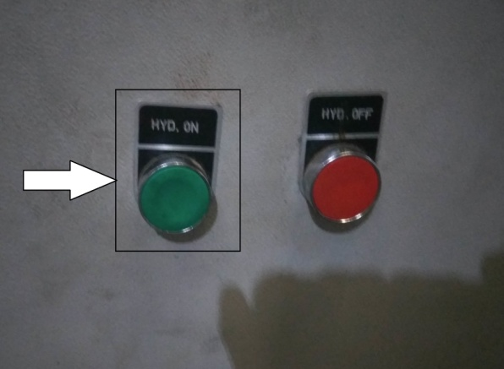 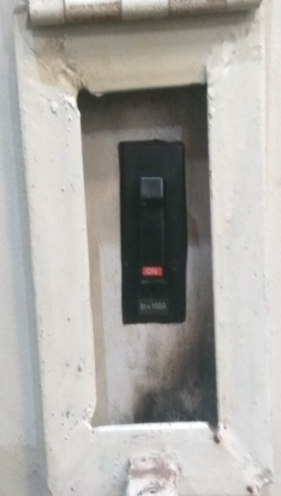

PICTURE : 1
PICTURE : 6
PICTURE : 7
PICTURE : 8
PICTURE : 9
PICTURE : 2
PICTURE : 3
PICTURE : 4
PICTURE : 5

PICTURE : 10
PICTURE : 11
PICTURE : 12
PICTURE : 14
PICTURE : 13
PICTURE : 15
PICTURE : 16
PICTURE : 17
PICTURE : 18
Work Instructions / SOP
1. Switch on the main control panel to start the machine as shown in picture 1. |  |  | 12. Switch to auto mode as shown in picture - 13.
2. Turn the Knob of main supply to ON side as shown in picture 2. |  |  | 13. Press cycle start button as shown in picture - 13.
3. Push Hydraulic ON button (picture 3), which is on the supply panel to start the hydraulic system. |  |  | 14. Place sheet properly with the help of stoppers as shown in picture - 14.
4. Place trolley of sheet properly and check position of the sheet on trolley as shown in picture - 4. |  |  | 15. Go on HMI-3 and press the reset button as shown in picture - 15.
5. Go to HMI-1 and change switch position to manual from auto mode as shown in picture - 5. |  |  | 16. Press the two green button as shown in picture - 15.
6. Reset the last day production as shown in picture - 6. |  |  | 17. After completion of operation, pull sheet from machine and put it on the attched surface as shown in picture
7. Select the model quantity and start the cycle as shown in picture - 7&8. |  |  | 16 and 17.
8. Go to HMI-2 and switch auto mode to manual mode as shown in picture - 9. |  |  | 18. Pick sheet from that attched surface and put it in the trolley as shown In picture 18.
9. Select auto home button for homing of machine. |  |  | 19. Repeat the same.
10. Select Utility on main screen and then select Hydraulic start on screen as shown in picture - 10&11.
11. Select counter on main screen and reset quantity of sheets as shown in picture - 12.
NOTE: Apply foam tape on front sheet at folding station.
FIXTURES & HAND TOOLS: |  | Quality Check Points | Process Control Parameters: | CONTROLLED COPY |  |  | Approved | KJR
Item Code | Description | 1. All dimensions of the sheet should be as per | 1. Hydraulic pressure should be 50
Hand tool-1 | Vernier calliper | drawing. | kg/cm2. |  |  |  | Checked | SGP/JNP
Hand tool-2 | Measuring tape | 2. There should not be any dent or scratch on the
 | (Brand:Freemans & Model:Prolok) | sheet. |  | 2 | 2019-07-26 |  | Prepared | RMP
Consumables | Foam tape
 |  |  |  | Mod/Rev | Date | Modification Details | Issue Date | As in footer

 |  |  |  | Operation Description |  | OUTER FRONT / REAR SPM
 |  | General Check Points
 |  | 1. Trolley should be properly located. |  | Stage No | 3 | Stage Description | FABRICATION
 |  | 2. Operator should wear gloves while lifting sheet
 |  | from machine. | Cycle Time - | Operation No | 6 | Part Description | Deep Freezer and Chest cooler

 |  |  | Manpower - 1 | PS/DF-500/SAS30/08 |  | BSL-AMD-PDFR-WI-04

Outer LH RH
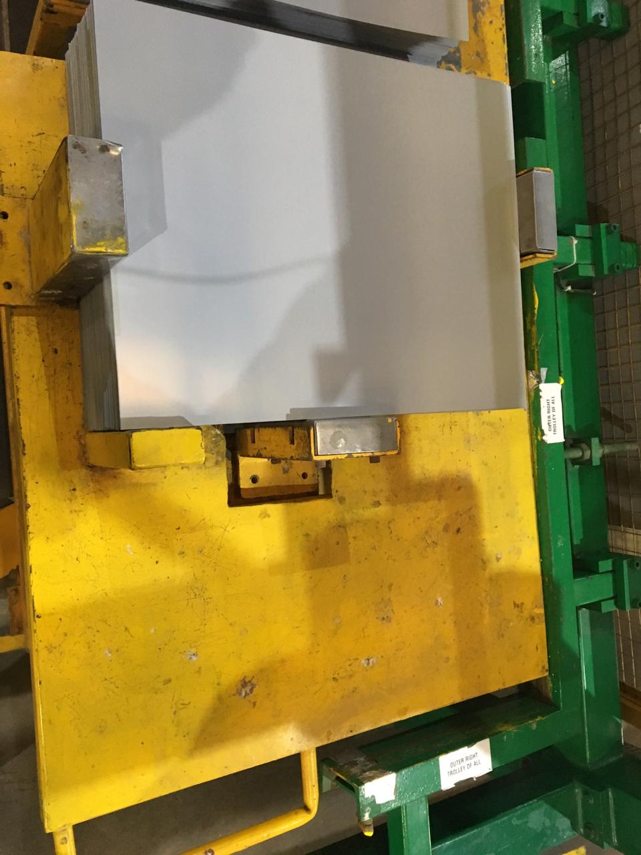 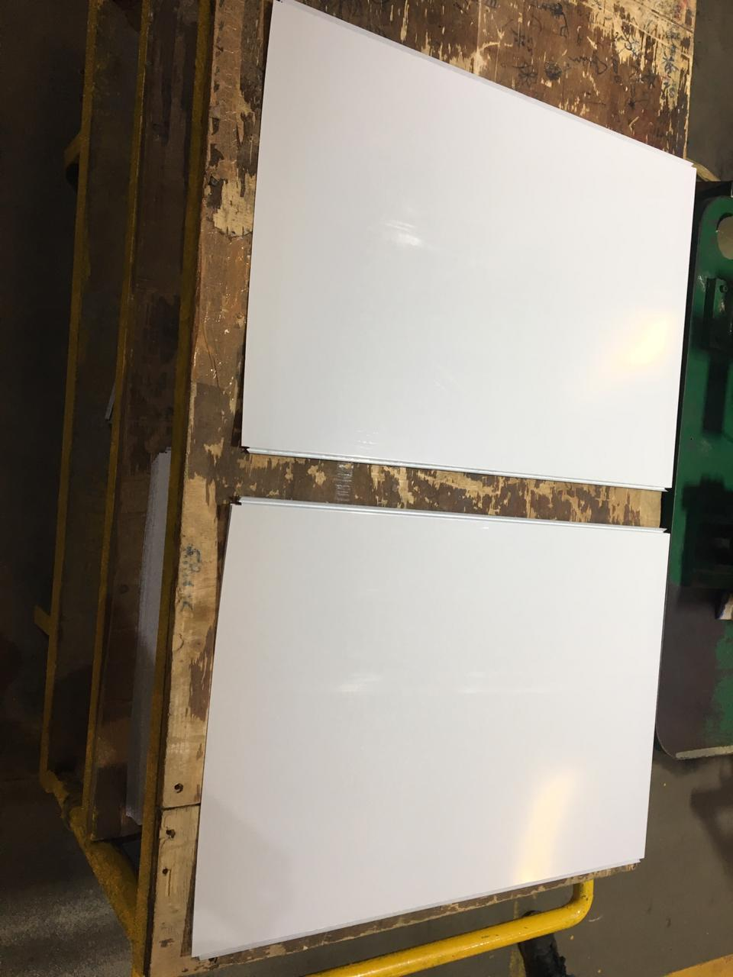 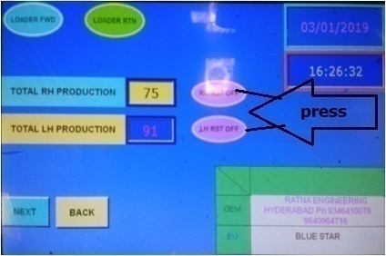 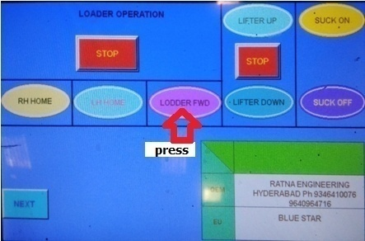 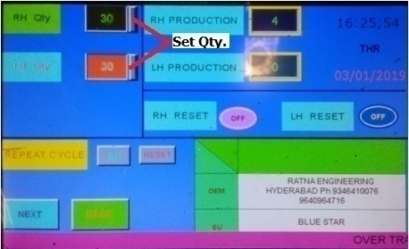 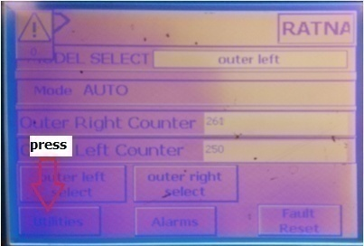 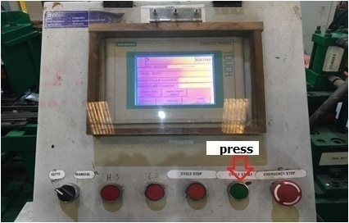 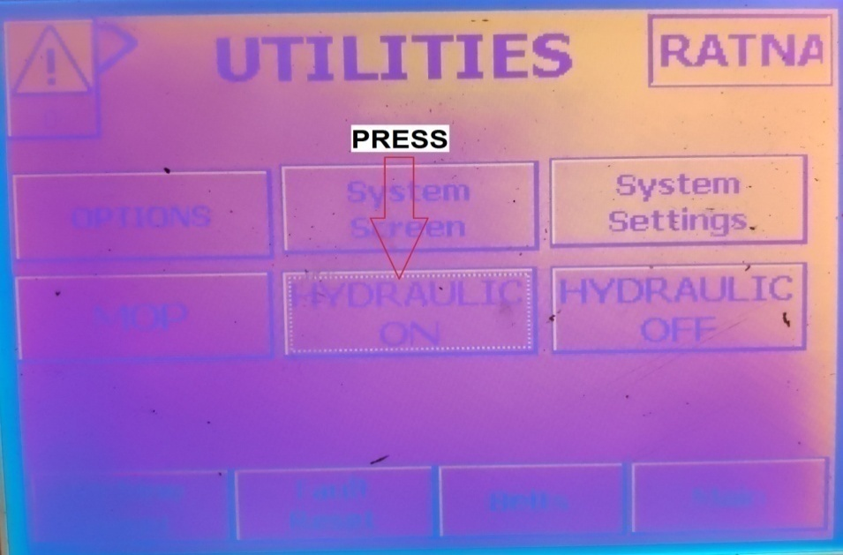

PICTURE : 2
PICTURE : 3
PICTURE : 4
PICTURE : 1

PICTURE : 5
PICTURE : 6
PICTURE : 7
PICTURE : 8
Work Instructions / SOP
1. Switch on the main control panel to start machine. |  |  | 8. Switch manual mode to auto mode and start cycle.
2. Place trolley of sheet properly and check position of the sheet on trolley as shown in picture - 1. |  |  | 9. Go to HMI-2 and select utility on main screen as shown in picture - 5.
3. Go to HMI-1 and change switch position to manual from auto mode and reset the LH/RH production as shown in picture 2. |  |  | 10. Press hydraulic start button on screen as shown in picture - 6.
in picture - 2. |  |  | 11. Reset yesterday production quantity on main screen.
4. Select loader forward on screen and wait for P&P to come at extreme left position in as shown in picture - 3. |  |  | 12. select cycle start button on HMI-2 as shown in picture - 7.
5. After that select LH home/RH home for homing of P&P. |  |  | 13. After completion of all processes lift the punched sheet and place it properly on trolley as shown in picture - 8.
6. Enter the number of quantity we want to produce as shown in picture - 4.
7. For continuous operation select Repeat cycle on screen.

FIXTURES & HAND TOOLS: |  | Quality Check Points | Process Control Parameters: | CONTROLLED COPY |  |  | Approved | KJR
Item Code | Description | 1. All dimensions of the sheet should be as per drawing. | 1. Hydraulic pressure should be 50
Hand tool-1 | Vernier calliper | 2. There should not be any dent or scratch on the sheet. | kg/cm2. |  |  |  | Checked | SGP/JNP
Hand tool-2 | Calibrated measuring tape
 | (Brand:Freemans & Model:Prolok) |  |  | 1 | 2018-02-18 |  | Prepared | RMP

 |  |  |  | Mod/Rev | Date | Modification Details | Issue Date | As in footer

 |  |  |  | Operation Description |  | OUTER LH RH SPM
 |  | General Check Points
 |  | 1. Trolley should be properly located. |  | Stage No | 3 | Stage Description | FABRICATION
 |  | 2. Operator should wear gloves while lifting sheet from
 |  | machine. | Cycle Time - | Operation No | 5 | Part Description | Deep Freezer and Chest cooler

 |  |  | Manpower - 1 | PS/DF-500/SAS30/09 |  | BSL-AMD-PDFR-WI-06

