Q2
Row Labels | Sum of Expense (INR)
Entertainment | 1000
Shopping | 3500
Grand Total | 4500

Q4
Row Labels | Count of Date
Doctor and Medicine | 1
Entertainment | 4
Movie | 4
Food | 6
Grocery | 15
Miscellaneous | 1
Shopping | 2
Ticket and Bills | 4
Grand Total | 33

Q5.1
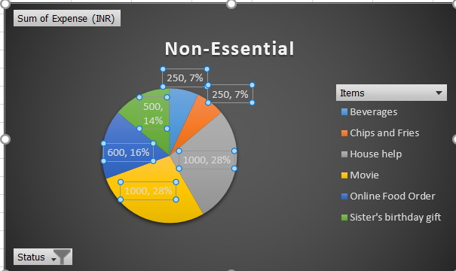
Sum of Expense (INR) | Column Labels
Row Labels | Essential | Grand Total
Bread and bakery | 500 | 500
Electricity bill | 370 | 370
Foodgrains and cereals | 1050 | 1050
Fruit | 650 | 650
Gas | 850 | 850
Mother's Medicine | 450 | 450
Oil and spices | 550 | 550
Railway monthly ticket | 350 | 350
Shoes | 1000 | 1000
Tshirt and Jeans | 2500 | 2500
Vegetables | 1690 | 1690
Grand Total | 9960 | 9960

