Invoice-Sep
INVOICE DEN Networks Limited. Registered Office: 236, Okhla Industrial Estate, Phase - lll, New Delhi - 110 020

Name | Akash Mittal |  |  | Inv No | 2018/9/5/323
Address | B -232 Lohiya Nagar Ghaziabad Near Gurudwara |  |  |  |  | 9
 |  |  |  | Date | 2018-09-05
S.No | Particulars |  |  |  | Amount

1 | Bill Period : | 02/08/2018 - 02/08/2018 |  |  | 2,200.00
 | Plan : | 10GBPS_MULT_SPLIT_CBLE_LES_SPCL_2.2K

2 | Bill Period : | 01/08/2018 - 01/08/2018
 | Plan : | FIXED_WLL_UNLTD_900 |  |  | 900

`

 |  |  | Gross Amount |  | 3,100
 |  |  |  |  | -
 |  |  |  |  | -
 |  |  |  |  | -
 |  |  | Net Amount |  | 3,100
Amount in Rs | Three Thousand One Hundered Only.

 |  |  |  |  | for DEN Network
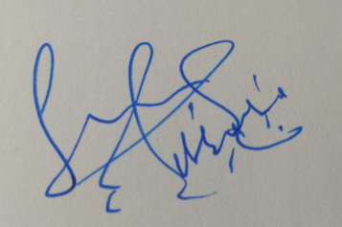 TERMS & CONDITIONS 1. All Complaints regarding this bill should be presented not later than 7 working days after the recepit of the bill. 2. Any legal disputes for the above will be referred to the Delhi Jurisdiction. 3. This is Computer Generated bill.

