Order form
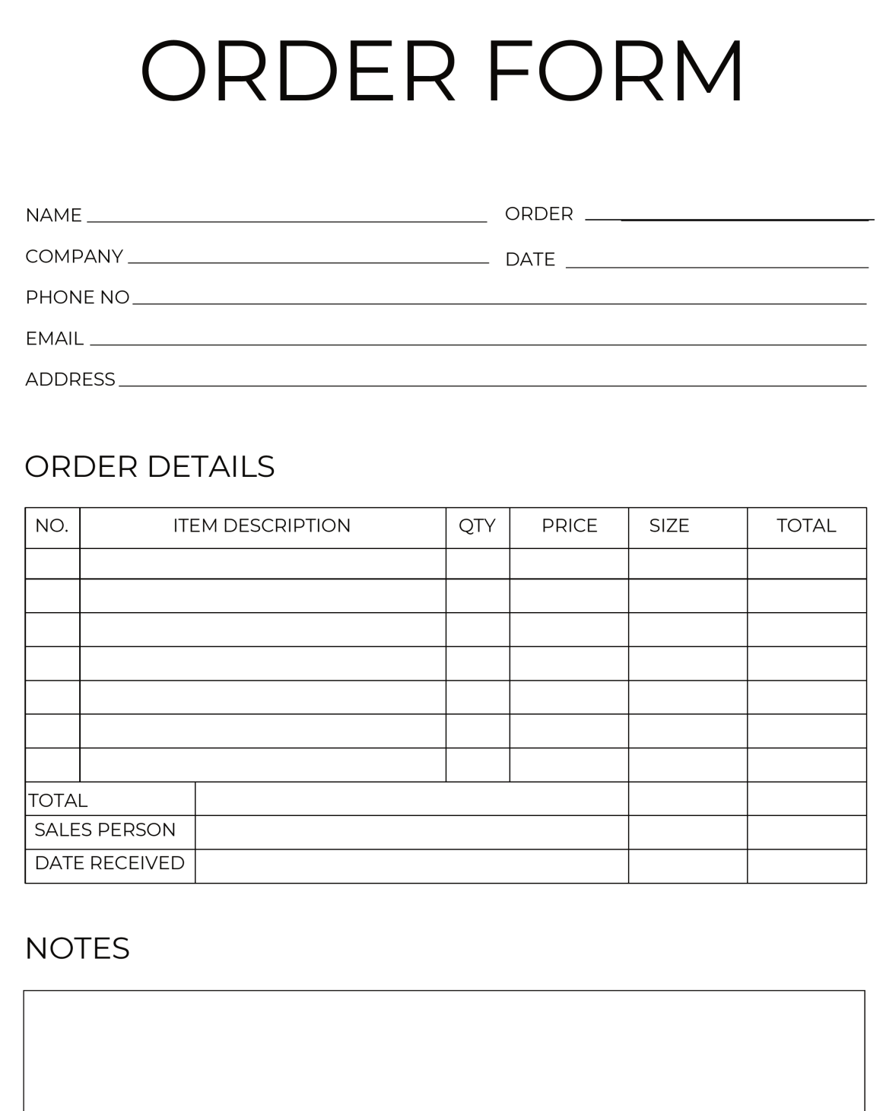

3rd Normal Diagram
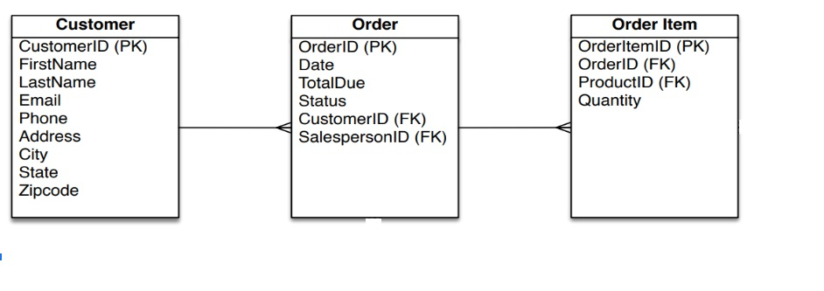

Rules: | Eliminate fields that do not depend on the primary key.

