CA SHEET-1
Note:- Rename this file with your section name followed by rollno (eg k22AB_01) and upload it on UMS

Employee Table |  |  |  |  |  | Q1. Find and fill the First Name and Last Name of the employee Using Formula?

Full Name | First Name | Last Name | Emp Id | Salary | Dept Id
John Petra | John | Petra | 101 | ₹ 10,000.00 | 1001
Kira Jones | Kira | Jones | 102 | ₹ 15,000.00 | 1002 | Q2. How would you automatically look up values? First Name and Salary should appear on L15 and N15, respectively, when searching for Emp Id on I15. Similarly, while searching for a Emp Id on I17, the salary should appear on L17 and the first name should appear on N17.
Jim Scott | Jim | Scott | 103 | ₹ 10,000.00 | 1003
Tom Baker | Tom | Baker | 104 | ₹ 20,000.00 | 1004
Alica Tomas | Alica | Tomas | 105 | ₹ 10,000.00 | 1005
Sarah Cross | Sarah | Cross | 106 | ₹ 15,000.00 | 1006
Khalid Hafiz | Khalid | Hafiz | 107 | ₹ 25,000.00 | 1007
Anzar Hussain | Anzar | ssain | 108 | ₹ 18,000.00 | 1008
Hashim Zahoor | Hashim | ahoor | 109 | ₹ 10,000.00 | 1009 | 101 |  |  | #N/A
War Rafeeq | War Ra | afeeq | 110 | ₹ 15,000.00 | 1010
 |  |  |  |  |  | 102 |  |  | #N/A |  | #N/A

Student Table (a) |  |  |  |  |  | Student Table (b)

S_NO | NAME | GENDER | CLASS | CATEGORY | FEES | S_NO | NAME | GENDER | CLASS | CATEGORY | FEES
1 | Deep | M | FY | Open | 3000 | 1 | Deep | M | FY | Open | 3000
2 | Jayesh | M | SY | Reserved | 10000 | 2 | Jayesh | M | SY | Reserved | 10000
3 | Yash | M | TY | Reserved | 1000 | 3 | Yash | M | TY | Reserved | 1000
4 | Sara | F | FY | Reserved | 7000 | 4 | Sara | F | FY | Reserved | 7000
5 | Gita | F | FY | Open | 3000 | 5 | Gita | F | FY | Open | 3000
6 | Jinal | F | TY | Open | 5000 | 6 | Jinal | F | TY | Open | 5000
7 | Kavita | F | SY | Open | 4000 | 7 | Kavita | F | SY | Open | 4000
8 | Minal | l | SY | Reserved | 1000 | 8 | Minal | F | SY | Reserved | 1000
9 | Karan | M | TY | Reserved | 1000 | 9 | Karan | M | TY | Reserved | 1000
10 | Abhay | M | TY | Open | 5000 | 10 | Abhay | M | TY | Open | 5000
11 | Bina | F | FY | Open | 3000 | 11 | Bina | F | FY | Open | 3000
12 | Seema | F | FY | Reserved | 7000 | 12 | Seema | F | FY | Reserved | 7000
13 | Naresh | M | FY | Reserved | 500 | 13 | Naresh | M | FY | Reserved | 500
14 | Rima | F | TY | Open | 5000 | 14 | Rima | F | TY | Open | 5000
15 | Gajendra | M | SY | Open | 4000 | 15 | Gajendra | M | SY | Open | 4000

Q3. a). Highlight the cells with "green fill with dark green text" from G22 to G36 where the fees is more than 4000. |  |  |  |  |  | Q3. b). Highlight the cells with "yellow fill with dark yellow text" from N22 to N36 where the fees is less than 4000.

Scenario : You have a Financial list with Total Amount 10000, Interest Rate 10% Yearly, and Duration 4 Months. How would you automatically calculate below given questions based on this given Data? Create the Financial Table for the given Data and then answer the below given questions

Q4. Determine the monthly PAYMENT REQUIRED to repay the entire amount in G54 to G57 within the specified time frame WITHOUT INCURRING INTEREST.

 |  |  |  | 1 | ₹ 809.29
 |  |  |  | 2 | ₹ 1,483.70
 |  |  |  | 3 | ₹ 2,720.12
 |  |  |  | 4 | ₹ 4,986.89

Q5. Determine the monthly INTEREST PAYMENT REQUIRED to repay the entire amount in G63 to G66 witin the specified time frame

 |  |  |  | 1 | ₹ 8,333.33
 |  |  |  | 2 | ₹ 7,658.92
 |  |  |  | 3 | ₹ 6,422.51
 |  |  |  | 4 | ₹ 4,155.74

Q6. ADD A NEW WORKSHEET TO THIS WORK BOOK AND NAME IT WITH YOUR ROOLNO [MANDATORY], CREATE THE SHEET GIVEN BELOW. BASED ON THE SHEET ANSWER THE QUESTIONS AND FILL DATA

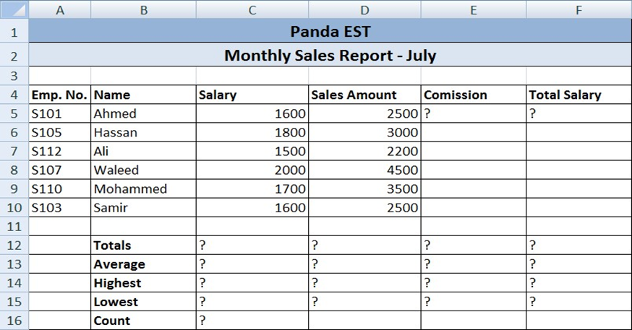
 |  |  |  |  |  | 6.1. Enter the formula to find COMMISSION for the first employee. The commission rate is 7% of sales, Copy the formula to the remaining employees.

 |  |  |  |  |  | 6.2. Enter the formula to find TOTAL SALARY for the employees?

 |  |  |  |  |  | 6.3. Enter formula to find TOTALS, AVERAGE, HIGHEST, LOWEST, and COUNT values.

 |  |  |  |  |  | 6.4. Align all column title labels horizontally and vertically at the center. Match the table design with Employee Table.

