insurance
age | sex | bmi | children | smoker | region | Insurance premium paid
64 | male | 24.7 | 1 | no | northwest | 30166.62
64 | female | 31.3 | 2 | yes | southwest | 47291.06 | ASSIGNMENT
64 | female | 39.3 | 0 | no | northeast | 14901.52 | Perform the following analysis on the given dataset:
64 | female | 33.8 | 1 | yes | southwest | 47928.03 | 1. Calculate the average premium for the customers.
64 | male | 34.5 | 0 | no | southwest | 13822.8 | Average Premium
64 | female | 30.1 | 3 | no | northwest | 16455.71 | 13270.422414
64 | male | 25.6 | 2 | no | southwest | 14988.43
64 | female | 33 | 0 | no | northwest | 14692.67 | 2. Highlight customers paying more than the average premium.
64 | male | 39.2 | 1 | no | southeast | 14418.28 | Using Conditional Formating -> Greater than -> Refer below image
64 | male | 33.9 | 0 | yes | southeast | 46889.26 | 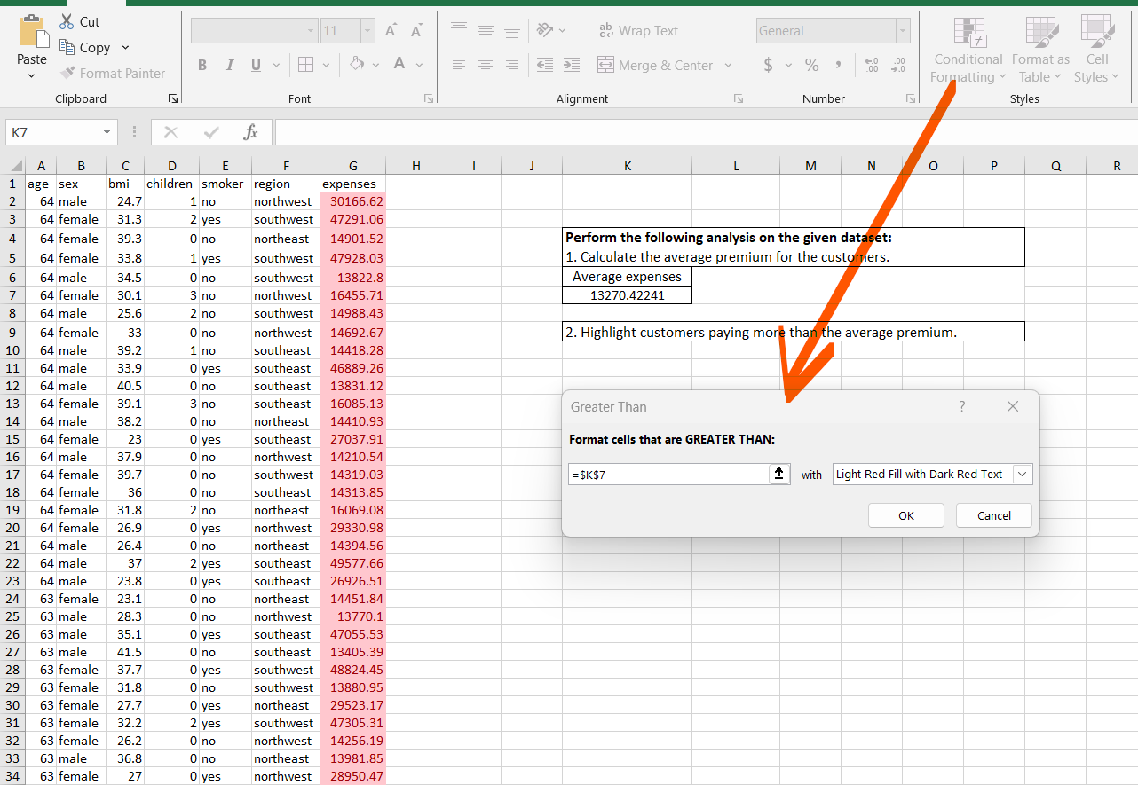
64 | male | 40.5 | 0 | no | southeast | 13831.12
64 | female | 39.1 | 3 | no | southeast | 16085.13
64 | male | 38.2 | 0 | no | northeast | 14410.93
64 | female | 23 | 0 | yes | southeast | 27037.91
64 | male | 37.9 | 0 | no | northwest | 14210.54
64 | female | 39.7 | 0 | no | southwest | 14319.03
64 | female | 36 | 0 | no | southeast | 14313.85
64 | female | 31.8 | 2 | no | northeast | 16069.08
64 | female | 26.9 | 0 | yes | northwest | 29330.98
64 | male | 26.4 | 0 | no | northeast | 14394.56
64 | male | 37 | 2 | yes | southeast | 49577.66
64 | male | 23.8 | 0 | yes | southeast | 26926.51
63 | female | 23.1 | 0 | no | northeast | 14451.84
63 | male | 28.3 | 0 | no | northwest | 13770.1
63 | male | 35.1 | 0 | yes | southeast | 47055.53
63 | male | 41.5 | 0 | no | southeast | 13405.39
63 | female | 37.7 | 0 | yes | southwest | 48824.45
63 | female | 31.8 | 0 | no | southwest | 13880.95
63 | female | 27.7 | 0 | yes | northeast | 29523.17
63 | female | 32.2 | 2 | yes | southwest | 47305.31
63 | female | 26.2 | 0 | no | northwest | 14256.19
63 | male | 36.8 | 0 | no | northeast | 13981.85
63 | female | 27 | 0 | yes | northwest | 28950.47
63 | male | 41.3 | 3 | no | northwest | 15555.19
63 | female | 36.3 | 0 | no | southeast | 13887.2
63 | male | 30.8 | 0 | no | southwest | 13390.56
63 | male | 33.1 | 0 | no | southwest | 13393.76
63 | male | 39.8 | 3 | no | southwest | 15170.07
63 | female | 35.2 | 1 | no | southeast | 14474.68
63 | female | 36.9 | 0 | no | southeast | 13887.97
63 | male | 21.7 | 1 | no | northwest | 14349.85
63 | male | 31.4 | 0 | no | northeast | 13974.46
63 | male | 33.7 | 3 | no | southeast | 15161.53
63 | female | 25.1 | 0 | no | northwest | 14254.61
63 | female | 21.7 | 0 | no | northeast | 14449.85
62 | female | 26.3 | 0 | yes | southeast | 27808.73
62 | female | 33 | 3 | no | northwest | 15612.19
62 | male | 27.6 | 1 | no | northwest | 13937.67
62 | male | 30 | 0 | no | northwest | 13352.1
62 | male | 31.5 | 1 | no | southeast | 27000.98
62 | female | 38.1 | 2 | no | northeast | 15230.32
62 | female | 39.2 | 0 | no | southwest | 13470.86
62 | female | 31.7 | 0 | no | northeast | 14043.48
62 | male | 21.4 | 0 | no | southwest | 12957.12
62 | female | 36.9 | 1 | no | northeast | 31620
62 | male | 32 | 0 | yes | northeast | 45710.21
62 | male | 37.4 | 0 | no | southwest | 12979.36
62 | female | 29.9 | 0 | no | southeast | 13457.96
62 | male | 32.1 | 0 | no | northeast | 13555
62 | female | 25 | 0 | no | southwest | 13451.12
62 | female | 33.2 | 0 | no | southwest | 13462.52
62 | female | 39.2 | 0 | no | southeast | 13470.8
62 | male | 39.9 | 0 | no | southeast | 12982.87
62 | female | 30.5 | 2 | no | northwest | 15019.76
62 | female | 32.7 | 0 | no | northwest | 13844.8
62 | male | 30.9 | 3 | yes | northwest | 46718.16
62 | male | 26.7 | 0 | yes | northeast | 28101.33
62 | male | 38.8 | 0 | no | southeast | 12981.35
61 | female | 39.1 | 2 | no | southwest | 14235.07
61 | female | 29.9 | 3 | yes | southeast | 30942.19
61 | female | 22 | 0 | no | northeast | 13616.36
61 | male | 31.6 | 0 | no | southeast | 12557.61
61 | female | 36.4 | 1 | yes | northeast | 48517.56
61 | female | 31.2 | 0 | no | northwest | 13429.04
61 | female | 21.1 | 0 | no | northwest | 13415.04
61 | male | 35.9 | 0 | yes | southeast | 46599.11
61 | male | 28.3 | 1 | yes | northwest | 28868.66
61 | female | 25.1 | 0 | no | southeast | 24513.09
61 | male | 43.4 | 0 | no | southwest | 12574.05
61 | female | 35.9 | 0 | no | northeast | 13635.64
61 | male | 33.9 | 0 | no | northeast | 13143.86
61 | male | 36.1 | 3 | no | southwest | 27941.29
61 | male | 32.3 | 2 | no | northwest | 14119.62
61 | male | 23.7 | 0 | no | northeast | 13129.6
61 | female | 44 | 0 | no | southwest | 13063.88
61 | female | 28.2 | 0 | no | southwest | 13041.92
61 | female | 33.3 | 4 | no | southeast | 36580.28
61 | male | 38.4 | 0 | no | northwest | 12950.07
61 | male | 36.3 | 1 | yes | southwest | 47403.88
61 | male | 33.5 | 0 | no | northeast | 13143.34
61 | female | 29.1 | 0 | yes | northwest | 29141.36
60 | female | 25.8 | 0 | no | northwest | 28923.14
60 | female | 36 | 0 | no | northeast | 13228.85
60 | male | 39.9 | 0 | yes | southwest | 48173.36
60 | female | 24.5 | 0 | no | southeast | 12629.9
60 | male | 28.6 | 0 | no | northeast | 30260
60 | female | 24 | 0 | no | northwest | 13012.21
60 | female | 38.1 | 0 | no | southeast | 12648.7
60 | male | 25.7 | 0 | no | southeast | 12142.58
60 | female | 27.6 | 0 | no | northeast | 13217.09
60 | female | 30.5 | 0 | no | southwest | 12638.2
60 | male | 33.1 | 3 | no | southeast | 13919.82
60 | male | 29.6 | 0 | no | northeast | 12731
60 | female | 28.7 | 1 | no | southwest | 13224.69
60 | male | 31.4 | 3 | yes | northwest | 46130.53
60 | male | 28.9 | 0 | no | southwest | 12146.97
60 | male | 24.3 | 1 | no | northwest | 13112.6
60 | male | 37 | 0 | no | northeast | 12741.17
60 | male | 24.3 | 0 | no | northwest | 12523.6
60 | female | 32.5 | 0 | yes | southeast | 45008.96
60 | male | 40.9 | 0 | yes | southeast | 48673.56
60 | female | 35.1 | 0 | no | southwest | 12644.59
60 | female | 18.3 | 0 | no | northeast | 13204.29
60 | male | 32.8 | 0 | yes | southwest | 52590.83
59 | female | 27.7 | 3 | no | southeast | 14001.13
59 | male | 29.8 | 3 | yes | northeast | 30184.94
59 | female | 26.5 | 0 | no | northeast | 12815.44
59 | male | 26.4 | 0 | no | southeast | 11743.3
59 | female | 27.8 | 3 | no | southeast | 14001.29
59 | male | 27.5 | 1 | no | southwest | 12333.83
59 | female | 32.4 | 3 | no | northeast | 14590.63
59 | male | 31.8 | 2 | no | southeast | 12928.79
59 | female | 36.8 | 1 | yes | northeast | 47896.79
59 | female | 36.5 | 1 | no | southeast | 28287.9
59 | male | 37.4 | 0 | no | southwest | 21797
59 | male | 29.7 | 2 | no | southeast | 12925.89
59 | male | 25.5 | 1 | no | northeast | 12913.99
59 | female | 23.7 | 0 | yes | northwest | 25678.78
59 | male | 28.8 | 0 | no | northwest | 12129.61
59 | female | 35.2 | 0 | no | southeast | 12244.53
59 | female | 32.1 | 3 | no | southwest | 14007.22
59 | female | 31.4 | 0 | no | northwest | 12622.18
59 | male | 24.7 | 0 | no | northeast | 12323.94
59 | female | 26.7 | 3 | no | northwest | 14382.71
59 | female | 27.5 | 0 | no | southwest | 12233.83
59 | male | 25.5 | 0 | no | northwest | 12124.99
59 | male | 41.1 | 1 | yes | southeast | 48970.25
59 | female | 34.8 | 2 | no | southwest | 36910.61
59 | male | 37.1 | 1 | no | southwest | 12347.17
58 | male | 37 | 2 | yes | northwest | 47496.49
58 | female | 31.8 | 2 | no | northeast | 13607.37
58 | male | 32 | 1 | no | southeast | 11946.63
58 | male | 49.1 | 0 | no | southeast | 11381.33
58 | male | 28.6 | 0 | no | northwest | 11735.88
58 | female | 41.9 | 0 | no | southeast | 24227.34
58 | female | 25.2 | 0 | no | southwest | 11837.16
58 | male | 34.9 | 0 | no | northeast | 11944.59
58 | female | 39.1 | 0 | no | southeast | 11856.41
58 | male | 35.7 | 0 | no | southwest | 11362.76
58 | female | 27.2 | 0 | no | northwest | 12222.9
58 | female | 29 | 0 | no | southwest | 11842.44
58 | male | 38 | 0 | no | southwest | 11365.95
58 | female | 33 | 0 | no | northeast | 12430.95
58 | female | 33.4 | 0 | no | northwest | 12231.61
58 | female | 22.8 | 0 | no | southeast | 11833.78
58 | female | 33.1 | 0 | no | southwest | 11848.14
58 | male | 34.4 | 0 | no | northwest | 11743.93
58 | male | 36.1 | 0 | no | southeast | 11363.28
58 | female | 36.5 | 0 | no | northwest | 12235.84
58 | female | 32.4 | 1 | no | northeast | 13019.16
58 | male | 30.3 | 0 | no | northeast | 11938.26
58 | male | 23.3 | 0 | no | southwest | 11345.52
58 | female | 28.2 | 0 | no | northwest | 12224.35
58 | male | 25.2 | 0 | no | northeast | 11931.13
57 | male | 34 | 0 | no | northwest | 11356.66
57 | female | 31.2 | 0 | yes | northwest | 43578.94
57 | female | 38 | 2 | no | southwest | 12646.21
57 | male | 40.9 | 0 | no | northeast | 11566.3
57 | female | 23.2 | 0 | no | northwest | 11830.61
57 | female | 22.2 | 0 | no | northeast | 12029.29
57 | female | 30.5 | 0 | no | northwest | 11840.78
57 | female | 28.7 | 0 | no | southwest | 11455.28
57 | male | 42.1 | 1 | yes | southeast | 48675.52
57 | female | 34.3 | 2 | no | northeast | 13224.06
57 | female | 28.8 | 4 | no | northeast | 14394.4
57 | female | 24 | 1 | no | southeast | 22192.44
57 | female | 31.8 | 0 | no | northwest | 11842.62
57 | female | 29.8 | 0 | yes | southeast | 27533.91
57 | male | 28.1 | 0 | no | southwest | 10965.45
57 | male | 43.7 | 1 | no | southwest | 11576.13
57 | male | 29 | 0 | yes | northeast | 27218.44
57 | male | 33.6 | 1 | no | northwest | 11945.13
57 | female | 20.1 | 1 | no | southwest | 12032.33
57 | male | 18.3 | 0 | no | northeast | 11534.87
57 | male | 27.9 | 1 | no | southeast | 11554.22
57 | male | 31.5 | 0 | no | northwest | 11353.23
57 | male | 40.3 | 0 | no | northeast | 20709.02
57 | male | 40.4 | 0 | no | southeast | 10982.5
57 | male | 23.7 | 0 | no | southwest | 10959.33
57 | female | 25.7 | 2 | no | southeast | 12629.17
56 | female | 39.8 | 0 | no | southeast | 11090.72
56 | male | 40.3 | 0 | no | southwest | 10602.39
56 | female | 27.2 | 0 | no | southwest | 11073.18
56 | male | 20 | 0 | yes | northeast | 22412.65
56 | female | 26.6 | 1 | no | northwest | 12044.34
56 | male | 33.6 | 0 | yes | northwest | 43921.18
56 | female | 37.5 | 2 | no | southeast | 12265.51
56 | female | 28.8 | 0 | no | northeast | 11658.38
56 | female | 32.3 | 3 | no | northeast | 13430.27
56 | male | 26.7 | 1 | yes | northwest | 26109.33
56 | female | 25.7 | 0 | no | northwest | 11454.02
56 | male | 39.6 | 0 | no | southwest | 10601.41
56 | male | 25.9 | 0 | no | northeast | 11165.42
56 | female | 33.8 | 2 | no | northwest | 12643.38
56 | male | 32.1 | 1 | no | northeast | 11763
56 | female | 25.3 | 0 | no | southwest | 11070.54
56 | female | 28.6 | 0 | no | northeast | 11658.12
56 | male | 33.7 | 4 | no | southeast | 12949.16
56 | male | 36.1 | 3 | no | southwest | 12363.55
56 | male | 33.7 | 0 | no | northwest | 10976.25
56 | male | 31.8 | 2 | yes | southeast | 43813.87
56 | female | 28.3 | 0 | no | northeast | 11657.72
56 | female | 35.8 | 1 | no | southwest | 11674.13
56 | male | 22.1 | 0 | no | southwest | 10577.09
56 | female | 41.9 | 0 | no | southeast | 11093.62
56 | male | 34.4 | 0 | no | southeast | 10594.23
55 | female | 32.8 | 2 | no | northwest | 12268.63
55 | male | 37.3 | 0 | no | southwest | 20630.28
55 | female | 27 | 0 | no | northwest | 11082.58
55 | male | 38.3 | 0 | no | southeast | 10226.28
55 | female | 29.7 | 2 | no | southwest | 11881.36
55 | male | 33.9 | 3 | no | southeast | 11987.17
55 | female | 26.8 | 1 | no | southwest | 35160.13
55 | female | 25.4 | 3 | no | northeast | 13047.33
55 | female | 32.4 | 1 | no | northeast | 11879.1
55 | male | 30.7 | 0 | yes | northeast | 42303.69
55 | male | 33 | 0 | no | southeast | 20781.49
55 | female | 30.1 | 2 | no | southeast | 11881.97
55 | female | 37.1 | 0 | no | southwest | 10713.64
55 | female | 40.8 | 3 | no | southeast | 12485.8
55 | male | 32.8 | 0 | no | northwest | 10601.63
55 | female | 33.5 | 2 | no | northwest | 12269.69
55 | female | 35.2 | 0 | yes | southeast | 44423.8
55 | male | 35.2 | 1 | no | northeast | 11394.07
55 | male | 27.6 | 0 | no | northwest | 10594.5
55 | male | 29 | 0 | no | northeast | 10796.35
55 | female | 29.8 | 0 | no | northeast | 11286.54
55 | male | 32.7 | 1 | no | southeast | 10807.49
55 | male | 29.9 | 0 | no | southwest | 10214.64
55 | male | 21.5 | 1 | no | southwest | 10791.96
55 | male | 37.7 | 3 | no | northwest | 30063.58
55 | female | 30.5 | 0 | no | southwest | 10704.47
54 | female | 30.8 | 3 | no | southwest | 12105.32
54 | male | 33.6 | 1 | no | northwest | 10825.25
54 | female | 31.9 | 3 | no | southeast | 27322.73
54 | male | 39.6 | 1 | no | southwest | 10450.55
54 | male | 29.2 | 1 | no | southwest | 10436.1
54 | male | 30 | 0 | no | northwest | 24476.48
54 | male | 34.2 | 2 | yes | southeast | 44260.75
54 | male | 40.6 | 3 | yes | northeast | 48549.18
54 | male | 32.8 | 0 | no | northeast | 10435.07
54 | male | 25.1 | 3 | yes | southwest | 25382.3
54 | female | 21.5 | 3 | no | northwest | 12475.35
54 | female | 47.4 | 0 | yes | southeast | 63770.43
54 | male | 30.2 | 0 | no | northwest | 10231.5
54 | female | 46.7 | 2 | no | southwest | 11538.42
54 | female | 32.7 | 0 | no | northeast | 10923.93
54 | male | 21 | 2 | no | southeast | 11013.71
54 | male | 24 | 0 | no | northeast | 10422.92
54 | male | 30.8 | 1 | yes | southeast | 41999.52
54 | male | 25.5 | 1 | no | northeast | 25517.11
54 | female | 35.8 | 3 | no | northwest | 12495.29
54 | male | 31.6 | 0 | no | southwest | 9850.43
54 | female | 23 | 3 | no | southwest | 12094.48
54 | female | 31.9 | 1 | no | southeast | 10928.85
54 | female | 28.9 | 2 | no | northeast | 12096.65
54 | female | 31.2 | 0 | no | southeast | 10338.93
54 | female | 32.3 | 1 | no | northeast | 11512.41
54 | female | 24.6 | 3 | no | northwest | 12479.71
54 | female | 27.6 | 1 | no | northwest | 11305.93
53 | female | 22.9 | 1 | yes | southeast | 23244.79
53 | female | 28.1 | 3 | no | southwest | 11741.73
...

