Sheet1
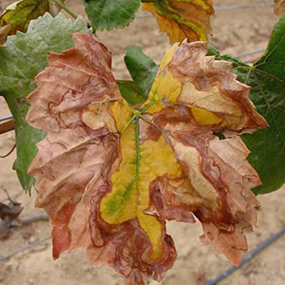
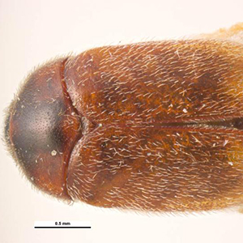
 | Australia Check | Disease name | Image link | Origin | Pest | Suspect Specimens
0 | No | Xylella | http://www.agriculture.gov.au/SiteCollectionImages/pests-diseases-weeds/1-xylella.jpg | Americas | Xylella fastidiosa | Containment is critical. This could be as easy as bagging a suspect plant specimen that has symptoms or stopping an insect escaping by closing the doors on a shipping container. Controlling vectors and removing infected plant material are the only control options, in conjunction with movement restrictions on infected plant material, to limit its spread. Identification and use of resistant plant stock may provide a long term management option, as the disease would be nearly impossible to eradicate.
1 | No | Khapra beetle | http://www.agriculture.gov.au/SiteCollectionImages/pests-diseases-weeds/2-khapra.jpg | India | Trogoderma granarium | Containment is critical. Khapra beetles do not fly, but can be readily moved around in infested goods. Try to locate the source of the infestation and secure it by sealing in a plastic bag or restricting access to the area.
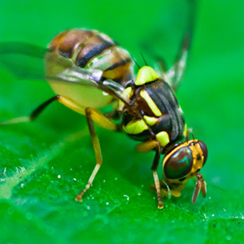
2 | No | Fruit flies | http://www.agriculture.gov.au/SiteCollectionImages/pests-diseases-weeds/3-exotic-fruit-fly.jpg | Asia |  | Containment is critical. Fruit fly adults are active fliers. Try to locate the source of the infestation and secure the fruit by it sealing in a plastic bag. Do not move infested fruit or vegetables from the orchard or your yard.
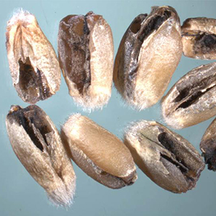
3 | No | Karnal bunt | http://www.agriculture.gov.au/SiteCollectionImages/pests-diseases-weeds/4-karnal-bunt.jpg | India |  | Containment is critical. This can be as easy as isolating suspect grain and not mixing it with other grain. If you see any grain that you suspect has Karnal bunt, take a two cup grain sample and report it.
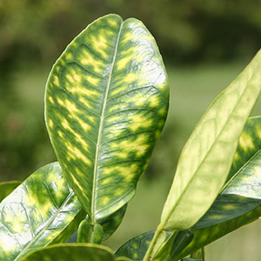
4 | No | Huanglongbing | http://www.agriculture.gov.au/SiteCollectionImages/pests-diseases-weeds/5-huanglongbing.jpg | Asia and Africa | Candidatus ​Liberibacter asiaticus | Containment is critical. This could be as easy as bagging a suspect plant specimen that has symptoms or stopping an insect escaping by closing the doors on a shipping container.Controlling vectors and removing infected plant material are the only control options, in conjunction with movement restrictions on infected plant material, to limit its spread. Identification and use of resistant plant stock may provide a long term management option, as the disease would be nearly impossible to eradicate.
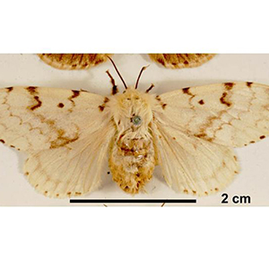
5 | No | Gypsy moth | http://www.agriculture.gov.au/SiteCollectionImages/pests-diseases-weeds/6-exotic-gypsy-moth.jpg | China, East Russia, Southern Europe and Northern Africa | Lymantria spp. | Containment is crucial. If you suspect you’ve seen a gypsy moth, take a photo and record the location.Inspect area for egg masses and place them in a sealed container.
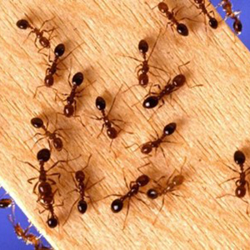
6 | No | Tramp ants | http://www.agriculture.gov.au/SiteCollectionImages/pests-diseases-weeds/7-tramp-ant.jpg | Varies, depending on the species |  | Containment is critical. If you suspect you’ve seen a tramp ant, take a photo and record the location.
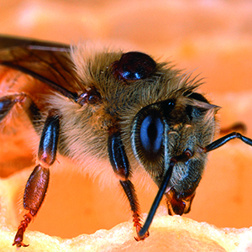
7 | No | Internal and external mites of bees | http://www.agriculture.gov.au/SiteCollectionImages/pests-diseases-weeds/8-mites-bees.jpg | Asia (tropilaelaps and varroa mites), unknown (tracheal) | Acarapsi woodi, Tropilaelaps spp., Varroa spp. | Containment is crucial. If you suspect you’ve seen a mite or symptoms of mites in your hive, take a photo and secure the bees in the hive.Gardeners can keep an eye out for bees that do not look healthy or appear to be carrying round brown discs on their body.
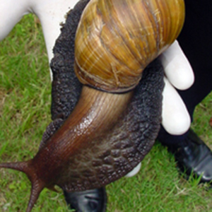
8 | No | Giant African snail | http://www.agriculture.gov.au/SiteCollectionImages/pests-diseases-weeds/9-giant-african-snail.jpg | Eastern Africa | Lissachatina fulica | Containment is critical. Giant African snails do not move fast, but you must contain one if you see it.Wear gloves to collect individual snails or eggs and place them in a sealed container. Inspect the area where you found the snail and try to trace it to the source.
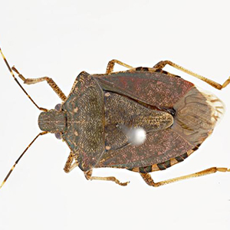
9 | No | Brown marmorated stink bug | http://www.agriculture.gov.au/SiteCollectionImages/pests-diseases-weeds/10-brown-marm-stink-bug.jpg | East Asia | Halyomorpha halys | Containment is critical. The bug is a strong flier, covering distances of up to 2 km. Therefore, if it does get here, it is important to take immediate action. Try to contain the bug without disturbing it – this may be as simple as closing the doors on a shipping container. If you suspect you have seen a brown marmorated stink bug, take a photo and report the location. Inspect the area where you found the bug and try to trace it to the source.
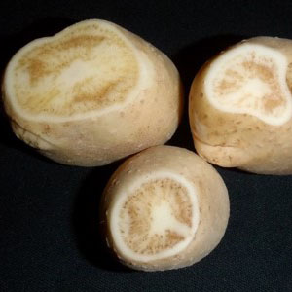
10 | No | Zebra chip | http://www.agriculture.gov.au/SiteCollectionImages/pests-diseases-weeds/11-zebra-chip.jpg | Mexico | Candidatus Liberibacter solanacearum | Containment is critical. This could be as easy as bagging a suspect plant specimen that has symptoms or stopping an insect escaping by closing the doors on a shipping container.Controlling vectors and removing infected plant material are the only control options, in conjunction with movement restrictions on infected plant material, to limit its spread.
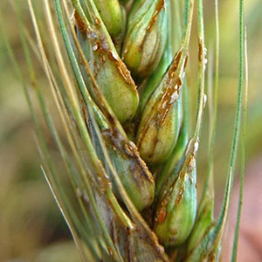
11 | No | Ug99 | http://www.agriculture.gov.au/SiteCollectionImages/pests-diseases-weeds/12-ug99.jpg | Uganda | Puccinia graminis f.sp. tritici | Containment is critical.If you suspect you have seen Ug99 in cereal crops, take a photo and record the location.
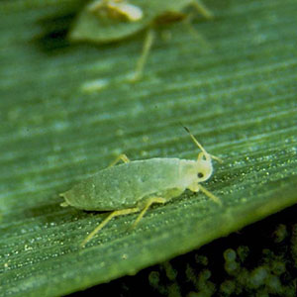
12 | Yes | Russian wheat aphid | http://www.agriculture.gov.au/SiteCollectionImages/pests-diseases-weeds/13-russian-wheat-aphid.jpg | Central Asia and southern Russia | Diuraphis noxia | Containment is critical. This could be as easy as bagging a suspect plant specimen that has symptoms or stopping an insect escaping by closing the doors on a shipping container.
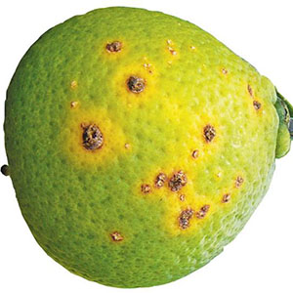
13 | No | Citrus canker | http://www.agriculture.gov.au/SiteCollectionImages/pests-diseases-weeds/14-citrus-canker.jpg | South East Asia | Xanthomonas citri subsp. citri | Containment is critical.Look out for scabby marks on leaves and fruit. If you think you see evidence of citrus canker take a photo and record the location.
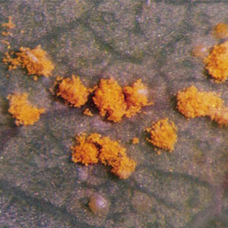
14 | No | Guava rust | http://www.agriculture.gov.au/SiteCollectionImages/pests-diseases-weeds/15-guava-eucalyptus-rust.jpg | Brazil | Puccinia psidii sensu lato | Containment is critical. In as little of 10 days the fungus can produce thousands of spores. Spores can spread very easily through the movement of infected plant material, clothing, equipment and wind. It is important to not move samples to reduce the risk of spread. Take a photo, record the location and get it checked by an expert.
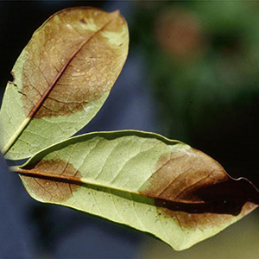
15 | No | Airborne phytophthora | http://www.agriculture.gov.au/SiteCollectionImages/pests-diseases-weeds/16.airborne-phytophthora.jpg | Asia |  | Containment is critical.It is important to not move samples to reduce the risk of spread. Take a photo, record the location and get it checked by an expert.
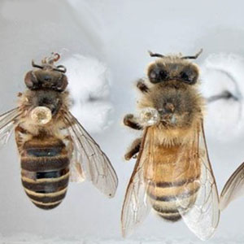
16 | No | Exotic bees | http://www.agriculture.gov.au/SiteCollectionImages/pests-diseases-weeds/17-exotic-bees.jpg | Varies, depending on the species |  | Containment is critical. If you work around imported goods or at a port or airport, report any bee swarms. If you see bees that you don’t think are European honey bees, or suspicious hives, take a photo to help with identification, and secure the site if possible. Bees can be dangerous to humans, so do not attempt to interfere with them or their nests.
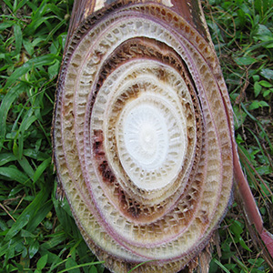
17 | Yes | Panama disease Tropical Race 4 | http://www.agriculture.gov.au/SiteCollectionImages/pests-diseases-weeds/18-tropical-race-4.jpg | South East Asia |  | Containment is critical. If you suspect a banana plant has Panama disease Tropical Race 4, do not remove, cut or destroy the affected plant as this may increase the risk of spreading the disease. Instead, record the plant’s location, take photographs of symptoms for identification of the disease, and report the find as soon as possible.
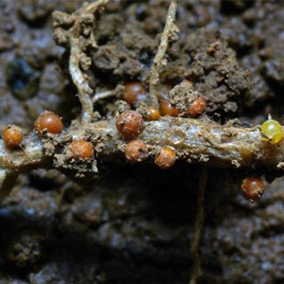
18 | No | Potato cyst nematode | http://www.agriculture.gov.au/SiteCollectionImages/pests-diseases-weeds/19-potato-cyst-nematode.jpg | South America |  | Remember the pest can spread easily via the movement of contaminated soil, so be careful not to increase the risk of spreading the pest. Take a photo, record the location and get it checked by an expert.
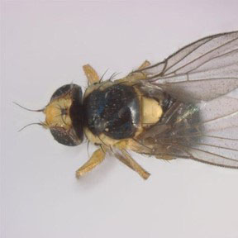
19 | Yes | Leaf miner | http://www.agriculture.gov.au/SiteCollectionImages/pests-diseases-weeds/20-leaf-miner.jpg | South America |  | Containment is critical. Alert the department if you see tracks in the leaves of castor oil plants or vegetables such as tomatoes, pumpkins, lettuce or melons.
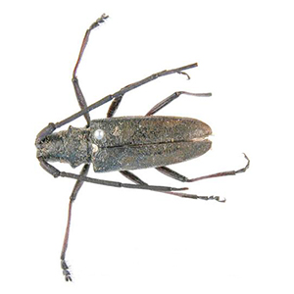
20 |  | Japanese sawyer beetle | http://www.agriculture.gov.au/SiteCollectionImages/pests-diseases-weeds/39-japanese-sawyer-beetle.jpg |  | Monochamus alternatus
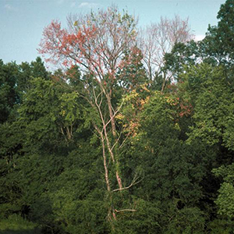
21 |  | Forests and timber: a field guide to exotic pests and diseases | http://www.agriculture.gov.au/SiteCollectionImages/pests-diseases-weeds/42-dutch-elm-disease.jpg |  |  | Contact your nearest regional office, State Forestry Agency or the National Office of Animal and Plant Health as soon as possible to report a suspected exotic pest or signs and/or symptoms of a forest disease and to seek further information on what to do. State Forestry Agency Contacts

