主BOM
assembly_item 組裝料號料號 | alternate_bom_designator 替代結構 | operation_sequence_number 作業序號 | component_item 元件 | quantity_per_assembly ERP數量 | component_yield_factor 良品率 | 附註 | BOP | PROCESS_SPEC | BOM_NAME | CHIP_QTY 晶粒數 | WIR_QTY 打線數 | DB SEQUENCE 晶片焊接 順序 | COMPONENT_ALTERNATE_QTY MES元件耗用量
S510B_R1_00001 | ACP_68M | 10 | WAF108749_CP | 1 | 1 |  | ACP | ACP_SMB(MAX) | S510B_R1_00001_ACP_68M
S510B_R1_00001 | ACP_68M | 20 | SMC_DW0164 | 适配的焊接罐头错误应该为SMB_DW0145 | 1 |  | ACP | ACP_SMB(MAX) | S510B_R1_00001_ACP_68M
S510B_R1_00001 | ACP_68M | 30 | SMB_MD0019 | 1 | 1 |  | ACP | ACP_SMB(MAX) | S510B_R1_00001_ACP_68M
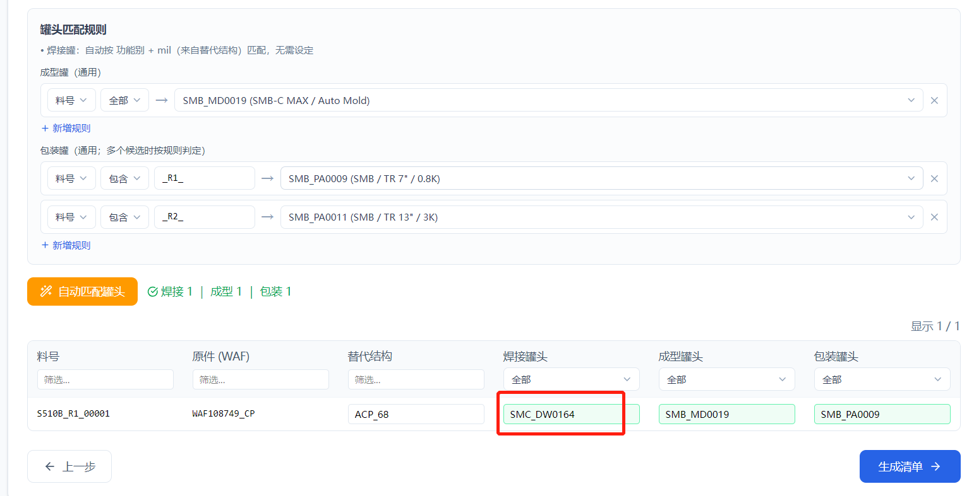
S510B_R1_00001 | ACP_68M | 80 | SMB_PA0009 | 1 | 1 |  | ACP | ACP_SMB(MAX) | S510B_R1_00001_ACP_68M

