UaT - data model
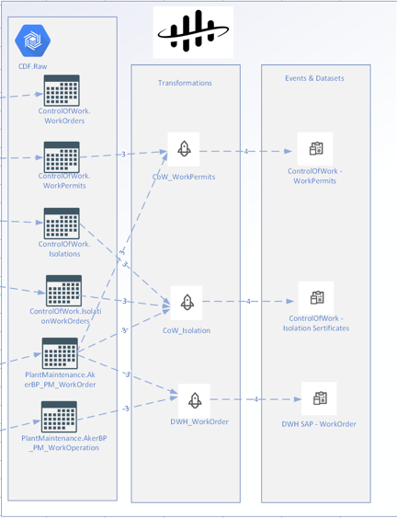
Data model

The data model should show Raw tables used in the transformation to the <data set>.

