Summary
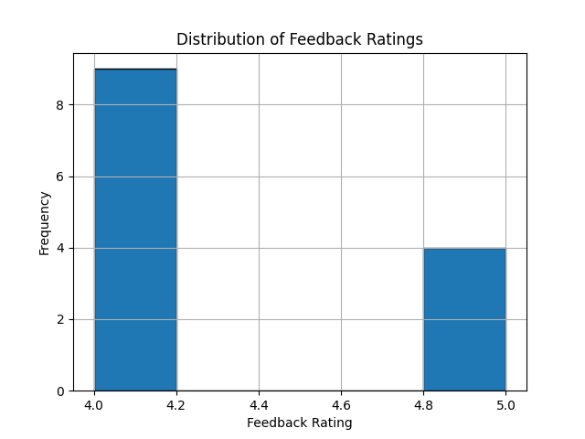
Summary Statistics

Mean: | 4.3076923077
Median: | 4
Std Dev: | 0.48038446142

