Jmeter
 |  | Thread Group --> Thrughput Controller --> simple controller

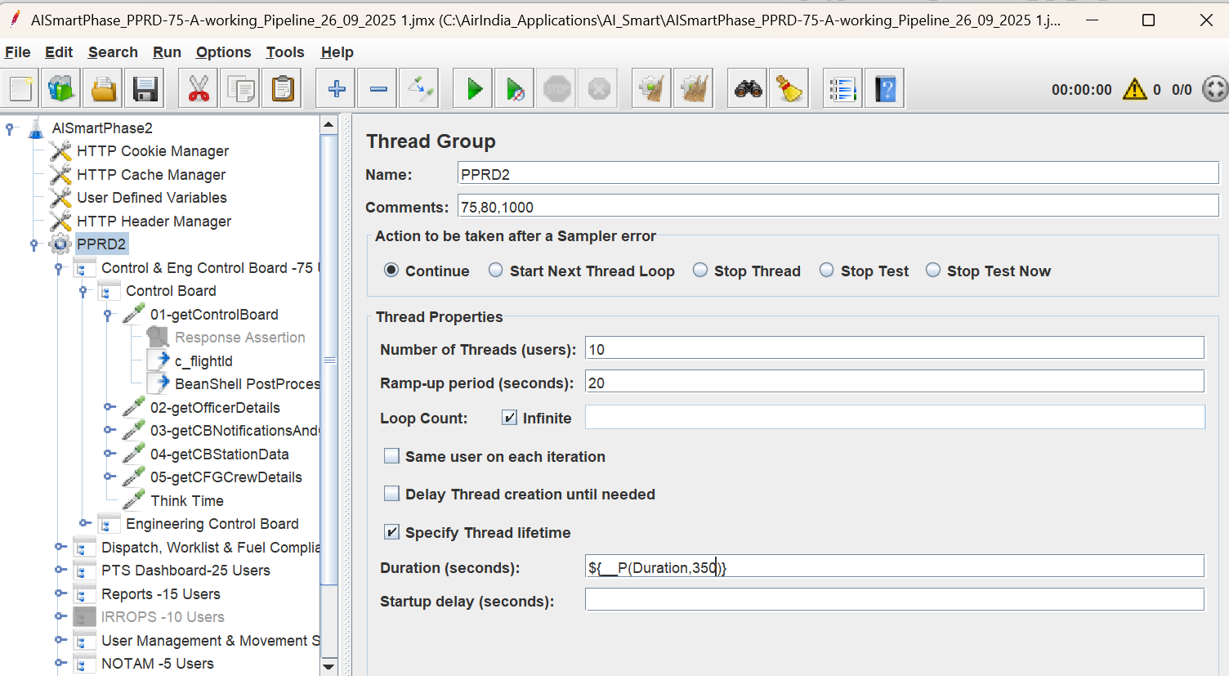

Throughput Controller

Interleave Controller
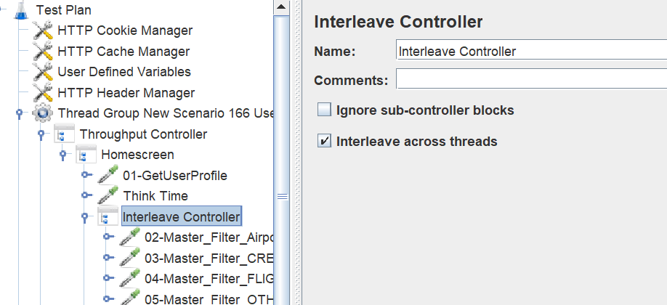

Flow Control Action(Think Time) --> Uniform Random Timer
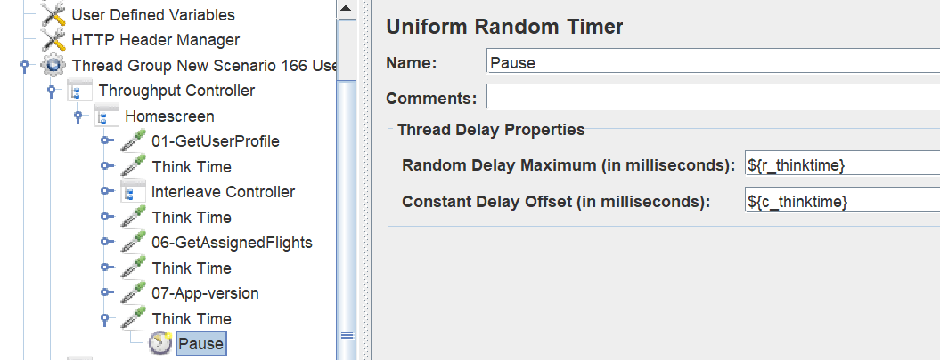

Regular Expression_Groups -- > ${c_flightId_g1}, ${c_flightId_g2}, ${c_flightId_g3}, ${c_flightId_g4}
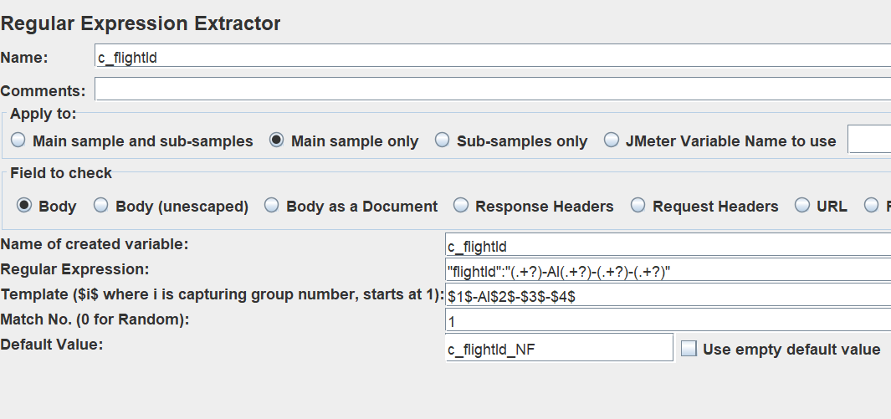

Jmeter Script Transaction Naming Conventions
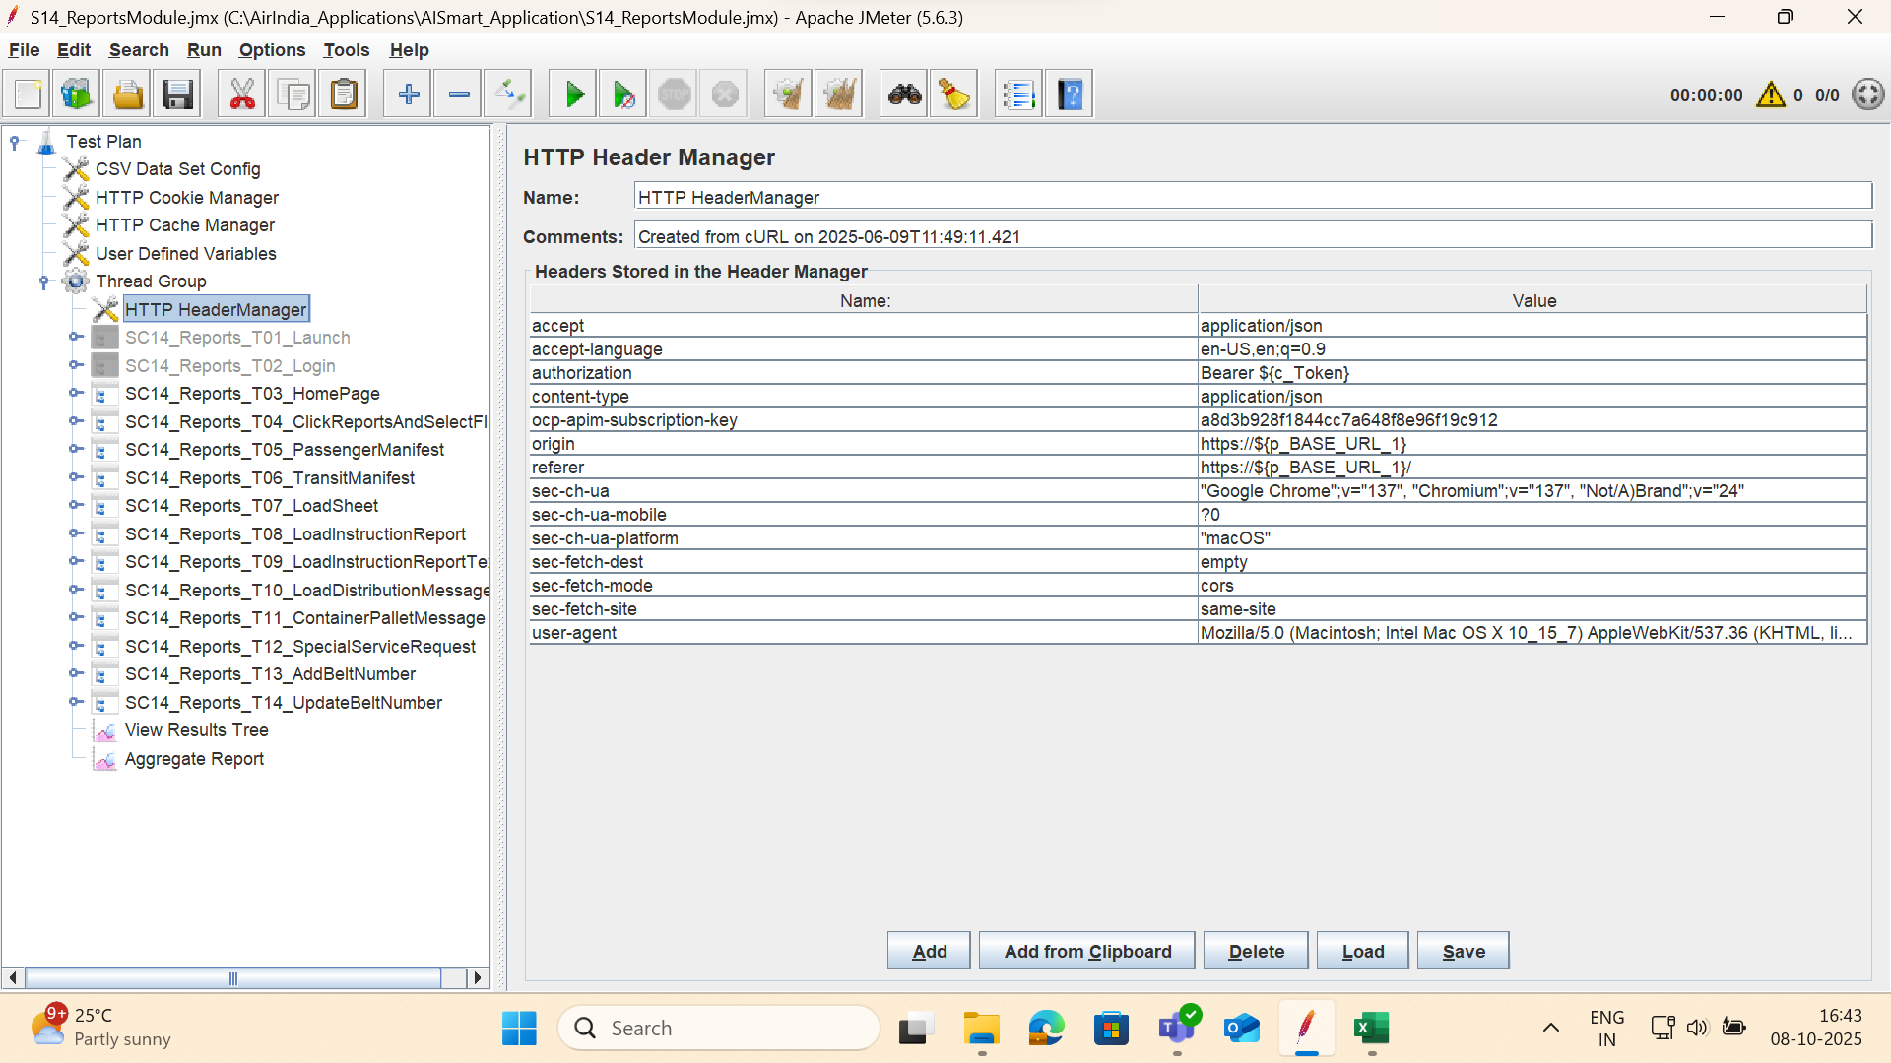

COUNTER --> Every Iteration it will Increase the Values like, 1, 2, 3
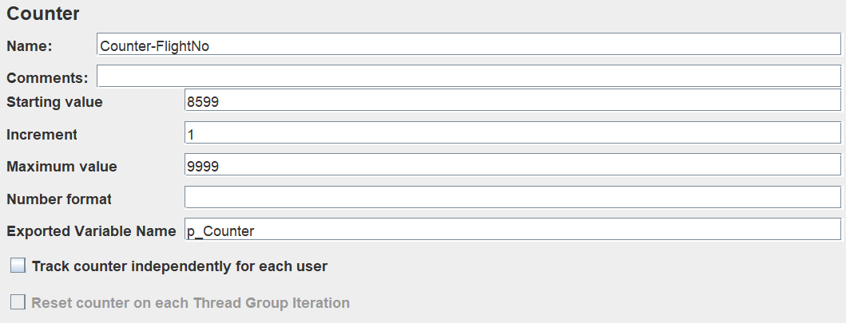

Heap Memomry Check In Jmeter Via code
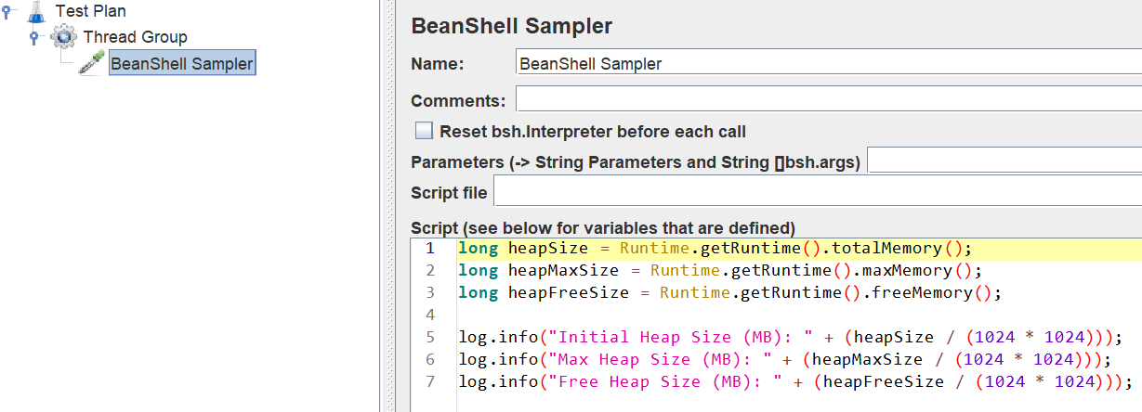

 | long heapSize = Runtime.getRuntime().totalMemory();
 | long heapMaxSize = Runtime.getRuntime().maxMemory();
 | long heapFreeSize = Runtime.getRuntime().freeMemory();

 | log.info("Initial Heap Size (MB): " + (heapSize / (1024 * 1024)));
 | log.info("Max Heap Size (MB): " + (heapMaxSize / (1024 * 1024)));
 | log.info("Free Heap Size (MB): " + (heapFreeSize / (1024 * 1024)));

Increase The Jmeter View Result Tree Lines we can use below Logic

view.results.tree.max_results=0

undo.history.size=10

Open jmeter Bin Folder
Inside user.properties file their
open that file insert the login into Last line

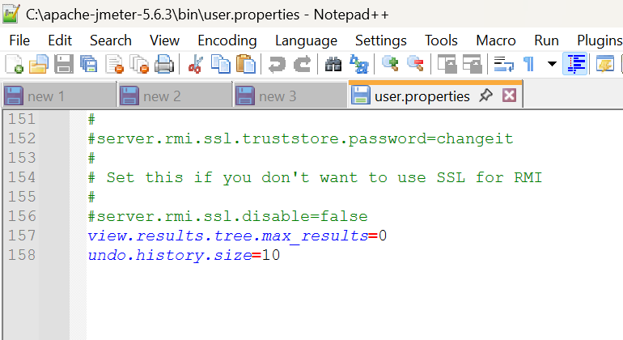

API's In Postman direct Copy Paste into the Jmeter

Postman variable = {{baseUrl}}

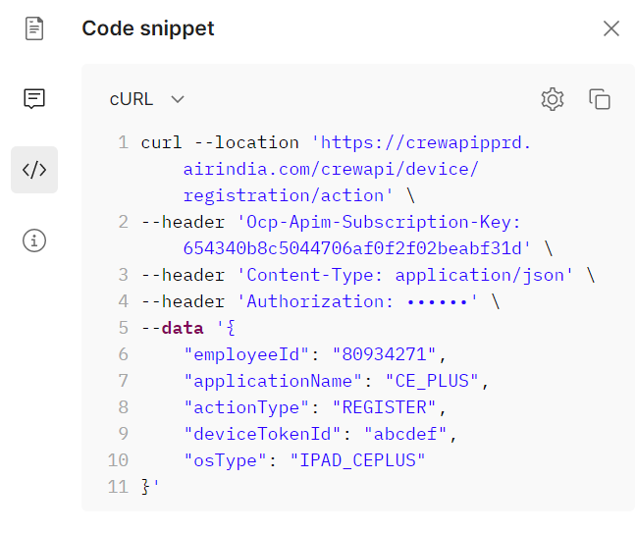

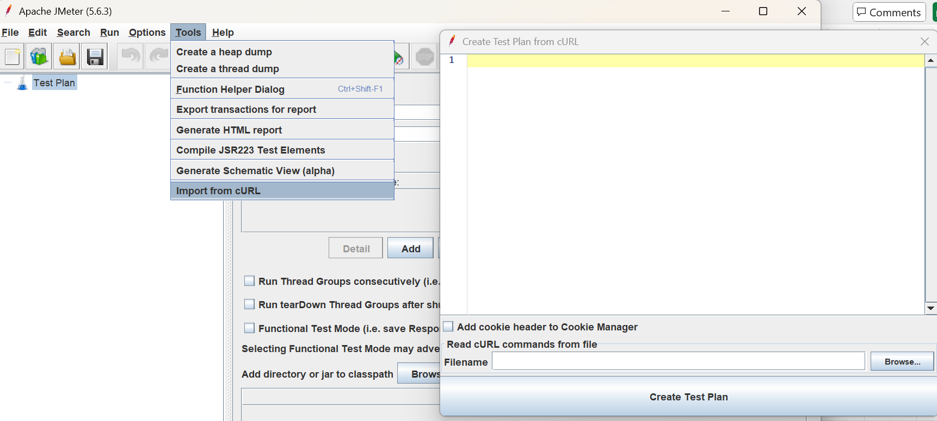

Jmeter Integrated With PostMan(Directly We can Record API's Requests,Payloads)

Best Practices for Modularization.

1. Naming conventions: Use clear, consistent names for fragments and controllers.
2. Centralized updates: Modify a module once and reflect changes across all tests.
3. Identify Reusable Components
4. Implement Module Controller
5. Use Include Controller for External Scripts if required
6. Organize with Simple Controllers/Transaction Controller
7. Use Test Fragments/Scenarios Fragment
8. Use Ultimate Thread group
9. Validate and Debug

Design End to End Scripts for MyAI website
Description
Design E2E script of Teams Module-

Best Practices to be followed for JMeter Script Preparation

1. Give enough time to Blazemeter/fiddler or any recorder to load all the component in browser.
2. Parameters name should be p_Parameter and correlation shold be c_Correlation
3. Script related variable and CSV file names shoud be self explanatory for example C_accessToken, C_leaveBalanceID and UserLoginDetails.csv respectively etc.
4. Add proper tihink time/Response Assertion and error handling
5. Exclude unnecessary requests like images, stylesheets, and JavaScript files to keep test plans clean
6. All the hardcoded values should be Correlated and parameterized as required.
7. Implement cookie and cache maneger.
8. Follow proper transaction Naming convention for eg.

SC01_ApplyLeave_T01_Launch
SC01_ApplyLeave_T02_Login
SC01_ApplyLeave_T03_Homepage
SC01_ApplyLeave_T04_ApplyLeave
9. Add proper comments in case of custom coding.

Post Scripting Approach to eliminate error during final run

1. Run the script for 5 iteration with single user.
2. Run the script with 5 users for 5 iteration concurrently.

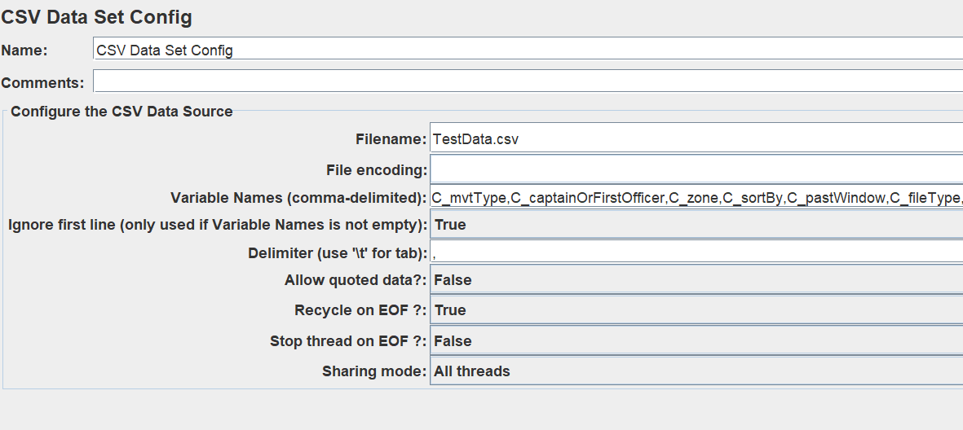

Using Timers Inside Flow Control Action Sampler

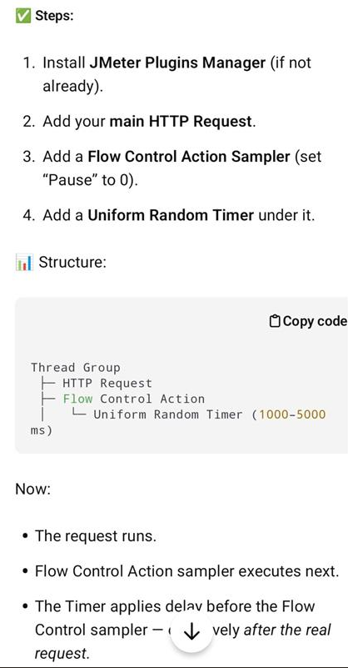

Directly Copy The Request Payload and Headers Use cURL(Bash)

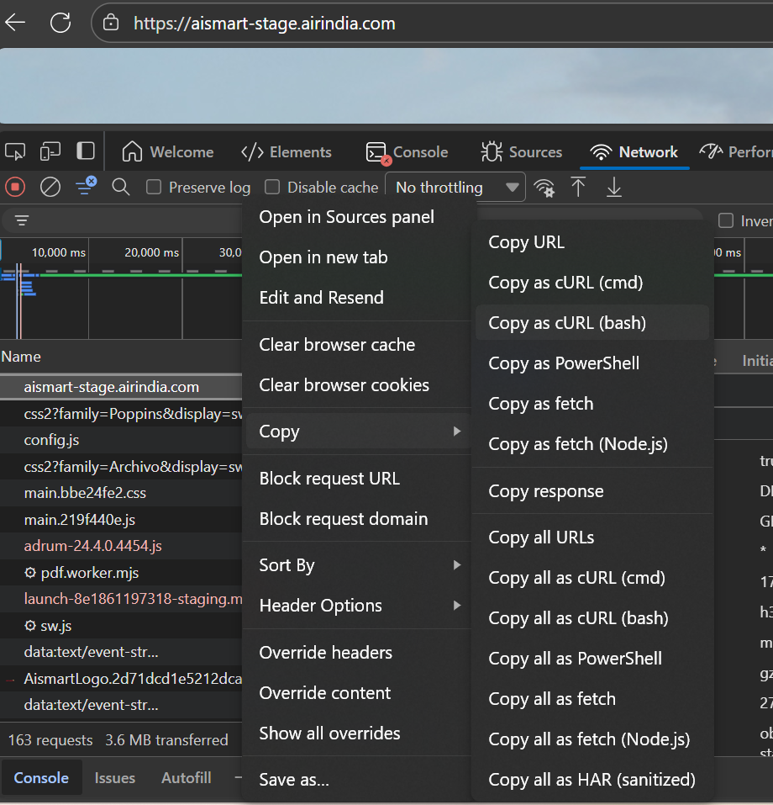

Constant Throughput Timer

Constant Throughput Timer ensures the pause happens before sending the next request, keeping the overall rate steady.
Example

If you want 60 requests per minute (1 request per second):
JMeter calculates the delay so that each sampler fires roughly every 1 second across all threads. If you have 2 threads, each will send a request every 2 seconds (to maintain 60 total requests per minute).

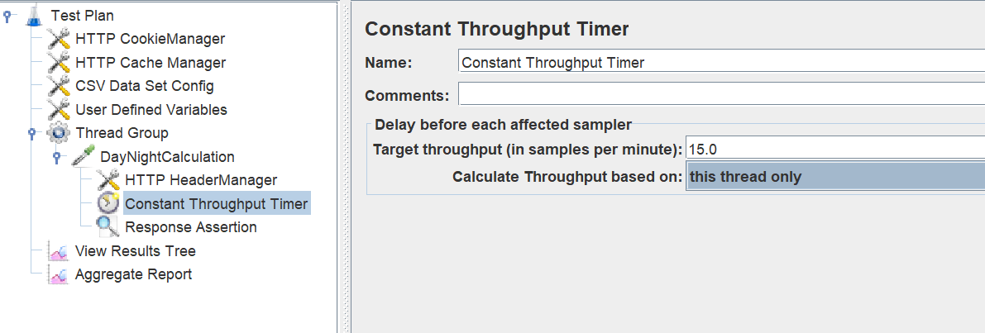
JMeter calculates the delay so that each sampler fires roughly every 1 second across all threads.
If you have 2 threads, each will send a request every 2 seconds (to maintain 60 total requests per minute).

TPS_TPH
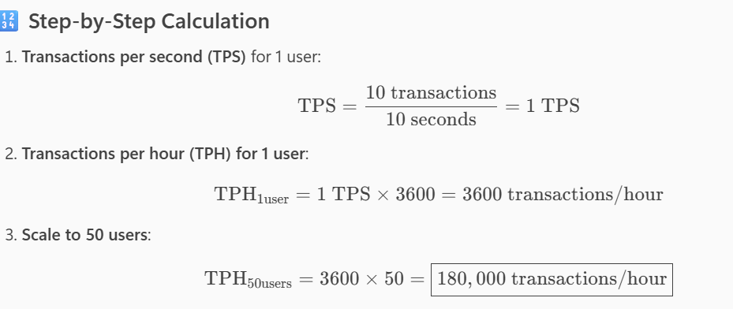

Number of APIs = 11
Concurrency (users) = 20
Total response time (including think time) = 15 seconds

Assuming each user calls all 11 APIs in that 15-second window:

Total transactions=11×20=220\text{Total transactions} = 11 \times 20 = 220Total transactions=11×20=220
Total time=15 seconds\text{Total time} = 15 \text{ seconds}Total time=15 seconds

So:

TPS=22015≈14.67 TPS\text{TPS} = \frac{220}{15} \approx 14.67 \text{ TPS}TPS=15220​≈14.67 TPS

✅ Answer: Approximately 14.7 TPS.

