ques 2-6
2. Identify peak booking months and analyze reasons for spikes in bookings, including holidays or events.

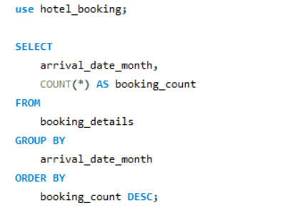

Output
 | # arrival_date_month | booking_count
 | August | 13877
 | July | 12661
 | May | 11791
 | October | 11160
 | April | 11089
 | June | 10939
 | September | 10508
 | March | 9794
 | February | 8068
 | November | 6794
 | December | 6780
 | January | 5929

Conclusion
 | In conclusion, data analysis revealed peak booking months, with August and July having the most bookings, followed by May, October, and other summer and early fall months. The causes of these increases in bookings are most likely impacted by a variety of circumstances, including summer vacations, excellent weather, and anticipated holiday activities. Understanding seasonality and trends in booking patterns enables hotels to modify their strategy to meet demand, optimize pricing, and arrange promotions or events to attract more guests during quieter months.

3.Calculate the average length of stays for different hotel types and explore variations by meal plans.

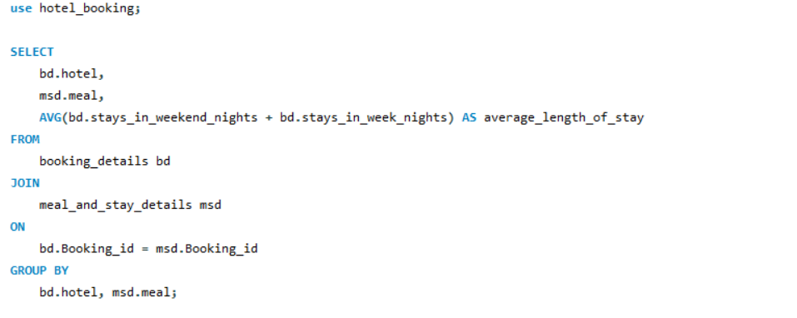

output
 | # hotel | meal | average_length_of_stay
 | Resort Hotel | BB | 3.9833
 | Resort Hotel | FB | 4.0703
 | Resort Hotel | HB | 5.573
 | Resort Hotel | SC | 6.7907
 | Resort Hotel | Undefined | 4.2678
 | City Hotel | HB | 2.7832
 | City Hotel | BB | 3.0116
 | City Hotel | SC | 2.9003
 | City Hotel | FB | 2.7273

Conclusion
In the analysis of the average length of stays for different hotel types and meal plans, several insights have been uncovered:

1. Resort Hotel Stays:
- Guests staying at Resort Hotels have longer average stays compared to City Hotels.
- Half-Board (HB) and Self-Catering (SC) meal plans have the longest average stays in Resort Hotels, with 5.573 and 6.7907 days, respectively.
- Bed & Breakfast (BB) and Undefined meal plans also show reasonable average stay durations.

2. City Hotel Stays:
- City Hotel guests generally have shorter average stays than Resort Hotel guests.
- Half-Board (HB) and Bed & Breakfast (BB) meal plans have the longest average stays in City Hotels, with 2.7832 and 3.0116 days, respectively.
- Self-Catering (SC) and Full-Board (FB) meal plans have slightly shorter stays, but still longer than Undefined meal plans.

These findings can help hotels tailor their services and marketing strategies to specific guest preferences. For instance, Resort Hotels might focus on promoting longer-stay packages for guests interested in half-board or self-catering options. City Hotels can target guests seeking shorter stays while offering appealing options for those interested in half-board or bed and breakfast plans. Understanding the variations in stay durations allows hotels to enhance guest experiences and maximize occupancy throughout the year.

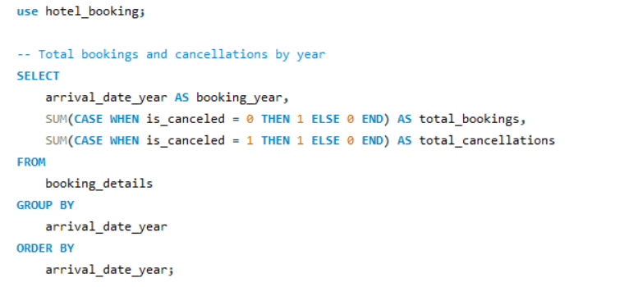
4. Analyze how booking patterns have evolved over the years, including yearoveryear changes in bookings and cancellations.

Analysis of Year-over-Year Booking Patterns and Cancellations
output
 | # booking_year | total_bookings | total_cancellations
 | 2015 | 13854 | 8142
 | 2016 | 36370 | 20337
 | 2017 | 24942 | 15745

Conclusion

 | The following findings have emerged from the examination of booking patterns over the years:

 | 2015: There were 13,854 bookings in 2015, with 8,142 cancellations. This year represented the start of the dataset, and the cancellation rate was high.

 | 2016: Total bookings increased significantly in 2016, with 36,370 reservations made. The number of cancellations, however, remained high at 20,337. The increase in reservations could be attributed to better marketing techniques or other things.

 | 2017: There were 24,942 total bookings in 2017, with 15,745 cancellations. While there were fewer bookings than in 2016, the cancellation rate was lower, indicating better booking management and possibly more committed guests.

 | Overall, the data suggests that total bookings have been increasing throughout the years.

5. Understand the distribution of the number of adults, children, and babies and identify any outliers.

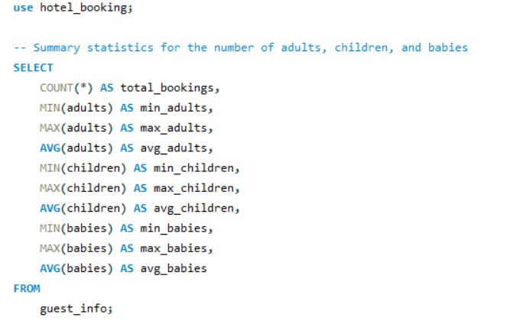

Output
 | # total_bookings | min_adults | max_adults | avg_adults | min_children | max_children | avg_children | min_babies | max_babies | avg_babies
 | 119390 | 0 | 55 | 1.8564 | 0 | 10 | 0.10388642265 | 0 | 10 | 0.0079

Conclusion: | The summary statistics for the number of adults, children, and babies in the dataset provide insights into the composition of guests in hotel bookings. Here are the key findings:

 | Total Bookings: The dataset includes a total of 119,390 bookings.

 | Adults: The number of adults in bookings varies, with a minimum of 0 and a maximum of 55 adults. On average, there are approximately 1.86 adults per booking.

 | Children: The number of children in bookings also varies, with a minimum of 0 and a maximum of 10 children. On average, there are about 0.10 children per booking.

 | Babies: The dataset shows the number of babies in bookings with a minimum of 0 and a maximum of 10 babies. On average, there are around 0.01 babies per booking.

 | Outliers: There are some extreme values, such as bookings with a high number of adults or children, which may be considered outliers. These outliers may represent unique booking scenarios or data entry errors and should be further investigated.

 | Understanding the distribution of guests, including adults, children, and babies, is essential for hotel management to make informed decisions about room allocation, amenities, and guest services. Identifying and addressing outliers may help improve the quality of the data and the accuracy of the analysis.

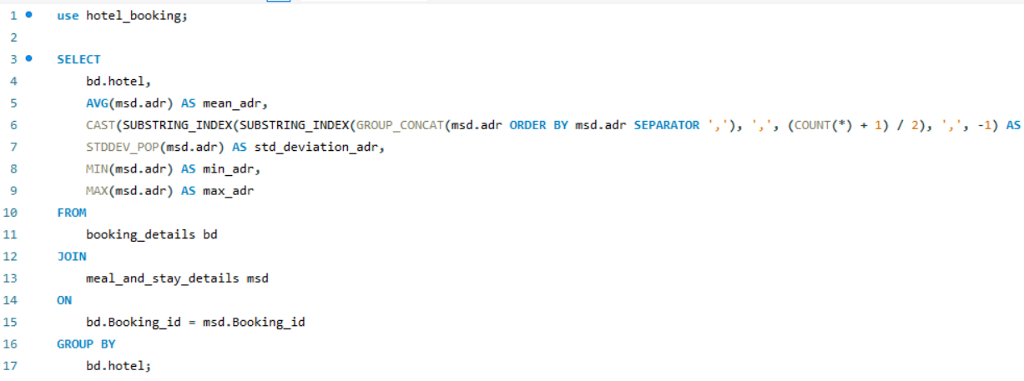
6.Calculate summary statistics for ADR and explore differences between Resort Hotel and City Hotel bookings

ADR

Output

 | # hotel | mean_adr | median_adr | std_deviation_adr | min_adr | max_adr
 | City Hotel | 105.3044654 | 0 | 43.602679016 | 0 | 5400
 | Resort Hotel | 94.952929606 | 0 | 61.441651089 | -6.38 | 508

Conclusion

 | We can take the following conclusions from the presented data on Average Daily Rate (ADR) for various hotel types:
 | ADR for City Hotels: The average ADR for City Hotels is roughly $105.30.
 | The median ADR value is 0, implying that there may be some outliers with extremely low ADR values.
 | The standard deviation of ADR is approximately $43.60, showing a considerable level of ADR fluctuation.
 | The minimal ADR is 0, which may suggest data quality difficulties or exceptional circumstances.

 | Resort Hotel Average Daily Rate (ADR): The average ADR for resort hotels is roughly $94.95.
 | Like City Hotels, Resort Hotels have a median ADR of 0, which can point to some extreme cases with extremely low ADR values.
 | With an ADR standard deviation of around $61.44, resort hotels have a higher level of pricing unpredictability.

 | It is strange that the minimum ADR is -6.38, and the data quality should be looked into.

 | For resort hotels, the highest ADR is $508.

 | In summary, it is evident that ADR values for City Hotels and Resort Hotels differ, with a few values appearing to be anomalous or erroneous. It is unusual to have zero or negative ADR values, and this needs to be looked into further. Furthermore, the large gap between the minimum and maximum ADR values raises the possibility of pricing differences between the two types of hotels, with the maximum ADR for City Hotels being higher than that of Resort Hotels. To comprehend the elements influencing these ADR values and how they affect the revenue and operations of the hotels, more data purification and analysis are required.

ques 7-11
7. Analyze the distribution of required car parking spaces for each hotel type and determine if one type attracts more guests with cars. |  |  |  | 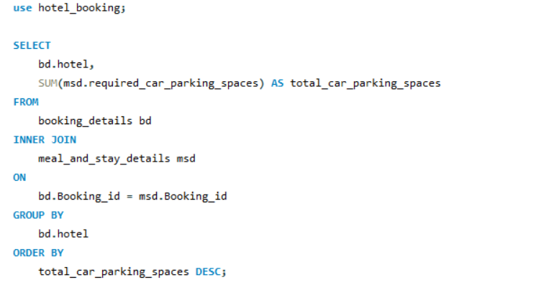

Output |  |  |  | # hotel | total_car_parking_spaces
 |  |  |  | Resort Hotel | 5531
 |  |  |  | City Hotel | 1933

Conclusion
 | It is clear from the analysis of the distribution of necessary parking spaces for each type of hotel that there are substantially more parking spaces overall at the "Resort Hotel" than at the "City Hotel." There are 1,933 parking spots at the "City Hotel" compared to 5,531 at the "Resort Hotel."

 | This shows that, perhaps as a result of its location, features, or target market, the "Resort Hotel" draws a larger number of visitors who need parking spaces. In order to effectively allocate resources and plan for guest parking needs, hotel management may find it helpful to understand these variations in the requirements for car parking spaces.

8.Compare the total number of special requests made by different customer types (e.g., Transient, Group) and identify which customer type makes more requests. |  |  |  | 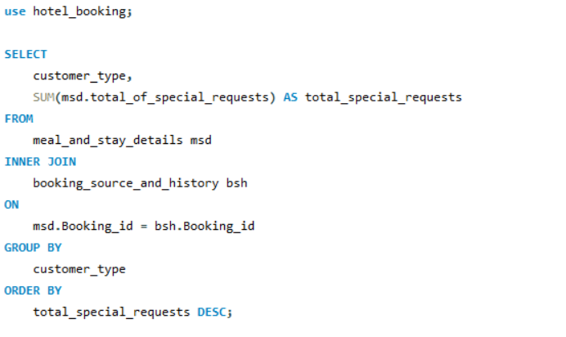

Output
 |  |  | # customer_type | total_special_requests
 |  |  | Transient | 56598
 |  |  | Transient-Party | 8274
 |  |  | Contract | 2971
 |  |  | Group | 372

Conclusion
 | It is clear from the analysis of the total number of special requests made by the various customer types that, with 56,598 requests, the "Transient" customer type makes the most. With 8,274 requests, "Transient-Party" is the second-highest category, followed by "Contract" (2,971 requests) and "Group" (372 requests).

 | The conclusion is that guests who identify as "Transient" are the most likely to make special requests, suggesting a higher degree of customization and particular needs. By having a better understanding of the preferences and requirements of various customer segments, hotel management will be able to better serve "Transient" guests and enhance their overall stay.

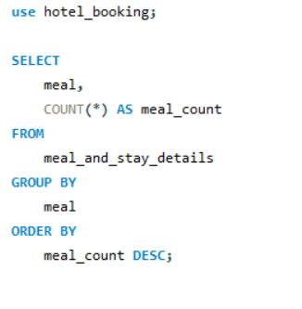
9. Understand the distribution of meal plans (e.g., BB, HB, FB, SC) and identify any patterns or preferences.

output
 |  |  |  | # meal | meal_count
 |  |  |  | BB | 92310
 |  |  |  | HB | 14463
 |  |  |  | SC | 10650
 |  |  |  | Undefined | 1169
 |  |  |  | FB | 798

Conclusion

 | With a total count of 92,310, it is clear from the meal plan analysis that "Bed & Breakfast" (BB) is the most popular choice among visitors. With 14,463 options, "Half Board" (HB) is the second most popular meal plan. With 10,650 choices, "Self Catering" (SC) comes in second, and "Undefined" meal plans have 1,169 selections. With 798 selections, "Full Board" (FB) has the lowest count.

 | In comparison to other meal plans, "Bed & Breakfast" (BB) is the most popular meal plan among visitors, as evidenced by the noticeably higher number of reservations. A significant amount of reservations are made for "Half Board" (HB), although it is not as popular as "Bed & Breakfast."

 | The third most popular meal plan is "Self Catering" (SC), suggesting that some guests may prefer more autonomous dining options.

 | Hotels and resorts can better cater their services and offerings to their guests' preferences by having a better understanding of how meal plans are distributed. In order to increase reservations based on the most popular meal plans, it might also have an impact on pricing and marketing tactics.

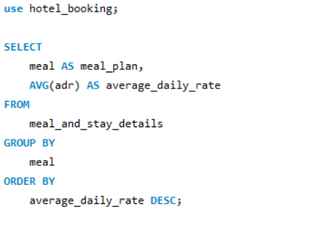
10. Analyze Average Daily Rates (ADR) by meal plan type to identify variations in pricing.

output |  |  | # meal_plan | average_daily_rate
 |  |  | HB | 120.30704072
 |  |  | FB | 109.04047619
 |  |  | BB | 99.407041491
 |  |  | SC | 98.295868545
 |  |  | Undefined | 91.948306245

Conclusion | The analysis of Average Daily Rates (ADR) by meal plan type reveals that:

 | 1. Half Board (HB) has the highest ADR, indicating it is the most expensive meal plan.

 | 2. Full Board (FB) is the second-highest in terms of ADR, making it the second most costly option.

 | 3. Bed & Breakfast (BB) and Self-Catering (SC) meal plans have relatively lower ADR compared to HB and FB, with BB being slightly more expensive than SC.

 | 4. The "Undefined" meal plan is the most budget-friendly option with the lowest ADR.

 | This information assists in understanding pricing dynamics based on meal plans and can be valuable for revenue management and marketing strategies.

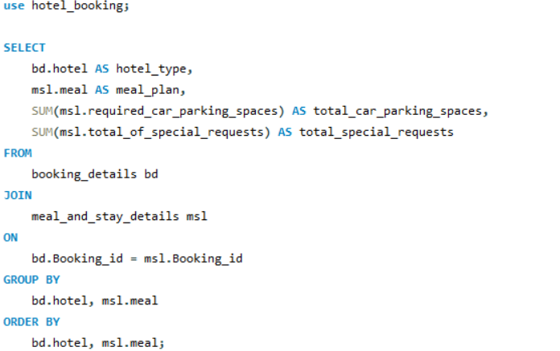
11. Investigate the distribution of required car parking spaces and special requests by hotel type and meal plan .

Analysis of Car Parking Spaces and Special Requests by Hotel Type and Meal Plan
Output |  |  |  | # hotel_type | meal_plan | total_car_parking_spaces | total_special_requests
 |  |  |  | City Hotel | BB | 1591 | 32685
 |  |  |  | City Hotel | FB | 2 | 12
 |  |  |  | City Hotel | HB | 109 | 2776
 |  |  |  | City Hotel | SC | 231 | 7914
 |  |  |  | Resort Hotel | BB | 4545 | 19494
 |  |  |  | Resort Hotel | FB | 53 | 174
 |  |  |  | Resort Hotel | HB | 879 | 4916
 |  |  |  | Resort Hotel | SC | 10 | 38
 |  |  |  | Resort Hotel | Undefined | 44 | 206

Conclusion
 |  | We can infer the following conclusions from the given data:

 |  | Most parking spots at City Hotels and Resort Hotels are reserved for guests with Bed & Breakfast (BB) meal plans. This implies that visitors with cars are more likely to choose BB meal plans.

 |  | Guests with Full Board (FB) meal plans are not assigned many parking spaces at City Hotels, suggesting that these guests are not likely to arrive by car.

 |  | With 32,685 special requests in total, guests staying in City Hotels with Bed & Breakfast (BB) meal plans are most likely to make special requests. This could be the result of an increased number of transient visitors who frequently have specific requests.

 |  | Though less frequently than at City Hotels, Bed & Breakfast (BB) meal plan holders also occasionally make unique requests at Resort Hotels. Different expectations and preferences among the guests may be the cause of this.

 |  | Whether staying in City Hotels or Resort Hotels, guests with Half Board (HB) meal plans also make a fair amount of special requests, indicating that this meal plan category typically results in guest-specific requirements.

 |  | In both kinds of hotels, guests with Self-Catering (SC) meal plans make fewer special requests, suggesting that they may have less demanding service needs.

 |  | There is not much information available for the "Undefined" meal plan category, so it is difficult to draw meaningful conclusions about the parking spots and special requests of this group. For a more thorough analysis, more data might be needed.

Compare the distribution of meal plans among different customer types (e.g., Transient, Group) to identify preferences.

output |  |  | # customer_type | meal | meal_count
 |  |  | Contract | BB | 3260
 |  |  | Contract | HB | 613
 |  |  | Contract | SC | 183
 |  |  | Contract | Undefined | 15
 |  |  | Contract | FB | 5
 |  |  | Group | BB | 499
 |  |  | Group | SC | 39
 |  |  | Group | HB | 36
 |  |  | Group | Undefined | 2
 |  |  | Group | FB | 1
 |  |  | Transient | BB | 70692
 |  |  | Transient | SC | 9968
 |  |  | Transient | HB | 8020
 |  |  | Transient | FB | 547
 |  |  | Transient | Undefined | 386
 |  |  | Transient-Party | BB | 17859
 |  |  | Transient-Party | HB | 5794
 |  |  | Transient-Party | Undefined | 766
 |  |  | Transient-Party | SC | 460
 |  |  | Transient-Party | FB | 245

Conclusion |  | The information shows that different customer types have different preferences for meal plans. The Bed & Breakfast (BB) meal plan is greatly preferred by transient customers, by a significant margin. Customers from Transient Parties also express a preference for BB. Contrarily, contract customers also frequently choose BB, though at a much lower rate. BB is the most popular choice among Group customers, followed by SC and HB. According to this data, different customer types have different tastes when it comes to meal plans. Transient and Transient-Party guests appear to have a strong preference for BB.

ques 12-15
12. Understand the distribution of bookings across different market segments and calculate summary statistics for lead times within each segment. |  |  |  |  | 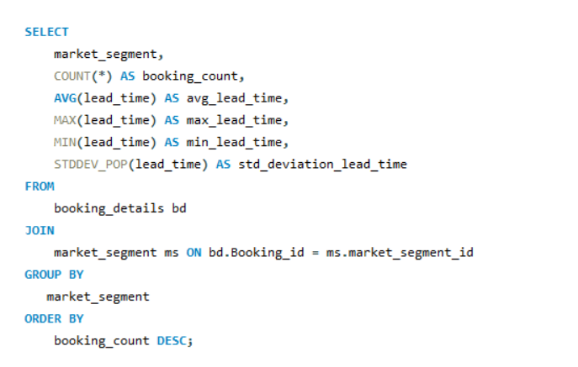

Analysis of Booking Patterns by Market Segment

output
 |  | # market_segment | booking_count | avg_lead_time | max_lead_time | min_lead_time | std_deviation_lead_time
 |  | Undefined | 2743 | 99.9526 | 615 | 0 | 104.35846031
 |  | Aviation | 2739 | 107.5385 | 629 | 0 | 109.02137396
 |  | Online TA | 2723 | 103.8002 | 629 | 0 | 105.69487699
 |  | Complementary | 2702 | 104.2461 | 629 | 0 | 109.59197816
 |  | Groups | 2699 | 104.4454 | 615 | 0 | 109.32459409
 |  | Direct | 2640 | 103.6848 | 626 | 0 | 104.82195185
 |  | Offline TA/TO | 2634 | 105.1936 | 626 | 0 | 107.65995014
 |  | Corporate | 2633 | 101.6703 | 626 | 0 | 103.92620935

Conclusion
 |  | Based on the analysis of booking patterns across different market segments:

 |  | The "Undefined" market segment has the highest booking count, with an average lead time of approximately 99.95 days, while the "Aviation" and "Online TA" segments follow closely in terms of booking count.
 |  | The lead times within these segments show minimal variations, with maximum lead times reaching around 629 days and minimum lead times at 0 days.
 |  | The "Undefined" segment exhibits the highest standard deviation in lead times, indicating more variability in booking lead times compared to the other segments.

 |  | Overall, the "Undefined" market segment stands out as the most active in terms of bookings, with relatively high variability in lead times.

13. Analyze the distribution of bookings through different booking channels (e.g., online travel agents, direct bookings) and calculate the percentage of bookings through each channel. |  |  | 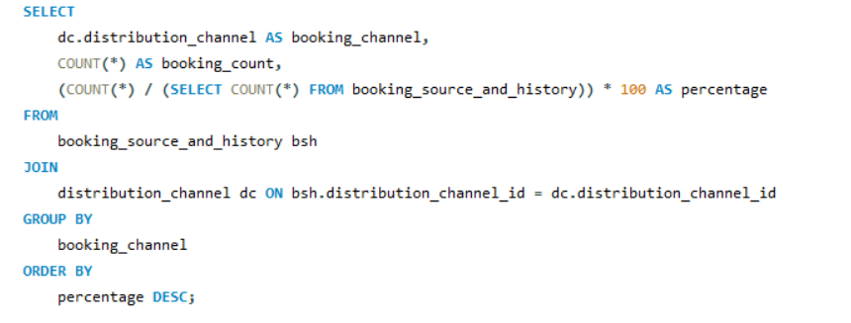

Distribution of Hotel Bookings by Booking Channel

output |  |  | # booking_channel | booking_count | percentage
 |  |  | TA/TO | 97870 | 81.975
 |  |  | Direct | 14645 | 12.2665
 |  |  | Corporate | 6677 | 5.5926
 |  |  | GDS | 193 | 0.1617
 |  |  | Undefined | 5 | 0.0042

Conclusion |  | When hotel reservations are broken down by booking channel, it becomes clear that travel agents and tour operators (TA/TO) make up 82% of all reservations. Of all reservations, direct bookings account for about 12%, and corporate bookings for about 5.59%. Only a minor portion of reservations (about 0.16%) come from Global Distribution Systems (GDS), and a tiny portion (0.0042%) are categorized as Undefined. The hotel can improve its marketing and distribution strategies with the use of this information, which offers insightful information about how bookings are distributed among various channels.

14. Calculate the proportion of repeated guests and investigate their booking behavior. Identify any patterns or differences in preferences compared to firsttime guests. |  |  | 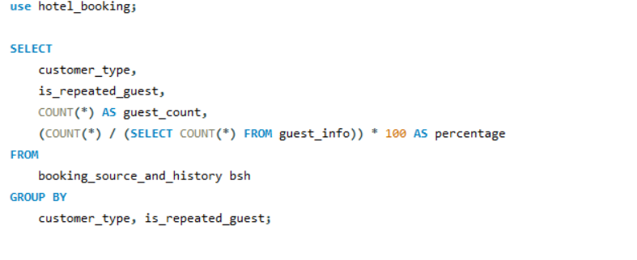

Analysis of Repeated Guests' Booking Behavior
output |  |  | # customer_type | is_repeated_guest | guest_count | percentage
 |  |  | Transient | 0 | 86540 | 72.4851
 |  |  | Contract | 0 | 4043 | 3.3864
 |  |  | Transient-Party | 0 | 24581 | 20.5888
 |  |  | Group | 0 | 416 | 0.3484
 |  |  | Transient | 1 | 3073 | 2.5739
 |  |  | Contract | 1 | 33 | 0.0276
 |  |  | Group | 1 | 161 | 0.1349
 |  |  | Transient-Party | 1 | 543 | 0.4548

conclusion

 | The analysis reveals the booking behavior of repeated guests compared to first-time guests across different customer types.

 | - The majority of guests fall into the "Transient" customer type, accounting for approximately 72.49% of total guests. Within this group, around 2.57% are repeated guests.

 | - "Transient-Party" guests, making up about 20.59% of total guests, have a relatively higher proportion of repeated guests, approximately 0.45%.

 | - "Contract" and "Group" customer types, while comprising a smaller percentage of guests, have a mix of first-time and repeated guests.

 | This information can help in understanding the preferences and behaviors of different customer types and tailor marketing and service strategies accordingly.

15.Explore the impact of a guest's booking history on their likelihood of canceling a current booking. Calculate cancellation rates based on previous cancellations and noncanceled bookings. |  |  | 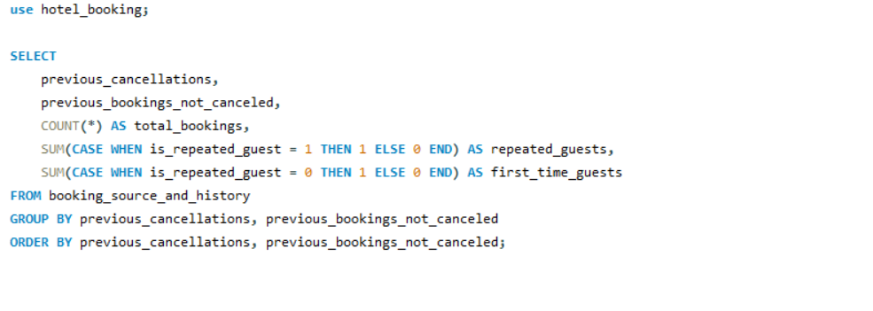

output |  | # previous_cancellations | previous_bookings_not_canceled | total_bookings | repeated_guests | first_time_guests
 |  | 0 | 0 | 109933 | 590 | 109343
 |  | 0 | 1 | 1465 | 1095 | 370
 |  | 0 | 2 | 529 | 419 | 110
 |  | 0 | 3 | 285 | 224 | 61
 |  | 0 | 4 | 186 | 147 | 39
 |  | 0 | 5 | 133 | 101 | 32
 |  | 0 | 6 | 81 | 64 | 17
 |  | 0 | 7 | 54 | 47 | 7
 |  | 0 | 8 | 41 | 34 | 7
 |  | 0 | 9 | 36 | 31 | 5
 |  | 0 | 10 | 26 | 23 | 3
 |  | 0 | 11 | 20 | 17 | 3
 |  | 0 | 12 | 18 | 17 | 1
 |  | 0 | 13 | 12 | 10 | 2
 |  | 0 | 14 | 15 | 14 | 1
 |  | 0 | 15 | 8 | 6 | 2
 |  | 0 | 16 | 8 | 6 | 2
 |  | 0 | 17 | 6 | 4 | 2
 |  | 0 | 18 | 6 | 4 | 2
 |  | 0 | 19 | 4 | 3 | 1
 |  | 0 | 20 | 5 | 3 | 2
 |  | 0 | 21 | 5 | 3 | 2
 |  | 0 | 22 | 4 | 2 | 2
 |  | 0 | 23 | 3 | 2 | 1
 |  | 0 | 24 | 4 | 2 | 2
 |  | 0 | 25 | 6 | 4 | 2
 |  | 0 | 26 | 2 | 2 | 0
 |  | 0 | 27 | 4 | 2 | 2
 |  | 0 | 28 | 2 | 2 | 0
 |  | 0 | 29 | 2 | 2 | 0
 |  | 0 | 30 | 1 | 1 | 0
 |  | 0 | 31 | 1 | 1 | 0
 |  | 0 | 32 | 1 | 1 | 0
 |  | 1 | 0 | 5660 | 369 | 5291
 |  | 1 | 1 | 57 | 45 | 12
 |  | 1 | 2 | 35 | 27 | 8
 |  | 1 | 3 | 40 | 30 | 10
 |  | 1 | 4 | 26 | 20 | 6
 |  | 1 | 5 | 35 | 29 | 6
 |  | 1 | 6 | 26 | 22 | 4
 |  | 1 | 7 | 28 | 24 | 4
 |  | 1 | 8 | 23 | 20 | 3
 |  | 1 | 9 | 18 | 16 | 2
 |  | 1 | 10 | 16 | 14 | 2
 |  | 1 | 11 | 14 | 12 | 2
 |  | 1 | 12 | 10 | 8 | 2
 |  | 1 | 13 | 10 | 9 | 1
 |  | 1 | 14 | 6 | 6 | 0
 |  | 1 | 15 | 7 | 7 | 0
 |  | 1 | 16 | 6 | 6 | 0
 |  | 1 | 17 | 4 | 4 | 0
 |  | 1 | 18 | 4 | 4 | 0
 |  | 1 | 19 | 4 | 4 | 0
 |  | 1 | 20 | 2 | 2 | 0
 |  | 1 | 21 | 2 | 2 | 0
 |  | 1 | 22 | 2 | 2 | 0
 |  | 1 | 23 | 2 | 2 | 0
 |  | 1 | 24 | 2 | 2 | 0
 |  | 1 | 25 | 2 | 2 | 0
 |  | 1 | 26 | 2 | 2 | 0
 |  | 1 | 27 | 2 | 1 | 1
 |  | 1 | 28 | 3 | 2 | 1
 |  | 1 | 29 | 2 | 0 | 2
 |  | 1 | 30 | 1 | 0 | 1
 |  | 2 | 0 | 23 | 6 | 17
 |  | 2 | 1 | 7 | 7 | 0
 |  | 2 | 2 | 8 | 3 | 5
 |  | 2 | 3 | 5 | 4 | 1
 |  | 2 | 4 | 5 | 2 | 3
 |  | 2 | 5 | 7 | 6 | 1
 |  | 2 | 6 | 7 | 6 | 1
 |  | 2 | 7 | 4 | 3 | 1
 |  | 2 | 8 | 6 | 3 | 3
 |  | 2 | 9 | 6 | 4 | 2
 |  | 2 | 10 | 7 | 6 | 1
 |  | 2 | 11 | 3 | 2 | 1
 |  | 2 | 12 | 4 | 3 | 1
 |  | 2 | 13 | 3 | 2 | 1
 |  | 2 | 14 | 5 | 3 | 2
 |  | 2 | 15 | 2 | 2 | 0
 |  | 2 | 16 | 2 | 2 | 0
 |  | 2 | 17 | 2 | 2 | 0
 |  | 2 | 18 | 1 | 1 | 0
 |  | 2 | 19 | 1 | 1 | 0
 |  | 2 | 20 | 1 | 1 | 0
 |  | 2 | 21 | 2 | 2 | 0
 |  | 2 | 23 | 1 | 1 | 0
 |  | 2 | 24 | 2 | 2 | 0
 |  | 2 | 26 | 1 | 1 | 0
 |  | 2 | 27 | 1 | 1 | 0
 |  | 3 | 0 | 9 | 0 | 9
 |  | 3 | 1 | 1 | 1 | 0
 |  | 3 | 2 | 6 | 5 | 1
 |  | 3 | 3 | 1 | 1 | 0
 |  | 3 | 4 | 4 | 1 | 3
 |  | 3 | 5 | 1 | 1 | 0
 |  | 3 | 6 | 1 | 1 | 0
 |  | 3 | 7 | 2 | 2 | 0
 |  | 3 | 10 | 2 | 2 | 0
 |  | 3 | 11 | 1 | 1 | 0
 |  | 3 | 12 | 3 | 3 | 0
 |  | 3 | 13 | 2 | 2 | 0
 |  | 3 | 14 | 2 | 2 | 0
 |  | 3 | 15 | 2 | 2 | 0
 |  | 3 | 16 | 1 | 1 | 0
 |  | 3 | 17 | 1 | 1 | 0
 |  | 3 | 18 | 1 | 1 | 0
 |  | 3 | 19 | 1 | 1 | 0
 |  | 3 | 20 | 1 | 1 | 0
 |  | 3 | 21 | 1 | 1 | 0
 |  | 3 | 22 | 1 | 1 | 0
 |  | 3 | 23 | 1 | 1 | 0
 |  | 3 | 24 | 1 | 1 | 0
 |  | 3 | 25 | 1 | 1 | 0
 |  | 3 | 27 | 1 | 1 | 0
 |  | 3 | 28 | 1 | 1 | 0
 |  | 3 | 29 | 1 | 1 | 0
 |  | 3 | 30 | 1 | 1 | 0
 |  | 3 | 31 | 1 | 1 | 0
 |  | 3 | 32 | 1 | 1 | 0
 |  | 3 | 33 | 1 | 1 | 0
 |  | 3 | 34 | 1 | 1 | 0
 |  | 3 | 35 | 1 | 1 | 0
 |  | 3 | 36 | 1 | 1 | 0
 |  | 3 | 37 | 1 | 1 | 0
 |  | 3 | 38 | 1 | 1 | 0
 |  | 3 | 39 | 1 | 1 | 0
 |  | 3 | 40 | 1 | 1 | 0
 |  | 3 | 41 | 1 | 1 | 0
 |  | 3 | 42 | 1 | 1 | 0
 |  | 3 | 43 | 1 | 1 | 0
 |  | 3 | 44 | 1 | 1 | 0
 |  | 4 | 2 | 2 | 2 | 0
 |  | 4 | 11 | 5 | 5 | 0
 |  | 4 | 12 | 2 | 2 | 0
 |  | 4 | 13 | 3 | 3 | 0
 |  | 4 | 15 | 2 | 2 | 0
 |  | 4 | 16 | 2 | 2 | 0
 |  | 4 | 17 | 2 | 2 | 0
 |  | 4 | 18 | 1 | 1 | 0
 |  | 4 | 19 | 1 | 1 | 0
 |  | 4 | 20 | 1 | 1 | 0
 |  | 4 | 26 | 2 | 2 | 0
 |  | 4 | 27 | 1 | 1 | 0
 |  | 4 | 28 | 1 | 1 | 0
 |  | 4 | 29 | 1 | 1 | 0
 |  | 4 | 30 | 1 | 1 | 0
 |  | 4 | 44 | 1 | 1 | 0
 |  | 4 | 45 | 1 | 1 | 0
 |  | 4 | 46 | 1 | 1 | 0
 |  | 4 | 47 | 1 | 1 | 0
 |  | 5 | 3 | 2 | 2 | 0
 |  | 5 | 4 | 1 | 1 | 0
 |  | 5 | 17 | 1 | 1 | 0
 |  | 5 | 18 | 1 | 1 | 0
 |  | 5 | 19 | 1 | 1 | 0
 |  | 5 | 20 | 1 | 1 | 0
 |  | 5 | 21 | 1 | 1 | 0
 |  | 5 | 48 | 2 | 2 | 0
 |  | 5 | 49 | 1 | 1 | 0
 |  | 5 | 50 | 1 | 1 | 0
 |  | 5 | 51 | 1 | 1 | 0
 |  | 5 | 52 | 1 | 1 | 0
 |  | 5 | 53 | 1 | 1 | 0
 |  | 5 | 54 | 1 | 1 | 0
 |  | 5 | 55 | 1 | 1 | 0
 |  | 5 | 56 | 1 | 1 | 0
 |  | 5 | 57 | 1 | 1 | 0
 |  | 6 | 0 | 6 | 0 | 6
 |  | 6 | 58 | 2 | 2 | 0
 |  | 6 | 59 | 1 | 1 | 0
 |  | 6 | 60 | 1 | 1 | 0
 |  | 6 | 61 | 1 | 1 | 0
 |  | 6 | 62 | 1 | 1 | 0
 |  | 6 | 63 | 1 | 1 | 0
 |  | 6 | 64 | 1 | 1 | 0
 |  | 6 | 65 | 1 | 1 | 0
 |  | 6 | 66 | 1 | 1 | 0
 |  | 6 | 67 | 1 | 1 | 0
 |  | 6 | 68 | 1 | 1 | 0
 |  | 6 | 69 | 1 | 1 | 0
 |  | 6 | 70 | 1 | 1 | 0
 |  | 6 | 71 | 1 | 1 | 0
 |  | 6 | 72 | 1 | 1 | 0
 |  | 11 | 0 | 5 | 5 | 0
 |  | 11 | 1 | 1 | 1 | 0
 |  | 11 | 4 | 7 | 7 | 0
 |  | 11 | 5 | 5 | 5 | 0
 |  | 11 | 10 | 2 | 2 | 0
 |  | 11 | 16 | 1 | 1 | 0
 |  | 11 | 19 | 1 | 1 | 0
 |  | 11 | 20 | 1 | 1 | 0
 |  | 11 | 21 | 1 | 1 | 0
 |  | 11 | 22 | 3 | 3 | 0
 |  | 11 | 25 | 8 | 0 | 8
 |  | 13 | 0 | 1 | 1 | 0
 |  | 13 | 1 | 11 | 11 | 0
 |  | 14 | 0 | 14 | 0 | 14
 |  | 19 | 0 | 19 | 0 | 19
 |  | 21 | 0 | 1 | 1 | 0
 |  | 24 | 0 | 48 | 0 | 48
 |  | 25 | 0 | 25 | 0 | 25
 |  | 26 | 0 | 26 | 0 | 26

conclusion |  | The information demonstrates how different guest behaviors are based on past booking history. The total number of bookings within those groups declines as the number of prior cancellations or non-canceled bookings rises. Understanding the difference between returning visitors and first-time visitors is made easier by this analysis. Reducing cancellations and enhancing the visitor experience can be achieved by customizing communications and services based on past visits.

ques 16
16. Understand the distribution of reserved and assigned room types. Calculate summary statistics for the consistency between reserved and assigned room types. |  | 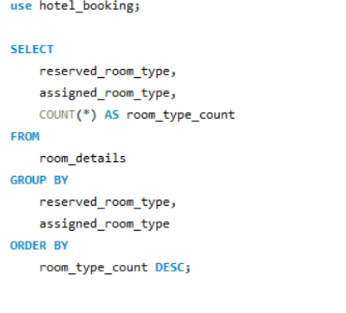

output | # reserved_room_type | assigned_room_type | room_type_count
 | A | A | 73598 | # reserved_room_type | Count of assigned_room_type
 | D | D | 17736 | A | 10
 | A | D | 7548 | B | 7
 | E | E | 5923 | C | 9
 | F | F | 2707 | D | 10
 | G | G | 2041 | E | 10
 | A | C | 1447 | F | 9
 | A | E | 1156 | G | 9
 | A | B | 1123 | H | 4
 | B | B | 988 | L | 6
 | C | C | 883 | P | 1
 | D | E | 686
 | H | H | 584
 | A | F | 417
Count of assigned_room_type by # reserved_room_type
 | Total
A | 10
B | 7
C | 9
D | 10
E | 10
F | 9
G | 9
H | 4
L | 6
P | 1
 | E | F | 404
 | D | A | 312
 | A | I | 215
 | A | K | 210
 | D | F | 204
 | A | G | 186
 | F | G | 116
 | B | A | 111
 | E | G | 100
 | A | H | 94
 | D | G | 82
 | D | I | 67
 | D | K | 44
 | E | I | 40
 | D | C | 34
 | F | E | 31
 | D | B | 27
 | E | D | 22
 | F | B | 17
 | E | K | 16
 | E | A | 15 | Conclusion
 | G | I | 15
 | G | F | 14 |  | The analysis of reserved and assigned room types reveals several insights regarding room allocation in the hotel. The most common scenario is when guests get the room type they initially reserved, as indicated by the large count in rows where reserved_room_type matches assigned_room_type, such as 'A' to 'A' and 'D' to 'D'.
 | P | P | 12
 | C | G | 10 |  | However, there are cases where guests are assigned different room types than what they reserved, which may indicate upgrades or downgrades. For example, 'A' to 'D' and 'A' to 'C' suggest that some guests received a different room type upon check-in. These discrepancies can be further investigated to understand the reasons behind the changes and to improve the booking and allocation process.
 | C | H | 10
 | F | I | 10 |  | Additionally, there are very few occurrences where the reserved and assigned room types differ significantly, indicating irregularities or special circumstances in room allocation, such as 'L' to 'A' or 'H' to 'D'. Further analysis of these cases may provide valuable insights into the hotel's operations and customer satisfaction.
 | C | I | 10
 | H | G | 10 |  | Overall, analyzing the distribution of reserved and assigned room types can help optimize room allocation processes and enhance the guest experience in the hotel.
 | D | H | 9
 | B | G | 8
 | E | C | 8
 | G | H | 7
 | H | I | 6
 | F | A | 6
 | C | D | 6
 | C | A | 5
 | B | D | 5
 | G | A | 5
 | F | D | 4
 | C | E | 4
 | G | E | 4
 | G | K | 4
 | E | H | 4
 | F | H | 3
 | E | B | 3
 | F | K | 3
 | B | E | 2
 | G | C | 2
 | B | K | 2
 | B | F | 2
 | G | B | 2
 | C | F | 2
 | C | B | 2
 | H | D | 1
 | L | C | 1
 | L | H | 1
 | L | L | 1
 | L | B | 1
 | L | F | 1
 | L | A | 1

Sheet3
final_preference | initial_preference | Count of # Booking_id
A | A | 801
C | C | 10
Count of # Booking_id by final_preference
D | D | 85
E | E | 72
F | F | 14
G | G | 13
H | H | 5

ques 17-19
1. Analyze the impact of booking changes on cancellation rates. Calculate cancellation rates for bookings with different numbers of changes. |  | 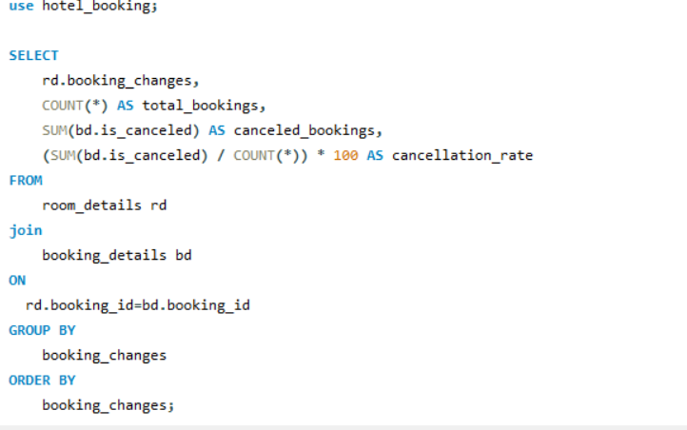

Analysis of Cancellation Rates by Booking Changes
output |  | # booking_changes | total_bookings | canceled_bookings | cancellation_rate
 |  | 0 | 101314 | 41391 | 40.8542
 |  | 1 | 12701 | 1807 | 14.2272
 |  | 2 | 3805 | 766 | 20.1314
 |  | 3 | 927 | 144 | 15.534
 |  | 4 | 376 | 67 | 17.8191
 |  | 5 | 118 | 20 | 16.9492
 |  | 6 | 63 | 18 | 28.5714
 |  | 7 | 31 | 3 | 9.6774
 |  | 8 | 17 | 4 | 23.5294
 |  | 9 | 8 | 1 | 12.5
 |  | 10 | 6 | 1 | 16.6667
 |  | 11 | 2 | 0 | 0
 |  | 12 | 2 | 0 | 0
 |  | 13 | 5 | 0 | 0
 |  | 14 | 5 | 1 | 20
 |  | 15 | 3 | 0 | 0
 |  | 16 | 2 | 1 | 50
 |  | 17 | 2 | 0 | 0
 |  | 18 | 1 | 0 | 0
 |  | 20 | 1 | 0 | 0
 |  | 21 | 1 | 0 | 0

Conclusion

 | The analysis of cancellation rates based on the number of booking changes reveals several interesting insights:

 | 1. Most bookings with no changes (0 booking changes) have a relatively high cancellation rate of approximately 40.85%. This suggests that bookings with no changes have a higher likelihood of being canceled.

 | 2. As the number of booking changes increases, the cancellation rate tends to decrease. Bookings with 6 changes or more have a higher variation in cancellation rates but are generally lower than bookings with fewer changes.

 | 3. Bookings with 11, 12, and 13 changes have no cancellations. This indicates that bookings with a very high number of changes are rarely canceled.

 | 4. Bookings with 16 changes have a very high cancellation rate of 50%, but the sample size is limited, making it less representative.

 | In summary, there is an inverse relationship between the number of booking changes and the cancellation rate, with fewer changes resulting in higher cancellation rates, and a higher number of changes reducing the likelihood of cancellations. However, extreme values with very high numbers of changes have their unique patterns.

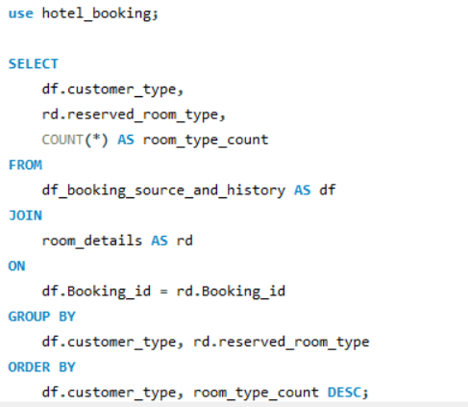
18. Explore how room type preferences vary across different customer types (e.g., Transient, Group). Identify if certain customer types have specific room preferences.

output |  | # customer_type | reserved_room_type | room_type_count
 |  | Contract | A | 2867 |  | # customer_type | Count of reserved_room_type | Sum of room_type_count
 |  | Contract | D | 843 |  | Contract | 8 | 4076
 |  | Contract | E | 177 |  | Group | 9 | 577
Count of reserved_room_type by # customer_type
 | Total
Contract | 8
Group | 9
Transient | 10
Transient-Party | 8
 |  | Contract | F | 102 |  | Transient | 10 | 89613
 |  | Contract | B | 75 |  | Transient-Party | 8 | 25124
 |  | Contract | C | 10
 |  | Contract | G | 1
 |  | Contract | H | 1
 |  | Group | A | 365
 |  | Group | D | 143
 |  | Group | E | 33
 |  | Group | G | 12
 |  | Group | F | 10
 |  | Group | B | 6
 |  | Group | C | 5
 |  | Group | H | 2
 |  | Group | P | 1
 |  | Transient | A | 60948
 |  | Transient | D | 16420
 |  | Transient | E | 5569
 |  | Transient | F | 2663
 |  | Transient | G | 1957
 |  | Transient | C | 828
 |  | Transient | B | 637
 |  | Transient | H | 574
 |  | Transient | P | 11
 |  | Transient | L | 6
 |  | Transient-Party | A | 21814
 |  | Transient-Party | D | 1795
 |  | Transient-Party | E | 756
 |  | Transient-Party | B | 400
 |  | Transient-Party | G | 124
 |  | Transient-Party | F | 122
 |  | Transient-Party | C | 89
 |  | Transient-Party | H | 24

Conclusion | A breakdown of preferred room types by type of customer reveals some intriguing trends:
 | Transient Clientele: With a noteworthy total of 60,948 reservations, transient clients exhibit a strong preference for room type A. With 16,420 and 5,569 bookings, respectively, room types D and E are likewise reasonably popular among short-term visitors.
 | Transient-Party Guests: With 21,814 bookings, room type A is the most popular among transient-party guests, followed by room type D with 1,795 bookings. Compared to other options, they typically use room types A and D more frequently.
 | Contract Clients: With 2,867 reservations, contract clients tend to book rooms type A. The next most popular choices among contract customers are room types D and E.

 | Group Reservations: Of the 365 reservations, group reservations show a preference for room type A. Group travelers also favor room types D and E.

 | By understanding the preferences of various customer types, hotels can better allocate rooms and improve guest satisfaction with the aid of these insights.

19.Examine whether guests who make multiple bookings have consistent room type preferences or if their preferences change over time

output |  | # Booking_id | initial_preference | final_preference
 |  | 9628719c | E | E
 |  | a8d51cb2 | A | A |  | final_preference | initial_preference | Count of # Booking_id
 |  | facb464b | E | E |  | A | A | 801
 |  | eb9412e8 | A | A |  | C | C | 10
Count of # Booking_id by final_preference
 | Total
A | 801
C | 10
D | 85
E | 72
F | 14
G | 13
H | 5
 |  | e41db109 | D | D |  | D | D | 85
 |  | 66152fa0 | A | A |  | E | E | 72
 |  | e3ceb13e | A | A |  | F | F | 14
 |  | b589e10d | A | A |  | G | G | 13
 |  | a0b4aaef | A | A |  | H | H | 5
 |  | f8fac5d6 | A | A
 |  | 8de98646 | A | A
 |  | fe715827 | A | A
 |  | c09a1b89 | A | A
 |  | 20fd1699 | A | A
 |  | 39af4e63 | A | A
 |  | 958eed3e | A | A
 |  | 19f041b5 | A | A
 |  | b66b18a6 | A | A
 |  | 2a214479 | A | A
 |  | 3c825c74 | A | A
 |  | 4afc2ce0 | A | A
 |  | 02deb381 | E | E
 |  | 0778bb61 | D | D
 |  | 592debf6 | E | E
 |  | 844bb595 | E | E | Conclusion | Based on an analysis of repeat guests' room type preferences, it appears that for the vast majority of bookings, repeat guests retain their initial room type preferences. The most Booking IDs (801) are associated with cases where both the initial and final room preferences are room type A. Room types C, D, E, F, G, and H were also consistently preferred by repeat guests in a few cases. This suggests that repeat visitors frequently stick with their initial room type selections.
 |  | 715cfc73 | E | E
 |  | 81fd9498 | A | A
 |  | 4de1d46f | A | A
 |  | 790367a3 | A | A
 |  | d804994b | A | A
 |  | bfd285ad | A | A
 |  | ce68062e | A | A
 |  | 0ef49e7f | A | A
 |  | edb6e04e | A | A
 |  | 81924901 | A | A
 |  | 5a444f81 | A | A
 |  | f66320ea | A | A
 |  | cf2f9f38 | A | A
 |  | c996767c | A | A
 |  | d68e34c9 | A | A
 |  | c1f53346 | D | D
 |  | cd54eebb | D | D
 |  | b5c75a9e | F | F
 |  | aa37ecce | A | A
 |  | f6adc3f7 | A | A
 |  | bd01ef79 | A | A
 |  | 3ab7030b | A | A
 |  | c501962c | D | D
 |  | 14b747c1 | A | A
 |  | 6a585d58 | A | A
 |  | 980828fe | A | A
 |  | c14dc6c3 | A | A
 |  | 99705089 | A | A
 |  | 8a41ebf7 | A | A
 |  | 551f23f3 | A | A
 |  | f38888ed | A | A
 |  | 424a0f2b | A | A
 |  | 184bbff3 | A | A
 |  | a016b9a9 | A | A
 |  | 2327809f | A | A
 |  | af76e018 | E | E
 |  | aa0b6773 | A | A
 |  | cb2a0a5d | A | A
 |  | ed656fdf | A | A
 |  | 2c31c60b | A | A
 |  | bcc7d6bc | A | A
 |  | 583f22a2 | A | A
 |  | 557218ad | A | A
 |  | a89dd2e8 | A | A
 |  | 349bbd41 | A | A
 |  | 3cf15ee2 | A | A
 |  | 2552ccc3 | A | A
 |  | a1612c65 | A | A
 |  | 3e39eff8 | A | A
 |  | 7dbcfb0d | A | A
 |  | 181cae26 | A | A
 |  | 60b0d0b0 | A | A
 |  | 595cf93c | A | A
 |  | 21b21156 | A | A
 |  | 6741f712 | A | A
 |  | 83edba7e | D | D
 |  | 089132ac | A | A
 |  | 5932ce1b | D | D
 |  | 53c3b610 | A | A
 |  | 9012854 | A | A
 |  | d442fcf4 | A | A
 |  | 55e08a42 | A | A
 |  | 79e9c854 | A | A
 |  | 1c5ad980 | D | D
 |  | b9393595 | A | A
 |  | a80c407e | A | A
 |  | b59bbd81 | A | A
 |  | 9d1506a9 | A | A
 |  | c6f45ea8 | A | A
 |  | 5510c0d2 | A | A
 |  | 0ed2639b | A | A
 |  | 3f17cbdf | A | A
 |  | a09efde0 | A | A
 |  | 3d0ca3af | A | A
 |  | f8932105 | A | A
 |  | bfdc79ac | A | A
 |  | e1668d04 | A | A
 |  | 20813856 | A | A
 |  | c958a08c | A | A
 |  | 6cc02484 | A | A
 |  | d8d87484 | A | A
 |  | aa119e0a | A | A
 |  | ef3bb5db | A | A
 |  | 830c95e1 | A | A
 |  | 960fea3d | A | A
 |  | c1d43e74 | D | D
 |  | ae43197d | D | D
 |  | 02cde73c | A | A
 |  | 4556c04d | A | A
 |  | 697a6dda | A | A
 |  | be95b69d | A | A
 |  | a0c3c341 | A | A
 |  | a2d0ca5e | A | A
 |  | 55d1cb0f | A | A
 |  | eaf58d7a | A | A
 |  | 0b567d12 | A | A
 |  | 4ff370d9 | A | A
 |  | 94b104ca | A | A
 |  | 1ef6ddda | A | A
 |  | 170cc650 | A | A
 |  | da6ccdbf | A | A
 |  | 194d1ffc | E | E
 |  | 223eacf1 | E | E
 |  | 01bd1da4 | E | E
 |  | 6f36c2d9 | E | E
 |  | 80c3e3fb | E | E
 |  | 4a784071 | E | E
 |  | 93b4c63c | E | E
 |  | eeac23d2 | E | E
 |  | e996d159 | E | E
 |  | 79549b6f | E | E
 |  | 1dedf8f0 | E | E
 |  | 046d2352 | E | E
 |  | 58189283 | E | E
 |  | 1df8fa35 | C | C
 |  | 1865454d | A | A
 |  | ad63818f | A | A
 |  | 52e35585 | A | A
 |  | f4ab5066 | A | A
 |  | 33891d6e | A | A
 |  | e1e555cd | A | A
 |  | a77be6e0 | A | A
 |  | 28bf6baa | D | D
 |  | 663a6a2d | E | E
 |  | cc08124e | E | E
 |  | 84e6da16 | A | A
 |  | ed1d0671 | A | A
 |  | b07eed08 | D | D
 |  | bf6b4d96 | A | A
 |  | d2893cbb | A | A
 |  | 657d6eb3 | A | A
 |  | 72678283 | A | A
 |  | 22e4255f | A | A
 |  | 6579c2f9 | A | A
 |  | 9c3c31d3 | A | A
 |  | e8af23e5 | A | A
 |  | 700f66da | A | A
 |  | 7d8f73a8 | A | A
 |  | 63e82755 | A | A
 |  | 3.50E+09 | E | E
 |  | eff2c14e | E | E
 |  | 59f707c5 | A | A
 |  | f924c0eb | A | A
 |  | ce3c8506 | A | A
 |  | 3c1a1a24 | A | A
 |  | 0f269403 | A | A
 |  | 7387753e | A | A
 |  | 6a9a2645 | A | A
 |  | a9466681 | E | E
 |  | 1b9dbaa9 | A | A
 |  | 1c8409ae | A | A
 |  | 753cb867 | E | E
 |  | 26832a7f | D | D
 |  | 96bf0407 | A | A
 |  | 385b079b | A | A
 |  | 84375779 | A | A
 |  | df14b0ff | A | A
 |  | 7c57a0aa | A | A
 |  | fe29ceed | A | A
 |  | e8df72b0 | A | A
 |  | c8c77fd9 | A | A
 |  | 94803f15 | A | A
 |  | 05dbc55f | A | A
 |  | 1db5f438 | A | A
 |  | 21227d9a | A | A
 |  | d91e5392 | A | A
 |  | 60da6430 | A | A
 |  | c9e85a88 | A | A
 |  | b867630c | A | A
 |  | d8bb3975 | A | A
 |  | 2441e17f | A | A
 |  | 13a73884 | A | A
 |  | 8a2efd21 | A | A
 |  | 98f26eda | A | A
 |  | 04efa018 | A | A
 |  | 165d7aef | A | A
 |  | a3c8482c | D | D
 |  | 1e3147b8 | G | G
 |  | 292c16ce | E | E
 |  | 6456006e | E | E
 |  | 884bcd1b | A | A
 |  | 6430d659 | A | A
 |  | b94f0c2d | A | A
 |  | 013ddf15 | A | A
 |  | 3757644b | C | C
 |  | b9847206 | A | A
 |  | 56472b4c | F | F
 |  | 30961329 | F | F
 |  | 3c21f85e | G | G
 |  | ffd4661c | A | A
 |  | bff0a1bb | A | A
 |  | aa168477 | A | A
 |  | 2edb2a53 | A | A
 |  | b05f6875 | A | A
 |  | da2fb087 | E | E
 |  | 60209f4d | A | A
 |  | a90f4206 | E | E
 |  | e1703387 | A | A
 |  | 8c122099 | A | A
 |  | 8e99731b | A | A
 |  | 0bf6f751 | A | A
 |  | e0211198 | A | A
 |  | 74caf0ec | D | D
 |  | 3830acc6 | E | E
 |  | 42f87445 | E | E
 |  | 0525acba | G | G
 |  | ece389de | A | A
 |  | b3f7b59e | E | E
 |  | 777b9b66 | D | D
 |  | 520f0bc5 | D | D
 |  | dd525e5f | D | D
 |  | f781ec53 | A | A
 |  | 57866ab8 | C | C
 |  | 9003000e | C | C
 |  | 85b57ee1 | A | A
 |  | fc94abac | A | A
 |  | bd6604df | A | A
 |  | 191948fd | A | A
 |  | 47e67498 | A | A
 |  | 2f7b11d9 | A | A
 |  | 65294734 | A | A
 |  | a5798044 | A | A
 |  | e7e1d1d3 | A | A
 |  | f69dc510 | D | D
 |  | 4bcf3fa2 | D | D
 |  | 4d920d21 | C | C
 |  | b52d72ef | D | D
 |  | f527effd | E | E
 |  | 5c0110d4 | A | A
 |  | 8a7b308a | C | C
 |  | 25563773 | E | E
 |  | 67594b4a | A | A
 |  | 230497f3 | F | F
 |  | c0527438 | D | D
 |  | add349b5 | G | G
 |  | b5516fac | A | A
 |  | a1ab7172 | A | A
 |  | 0e874bc5 | A | A
 |  | 88697d64 | A | A
 |  | 6480ce01 | A | A
 |  | 31b85223 | D | D
 |  | 59c349ef | A | A
 |  | 4834992a | A | A
 |  | db506a6c | D | D
 |  | aee38a91 | D | D
 |  | 6bdf7759 | A | A
 |  | a42a6566 | A | A
 |  | b3dc9e7d | A | A
 |  | 5a752188 | A | A
 |  | e8598a6c | A | A
 |  | 15233c54 | A | A
 |  | 4103a202 | A | A
 |  | 3997c7f8 | A | A
 |  | 8b162f0e | A | A
 |  | 25dc75cf | A | A
 |  | 56b39a69 | A | A
 |  | d24cf129 | A | A
 |  | 60d1dd16 | A | A
 |  | 17933301 | A | A
 |  | b7729a73 | A | A
 |  | cfa5e629 | A | A
 |  | b4627f0a | G | G
 |  | 226aaa02 | A | A
 |  | eeadcae0 | A | A
 |  | 809f8675 | E | E
 |  | abb8f74c | A | A
 |  | 6bb2388c | A | A
 |  | bf40d7cf | E | E
 |  | f604c97d | D | D
 |  | 83aacb6a | A | A
 |  | 12852808 | D | D
 |  | 2b8e6084 | A | A
 |  | 010d2357 | A | A
 |  | 0b027506 | A | A
 |  | 68b84a5a | A | A
 |  | 17a12ee5 | A | A
 |  | 3febc079 | A | A
 |  | 7b028e7b | A | A
 |  | 8c688eed | A | A
 |  | abc70e39 | A | A
 |  | 9b44af64 | F | F
 |  | bab20aea | A | A
 |  | 9d9830fa | A | A
 |  | 58891107 | A | A
 |  | 352919f1 | A | A
 |  | 55f55c5d | A | A
 |  | 5a21f7e3 | A | A
 |  | 05aee963 | A | A
 |  | e21f8e65 | A | A
 |  | af794976 | A | A
 |  | 2982904c | A | A
 |  | 76ec8341 | A | A
 |  | cb6d91e6 | A | A
 |  | 706cfbcf | A | A
 |  | f79d7430 | A | A
 |  | 2ab210c6 | D | D
 |  | ea95d495 | A | A
 |  | 8805398 | A | A
 |  | 64d301f8 | A | A
 |  | 99085deb | A | A
 |  | 92cd5305 | A | A
 |  | d63d96b3 | A | A
 |  | b555c674 | A | A
 |  | 6a8097c3 | D | D
 |  | 1038f2c9 | D | D
 |  | 32613038 | A | A
 |  | 566e29e1 | A | A
 |  | ce65da85 | A | A
 |  | 323af313 | A | A
 |  | ec146528 | A | A
 |  | 0d3a6e07 | A | A
 |  | 50f3d25e | A | A
 |  | 3974da52 | A | A
 |  | c263fbf1 | A | A
 |  | 21478515 | A | A
 |  | 16a28b26 | A | A
 |  | bb19ad88 | A | A
 |  | 3a732a7f | A | A
 |  | 8f9d0762 | A | A
 |  | d2ebf30a | A | A
 |  | f0bc300d | A | A
 |  | 06537e5b | A | A
 |  | f4b43889 | A | A
 |  | bb20c1f0 | A | A
 |  | 7c7e1229 | A | A
 |  | 5413c6df | A | A
 |  | a041d17a | A | A
 |  | 20797ebb | A | A
 |  | 3b521b9f | A | A
 |  | 99d6b992 | A | A
 |  | 5ab83247 | A | A
 |  | bbf81422 | A | A
 |  | 875dfacf | H | H
 |  | 4d65cd82 | D | D
 |  | 5bfce956 | A | A
 |  | 3d553374 | A | A
 |  | 461a84b2 | A | A
 |  | 2b9cad1e | A | A
 |  | fe7204b1 | A | A
 |  | 2bb5d449 | A | A
 |  | 333f17f0 | A | A
 |  | aec7ccb7 | A | A
 |  | ec5f1cb6 | A | A
 |  | 9c015a8e | A | A
 |  | 0e110926 | D | D
 |  | ec520c31 | A | A
 |  | 78b4281f | A | A
 |  | 89ad6931 | A | A
 |  | 53ffacd2 | A | A
 |  | ab85c920 | A | A
 |  | e4a34cac | A | A
 |  | ceaadc6f | D | D
 |  | ecfe8314 | A | A
 |  | 6ec565c1 | A | A
 |  | c95b2c47 | A | A
 |  | 43e11350 | A | A
 |  | 509cf217 | A | A
 |  | b95fa1f5 | A | A
 |  | 8927bbfe | A | A
 |  | cfddb927 | A | A
 |  | 4baa7c1a | A | A
 |  | cf6107e7 | A | A
 |  | f018ac1e | A | A
 |  | 3a36d1e0 | A | A
 |  | 48ad91a6 | A | A
 |  | 25969e3c | A | A
 |  | dc203cfa | A | A
 |  | f1e93825 | A | A
 |  | c7bef9ae | A | A
 |  | f63a425d | A | A
 |  | 85d5d917 | A | A
 |  | 5c875768 | A | A
 |  | 3e75b997 | A | A
 |  | 5f1122c0 | A | A
 |  | 6b124ea8 | A | A
 |  | c30670a9 | A | A
 |  | fe041b8b | A | A
 |  | 8f230f3d | A | A
 |  | ba102a92 | A | A
 |  | 9e1917f0 | A | A
 |  | 63c8e21d | A | A
 |  | 72537a7c | A | A
 |  | 4caf190a | A | A
 |  | 83578ac7 | A | A
 |  | 50b02e89 | A | A
 |  | b15d5e94 | A | A
 |  | dd8f2e82 | A | A
 |  | 649efc4b | A | A
 |  | 09a3b35e | A | A
 |  | 3694cb49 | A | A
 |  | f2af5cc1 | A | A
 |  | ba7c9d58 | A | A
 |  | 9efc1ee1 | A | A
 |  | 8b2753c2 | A | A
 |  | 3cf585df | A | A
 |  | 805b08e9 | A | A
 |  | f15a488f | A | A
 |  | 01d3fb6a | A | A
 |  | d4bf611a | A | A
 |  | fa4ed8a3 | A | A
 |  | f851a6cf | A | A
 |  | 8997f1ca | A | A
 |  | ee54585f | A | A
 |  | ee42c06a | A | A
 |  | a1fab63b | E | E
 |  | e6ab80ca | A | A
 |  | b9d165ed | A | A
 |  | 3139a0d9 | A | A
 |  | d8c283aa | A | A
 |  | e83741f7 | A | A
 |  | cb062d8c | A | A
 |  | 01a9e9cf | A | A
 |  | 6c37ea52 | A | A
 |  | 936a0434 | A | A
 |  | 56fd4ae8 | A | A
 |  | 9c709990 | A | A
 |  | 53d37271 | D | D
 |  | e7646cc7 | D | D
 |  | bd936955 | G | G
 |  | dd62c775 | E | E
 |  | 914ab663 | E | E
 |  | 544d8509 | A | A
 |  | 0939207b | A | A
 |  | 3199cc3e | A | A
 |  | a8cf3bb1 | A | A
 |  | 6481d511 | A | A
 |  | 87737692 | A | A
 |  | 112d9648 | A | A
 |  | ce738210 | A | A
 |  | c2dd49b0 | A | A
 |  | 458e3e9d | A | A
 |  | 20845f6c | A | A
 |  | b28bd5ca | A | A
 |  | 95c3566c | E | E
 |  | 94be485a | A | A
 |  | 7dd85a36 | A | A
 |  | 7b9948ab | A | A
 |  | 15cef5c1 | A | A
 |  | 745a9da5 | A | A
 |  | cf181ecc | A | A
 |  | 0fcb16f8 | A | A
 |  | fa9d7619 | A | A
 |  | 6833ea06 | A | A
 |  | f3822540 | A | A
 |  | f661960e | A | A
 |  | f36d5400 | A | A
 |  | f07960fd | A | A
 |  | 4e2b3e41 | A | A
 |  | 9eef2207 | A | A
 |  | f64a3956 | A | A
 |  | 9926de71 | A | A
 |  | d8c377bf | A | A
 |  | 55fce697 | A | A
 |  | 7cfde1a4 | A | A
 |  | a71327b2 | A | A
 |  | 82eac822 | A | A
 |  | 21adff2e | A | A
 |  | a4fe97b1 | A | A
 |  | c3f232c1 | A | A
 |  | 4649b79a | A | A
 |  | 53f8e821 | A | A
 |  | d6d2aa08 | A | A
 |  | 2db0c75e | A | A
 |  | 39bfff1d | A | A
 |  | 915472f0 | A | A
 |  | d3491b60 | A | A
 |  | b1991e95 | A | A
 |  | 7e5ce007 | A | A
 |  | 0647daf6 | A | A
 |  | 9bd0cb98 | A | A
 |  | 8c6742e8 | A | A
 |  | 6d9600f7 | A | A
 |  | 7e0cb11b | A | A
 |  | 65dbbf20 | A | A
 |  | 9f994954 | A | A
 |  | 143e9b8b | A | A
 |  | 2343347d | A | A
 |  | 916d6293 | A | A
 |  | 100e3d4e | D | D
 |  | bb2ffd81 | A | A
 |  | d729a136 | A | A
 |  | 12c1b068 | F | F
 |  | 0df4c4b0 | E | E
 |  | bd44afac | A | A
 |  | fbf4d169 | A | A
 |  | 1759e7a2 | A | A
 |  | 3f339e1f | A | A
 |  | 0d934de8 | A | A
 |  | 87d7654a | A | A
 |  | 5a282462 | A | A
 |  | abafe872 | A | A
 |  | 9e9b75dc | A | A
 |  | dcaf9997 | A | A
 |  | d39575e2 | A | A
 |  | bef59c64 | A | A
 |  | 0bf9ae6e | A | A
 |  | f1b1bf05 | A | A
 |  | 88b6d8d1 | A | A
 |  | 7e634f89 | A | A
 |  | 6d34d3d8 | A | A
 |  | 670b3663 | A | A
 |  | c824da73 | A | A
 |  | 41a6e454 | A | A
 |  | 298bdf1c | A | A
 |  | abb8970a | A | A
 |  | e58cc24a | A | A
 |  | 01eebb15 | A | A
 |  | 02d18a5d | A | A
 |  | e76dc131 | A | A
 |  | c018a804 | A | A
 |  | af663f03 | A | A
 |  | 6083c0dc | A | A
 |  | 9d04aaea | A | A
 |  | b59f7436 | A | A
 |  | 4f06cb23 | A | A
 |  | 5744a228 | A | A
 |  | 05c671b9 | E | E
 |  | 0da89d56 | A | A
 |  | 3bc8645e | F | F
 |  | 22a9fccd | A | A
 |  | f60baf30 | A | A
 |  | 7e80a312 | A | A
 |  | d5893912 | A | A
 |  | 35053ee7 | D | D
 |  | 95ecfc2c | A | A
 |  | 8c75f75a | A | A
 |  | bfebf0db | E | E
 |  | bfbabb67 | A | A
 |  | 74c77f8b | A | A
 |  | 3a18769e | A | A
 |  | 8f5d0e87 | A | A
 |  | 89474238 | D | D
 |  | 941812c5 | A | A
 |  | 3c273757 | A | A
 |  | 0360e924 | A | A
 |  | bb60b744 | A | A
 |  | cde4b97e | A | A
 |  | 57241496 | A | A
 |  | fe55a7e1 | A | A
 |  | e9318a83 | A | A
 |  | 4bd13630 | A | A
 |  | 43956896 | A | A
 |  | 8ed9bc26 | A | A
 |  | b4f845a5 | A | A
 |  | b8a37e3f | A | A
 |  | c96c89dd | A | A
 |  | 28ccbdfe | A | A
 |  | ba4227ab | A | A
 |  | 1ed745fb | A | A
 |  | a0aef38d | A | A
 |  | 35cb86a3 | A | A
 |  | 829fa7e3 | A | A
 |  | ab908d18 | A | A
 |  | 956ec8b7 | A | A
 |  | bd97be1b | A | A
 |  | 3fa9ed29 | A | A
 |  | a6e0457e | A | A
 |  | 714372a5 | A | A
 |  | 791638cf | F | F
 |  | cbe54a07 | A | A
 |  | 200d3f69 | A | A
 |  | 1f7e7367 | A | A
 |  | c19872a2 | A | A
 |  | af496df9 | A | A
 |  | 4591d827 | A | A
 |  | a09f7b29 | A | A
 |  | 7688a6e0 | A | A
 |  | 7b15c6ae | A | A
 |  | 8d6e6133 | H | H
 |  | 755585f7 | C | C
 |  | d9cfa7f1 | C | C
 |  | 265af48d | D | D
 |  | 2732653 | A | A
 |  | f70a142b | A | A
 |  | 0178ade5 | A | A
 |  | 15414ebe | A | A
 |  | 8931af32 | A | A
 |  | c522a741 | D | D
 |  | 9c14c89c | D | D
 |  | d2d03fe0 | A | A
 |  | 279ed76d | D | D
 |  | 951b3814 | D | D
 |  | 09336a64 | D | D
 |  | 14b4f275 | A | A
 |  | c4fc2e62 | A | A
 |  | 5cff85d6 | A | A
 |  | cafbe7fc | A | A
 |  | 2446436f | A | A
 |  | 545089ec | E | E
 |  | 81b51501 | D | D
 |  | 250d7252 | D | D
 |  | 9b00e640 | A | A
 |  | 1f944923 | A | A
 |  | c1fa36e4 | G | G
 |  | e390c0b3 | A | A
 |  | 13abafe6 | A | A
 |  | 72ff43f5 | A | A
 |  | f552abd6 | A | A
 |  | 120f6b60 | A | A
 |  | 3fb27d02 | A | A
 |  | 34ccbd3a | A | A
 |  | 5f2201a5 | A | A
 |  | 4d5c838c | A | A
 |  | a070be13 | A | A
 |  | 22cff63f | A | A
 |  | ec6fc820 | A | A
 |  | 59b01134 | A | A
 |  | e9feeca0 | A | A
 |  | 61fd557b | A | A
 |  | 0ff54624 | A | A
 |  | 2445084d | E | E
 |  | 122329d7 | F | F
 |  | f2151ab2 | A | A
 |  | 1bdbf25e | A | A
 |  | f0c20120 | E | E
 |  | 2745ab0c | D | D
 |  | f21ef320 | A | A
 |  | eb9efd42 | A | A
 |  | 183c493e | A | A
 |  | 4cb7ef7b | A | A
 |  | ede53fb9 | A | A
 |  | a2570358 | A | A
 |  | ac32593a | A | A
 |  | 109c0be7 | A | A
 |  | 97a431fa | G | G
 |  | d2589c32 | A | A
 |  | 9077e77b | A | A
 |  | bb19a13f | A | A
 |  | 3219f155 | A | A
 |  | 8fbfdc0a | A | A
 |  | c81b624d | A | A
 |  | f5d4f1a0 | A | A
 |  | 88c6acc0 | A | A
 |  | 2d2d6943 | A | A
 |  | f4deabdc | A | A
 |  | 274696d3 | A | A
 |  | e2c4f4aa | E | E
 |  | 5984f5ab | E | E
 |  | 400b2204 | A | A
 |  | e30caaeb | D | D
 |  | 179ff5a8 | A | A
 |  | 21248fa3 | A | A
 |  | dd7b37e8 | E | E
 |  | 13af5ef5 | A | A
 |  | d00d3147 | G | G
 |  | d77d1a15 | A | A
 |  | dd53a2ee | D | D
 |  | f09f1bd7 | A | A
 |  | eed31c7d | A | A
 |  | 0b0243b4 | A | A
 |  | 7d205a7f | A | A
 |  | 611ea5b1 | A | A
 |  | 57f8aa32 | A | A
 |  | fac9444d | A | A
 |  | 41927788 | A | A
 |  | 94453e5c | A | A
 |  | 0add638f | A | A
 |  | d38e5e7a | A | A
 |  | b530f475 | A | A
 |  | 164f0049 | A | A
 |  | abcd50d3 | A | A
 |  | cfaaf13a | A | A
 |  | af02228a | A | A
 |  | 2.56E+08 | A | A
 |  | 4a830856 | A | A
 |  | 73fd74df | A | A
 |  | 57fef409 | D | D
 |  | e5b5d447 | A | A
 |  | 7af0ec6e | A | A
 |  | e028a123 | A | A
 |  | 69de2273 | A | A
 |  | caf5011a | A | A
 |  | 36fe11c7 | A | A
 |  | 6f74d27c | A | A
 |  | 3fb617b1 | A | A
 |  | 089a4e7f | A | A
 |  | abfb35ff | E | E
 |  | de2754a7 | D | D
 |  | 2a0638d4 | A | A
 |  | 5b36200f | E | E
 |  | eb53341d | E | E
 |  | a6b16590 | E | E
 |  | a0c13688 | F | F
 |  | 0a4fe8ca | D | D
 |  | 99ecf3cf | E | E
 |  | ad207a5e | D | D
 |  | 23f35bc4 | H | H
 |  | db493e81 | A | A
 |  | f84164d0 | A | A
 |  | c28747f1 | F | F
 |  | 7228a669 | A | A
 |  | d158f008 | A | A
 |  | 0b786379 | E | E
 |  | ce7c0a8a | A | A
 |  | b59a8562 | A | A
 |  | b59cb1c7 | A | A
 |  | 8230b2a0 | A | A
 |  | a95c21e6 | E | E
 |  | 71853cb9 | E | E
 |  | 219e29be | E | E
 |  | 5c8ec859 | A | A
 |  | 25c7fb08 | A | A
 |  | 48305356 | D | D
 |  | 69ea4f8d | C | C
 |  | a5f2580e | D | D
 |  | 8128f029 | E | E
 |  | da08c351 | D | D
 |  | 919aa5a0 | D | D
 |  | 21cb73c6 | A | A
 |  | 912a86b7 | D | D
 |  | 1cd13e8a | A | A
 |  | 33447211 | A | A
 |  | 45c2153b | A | A
 |  | ca25b579 | A | A
 |  | 4bf93fcb | A | A
 |  | 44e06529 | A | A
 |  | bd226afd | D | D
 |  | a001c50d | E | E
 |  | d6676a12 | A | A
 |  | d4ea4003 | F | F
 |  | 1cbacf72 | A | A
 |  | fc73f537 | A | A
 |  | 826674c8 | A | A
 |  | e0f939b5 | A | A
 |  | 34407125 | A | A
 |  | 16e7346c | A | A
 |  | 2d15faea | A | A
 |  | 0ea41d28 | A | A
 |  | 5fd998e9 | A | A
 |  | 122a8ef1 | A | A
 |  | ebc461fd | A | A
 |  | e953920c | A | A
 |  | 6d7579de | D | D
 |  | d5ee234f | A | A
 |  | 295dc76c | D | D
 |  | 9b64eac8 | A | A
 |  | 840decb7 | D | D
 |  | 41d2ad7d | A | A
 |  | ef754e8d | A | A
 |  | 14c89f94 | D | D
 |  | bb2b1a1a | G | G
 |  | 66567fe1 | A | A
 |  | 189edce9 | A | A
 |  | b97f3feb | A | A
 |  | 944b03d3 | A | A
 |  | dd70ae35 | A | A
 |  | 9a2be153 | A | A
 |  | 09f84ac6 | A | A
 |  | 154e2cf2 | A | A
 |  | 4.35E+27 | A | A
 |  | bc2b7c91 | A | A
 |  | 368efc14 | A | A
 |  | f2200ffa | A | A
 |  | d8fcc2d5 | A | A
 |  | 68719f32 | A | A
 |  | 73a81da0 | A | A
 |  | 16805032 | A | A
 |  | 8e3f1dc8 | A | A
 |  | 25b6beed | A | A
 |  | 7e1ac5e3 | D | D
 |  | 8dbf1334 | D | D
 |  | 4701001d | D | D
 |  | 11f45f80 | E | E
 |  | 4776b55d | G | G
 |  | e4b554a8 | A | A
 |  | 87a7ee3d | A | A
 |  | d12f17a1 | A | A
 |  | 79e9d81e | A | A
 |  | 02618bb5 | A | A
 |  | f6ed3394 | A | A
 |  | 4aecbf29 | A | A
 |  | 98e8f7f5 | A | A
 |  | ad69c7fb | A | A
 |  | f23be612 | A | A
 |  | cbbf85fd | A | A
 |  | 35e55fe9 | A | A
 |  | 14f273d9 | F | F
 |  | d144dbc0 | G | G
 |  | a4a36474 | A | A
 |  | 76d9bd5b | D | D
 |  | c045578b | A | A
 |  | 89975fda | A | A
 |  | ffd58be2 | A | A
 |  | 1ee8512f | A | A
 |  | 37b9e558 | A | A
 |  | e95cae8b | A | A
 |  | 831b4713 | A | A
 |  | 312e6f6e | A | A
 |  | bb57c78c | A | A
 |  | 1d37e578 | A | A
 |  | a7b249f2 | A | A
 |  | 50a9af4a | A | A
 |  | dde9a220 | A | A
 |  | 05705ffb | A | A
 |  | e7631cc8 | A | A
 |  | 4b034438 | A | A
 |  | ac7c62f2 | E | E
 |  | 9c77140b | A | A
 |  | caa3bafc | A | A
 |  | f9a1a680 | A | A
 |  | 134bf922 | A | A
 |  | b704553a | A | A
 |  | abba9685 | A | A
 |  | 0876d734 | A | A
 |  | dd21da7a | A | A
 |  | 76987a8c | A | A
 |  | 365984df | A | A
 |  | f06c17cc | A | A
 |  | 348b398a | D | D
 |  | 4eefc912 | A | A
 |  | 4ee33df5 | A | A
 |  | a47544dc | A | A
 |  | 7678f402 | A | A
 |  | 58e237fd | A | A
 |  | f9728b5f | A | A
 |  | 028750b2 | A | A
 |  | 59ee28dc | A | A
 |  | 81ab3f69 | A | A
 |  | 5f6c3788 | A | A
 |  | d586e2f6 | A | A
 |  | 736e742e | A | A
 |  | 5e87b348 | A | A
 |  | d5f45b51 | A | A
 |  | a9b13d63 | A | A
 |  | 425a1d92 | A | A
 |  | 1c4632f0 | A | A
 |  | 6539afd2 | A | A
 |  | dac8d55e | A | A
 |  | 8e37052c | A | A
 |  | 47ccdb8f | A | A
 |  | 584f07fc | A | A
 |  | ac3a8868 | A | A
 |  | 96318e1d | G | G
 |  | 0e874d60 | C | C
 |  | 1d634715 | A | A
 |  | ca652283 | A | A
 |  | 886b0314 | E | E
 |  | 428b034a | A | A
 |  | 67c688be | A | A
 |  | 58f971bb | E | E
 |  | 76386ad6 | A | A
 |  | 0846953b | A | A
 |  | abe5c661 | A | A
 |  | 80135eec | A | A
 |  | 6ebee131 | A | A
 |  | dc0436d7 | F | F
 |  | fba08834 | A | A
 |  | 7c56433f | A | A
 |  | 09dfb7dd | A | A
 |  | 95a55757 | A | A
 |  | c0a5c590 | A | A
 |  | 39c7a8a8 | A | A
 |  | 7d7ad73e | A | A
 |  | 476ae28d | A | A
 |  | 2478baf3 | A | A
 |  | 3d8b89c5 | A | A
 |  | 955f08a8 | A | A
 |  | aa4f93c0 | A | A
 |  | c12935cf | A | A
 |  | c54593fd | A | A
 |  | 48fc66f6 | A | A
 |  | 8e61ca7f | A | A
 |  | 27f6dd95 | A | A
 |  | f55c43a2 | A | A
 |  | daa2d211 | A | A
 |  | 92e8f5d5 | A | A
 |  | bb9c77fd | D | D
 |  | 92b1e172 | A | A
 |  | d31cbce4 | A | A
 |  | 81a82b1f | A | A
 |  | 8093e999 | A | A
 |  | d1c1d2dc | D | D
 |  | e5463a74 | A | A
 |  | 442d1878 | A | A
 |  | e7babdfe | A | A
 |  | ec3dcdf9 | A | A
 |  | 25e23581 | D | D
 |  | 8c16a37a | D | D
 |  | ab17a52a | D | D
 |  | 5809913a | D | D
 |  | 3c861bcf | A | A
 |  | 4a99cb57 | A | A
 |  | d729c22d | A | A
 |  | f5f52fb6 | A | A
 |  | 4985230f | D | D
 |  | 732eed1e | E | E
 |  | 1ce0fda5 | H | H
 |  | 72fc880e | A | A
 |  | 05d16026 | A | A
 |  | 4a47b4e2 | D | D
 |  | 0be788c3 | A | A
 |  | a96c0b0b | A | A
 |  | 094340c8 | A | A
 |  | a5efca8e | A | A
 |  | 8c150ec6 | A | A
 |  | 27c78bb1 | E | E
 |  | 7b40919f | D | D
 |  | 11e2ce9c | D | D
 |  | 392d14c5 | A | A
 |  | 7505bf9d | A | A
 |  | 8aa35645 | A | A
 |  | 832838b1 | A | A
 |  | bda5e2b9 | A | A
 |  | 42a89eda | A | A
 |  | 238aaac2 | A | A
 |  | 14fbc3a2 | A | A
 |  | 7e336294 | A | A
 |  | b41169f6 | A | A
 |  | cb441e96 | A | A
 |  | ea58d04e | A | A
 |  | ac9a853c | E | E
 |  | c1116453 | A | A
 |  | 49b08a09 | A | A
 |  | c2b46fc1 | E | E
 |  | f9c7640b | D | D
 |  | 6f58d854 | A | A
 |  | 96415d18 | D | D
 |  | d64304ab | H | H
 |  | 45fd45f5 | A | A
 |  | dc548f81 | D | D
 |  | 8045670e | A | A
 |  | 6260b052 | A | A
 |  | ad161f4d | A | A
 |  | 902deda7 | A | A
 |  | 72c29995 | A | A
 |  | 079de520 | A | A
 |  | efbef17d | A | A
 |  | 2850aaf7 | A | A
 |  | 6f3b2457 | A | A
 |  | 45ba8191 | D | D
 |  | 741a20d4 | A | A
 |  | 571d6e7f | A | A
 |  | a333991a | D | D
 |  | 66982462 | A | A
 |  | f87da244 | A | A
 |  | 5.83E+13 | A | A
 |  | 397a54ae | A | A
 |  | 4ee74dbd | A | A
 |  | 37863235 | A | A
 |  | d49a9c14 | A | A
 |  | 573bed21 | D | D
 |  | 1be5c852 | A | A
 |  | 42be3c41 | A | A
 |  | 902c91a8 | A | A
 |  | 28846667 | A | A
 |  | 42ee65ff | E | E
 |  | 09b198c4 | A | A
 |  | d6255923 | D | D
 |  | 798bd227 | A | A
 |  | 43f29226 | A | A
 |  | ef91c5df | A | A
 |  | fc6b927e | A | A
 |  | 726e8d82 | A | A
 |  | 994ce8a1 | E | E
 |  | e975273b | E | E
 |  | f1d63981 | A | A
 |  | 20394955 | A | A
 |  | 9d3aa828 | A | A
 |  | 3eea3785 | A | A
 |  | ddc0da5f | A | A
 |  | 6cb3ee5c | A | A
 |  | aaaaf1df | A | A
 |  | 1e863712 | A | A
 |  | 107e7884 | A | A
 |  | 22507f98 | A | A
 |  | ca80f32a | A | A
 |  | d30edfb7 | A | A
 |  | 1079b87d | A | A
 |  | 226d761c | A | A
 |  | f3df5706 | A | A
 |  | 193bd58b | A | A
 |  | ac7f5a81 | A | A
 |  | b9a75dca | A | A
 |  | b4555481 | A | A
 |  | fb13a8b2 | A | A

ques 20-21
20. Understand the distribution of reservation statuses and calculate summary statistics for reservation status dates. |  | 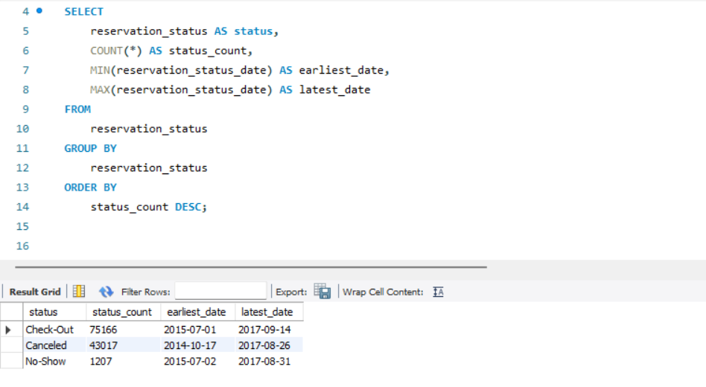

output |  | # status | status_count | earliest_date | latest_date
 |  | Check-Out | 75166 | 2015-07-01 | 2017-09-14
 |  | Canceled | 43017 | 2014-10-17 | 2017-08-26
 |  | No-Show | 1207 | 2015-07-02 | 2017-08-31

conclusion
 |  | The analysis of reservation statuses reveals the following insights:

 |  | 1. **Check-Out**: This status is the most common, occurring 75,166 times in the dataset. The earliest recorded Check-Out date is on July 1, 2015, and the latest date is on September 14, 2017. This status indicates successful guest stays and departures.

 |  | 2. **Canceled**: The Canceled status occurs 43,017 times. The earliest recorded Canceled date is on October 17, 2014, and the latest date is on August 26, 2017. Cancellations are a significant portion of the reservations, indicating booking changes or cancellations by guests.

 |  | 3. **No-Show**: The No-Show status appears 1,207 times, with the earliest recorded No-Show date on July 2, 2015, and the latest on August 31, 2017. No-Show indicates instances where guests didn't arrive for their reservations.

 |  | In summary, most reservations result in successful Check-Outs, while a significant number of reservations are Canceled. No-Show cases are relatively infrequent. Understanding these reservation statuses can help in managing and optimizing hotel operations.

21. Analyze trends in reservation status dates, including the most common checkout dates and any seasonality patterns.

1 | Count the occurrences of each check-out date: |  |  |  |  | 2 | Analyze seasonality: |  |  |  | 3 | Calculate monthly averages:
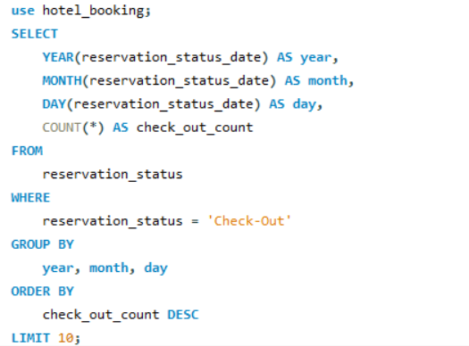
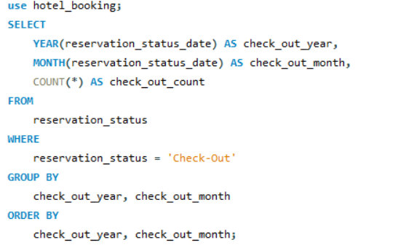
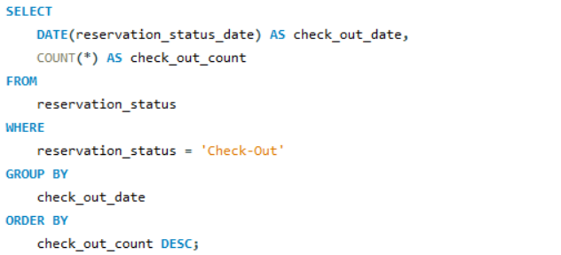

 | check_out_count
12/8/2015 | 243
6/26/2016 | 228
5/29/2016 | 225
2/14/2016 | 207
11/22/2015 | 202
10/16/2016 | 194
12/11/2016 | 191
9/25/2016 | 188
3/26/2017 | 188
1/19/2017 | 188
5/25/2017 | 185
1/2/2017 | 181
4/9/2017 | 181
3/27/2016 | 177
10/12/2015 | 173
1/3/2016 | 173
5/8/2016 | 173
5/26/2016 | 171
10/10/2016 | 171
7/15/2017 | 171
2/24/2017 | 169
4/29/2017 | 169
9/15/2016 | 168
5/28/2017 | 168
10/9/2015 | 165
10/28/2015 | 159
10/18/2015 | 158
6/11/2017 | 158
10/4/2015 | 157
10/19/2015 | 157
10/31/2015 | 157
6/17/2016 | 156
10/6/2016 | 156
8/27/2017 | 156
5/24/2017 | 156
5/16/2016 | 155
11/6/2016 | 155
9/30/2015 | 154
2/26/2017 | 154
2/19/2017 | 154
8/1/2016 | 153
3/6/2016 | 153
8/16/2015 | 152
3/13/2016 | 152
9/18/2016 | 151
5/2/2017 | 151
5/19/2016 | 150
6/12/2016 | 150
9/21/2016 | 150
12/4/2016 | 150
...
Analysing seasonality patterns
output |  | # check_out_date | check_out_count |  |  | Output |  | # check_out_year | check_out_month | check_out_count
 |  | 2015-12-08 | 243 |  |  |  |  | 2015 | 7 | 1321 |  | Output | # year | month | day | check_out_count
 |  | 2016-06-26 | 228 |  |  |  |  | 2015 | 8 | 2224 |  |  | 2015 | 12 | 8 | 243
 |  | 2016-05-29 | 225 |  |  |  |  | 2015 | 9 | 2986 |  |  | 2016 | 6 | 26 | 228
 |  | 2016-02-14 | 207 |  |  |  |  | 2015 | 10 | 3304 |  |  | 2016 | 5 | 29 | 225
 |  | 2015-11-22 | 202 |  |  |  |  | 2015 | 11 | 1987 |  |  | 2016 | 2 | 14 | 207
 |  | 2016-10-16 | 194 |  |  |  |  | 2015 | 12 | 1640 |  |  | 2015 | 11 | 22 | 202
 |  | 2016-12-11 | 191 |  |  |  |  | 2016 | 1 | 1985 |  |  | 2016 | 10 | 16 | 194
 |  | 2016-09-25 | 188 |  |  |  |  | 2016 | 2 | 2435 |  |  | 2016 | 12 | 11 | 191
 |  | 2017-03-26 | 188 |  |  |  |  | 2016 | 3 | 3194 |  |  | 2017 | 1 | 19 | 188
 |  | 2017-01-19 | 188 |  |  |  |  | 2016 | 4 | 3347 |  |  | 2016 | 9 | 25 | 188
 |  | 2017-05-25 | 185 |  |  |  |  | 2016 | 5 | 3593 |  |  | 2017 | 3 | 26 | 188
 |  | 2017-01-02 | 181 |  |  |  |  | 2016 | 6 | 3168
 |  | 2017-04-09 | 181 |  |  |  |  | 2016 | 7 | 3080
 |  | 2016-03-27 | 177 |  |  |  |  | 2016 | 8 | 3240
 |  | 2015-10-12 | 173 |  |  |  |  | 2016 | 9 | 3348
 |  | 2016-01-03 | 173 |  |  |  |  | 2016 | 10 | 3694
 |  | 2016-05-08 | 173 |  |  |  |  | 2016 | 11 | 3052 |  | Conclusion | The following insights are revealed by analyzing reservation status dates for 'Check-Out':
 |  | 2016-05-26 | 171 |  |  |  |  | 2016 | 12 | 2233
 |  | 2016-10-10 | 171 |  |  |  |  | 2017 | 1 | 2635 |  |  | With 243 check-outs on the 8th of the month in 2015, the year had the highest number of check-outs.
 |  | 2017-07-15 | 171 |  |  |  |  | 2017 | 2 | 2705
 |  | 2017-02-24 | 169 |  |  |  |  | 2017 | 3 | 3216 |  |  | With 228 check-outs on June 26th, 2016, June had the second-highest number of check-outs.
 |  | 2017-04-29 | 169 |  |  |  |  | 2017 | 4 | 3182
 |  | 2016-09-15 | 168 |  |  |  |  | 2017 | 5 | 3573 |  |  | With 225 check-outs on the 29th of May 2016, May 2016 had the third-highest number of check-outs.
 |  | 2017-05-28 | 168 |  |  |  |  | 2017 | 6 | 3198
 |  | 2015-10-09 | 165 |  |  |  |  | 2017 | 7 | 3336 |  |  | Several other days in 2016 and 2015 had similar high check-out rates.
 |  | 2015-10-28 | 159 |  |  |  |  | 2017 | 8 | 3097
 |  | 2015-10-18 | 158 |  |  |  |  | 2017 | 9 | 393 |  |  | These findings point to potential check-out date trends that could be attributed to a variety of factors such as holidays, events, or seasonal patterns. More research is needed to determine the specific causes of these trends.
 |  | 2017-06-11 | 158
 |  | 2015-10-04 | 157
 |  | 2015-10-19 | 157
 |  | 2015-10-31 | 157
 |  | 2016-06-17 | 156
 |  | 2016-10-06 | 156
 |  | 2017-08-27 | 156
 |  | 2017-05-24 | 156
 |  | 2016-05-16 | 155
 |  | 2016-11-06 | 155
 |  | 2015-09-30 | 154
 |  | 2017-02-26 | 154
 |  | 2017-02-19 | 154
 |  | 2016-08-01 | 153
 |  | 2016-03-06 | 153
 |  | 2015-08-16 | 152
 |  | 2016-03-13 | 152
 |  | 2016-09-18 | 151
 |  | 2017-05-02 | 151
 |  | 2016-05-19 | 150
 |  | 2016-06-12 | 150
 |  | 2016-09-21 | 150
 |  | 2016-12-04 | 150
 |  | 2016-07-30 | 150
 |  | 2016-05-15 | 149
 |  | 2017-03-05 | 149
 |  | 2015-11-15 | 148
 |  | 2016-08-20 | 148
 |  | 2016-11-20 | 147
 |  | 2016-10-28 | 147
 |  | 2016-04-17 | 146
 |  | 2016-10-20 | 146
 |  | 2017-03-12 | 146
 |  | 2017-07-13 | 146
 |  | 2016-08-18 | 145
 |  | 2017-04-28 | 145
 |  | 2016-04-20 | 144
 |  | 2017-07-06 | 144
 |  | 2016-06-24 | 143
 |  | 2017-05-01 | 143
 |  | 2016-02-29 | 142
 |  | 2016-04-25 | 142
 |  | 2017-06-01 | 142
 |  | 2015-09-25 | 141
 |  | 2016-07-23 | 141
 |  | 2016-10-13 | 141
 |  | 2017-02-12 | 141
 |  | 2017-08-25 | 141
 |  | 2017-03-29 | 141
 |  | 2017-04-23 | 141
 |  | 2016-05-02 | 140
 |  | 2016-05-12 | 140
 |  | 2016-10-09 | 140
 |  | 2016-10-30 | 140
 |  | 2016-04-06 | 139
 |  | 2016-10-11 | 139
 |  | 2016-11-27 | 139
 |  | 2016-01-02 | 138
 |  | 2016-04-07 | 138
 |  | 2017-02-28 | 138
 |  | 2015-10-22 | 137
 |  | 2016-03-28 | 137
 |  | 2017-07-24 | 137
 |  | 2016-10-29 | 137
 |  | 2015-09-18 | 136
 |  | 2016-02-20 | 136
 |  | 2016-04-03 | 136
 |  | 2016-04-29 | 136
 |  | 2016-09-29 | 136
 |  | 2017-09-01 | 136
 |  | 2017-05-05 | 136
 |  | 2017-06-27 | 136
 |  | 2017-03-06 | 136
 |  | 2017-06-25 | 136
 |  | 2015-09-20 | 135
 |  | 2016-05-20 | 135
 |  | 2016-08-08 | 135
 |  | 2016-10-23 | 135
 |  | 2017-07-09 | 135
 |  | 2017-01-29 | 135
 |  | 2015-09-11 | 134
 |  | 2016-03-24 | 134
 |  | 2016-09-11 | 134
 |  | 2017-02-17 | 134
 |  | 2015-10-11 | 133
 |  | 2015-10-13 | 133
 |  | 2017-05-15 | 133
 |  | 2016-07-21 | 132
 |  | 2016-10-02 | 132
 |  | 2017-08-28 | 132
 |  | 2016-11-21 | 131
 |  | 2016-05-17 | 130
 |  | 2016-09-05 | 130
 |  | 2017-04-17 | 130
 |  | 2017-03-31 | 130
 |  | 2016-10-14 | 130
 |  | 2016-03-20 | 129
 |  | 2016-04-14 | 129
 |  | 2016-08-15 | 129
 |  | 2016-09-13 | 129
 |  | 2016-09-19 | 129
 |  | 2016-10-21 | 129
 |  | 2016-09-12 | 128
 |  | 2017-05-08 | 128
 |  | 2016-11-23 | 128
 |  | 2017-03-13 | 128
 |  | 2017-06-03 | 128
 |  | 2015-09-13 | 127
 |  | 2015-09-23 | 127
 |  | 2016-10-27 | 127
 |  | 2017-01-01 | 127
 |  | 2017-05-14 | 127
 |  | 2016-03-18 | 126
 |  | 2016-06-06 | 126
 |  | 2017-04-15 | 126
 |  | 2017-06-09 | 126
 |  | 2016-03-03 | 125
 |  | 2016-04-04 | 125
 |  | 2016-06-20 | 125
 |  | 2017-07-29 | 125
 |  | 2016-04-15 | 125
 |  | 2016-05-22 | 124
 |  | 2016-06-03 | 124
 |  | 2016-06-09 | 124
 |  | 2017-06-08 | 124
 |  | 2017-03-19 | 124
 |  | 2017-05-11 | 124
 |  | 2017-05-06 | 124
 |  | 2016-10-07 | 124
 |  | 2016-10-25 | 124
 |  | 2016-05-30 | 123
 |  | 2016-06-05 | 123
 |  | 2017-02-25 | 123
 |  | 2017-02-15 | 123
 |  | 2016-11-01 | 123
 |  | 2017-07-04 | 123
 |  | 2017-06-18 | 123
 |  | 2017-06-30 | 123
 |  | 2017-03-20 | 123
 |  | 2016-02-10 | 122
 |  | 2016-04-28 | 122
 |  | 2016-06-13 | 122
 |  | 2016-11-10 | 122
 |  | 2016-10-12 | 122
 |  | 2017-04-05 | 122
 |  | 2017-02-05 | 122
 |  | 2017-05-23 | 122
 |  | 2016-06-08 | 121
 |  | 2015-09-17 | 120
 |  | 2016-02-21 | 120
 |  | 2016-03-12 | 120
 |  | 2016-04-22 | 120
 |  | 2016-06-23 | 120
 |  | 2016-10-05 | 120
 |  | 2016-08-28 | 120
 |  | 2017-07-22 | 120
 |  | 2015-08-12 | 119
 |  | 2015-09-19 | 119
 |  | 2016-04-08 | 119
 |  | 2017-04-14 | 119
 |  | 2016-02-09 | 118
 |  | 2016-04-24 | 118
 |  | 2016-09-26 | 118
 |  | 2017-04-27 | 118
 |  | 2017-05-18 | 118
 |  | 2017-05-20 | 118
 |  | 2017-08-12 | 118
 |  | 2016-09-20 | 117
 |  | 2016-11-04 | 117
 |  | 2017-05-07 | 117
 |  | 2017-06-15 | 117
 |  | 2016-05-04 | 116
 |  | 2016-09-02 | 116
 |  | 2016-09-16 | 116
 |  | 2017-08-13 | 116
 |  | 2017-06-22 | 116
 |  | 2016-11-13 | 116
 |  | 2016-05-05 | 116
 |  | 2016-11-05 | 116
 |  | 2017-07-10 | 116
 |  | 2016-04-10 | 116
 |  | 2017-08-03 | 116
 |  | 2017-05-29 | 116
 |  | 2017-08-07 | 116
 |  | 2015-09-08 | 115
 |  | 2016-04-30 | 115
 |  | 2016-08-12 | 115
 |  | 2017-02-23 | 115
 |  | 2017-08-20 | 115
 |  | 2017-06-04 | 115
 |  | 2017-05-22 | 115
 |  | 2015-09-16 | 114
 |  | 2016-03-17 | 114
 |  | 2016-03-23 | 114
 |  | 2016-07-24 | 114
 |  | 2016-08-22 | 114
 |  | 2016-12-08 | 114
 |  | 2016-02-07 | 113
 |  | 2016-04-09 | 113
 |  | 2016-04-26 | 113
 |  | 2016-09-22 | 113
 |  | 2017-05-17 | 113
 |  | 2017-07-02 | 113
 |  | 2016-02-28 | 113
 |  | 2017-04-02 | 113
 |  | 2016-11-12 | 113
 |  | 2017-07-16 | 113
 |  | 2015-11-26 | 112
 |  | 2016-03-22 | 112
 |  | 2016-05-23 | 112
 |  | 2016-07-18 | 112
 |  | 2016-08-13 | 112
 |  | 2016-10-24 | 112
 |  | 2016-07-17 | 112
 |  | 2017-01-15 | 112
 |  | 2017-07-11 | 112
 |  | 2016-06-02 | 111
 |  | 2016-10-03 | 111
 |  | 2017-03-16 | 111
 |  | 2017-06-23 | 111
 |  | 2016-08-29 | 111
 |  | 2016-09-03 | 111
 |  | 2015-09-06 | 110
 |  | 2015-10-01 | 110
 |  | 2016-01-05 | 110
 |  | 2016-04-18 | 110
 |  | 2017-04-21 | 110
 |  | 2017-08-19 | 110
 |  | 2016-11-24 | 110
 |  | 2017-07-01 | 110
 |  | 2015-10-16 | 109
 |  | 2016-07-16 | 109
 |  | 2017-07-12 | 109
 |  | 2016-08-21 | 109
 |  | 2017-07-30 | 109
 |  | 2017-04-07 | 109
 |  | 2016-12-28 | 109
 |  | 2017-08-17 | 109
 |  | 2015-10-23 | 108
 |  | 2016-05-25 | 108
 |  | 2016-06-22 | 108
 |  | 2016-08-26 | 108
 |  | 2016-09-30 | 108
 |  | 2017-05-09 | 108
 |  | 2017-04-13 | 108
 |  | 2016-08-24 | 108
 |  | 2017-08-15 | 108
 |  | 2016-11-17 | 108
 |  | 2016-12-29 | 108
 |  | 2017-02-20 | 108
 |  | 2017-05-21 | 108
 |  | 2015-07-24 | 107
 |  | 2015-09-09 | 107
 |  | 2016-03-31 | 107
 |  | 2016-11-11 | 107
 |  | 2017-03-24 | 107
 |  | 2015-09-24 | 106
 |  | 2015-09-21 | 106
 |  | 2015-11-21 | 106
 |  | 2016-07-28 | 106
 |  | 2017-06-02 | 106
 |  | 2017-03-02 | 106
 |  | 2017-04-30 | 106
 |  | 2017-03-18 | 106
 |  | 2017-06-17 | 106
 |  | 2017-06-28 | 106
 |  | 2017-05-13 | 106
 |  | 2015-08-19 | 105
 |  | 2016-04-21 | 105
 |  | 2016-05-06 | 105
 |  | 2016-05-21 | 105
 |  | 2016-08-30 | 105
 |  | 2016-09-23 | 105
 |  | 2017-05-04 | 105
 |  | 2016-10-31 | 105
 |  | 2016-05-18 | 104
 |  | 2016-07-02 | 104
 |  | 2017-04-18 | 104
 |  | 2017-03-23 | 104
 |  | 2017-06-05 | 104
 |  | 2015-09-05 | 103
 |  | 2015-09-26 | 103
 |  | 2016-02-15 | 103
 |  | 2016-05-01 | 103
 |  | 2016-07-11 | 103
 |  | 2016-08-03 | 103
 |  | 2016-03-04 | 102
 |  | 2016-03-16 | 102
 |  | 2017-01-30 | 102
 |  | 2016-04-11 | 102
 |  | 2017-08-05 | 102
 |  | 2017-03-01 | 102
 |  | 2017-05-26 | 102
 |  | 2017-07-21 | 102
 |  | 2016-08-07 | 101
 |  | 2016-03-11 | 101
 |  | 2017-07-03 | 101
 |  | 2016-06-04 | 101
 |  | 2016-01-17 | 101
 |  | 2015-11-01 | 100
 |  | 2015-11-27 | 100
 |  | 2016-05-14 | 100
 |  | 2016-07-09 | 100
 |  | 2016-07-25 | 100
 |  | 2016-08-06 | 100
 |  | 2017-03-15 | 100
 |  | 2016-11-30 | 100
 |  | 2016-06-19 | 100
 |  | 2017-04-10 | 100
 |  | 2017-04-03 | 100
 |  | 2016-08-11 | 100
 |  | 2017-08-24 | 100
 |  | 2015-08-09 | 99
 |  | 2015-10-06 | 99
 |  | 2015-10-24 | 99
 |  | 2016-05-13 | 99
 |  | 2016-07-20 | 99
 |  | 2017-04-19 | 99
 |  | 2017-07-07 | 99
 |  | 2017-02-16 | 99
 |  | 2017-07-23 | 99
 |  | 2017-04-12 | 99
 |  | 2016-11-18 | 99
 |  | 2017-03-11 | 99
 |  | 2017-08-09 | 99
 |  | 2017-08-04 | 99
 |  | 2015-10-10 | 98
 |  | 2016-03-21 | 98
 |  | 2016-07-03 | 98
 |  | 2016-08-04 | 98
 |  | 2016-09-09 | 98
 |  | 2016-09-14 | 98
 |  | 2016-10-17 | 98
 |  | 2017-03-30 | 98
 |  | 2017-07-31 | 98
 |  | 2016-06-15 | 98
 |  | 2017-05-12 | 98
 |  | 2017-06-12 | 98
 |  | 2016-11-02 | 98
 |  | 2015-07-19 | 97
 |  | 2015-09-07 | 97
 |  | 2015-11-29 | 97
 |  | 2016-03-09 | 97
 |  | 2016-04-16 | 97
 |  | 2016-08-31 | 97
 |  | 2017-08-18 | 97
 |  | 2017-07-18 | 97
 |  | 2016-11-26 | 97
 |  | 2016-03-25 | 97
 |  | 2017-08-26 | 97
 |  | 2016-05-10 | 96
 |  | 2016-07-29 | 96
 |  | 2016-09-08 | 96
 |  | 2016-01-21 | 96
 |  | 2017-04-16 | 96
 |  | 2016-11-16 | 96
 |  | 2016-03-02 | 96
 |  | 2017-03-17 | 96
 |  | 2017-03-10 | 96
 |  | 2016-08-14 | 96
 |  | 2017-08-21 | 96
 |  | 2015-12-30 | 95
 |  | 2016-07-14 | 95
 |  | 2016-10-19 | 95
 |  | 2017-07-27 | 95
 |  | 2017-01-22 | 95
 |  | 2017-03-08 | 95
 |  | 2017-03-22 | 95
 |  | 2017-06-16 | 95
 |  | 2015-08-14 | 94
 |  | 2015-09-29 | 94
 |  | 2016-05-24 | 94
 |  | 2016-06-30 | 94
 |  | 2017-01-27 | 94
 |  | 2017-06-07 | 94
 |  | 2016-12-06 | 94
 |  | 2017-01-08 | 94
 |  | 2017-04-01 | 94
 |  | 2017-07-17 | 94
 |  | 2017-08-10 | 94
 |  | 2015-10-07 | 93
 |  | 2016-06-21 | 93
 |  | 2016-07-12 | 93
 |  | 2016-08-05 | 93
 |  | 2016-11-15 | 93
 |  | 2017-01-12 | 93
 |  | 2017-01-05 | 93
 |  | 2017-03-09 | 93
 |  | 2016-07-31 | 93
 |  | 2017-08-16 | 93
 |  | 2017-07-08 | 93
 |  | 2015-09-12 | 92
 |  | 2015-12-29 | 92
 |  | 2016-01-24 | 92
 |  | 2016-02-25 | 92
 |  | 2016-05-07 | 92
 |  | 2016-06-10 | 92
 |  | 2016-07-01 | 92
 |  | 2016-07-08 | 92
 |  | 2016-07-07 | 92
 |  | 2016-09-17 | 92
 |  | 2016-10-04 | 92
 |  | 2017-06-20 | 92
 |  | 2017-05-30 | 92
 |  | 2017-01-06 | 92
 |  | 2015-08-29 | 91
 |  | 2015-10-05 | 91
 |  | 2016-03-14 | 91
 |  | 2016-05-09 | 91
 |  | 2016-08-16 | 91
 |  | 2016-10-26 | 91
 |  | 2017-07-26 | 91
 |  | 2016-04-27 | 90
 |  | 2016-08-19 | 90
 |  | 2017-08-06 | 90
 |  | 2016-11-07 | 90
 |  | 2017-06-24 | 90
 |  | 2017-05-19 | 90
 |  | 2017-07-20 | 90
 |  | 2016-11-19 | 90
 |  | 2017-06-19 | 90
 |  | 2015-08-28 | 89
 |  | 2015-10-14 | 89
 |  | 2016-01-01 | 89
 |  | 2016-02-26 | 89
 |  | 2016-07-10 | 89
 |  | 2016-07-15 | 89
 |  | 2016-09-04 | 89
 |  | 2017-03-03 | 89
 |  | 2016-11-03 | 89
 |  | 2016-07-06 | 89
 |  | 2015-08-08 | 88
 |  | 2015-09-03 | 88
 |  | 2015-10-21 | 88
 |  | 2016-07-22 | 88
 |  | 2016-08-17 | 88
 |  | 2016-09-10 | 88
 |  | 2016-09-27 | 88
 |  | 2017-08-02 | 88
 |  | 2017-08-01 | 88
 |  | 2017-08-23 | 88
 |  | 2017-05-10 | 88
 |  | 2017-07-14 | 88
 |  | 2016-12-30 | 88
 |  | 2016-11-14 | 88
 |  | 2016-03-19 | 87
 |  | 2016-09-01 | 87
 |  | 2016-09-28 | 87
 |  | 2017-04-06 | 87
 |  | 2017-01-03 | 87
 |  | 2017-04-20 | 87
 |  | 2016-07-27 | 87
 |  | 2017-06-29 | 87
 |  | 2017-06-10 | 87
 |  | 2016-07-19 | 86
 |  | 2016-08-25 | 86
 |  | 2016-12-18 | 86
 |  | 2015-08-30 | 85
 |  | 2015-10-15 | 85
 |  | 2016-03-26 | 85
 |  | 2016-04-12 | 85
 |  | 2016-05-11 | 85
 |  | 2017-04-08 | 85
 |  | 2016-08-27 | 84
 |  | 2016-05-03 | 84
 |  | 2017-01-14 | 84
 |  | 2017-07-28 | 84
 |  | 2015-10-08 | 83
 |  | 2016-04-02 | 83
 |  | 2016-07-05 | 83
 |  | 2016-07-13 | 83
 |  | 2016-03-10 | 83
 |  | 2017-08-29 | 83
 |  | 2016-08-09 | 83
 |  | 2017-08-08 | 83
 |  | 2015-10-25 | 82
 |  | 2016-04-23 | 82
 |  | 2017-07-25 | 82
 |  | 2017-04-04 | 82
 |  | 2015-10-30 | 81
 |  | 2016-02-19 | 81
 |  | 2016-04-01 | 81
 |  | 2017-02-27 | 81
 |  | 2017-05-27 | 81
 |  | 2017-04-24 | 81
 |  | 2017-09-03 | 81
 |  | 2016-03-30 | 80
 |  | 2017-02-22 | 80
 |  | 2015-07-17 | 79
 |  | 2015-08-07 | 79
 |  | 2015-09-22 | 79
 |  | 2015-12-07 | 79
 |  | 2016-06-01 | 79
 |  | 2016-06-27 | 79
 |  | 2017-01-26 | 79
 |  | 2017-06-14 | 79
 |  | 2017-04-11 | 79
 |  | 2017-08-14 | 79
 |  | 2016-02-17 | 78
 |  | 2016-02-27 | 78
 |  | 2016-07-04 | 78
 |  | 2017-06-13 | 78
 |  | 2017-06-06 | 78
 |  | 2017-06-26 | 78
 |  | 2015-07-26 | 77
 |  | 2015-12-04 | 77
 |  | 2016-08-23 | 77
 |  | 2016-11-25 | 77
 |  | 2016-02-18 | 77
 |  | 2017-02-08 | 77
 |  | 2016-12-27 | 77
 |  | 2017-01-23 | 77
 |  | 2015-10-03 | 76
 |  | 2015-11-02 | 76
 |  | 2016-01-27 | 76
 |  | 2016-06-18 | 76
 |  | 2016-08-10 | 76
 |  | 2016-01-22 | 76
 |  | 2016-01-31 | 76
 |  | 2017-05-31 | 76
 |  | 2017-02-21 | 76
 |  | 2017-07-19 | 76
 |  | 2015-08-11 | 75
 |  | 2015-10-26 | 75
 |  | 2016-01-29 | 75
 |  | 2016-03-08 | 75
 |  | 2016-02-11 | 75
 |  | 2016-03-29 | 75
 |  | 2016-06-28 | 75
 |  | 2016-06-29 | 75
 |  | 2017-06-21 | 75
 |  | 2017-02-11 | 75
 |  | 2017-02-10 | 75
 |  | 2016-07-26 | 75
 |  | 2015-08-23 | 74
 |  | 2016-06-11 | 74
 |  | 2016-11-09 | 74
 |  | 2015-11-30 | 74
 |  | 2017-02-04 | 74
 |  | 2016-04-13 | 74
 |  | 2015-07-03 | 73
 |  | 2015-08-21 | 73
 |  | 2015-08-26 | 73
 |  | 2015-09-04 | 73
 |  | 2015-11-09 | 73
 |  | 2016-04-19 | 73
 |  | 2017-01-25 | 73
 |  | 2017-02-09 | 73
 |  | 2016-01-08 | 73
 |  | 2017-03-07 | 73
 |  | 2015-09-10 | 72
 |  | 2016-10-18 | 72
 |  | 2017-02-02 | 72
 |  | 2017-02-01 | 72
 |  | 2017-08-22 | 72
 |  | 2017-08-31 | 72
 |  | 2016-05-31 | 71
 |  | 2016-10-01 | 71
 |  | 2017-03-04 | 71
 |  | 2017-08-30 | 71
 |  | 2017-01-13 | 70
 |  | 2017-02-06 | 70
 |  | 2016-12-12 | 70
 |  | 2017-01-21 | 70
 |  | 2015-10-20 | 69
 |  | 2016-04-05 | 69
 |  | 2016-06-14 | 69
 |  | 2017-01-07 | 69
 |  | 2016-03-15 | 69
 |  | 2017-08-11 | 69
 |  | 2015-08-10 | 68
 |  | 2015-08-15 | 68
 |  | 2015-08-13 | 68
 |  | 2015-08-22 | 68
 |  | 2015-12-13 | 68
 |  | 2016-06-07 | 68
 |  | 2016-06-16 | 68
 |  | 2017-05-16 | 68
 |  | 2016-12-15 | 68
 |  | 2016-12-17 | 68
 |  | 2017-02-13 | 68
 |  | 2015-09-01 | 67
 |  | 2015-11-07 | 67
 |  | 2016-10-08 | 67
 |  | 2016-12-07 | 67
 |  | 2016-11-29 | 67
 |  | 2017-01-11 | 67
 |  | 2017-01-04 | 67
 |  | 2015-07-20 | 66
 |  | 2015-11-24 | 66
 |  | 2016-10-22 | 66
 |  | 2017-04-25 | 66
 |  | 2016-12-26 | 66
 |  | 2017-03-21 | 66
 |  | 2017-02-14 | 66
 |  | 2016-03-07 | 66
 |  | 2017-09-02 | 66
 |  | 2016-02-08 | 65
 |  | 2016-02-12 | 65
 |  | 2016-08-02 | 65
 |  | 2017-01-17 | 65
 |  | 2015-09-28 | 64
 |  | 2015-12-12 | 64
 |  | 2015-12-27 | 64
 |  | 2016-02-13 | 64
 |  | 2017-04-22 | 64
 |  | 2016-02-05 | 64
 |  | 2017-07-05 | 64
 |  | 2017-02-18 | 64
 |  | 2017-03-25 | 64
 |  | 2015-08-25 | 63
 |  | 2015-10-02 | 63
 |  | 2016-02-24 | 63
 |  | 2017-03-14 | 63
 |  | 2017-04-26 | 62
 |  | 2015-07-29 | 61
 |  | 2015-08-20 | 61
 |  | 2015-09-14 | 61
 |  | 2015-10-29 | 61
 |  | 2016-03-05 | 61
 |  | 2016-02-04 | 61
 |  | 2016-12-10 | 61
 |  | 2017-01-28 | 61
 |  | 2015-08-18 | 60
 |  | 2015-08-24 | 60
 |  | 2015-10-17 | 60
 |  | 2016-01-15 | 60
 |  | 2016-10-15 | 60
 |  | 2016-09-07 | 60
 |  | 2016-12-03 | 60
 |  | 2017-01-20 | 60
 |  | 2016-12-22 | 60
 |  | 2016-09-06 | 60
 |  | 2017-01-09 | 59
 |  | 2017-01-24 | 59
 |  | 2017-03-28 | 59
 |  | 2016-12-02 | 59
 |  | 2017-03-27 | 58
 |  | 2016-12-09 | 58
 |  | 2016-09-24 | 58
 |  | 2016-12-31 | 58
 |  | 2015-08-27 | 57
 |  | 2015-12-28 | 57
 |  | 2017-02-03 | 57
 |  | 2016-11-22 | 57
 |  | 2017-05-03 | 57
 |  | 2015-08-17 | 56
 |  | 2015-09-15 | 56
 |  | 2015-10-27 | 56
 |  | 2015-12-31 | 56
 |  | 2016-01-13 | 56
 |  | 2016-01-28 | 56
 |  | 2017-01-31 | 56
 |  | 2016-12-21 | 55
 |  | 2015-07-10 | 54
 |  | 2015-11-17 | 54
 |  | 2015-11-06 | 54
 |  | 2015-12-10 | 54
 |  | 2016-12-14 | 54
 |  | 2016-12-20 | 54
 |  | 2016-12-01 | 54
 |  | 2015-11-08 | 53
 |  | 2016-12-13 | 53
 |  | 2016-11-28 | 53
 |  | 2015-07-14 | 52
 |  | 2015-07-30 | 52
 |  | 2015-11-19 | 52
 |  | 2016-11-08 | 52
 |  | 2015-08-02 | 51
 |  | 2015-07-31 | 51
 |  | 2015-12-03 | 51
 |  | 2015-12-19 | 51
 |  | 2016-02-16 | 51
 |  | 2016-01-07 | 50
 |  | 2016-01-10 | 50
 |  | 2016-05-27 | 50
 |  | 2016-12-16 | 50
 |  | 2016-01-20 | 50
 |  | 2016-02-22 | 50
 |  | 2016-12-05 | 50
 |  | 2015-08-04 | 48
 |  | 2015-11-16 | 48
 |  | 2015-11-18 | 48
 |  | 2016-01-04 | 48
 |  | 2016-05-28 | 47
 |  | 2016-02-03 | 47
 |  | 2015-08-01 | 46
 |  | 2015-08-03 | 46
 |  | 2015-11-14 | 46
 |  | 2016-02-23 | 46
 |  | 2016-06-25 | 46
 |  | 2015-12-09 | 46
 |  | 2015-09-27 | 45
 |  | 2015-11-05 | 45
 |  | 2017-02-07 | 45
 |  | 2015-12-20 | 45
 |  | 2015-07-16 | 44
 |  | 2015-11-20 | 44
 |  | 2015-12-11 | 44
 |  | 2017-01-10 | 44
 |  | 2015-08-31 | 43
 |  | 2015-11-25 | 43
 |  | 2015-07-12 | 42
 |  | 2015-11-04 | 42
 |  | 2016-01-11 | 42
 |  | 2016-01-23 | 42
 |  | 2017-01-18 | 42
 |  | 2016-12-23 | 42
 |  | 2016-01-06 | 42
 |  | 2015-09-02 | 41
 |  | 2015-11-28 | 41
 |  | 2015-12-23 | 41
 |  | 2016-12-19 | 41
 |  | 2016-02-06 | 41
 |  | 2015-07-28 | 40
 |  | 2016-01-30 | 40
 |  | 2017-01-16 | 40
 |  | 2016-12-24 | 40
 |  | 2015-11-23 | 39
 |  | 2015-12-06 | 39
 |  | 2016-01-16 | 39
 |  | 2015-08-06 | 38
 |  | 2015-12-17 | 38
 |  | 2015-12-26 | 38
 |  | 2016-02-02 | 38
 |  | 2016-01-14 | 38
 |  | 2016-01-26 | 38
 |  | 2017-09-04 | 37
 |  | 2015-07-25 | 36
 |  | 2015-12-22 | 36
 |  | 2016-02-01 | 36
 |  | 2015-11-12 | 35
 |  | 2015-11-13 | 35
 |  | 2015-07-13 | 34
 |  | 2016-01-12 | 34
 |  | 2015-07-05 | 33
 |  | 2015-07-11 | 33
 |  | 2015-07-22 | 33
 |  | 2015-07-27 | 33
 |  | 2016-01-25 | 33
 |  | 2015-07-21 | 32
 |  | 2016-01-18 | 32
 |  | 2015-07-18 | 31
 |  | 2015-11-11 | 31
 |  | 2015-12-02 | 31
 |  | 2016-01-19 | 31
 |  | 2015-07-15 | 30
 |  | 2015-07-23 | 30
 |  | 2015-11-10 | 30
 |  | 2015-12-16 | 30
 |  | 2015-12-18 | 30
 |  | 2016-01-09 | 29
 |  | 2016-03-01 | 29
 |  | 2016-12-25 | 28
 |  | 2015-08-05 | 27
 |  | 2015-12-01 | 27
 |  | 2015-11-03 | 26
 |  | 2015-12-15 | 26
 |  | 2015-07-08 | 25
 |  | 2015-12-05 | 25
 |  | 2015-12-14 | 25
 |  | 2015-12-25 | 24
 |  | 2015-12-21 | 23
 |  | 2015-07-06 | 22
 |  | 2015-12-24 | 21
 |  | 2017-09-05 | 21
 |  | 2017-09-07 | 19
 |  | 2015-07-09 | 18
 |  | 2015-07-07 | 17
 |  | 2017-09-06 | 16
 |  | 2015-07-04 | 9
 |  | 2015-07-02 | 7
 |  | 2017-09-09 | 6
 |  | 2017-09-08 | 4
 |  | 2017-09-10 | 4
 |  | 2015-07-01 | 3
 |  | 2017-09-14 | 2
 |  | 2017-09-12 | 1

ques 22-23
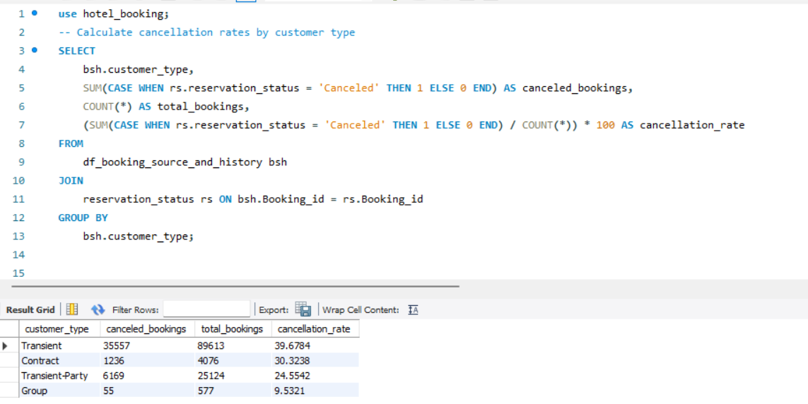
22. Explore how reservation statuses vary across different customer types (e.g., Transient, Group) using Excel or SQL. Calculate cancellation rates by customer type.

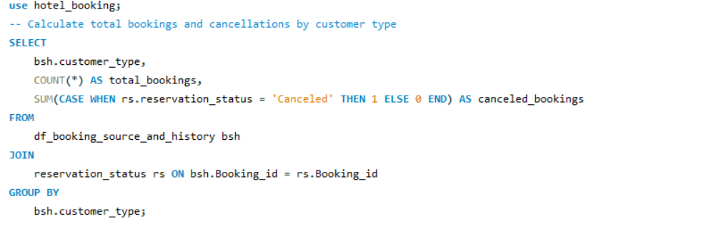

total bookings and cancellations by customer type
cancellation rates by customer type
 |  |  |  |  |  | Output | # customer_type | canceled_bookings | total_bookings | cancellation_rate
Output |  | # customer_type | total_bookings | canceled_bookings |  |  | Transient | 35557 | 89613 | 39.6784
 |  | Transient | 89613 | 35557 |  |  | Contract | 1236 | 4076 | 30.3238
 |  | Contract | 4076 | 1236 |  |  | Transient-Party | 6169 | 25124 | 24.5542
 |  | Transient-Party | 25124 | 6169 |  |  | Group | 55 | 577 | 9.5321
 |  | Group | 577 | 55

Conclusion

 | The following insights emerge from an examination of reservation statuses and cancellation rates by customer type:

 | Transient customers account for the majority of bookings and cancellations, with a relatively high cancellation rate of approximately 39.68%. This suggests that transient customers are more likely to change their plans or cancel their reservations.

 | Contract customers have a lower cancellation rate of around 30.32%, indicating a more stable booking pattern than transient customers.

 | Transient-Party customers also have a high number of bookings and cancellations, with a cancellation rate of approximately 24.55%. In terms of cancellation behavior, this customer type falls between Transient and Contract.

 | Group customers have the lowest cancellation rate, at around 9.53%, implying that group bookings are less likely to be canceled, possibly due to the nature of group travel.

 | These findings shed light on how different customer types influence reservation statuses and highlight different cancellation behaviors. Understanding these patterns can help to improve booking management strategies and customer satisfaction.

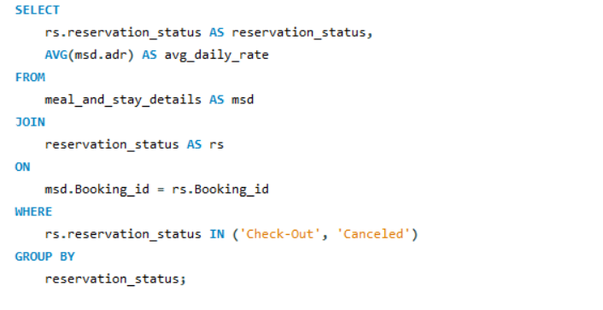
23. Investigate whether there are differences in Average Daily Rates (ADR) based on reservation status (e.g., canceled vs. checkedout).

Output |  |  |  | # reservation_status | avg_daily_rate
 |  |  |  | Check-Out | 99.987692973
 |  |  |  | Canceled | 105.20524142

Conclusion |  | The following insights are revealed by analyzing the Average Daily Rate (ADR) based on reservation status:

 |  | Reservations with the status 'Check-Out': The average daily rate for reservations with the status 'Check-Out' is approximately $99.99. This suggests that guests who finish their stays have a lower average daily rate, which could be due to discounts, special offers, or longer stays.

 |  | Canceled Reservations: Reservations that are marked as 'Canceled' have a higher average daily rate of around $105.21. This suggests that guests who cancel their reservations have a slightly higher average daily rate, which could be due to a variety of factors such as non-refundable rates or premium room selections.

ques 1
Question 1

1. Understand the distribution of arrival dates, including the most common arrival days and summary statistics for lead times.
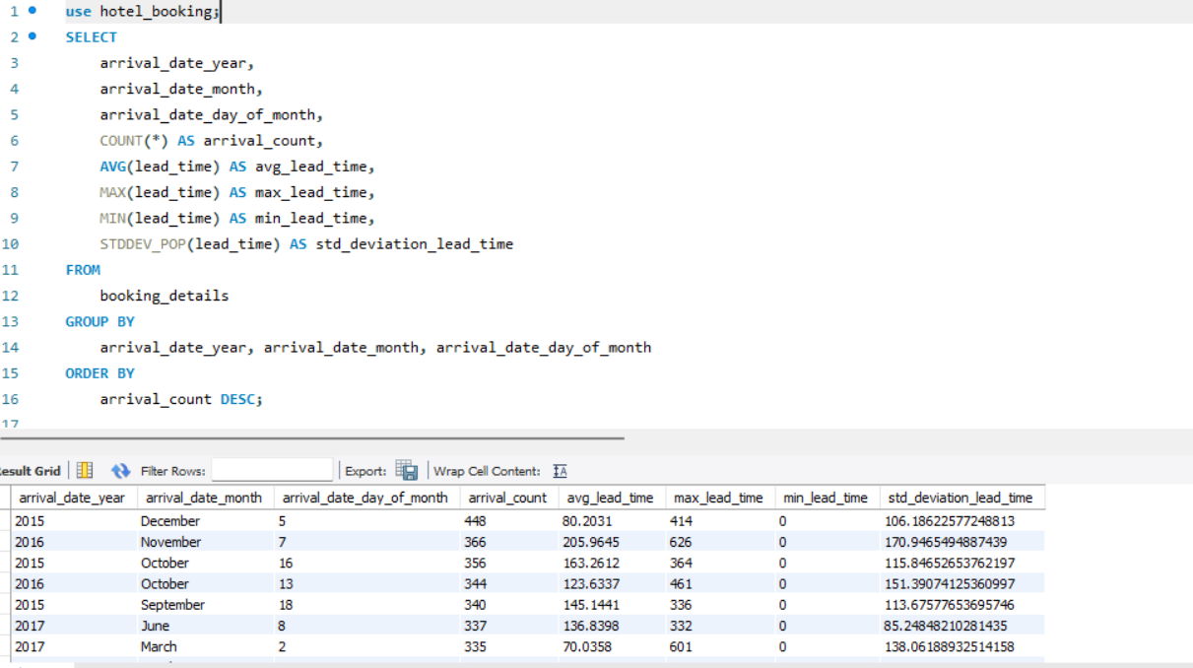

Output | # arrival_date_year | arrival_date_month | arrival_date_day_of_month | arrival_count | avg_lead_time | max_lead_time | min_lead_time | std_deviation_lead_time
 | 2015 | December | 5 | 448 | 80.2031 | 414 | 0 | 106.18622577 | arrival_date_month | Sum of max_lead_time
 | 2016 | November | 7 | 366 | 205.9645 | 626 | 0 | 170.94654949 | January | 13684
 | 2015 | October | 16 | 356 | 163.2612 | 364 | 0 | 115.84652654 | February | 14328
Sum of max_lead_time by arrival_date_month
 | Total
January | 13684
February | 14328
March | 17132
April | 16320
May | 20312
June | 20181
July | 31573
August | 31306
September | 21057
October | 21255
November | 15202
December | 16433
 | 2016 | October | 13 | 344 | 123.6337 | 461 | 0 | 151.39074125 | March | 17132
 | 2015 | September | 18 | 340 | 145.1441 | 336 | 0 | 113.67577654 | April | 16320
 | 2017 | June | 8 | 337 | 136.8398 | 332 | 0 | 85.248482103 | May | 20312
 | 2017 | March | 2 | 335 | 70.0358 | 601 | 0 | 138.06188933 | June | 20181
 | 2016 | October | 28 | 334 | 156.1557 | 464 | 0 | 115.19836971 | July | 31573
 | 2015 | September | 17 | 331 | 187.7613 | 335 | 0 | 113.77518174 | August | 31306
 | 2017 | April | 29 | 330 | 103.4273 | 324 | 0 | 90.678498914 | September | 21057
 | 2015 | August | 14 | 329 | 101.5471 | 301 | 0 | 111.70618647 | October | 21255
 | 2016 | June | 17 | 321 | 163.081 | 350 | 0 | 130.17936218 | November | 15202
 | 2017 | May | 15 | 320 | 100.3375 | 365 | 0 | 72.627120236 | December | 16433
 | 2017 | February | 25 | 316 | 86.8924 | 346 | 0 | 65.724115128
 | 2017 | May | 19 | 316 | 127.9494 | 317 | 0 | 60.093839852
 | 2016 | September | 15 | 313 | 200.0032 | 433 | 0 | 156.22858444
 | 2017 | May | 25 | 307 | 222.6743 | 462 | 0 | 111.32956368
 | 2016 | September | 26 | 304 | 210.023 | 542 | 0 | 181.13026752
 | 2016 | March | 24 | 295 | 79.7254 | 162 | 0 | 50.675463234
 | 2016 | February | 12 | 293 | 57.7201 | 230 | 0 | 53.767323621
 | 2016 | April | 28 | 292 | 129.5651 | 295 | 0 | 84.648300675
 | 2016 | October | 6 | 289 | 222.4118 | 454 | 0 | 159.84256961
 | 2016 | February | 17 | 286 | 48.521 | 131 | 0 | 25.883100173
 | 2016 | September | 30 | 286 | 186.472 | 350 | 0 | 107.31401665
 | 2016 | June | 15 | 284 | 181.4577 | 274 | 0 | 77.144607512
 | 2016 | October | 16 | 281 | 150.032 | 382 | 0 | 103.06113156
 | 2016 | May | 26 | 276 | 242.2283 | 323 | 0 | 106.21922606
 | 2015 | September | 25 | 275 | 86.3782 | 343 | 0 | 83.030874194
 | 2016 | June | 24 | 273 | 189.5201 | 310 | 0 | 73.215876778
 | 2017 | April | 9 | 273 | 98.7985 | 254 | 0 | 67.735477727
 | 2016 | May | 5 | 271 | 164.9705 | 302 | 0 | 92.802090013
 | 2016 | May | 12 | 271 | 222.8819 | 468 | 0 | 143.41934259
 | 2017 | April | 26 | 269 | 105.2862 | 294 | 0 | 57.805177188
 | 2016 | April | 29 | 266 | 99.4361 | 443 | 0 | 114.66150598
 | 2016 | June | 2 | 266 | 118.0639 | 330 | 0 | 98.280439497
 | 2017 | May | 24 | 266 | 158.6429 | 357 | 0 | 112.37255223
 | 2017 | July | 15 | 265 | 139.1283 | 476 | 0 | 138.75119089
 | 2016 | May | 19 | 264 | 136.9394 | 322 | 0 | 115.44658069
 | 2016 | April | 22 | 263 | 109.8137 | 198 | 0 | 66.934048203
 | 2016 | May | 2 | 263 | 142.3004 | 437 | 0 | 127.05980853
 | 2017 | May | 4 | 262 | 121.1336 | 351 | 0 | 74.845701953
 | 2017 | April | 28 | 261 | 112.1533 | 336 | 0 | 86.26204996
 | 2017 | May | 5 | 260 | 122.2308 | 330 | 0 | 89.993891969
 | 2016 | October | 12 | 256 | 227.8555 | 364 | 0 | 131.50079688
 | 2015 | October | 15 | 255 | 144.4118 | 363 | 0 | 138.13789309
 | 2017 | June | 2 | 254 | 122.1535 | 350 | 0 | 86.850106456
 | 2017 | April | 5 | 252 | 119.7698 | 373 | 0 | 103.73938368
 | 2015 | October | 10 | 250 | 147.172 | 368 | 0 | 121.50452838
 | 2016 | February | 19 | 247 | 57.3036 | 172 | 0 | 44.424626916
 | 2016 | October | 20 | 247 | 220.9595 | 468 | 0 | 170.71392833
 | 2016 | October | 21 | 247 | 175.8704 | 457 | 0 | 118.19947893
 | 2017 | May | 20 | 246 | 131.8984 | 471 | 0 | 130.12530639
 | 2016 | February | 26 | 245 | 46.5837 | 211 | 0 | 37.551354479
 | 2016 | March | 20 | 244 | 64.6885 | 207 | 0 | 48.839916148
 | 2017 | January | 14 | 244 | 34.8279 | 275 | 0 | 42.681664321
 | 2017 | April | 13 | 242 | 106.0909 | 315 | 0 | 78.931710206
 | 2015 | September | 5 | 240 | 133.7875 | 356 | 0 | 131.01902156
 | 2016 | December | 8 | 240 | 94.0167 | 517 | 0 | 130.22835606
 | 2016 | October | 29 | 239 | 82.682 | 287 | 0 | 82.736660244
 | 2017 | June | 17 | 239 | 169.5272 | 448 | 0 | 121.24813889
 | 2015 | December | 30 | 238 | 98.479 | 165 | 0 | 55.733285732
 | 2016 | March | 31 | 238 | 121.8824 | 267 | 0 | 82.406879095
 | 2016 | December | 30 | 238 | 101.979 | 336 | 0 | 92.987278767
 | 2017 | May | 30 | 238 | 132.5714 | 408 | 0 | 101.2217859
 | 2016 | April | 6 | 237 | 62.5738 | 194 | 0 | 40.447390313
 | 2016 | May | 13 | 237 | 152.2743 | 309 | 0 | 111.3109298
 | 2016 | November | 4 | 237 | 150.5485 | 361 | 0 | 128.88029136
 | 2016 | August | 18 | 232 | 211.6767 | 405 | 0 | 138.51445142
 | 2017 | April | 3 | 231 | 76.9957 | 364 | 0 | 61.239116735
 | 2016 | June | 6 | 230 | 151.0913 | 366 | 0 | 79.563075405
 | 2016 | September | 19 | 230 | 123.4043 | 297 | 0 | 106.55460726
 | 2015 | October | 19 | 229 | 89.5808 | 367 | 0 | 114.12013427
 | 2016 | April | 9 | 229 | 101.6943 | 190 | 0 | 61.506651134
 | 2016 | June | 14 | 229 | 73.5415 | 330 | 0 | 67.706883536
 | 2016 | November | 3 | 229 | 195.6114 | 482 | 0 | 150.87228774
 | 2017 | April | 6 | 229 | 87.5459 | 312 | 0 | 61.516737828
 | 2017 | April | 15 | 229 | 92.3668 | 269 | 0 | 53.444873765
 | 2016 | May | 17 | 228 | 114.8728 | 323 | 0 | 104.65849458
 | 2017 | June | 1 | 228 | 113.0044 | 379 | 0 | 92.150310934
 | 2016 | March | 25 | 227 | 88.5198 | 199 | 0 | 54.814169877
 | 2016 | May | 20 | 227 | 123.7048 | 217 | 0 | 87.386911808
 | 2017 | May | 28 | 227 | 117.304 | 352 | 0 | 81.918838808
 | 2015 | September | 21 | 226 | 132.6239 | 349 | 0 | 114.41646934
 | 2016 | June | 26 | 226 | 84.3761 | 311 | 0 | 61.718495635
 | 2017 | April | 14 | 225 | 107.4622 | 321 | 0 | 89.244979414
 | 2016 | April | 20 | 224 | 142.7545 | 270 | 0 | 113.0631835
 | 2016 | June | 12 | 224 | 88.7455 | 328 | 0 | 86.965009783
 | 2017 | June | 28 | 224 | 152.5714 | 368 | 0 | 122.67267089
 | 2015 | October | 5 | 223 | 101.4529 | 353 | 0 | 105.42340972
 | 2016 | June | 9 | 223 | 144.704 | 337 | 0 | 112.7635024
 | 2017 | April | 21 | 223 | 118.6637 | 343 | 0 | 83.863859777
 | 2017 | April | 22 | 223 | 194.7399 | 393 | 0 | 110.45691721
 | 2017 | June | 3 | 223 | 223.9417 | 434 | 0 | 140.6465889
 | 2017 | June | 9 | 223 | 129.9372 | 330 | 0 | 84.586069973
 | 2016 | May | 24 | 221 | 118.6878 | 227 | 0 | 75.834347243
 | 2016 | September | 9 | 221 | 139.6968 | 333 | 0 | 99.540180108
 | 2017 | March | 15 | 221 | 70.7104 | 307 | 0 | 58.165447677
 | 2017 | May | 6 | 221 | 141.9457 | 407 | 0 | 113.77009739
 | 2017 | May | 8 | 221 | 86.086 | 355 | 0 | 67.003929327
 | 2017 | May | 9 | 220 | 128.1773 | 410 | 0 | 126.7570347
 | 2016 | February | 6 | 219 | 38.5936 | 168 | 0 | 31.594811366
 | 2016 | May | 16 | 219 | 149.6438 | 451 | 0 | 143.95109867
 | 2017 | January | 18 | 219 | 36.2146 | 159 | 0 | 27.874057368
 | 2016 | September | 16 | 217 | 157.0829 | 422 | 0 | 131.28876442
 | 2015 | September | 24 | 216 | 210.8426 | 352 | 0 | 133.94001988
 | 2016 | July | 21 | 216 | 197.4491 | 379 | 0 | 129.94353189
 | 2017 | June | 11 | 216 | 86.4722 | 333 | 0 | 75.632574103
 | 2016 | December | 27 | 215 | 78.7023 | 331 | 0 | 84.382433663
 | 2016 | March | 4 | 214 | 46.215 | 162 | 0 | 44.749046466
 | 2016 | August | 1 | 214 | 121.5421 | 285 | 0 | 74.497353697
 | 2016 | October | 9 | 214 | 111.2056 | 337 | 0 | 101.82147088
 | 2016 | October | 30 | 214 | 74.4112 | 268 | 0 | 68.501852526
 | 2016 | November | 5 | 214 | 63.1075 | 253 | 0 | 60.515408096
 | 2017 | March | 13 | 214 | 56.0748 | 355 | 0 | 51.268343138
 | 2016 | March | 19 | 213 | 94.277 | 393 | 0 | 130.32117525
 | 2016 | August | 13 | 213 | 115.9014 | 360 | 1 | 78.40214527
 | 2016 | October | 10 | 213 | 84.4413 | 362 | 0 | 79.810471398
 | 2017 | March | 31 | 213 | 71.4366 | 282 | 0 | 50.452524719
 | 2017 | May | 3 | 213 | 101.0704 | 271 | 0 | 83.687994878
 | 2015 | September | 11 | 212 | 117.4623 | 329 | 0 | 98.495443294
 | 2016 | September | 8 | 212 | 205.1509 | 433 | 0 | 150.31145605
 | 2016 | November | 1 | 212 | 126.4245 | 378 | 0 | 102.91303786
 | 2017 | July | 24 | 212 | 118.1274 | 463 | 0 | 91.351889647
 | 2015 | October | 3 | 211 | 169.5355 | 361 | 0 | 119.54753726
 | 2015 | November | 23 | 211 | 76.9289 | 157 | 0 | 37.128184109
 | 2016 | February | 27 | 211 | 53.2607 | 158 | 0 | 49.880742302
 | 2016 | April | 4 | 211 | 80.8863 | 182 | 0 | 60.356652085
 | 2017 | July | 9 | 211 | 126.9668 | 349 | 0 | 85.058629564
 | 2017 | August | 28 | 211 | 139.2227 | 368 | 0 | 86.934756023
 | 2015 | October | 9 | 210 | 91.8857 | 350 | 0 | 80.383878304
 | 2016 | August | 8 | 210 | 121.4619 | 346 | 0 | 73.256437885
 | 2017 | February | 17 | 210 | 43.6286 | 320 | 0 | 53.194657294
 | 2017 | March | 9 | 210 | 127.2762 | 608 | 0 | 156.86700434
 | 2017 | July | 29 | 210 | 180.419 | 490 | 0 | 156.57259268
 | 2016 | July | 30 | 209 | 178.0478 | 301 | 0 | 107.97287276
 | 2016 | September | 20 | 209 | 141.4019 | 333 | 0 | 124.44456961
 | 2016 | October | 17 | 209 | 169.9952 | 605 | 0 | 199.36594464
 | 2016 | November | 11 | 209 | 74.8038 | 300 | 0 | 77.409770192
 | 2015 | October | 12 | 208 | 102.9519 | 360 | 0 | 127.74530548
 | 2016 | April | 30 | 208 | 89.2548 | 255 | 0 | 73.303029347
 | 2016 | September | 21 | 208 | 246.8462 | 397 | 0 | 124.94962594
 | 2015 | August | 10 | 207 | 110.343 | 297 | 0 | 116.07719919
 | 2016 | April | 18 | 207 | 89.2899 | 215 | 0 | 71.254480618
 | 2016 | November | 18 | 207 | 76.3816 | 303 | 0 | 87.657624768
 | 2015 | August | 8 | 206 | 109.1942 | 295 | 0 | 108.16766545
 | 2015 | September | 30 | 205 | 67.9268 | 272 | 0 | 72.934982822
 | 2016 | June | 20 | 205 | 95.478 | 306 | 0 | 82.91844807
 | 2017 | May | 1 | 205 | 99.3122 | 334 | 0 | 80.699140731
 | 2015 | July | 25 | 204 | 114.3725 | 299 | 0 | 96.792422079
 | 2015 | October | 2 | 204 | 121.5735 | 532 | 0 | 79.939066778
 | 2017 | May | 11 | 204 | 122.7206 | 358 | 0 | 87.697929457
 | 2017 | July | 22 | 204 | 240.4265 | 423 | 0 | 152.47529368
 | 2016 | April | 14 | 203 | 101.5222 | 281 | 0 | 89.61149453
 | 2017 | June | 27 | 202 | 98.1584 | 367 | 0 | 83.109582042
 | 2017 | July | 13 | 202 | 229.3317 | 414 | 0 | 165.69145214
 | 2017 | August | 7 | 202 | 136.5743 | 328 | 0 | 91.602385128
 | 2015 | September | 9 | 201 | 124.9204 | 327 | 0 | 125.06278476
 | 2017 | February | 12 | 201 | 52.5025 | 245 | 0 | 41.821597455
 | 2016 | May | 31 | 200 | 81.2 | 290 | 0 | 70.445936717
 | 2016 | June | 8 | 200 | 52.1 | 291 | 0 | 48.696201084
 | 2017 | April | 8 | 200 | 118.57 | 351 | 0 | 103.5354292
 | 2016 | March | 18 | 199 | 63.7889 | 199 | 0 | 43.445983078
 | 2016 | October | 3 | 199 | 91.0955 | 341 | 0 | 97.549760165
 | 2016 | December | 2 | 199 | 76.6784 | 315 | 0 | 92.592515654
 | 2017 | May | 22 | 199 | 69.8643 | 314 | 0 | 76.153816069
 | 2017 | July | 6 | 199 | 131.5779 | 387 | 0 | 98.376074192
 | 2015 | September | 26 | 198 | 127.3131 | 354 | 0 | 114.45974516
 | 2016 | August | 20 | 198 | 98.0455 | 320 | 0 | 80.987983611
 | 2016 | July | 23 | 197 | 106.0609 | 339 | 0 | 68.992284901
 | 2017 | April | 27 | 197 | 94.7513 | 316 | 0 | 87.878400417
 | 2017 | June | 15 | 197 | 151.868 | 337 | 0 | 94.194058477
 | 2017 | August | 17 | 197 | 127.736 | 358 | 0 | 87.801526128
 | 2016 | April | 7 | 196 | 83.7959 | 274 | 0 | 90.515187494
 | 2016 | June | 10 | 196 | 91.5816 | 269 | 0 | 68.598941425
 | 2017 | June | 23 | 196 | 154.7296 | 326 | 0 | 98.582677111
 | 2017 | July | 4 | 196 | 267.2755 | 465 | 0 | 147.16721578
 | 2015 | September | 19 | 195 | 139.1692 | 347 | 0 | 122.85145116
 | 2016 | October | 14 | 195 | 254.6205 | 435 | 0 | 135.44134728
 | 2016 | February | 28 | 194 | 51.8144 | 141 | 1 | 52.530272057
 | 2016 | September | 22 | 194 | 185.9278 | 440 | 0 | 152.87797488
 | 2016 | October | 27 | 194 | 153.3505 | 475 | 0 | 162.0406619
 | 2017 | July | 17 | 194 | 147.7371 | 390 | 0 | 85.942488345
 | 2016 | June | 3 | 193 | 127.0155 | 319 | 0 | 71.377597441
 | 2016 | September | 1 | 193 | 178.7358 | 419 | 0 | 142.33547039
 | 2017 | January | 16 | 193 | 49.114 | 327 | 0 | 57.837788722
 | 2017 | February | 13 | 193 | 58.1192 | 245 | 0 | 57.105676926
 | 2017 | June | 30 | 193 | 123.2124 | 354 | 0 | 84.28228814
 | 2015 | September | 4 | 192 | 119.6875 | 290 | 0 | 94.505435525
 | 2016 | August | 11 | 192 | 178.3802 | 398 | 0 | 130.19271063
 | 2016 | October | 23 | 192 | 213.3073 | 389 | 0 | 147.94281817
 | 2017 | March | 24 | 192 | 131.6719 | 350 | 0 | 90.464896741
 | 2015 | September | 12 | 191 | 178.7749 | 355 | 0 | 114.28102863
 | 2015 | October | 31 | 191 | 118.7749 | 379 | 0 | 127.06022234
 | 2015 | December | 8 | 191 | 30.3089 | 183 | 0 | 15.741493983
 | 2016 | May | 21 | 191 | 58.0576 | 262 | 0 | 54.374711481
 | 2016 | November | 25 | 191 | 80.4031 | 315 | 0 | 96.934423727
 | 2017 | January | 25 | 191 | 44.8482 | 154 | 0 | 32.348446224
 | 2017 | August | 16 | 191 | 126.6963 | 335 | 0 | 86.666490424
 | 2017 | August | 25 | 191 | 245.4503 | 457 | 0 | 182.56392809
 | 2015 | August | 15 | 190 | 107.9 | 318 | 0 | 100.83976607
 | 2015 | October | 7 | 190 | 97.7421 | 355 | 0 | 121.46041944
 | 2016 | May | 30 | 189 | 60.7725 | 258 | 0 | 58.124534108
 | 2016 | October | 5 | 189 | 97.0423 | 275 | 0 | 100.28730319
 | 2016 | December | 3 | 189 | 82.4709 | 271 | 0 | 72.339480755
 | 2015 | August | 17 | 188 | 124.9947 | 304 | 0 | 119.35056968
 | 2016 | March | 17 | 188 | 39.4202 | 150 | 0 | 31.127722746
 | 2016 | April | 11 | 188 | 63.7394 | 214 | 0 | 68.609294262
 | 2017 | August | 19 | 188 | 131.9787 | 353 | 0 | 83.810383595
 | 2015 | November | 20 | 187 | 77.1123 | 289 | 0 | 92.565532263
 | 2016 | May | 15 | 187 | 52.2781 | 239 | 0 | 51.253878951
 | 2016 | August | 22 | 187 | 97.1658 | 353 | 0 | 77.3466349
 | 2017 | February | 10 | 187 | 64.7219 | 238 | 0 | 83.438649533
 | 2017 | June | 26 | 187 | 159.2299 | 351 | 0 | 95.010810314
 | 2016 | October | 7 | 186 | 158.7849 | 443 | 0 | 138.92195144
 | 2017 | June | 19 | 186 | 120.0215 | 330 | 0 | 88.734287235
 | 2017 | July | 10 | 186 | 105.629 | 340 | 0 | 73.972728309
 | 2017 | August | 12 | 186 | 193.6129 | 504 | 0 | 148.46631943
 | 2015 | October | 4 | 185 | 84.0595 | 338 | 0 | 100.51446974
 | 2016 | May | 29 | 185 | 81.5135 | 314 | 0 | 69.705799372
 | 2016 | September | 5 | 185 | 126.5676 | 364 | 0 | 104.22033327
 | 2017 | February | 26 | 185 | 30.4216 | 184 | 0 | 34.760113326
 | 2017 | July | 7 | 185 | 159.7622 | 365 | 0 | 88.47462715
 | 2016 | June | 27 | 184 | 90.8315 | 290 | 0 | 65.831049284
 | 2016 | July | 18 | 184 | 98.8261 | 305 | 0 | 67.559572536
 | 2016 | October | 1 | 184 | 196.3696 | 403 | 0 | 99.745406061
 | 2017 | March | 5 | 184 | 115.9511 | 312 | 0 | 103.55062194
 | 2017 | June | 16 | 184 | 150.837 | 364 | 0 | 104.02782625
 | 2017 | July | 1 | 184 | 208.3424 | 462 | 0 | 133.26986004
 | 2015 | August | 3 | 183 | 150.4918 | 460 | 0 | 114.13274166
 | 2016 | January | 2 | 183 | 55.8306 | 150 | 0 | 54.090177115
 | 2016 | February | 13 | 183 | 20.4098 | 203 | 0 | 31.918463599
 | 2016 | March | 11 | 183 | 42.5246 | 228 | 0 | 37.128019507
 | 2016 | March | 21 | 183 | 97.6448 | 395 | 0 | 138.15715121
 | 2016 | June | 30 | 183 | 135.9617 | 358 | 0 | 117.45471706
 | 2016 | July | 6 | 183 | 143.0765 | 317 | 0 | 93.061731934
 | 2016 | November | 21 | 183 | 130.7978 | 324 | 0 | 93.457845882
 | 2017 | March | 27 | 183 | 92.8251 | 306 | 0 | 58.94075957
 | 2017 | May | 13 | 183 | 119.2022 | 366 | 0 | 92.545765347
 | 2016 | April | 8 | 182 | 70.2692 | 268 | 0 | 68.199118927
 | 2016 | September | 29 | 182 | 201.0989 | 447 | 0 | 152.11176884
 | 2016 | October | 11 | 182 | 112.4725 | 363 | 0 | 105.47843284
 | 2017 | July | 12 | 182 | 163.2802 | 451 | 0 | 144.12858096
 | 2017 | July | 31 | 182 | 126.4231 | 357 | 0 | 90.479140425
 | 2017 | May | 26 | 181 | 126.3591 | 351 | 0 | 85.062202052
 | 2017 | June | 25 | 181 | 248.3094 | 396 | 0 | 152.86441242
 | 2017 | July | 11 | 181 | 119.105 | 450 | 0 | 124.25577358
 | 2017 | August | 18 | 181 | 117.7182 | 323 | 0 | 80.788744014
 | 2017 | April | 10 | 180 | 72.2611 | 295 | 0 | 62.455883442
 | 2017 | May | 18 | 180 | 108.4833 | 356 | 0 | 73.999660285
 | 2017 | June | 12 | 180 | 88.1167 | 334 | 0 | 77.65452516
 | 2015 | October | 6 | 179 | 57.7933 | 328 | 0 | 87.155782699
 | 2016 | April | 27 | 179 | 69.4637 | 209 | 0 | 63.786853253
 | 2017 | January | 2 | 179 | 77.7598 | 335 | 0 | 86.980466259
 | 2017 | March | 30 | 179 | 115.8492 | 629 | 0 | 176.92157982
 | 2016 | September | 3 | 178 | 179.5955 | 420 | 0 | 137.09999788
 | 2017 | March | 16 | 178 | 135.1517 | 615 | 0 | 173.49990941
 | 2017 | August | 1 | 178 | 145.4045 | 493 | 0 | 124.43334203
 | 2016 | April | 13 | 177 | 72.8531 | 205 | 0 | 60.76137362
 | 2016 | August | 15 | 177 | 111.8249 | 348 | 0 | 79.773180242
 | 2016 | July | 16 | 176 | 117.3977 | 281 | 0 | 68.492458074
...

