Pivot
Count of Customer_ID | Column Labels |  |  |  |  | Count of Customer Gender | Column Labels
Row Labels | Adult | Youth | Grand Total |  |  | Row Labels | Female | Male | Grand Total
Flagship | 689 | 105 | 794 |  |  | Beauty | 159 | 145 | 304
Online | 703 | 119 | 822 |  |  | Clothing | 187 | 147 | 334
Outlet | 326 | 58 | 384 |  |  | Electronics | 255 | 199 | 454
Grand Total | 1718 | 282 | 2000 |  |  | Home | 217 | 193 | 410
 | 85.9 | 14.1 |  |  |  | Sports | 278 | 220 | 498
 |  |  |  |  |  | Grand Total | 1096 | 904 | 2000
 |  |  |  |  |  |  | 54.8
Sum of Quantity | Column Labels
Row Labels | Adult | Youth | Grand Total |  |  | Sum of Quantity | Column Labels
COD | 1387 | 258 | 1645 | 33.138597905 |  | Row Labels | COD | Credit Card | PayPal | Grand Total
Credit Card | 1376 | 245 | 1621 | 32.655116841 |  | Female | 915 | 857 | 1000 | 2772
PayPal | 1454 | 244 | 1698 | 34.206285254 |  | Male | 730 | 764 | 698 | 2192
Grand Total | 4217 | 747 | 4964 |  |  | Grand Total | 1645 | 1621 | 1698 | 4964

Sum of Quantity | Column Labels |  |  |  |  | Sum of Quantity | Column Labels
Row Labels | Adult | Youth | Grand Total |  |  | Row Labels | Female | Male | Grand Total
Bronze | 1071 | 138 | 1209 |  |  | Bronze | 574 | 635 | 1209 | 24.355358582
Gold | 902 | 289 | 1191 |  |  | Gold | 728 | 463 | 1191 | 23.992747784
Platinum | 1301 | 188 | 1489 |  |  | Platinum | 920 | 569 | 1489 | 29.995970991
Silver | 907 | 132 | 1039 |  |  | Silver | 539 | 500 | 1039 | 20.930701048
Unknown | 36 |  | 36 |  |  | Unknown | 11 | 25 | 36 | 0.72522159549
Grand Total | 4217 | 747 | 4964 |  |  | Grand Total | 2772 | 2192 | 4964 | 100

Sum of Quantity | Column Labels |  |  |  |  | Sum of Quantity | Column Labels
Row Labels | Flagship | Online | Outlet | Grand Total |  | Row Labels | Female | Male | Grand Total
2023 | 182 | 230 | 105 | 517 |  | Flagship | 1074 | 859 | 1933 | 38.940370669
2024 | 955 | 1048 | 486 | 2489 |  | Online | 1170 | 920 | 2090 | 42.103142627
2025 | 796 | 812 | 350 | 1958 |  | Outlet | 528 | 413 | 941 | 18.956486704
Grand Total | 1933 | 2090 | 941 | 4964 |  | Grand Total | 2772 | 2192 | 4964

Sum of Total_Amount | Column Labels |  |  |  |  | Sum of Total_Amount | Column Labels
Row Labels | Flagship | Online | Outlet | Grand Total |  | Row Labels | Female | Male | Grand Total
2023 | 73061.4528 | 102419.4735 | 48331.7982 | 223812.7245 |  | Beauty | 178264.114 | 143297.2143 | 321561.3283
2024 | 433197.1871 | 451977.7959 | 208736.8124 | 1093911.7954 | 237241.617 | Clothing | 223070.9305 | 156145.1133 | 379216.0438
2025 | 342318.0262 | 359856.2543 | 154495.8979 | 856670.1784 |  | Electronics | 285230.3992 | 219080.9488 | 504311.348
Grand Total | 848576.6661 | 914253.5237 | 411564.5085 | 2174394.6983 |  | Home | 219738.5904 | 207557.2132 | 427295.8036 |  | Row Labels | Sum of Total_Amount
 |  |  |  |  |  | Sports | 325140.1957 | 216869.9789 | 542010.1746 |  | Flagship | 848576.6661 | 39.025880019
 |  |  |  |  | 21.687453961 | Grand Total | 1231444.2298 | 942950.4685 | 2174394.6983 |  | Online | 914253.5237 | 42.046346251
Sum of Total_Amount | Column Labels |  |  |  |  |  | 56.633886698 | 43.366113302 |  |  | Outlet | 411564.5085 | 18.92777373
Row Labels | Female | Male | Grand Total |  |  | Row Labels | Sum of Total_Amount | Sum of Quantity |  |  | Grand Total | 2174394.6983
COD | 410598.5699 | 291860.8458 | 702459.4157 | 32.305975371 |  | East | 622404.3163 | 1447
Credit Card | 373304.4413 | 341876.2697 | 715180.711 | 32.89102533 |  | North | 646100.8803 | 1508
PayPal | 447541.2186 | 309213.353 | 756754.5716 | 34.802999299 |  | South | 635213.0957 | 1416
Grand Total | 1231444.2298 | 942950.4685 | 2174394.6983 |  |  | West | 270676.406 | 593
 |  |  |  |  |  | Grand Total | 2174394.6983 | 4964

Row Labels | Sum of Total_Amount | Sum of Sotck |  |  |  | Row Labels | Sum of Total_Amount
Beauty | 321561.3283 | 96495 |  |  |  | East | 622404.3163
Clothing | 379216.0438 | 91924 |  |  |  | North | 646100.8803
Electronics | 504311.348 | 123298.40206 |  |  |  | South | 635213.0957
Home | 427295.8036 | 94370.907216 |  |  |  | West | 270676.406
Sports | 542010.1746 | 141615.89691 |  |  |  | Grand Total | 2174394.6983
Grand Total | 2174394.6983 | 547704.20619

Regionwise sales

 | Adult | Youth
Bronze | 1071 | 138
Gold | 902 | 289
Platinum | 1301 | 188
Silver | 907 | 132
Unknown | 36

Dashboard
Ecommerce Sales Dashboard

 | Flagship | Online | Outlet
2023 | 73061.4528 | 102419.4735 | 48331.7982
2024 | 433197.1871 | 451977.7959 | 208736.8124
2025 | 342318.0262 | 359856.2543 | 154495.8979
 | Adult | Youth
Flagship | 689 | 105
Online | 703 | 119
Outlet | 326 | 58
 | Female | Male
Beauty | 178264.114 | 143297.2143
Clothing | 223070.9305 | 156145.1133
Electronics | 285230.3992 | 219080.9488
Home | 219738.5904 | 207557.2132
Sports | 325140.1957 | 216869.9789
Stock status
Regionwise sales
 | Total
East | 622404.3163
North | 646100.8803
South | 635213.0957
West | 270676.406

 | Female | Male
COD | 410598.5699 | 291860.8458
Credit Card | 373304.4413 | 341876.2697
PayPal | 447541.2186 | 309213.353
 | Adult | Youth
Bronze | 1071 | 138
Gold | 902 | 289
Platinum | 1301 | 188
Silver | 907 | 132
Unknown | 36

Summary
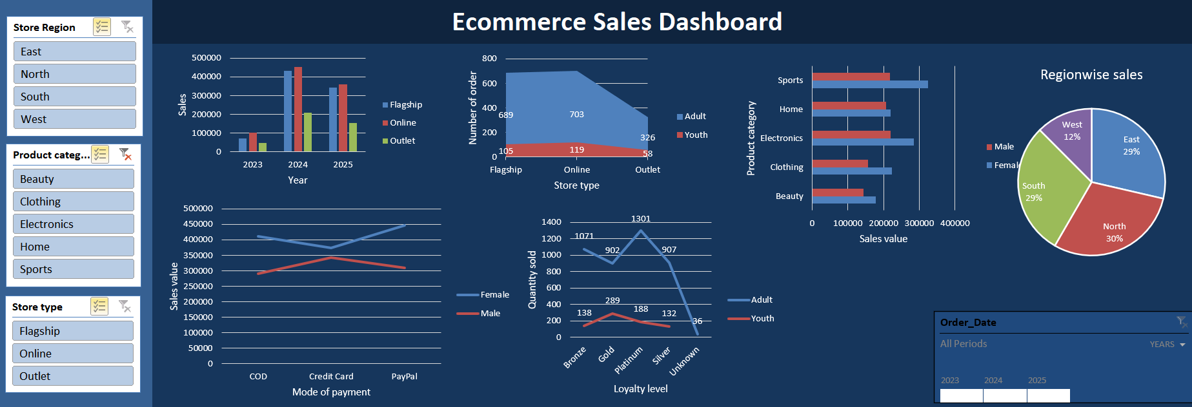
Findings
87% of the orders are from adults
COD, PayPal and credit card payments methods are being used by customers in equal proportion. 1:1:1 ratio
Highest quantity of products are sold through online platform.42% of sales with a value of .9 Million
Highest spend is done by Female buyers in all categories when compare to Male buyers (Female - 57%, Male -43%)
Highest value is spend by customers using PayPal payment method. Which is 35%
Compare to the year 2024, sales has decreased to 22% in 2025

Suggestions
Provide more offers like credit card cashbacks by partnership with banks and financial institutions to promote online payments rather than COD. This will help to increase workflow (instant availability of cash).
Apart from offers or discounts, provide competitive pricing to encourage online sales. It will help to reduces operational cost and gain more profit.
Tailor strategies to attract all the age group of customers outside of the correct range of 18-64 years

