LP5036
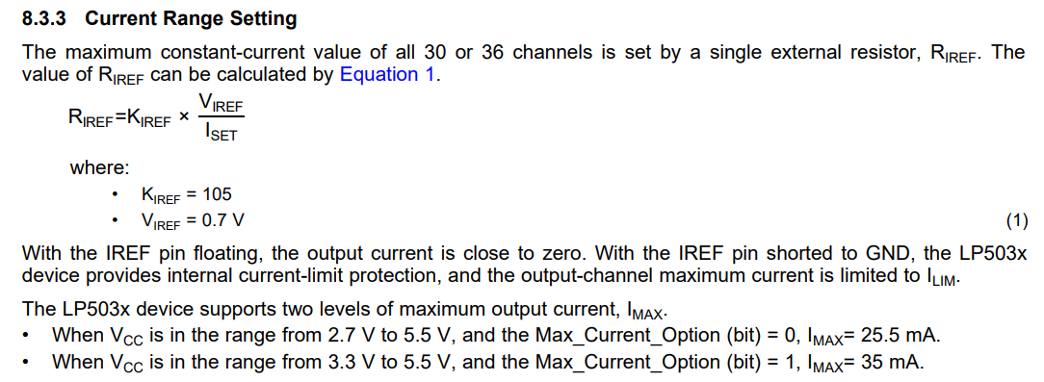
HIGH power LED driver calucations

K | 105 |  | R | 3200
Vuiref | 0.7 | V | Vuiref | 0.7 | V
Iset | 0.02 | A | k | 105
Riref | 3675 | Ohm | Iset | 0.02296875 | A

MT2492
 |  | min | nom | max
 | Vin [V] | 4.2 | 5 | 5.5
 | Vout [V] | 3.3 | 3.3 | 3.3
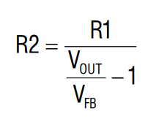
 | Vfb [V] | 0.588 | 0.6 | 0.612
 | R1 [kΩ] | 10 | 10 | 10
 | R2 [kΩ] | 2.2 | 2.2 | 2.2
 | fosc [Hz] | 600000 | 600000 | 600000 |  | Lmin [uH] | 1.18
 | ∆I [I] | 1 | 1 | 1 |  | Lmax[uH] | 2.20
 | L [H] | 0.000001179 | 0.000001870 | 0.000002200
 | L [uH] | 1.1785714286 | 1.87 | 2.2
 | Iload [I] | 2 | 2 | 2
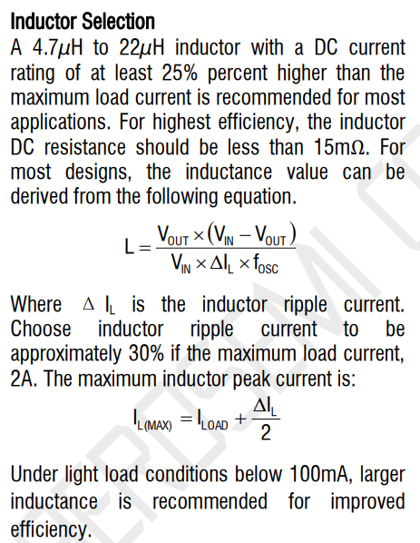
 | I_lmax [I] | 2.5 | 2.5 | 2.5
 | Cout [F] | 0.000062 | 0.000062 | 0.000062
 | Cout [uF] | 62.00 | 62.00 | 62.00

wo ESR | ∆V [mV] | 3.36 | 3.36 | 3.36

 | Iload [I] | 0.5 |  | Vfb | 0.6
 | I_lmax [I] | 1 |  | R1 | 10
 | ∆I [I] | 1 |  | R2 | 2.2
 |  |  |  | Vout | 3.33

 |  | enable
 |  | Ven_min | 1.5
 |  | Vmin | 6

motors
kmh | pos
10 | 0
20 | 19 | 19
30 | 38 | 19
40 | 51 | 13
50 | 73 | 22
60 | 90 | 17
70 | 106 | 16
80 | 122 | 16
90 | 137 | 15
100 | 153 | 16
110 | 169 | 16
120 | 185 | 16
130 | 202 | 17
140 | 218 | 16
150 | 238 | 20
160 | 253 | 15
170 | 270 | 17
180 | 285 | 15
190 | 305 | 20
200 | 320 | 15
210 | 335 | 15

