DASHBOARD
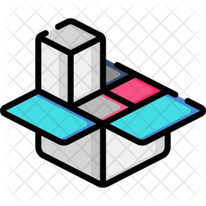
AMAZON SALES DASHBOARD 2025



cities wise sales
 | Total
Agra | 259971
Ahmedabad | 517965
Bangalore | 171788
Cochin | 318710
Darjeeling | 231032
Delhi | 1764426
Durgapur | 188769
Goa | 652865
Hyderabad | 326784
Jodhpur | 143611
Kolkata | 510157
Mumbai | 643215
Mysore | 639673
Nagpur | 534082
Nainital | 655124
Patna | 359030
Pune | 602513
Ranchi | 382835
Shimla | 396905
Srinagar | 234890
Surat | 167707
Trivandrum | 323774
Varanasi | 200799

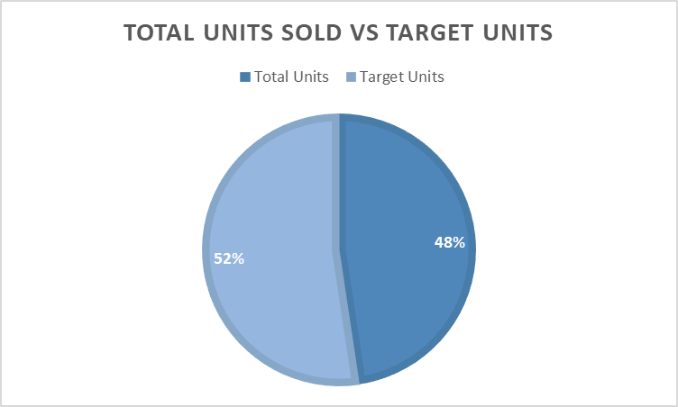
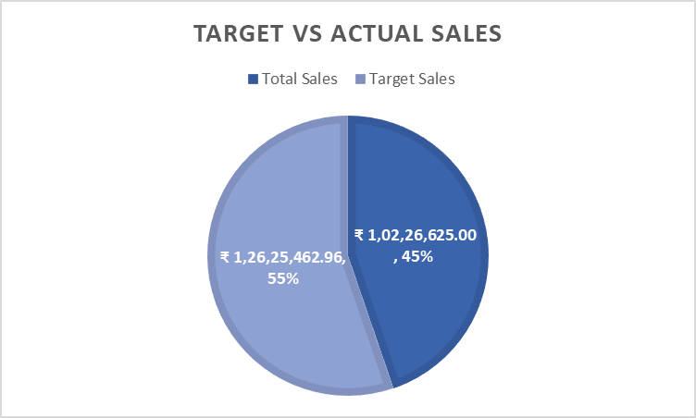
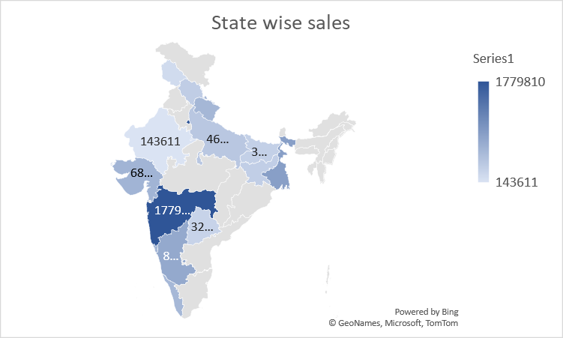
product wise units sold
 | Total
Nestle Aero Mint Potz | 22
Nestle Fab | 27
Nestle Kit Kat Cone | 9
Nestle Maxibon Cookie | 12
Nestle Milky Bar Stick | 20
Nestle Nobbly Bobbly | 3
Nestle Rolo Potz | 9
Nestle Rowntree Fruit Pastil | 15
Nestle Rowntree Screamers | 6
Nestle Smarties Pop-Up | 32
Nestle Toffee Crumble | 16

