Final Plan
Live Chat Subscription plan

 | Pack | Period | Live Chat
 | Bronze Premium
 | INR 99 | 1 month | unlimited
 | Sliver Premium
 | INR 199 | 6 month | unlimited
 | Gold Premium
 | INR 299 | 12 month | unlimited

 |  |  |  |  |  |  |  | Total expenditure |  | Net Income
 | Pik2Coin Plan
 | Coin logo | Pik2Coin | Pack (Rs) |  |  |  | 1 host | 10 host | 20 host | 1 host | 10 host | 20 host
 |  | 200 | 49 |  |  |  | 0 | 0 | 0 | 0 | 0 | 0
 |  | 900 | 99 |  |  |  | 0 | 0 | 0 | 0 | 0 | 0
 |  | 2500 | 199 |  |  |  | 0 | 0 | 0 | 0 | 0 | 0
 |  | 5500 | 299 |  |  |  | 0 | 0 | 0 | 0 | 0 | 0
 |  | 10000 | 399 |  |  |  | 0 | 0 | 0 | 0 | 0 | 0
 |  | 15000 | 499
 |  | 25000 | 799 |  |  |  | 0 | 0 | 0 | 0 | 0 | 0

 |  |  |  |  |  |  | 0 | 0 | 0 | 0 | 0 | 0
 | Level or Rank | Task Description | Target | Rewards (Income) | hidden Part |  | 0 | 0 | 0 | 0 | 0 | 0
 | Level 1 | Pack @99 | 100 | 1980 | 9900
 |  | Coin | 200
 |  | Short Video | 10 |  |  |  | 0 | 0 | 0 | 0 | 0 | 0
 |  | Share | 5 |  |  |  | 0 | 0 | 0 | 0 | 0 | 0
 |  | Follow | 100 |  |  |  | 0 | 0 | 0 | 0 | 0 | 0
 |  | Like | 100 |  |  |  | 0 | 0 | 0 | 0 | 0 | 0
 |  | Follower | 100
 | Level or Rank | Task Description | Target | Rewards (Income) | hidden Part
 | Level 2 | Pack @199 | 150 | 3980 | 19900
 |  | Coin | 300
 |  | Short Video | 20
 |  | Share | 10
 |  | Follow | 150
 |  | Like | 150
 |  | Follower | 150
 | Level or Rank | Task Description | Target | Rewards (Income) | hidden Part
 | Level 3 | Pack @299 | 100 | 5980 | 29900
 |  | Coin | 500
 |  | Short Video | 30
 |  | Share | 15
 |  | Follow | 200
 |  | Like | 200
 |  | Follower | 200
 | Level or Rank | Task Description | Target | Rewards (Income) | hidden Part
 | Level 4 | Combo Pack @99+199 | Each pack 105 subscriber | 6258 | 10395
 |  | Coin | 900 |  | 20895
 |  | Short Video | 40 |  | 31290
 |  | Share | 20
 |  | Follow | 300
 |  | Like | 300
 |  | Follower | 300
 | Level or Rank | Task Description | Target | Rewards (Income) | hidden Part
 | Level 5 | Combo Pack @99+299 | 100 | 7960 | 9900
 |  | Coin | 1500 |  | 29900
 |  | Short Video | 50 |  | 39800
 |  | Share | 30
 |  | Follow | 400
 |  | Like | 400
 |  | Follower | 400
 | Level or Rank | Task Description | Target | Rewards (Income) | hidden Part
 | Level 6 | Combo Pack @99+199+299 | 100 | 11940 | 9900
 |  | Coin | 1900 |  | 19900
 |  | Short Video | 60 |  | 29900
 |  | Share | 40 |  | 59700
 |  | Follow | 500
 |  | Like | 500
 |  | Follower | 500
 | Level or Rank | Task Description | Target | Rewards (Income) | hidden Part
 | Level 7 | Combo Pack @199+299 | 150 | 14940 | 29850
 |  | Coin | 2500 |  | 44850
 |  | Short Video | 75 |  | 74700
 |  | Share | 50
 |  | Follow | 600
 |  | Like | 600
 |  | Follower | 600

 | Gift Pack | Emojis | Coin
 |  | Red Rose | 5
 |  | Thump up | 6
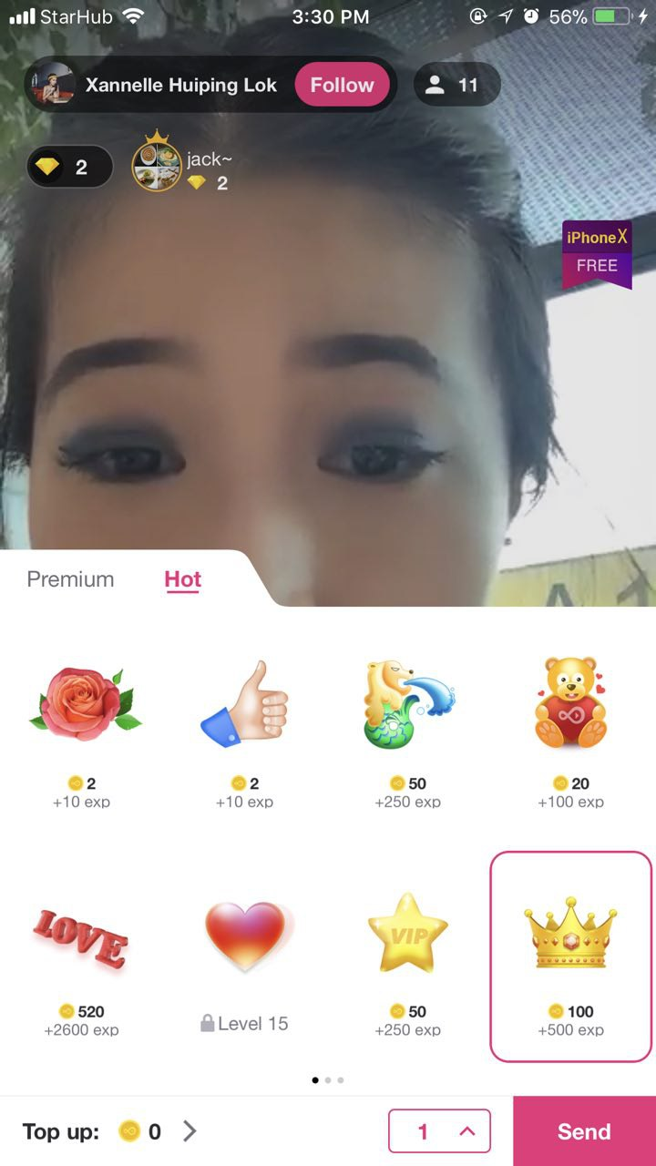
 |  | Teddy Love | 20
 |  | funny smiley | 20
 |  | VIP Star | 50
 |  | Crown | 100
 |  | Friendship bond | 200
 |  | festival gift sticker | 300
 |  | love bird | 500
 |  | Love word | 520
 |  | Red Heart | 630
 |  | Relationship gift | 750
 |  | Heart Beat (dadkata Dil) | 1000
 |  | Red Chilly Lip | 1500
 |  | Hot French Kiss | 2000
 |  | VIP Hot gift | 5000
 |  | Dancing animated girl | 10000

 |  | Coin | current balance | 0 | 1 gift send | 100 coin purchase for send coin

