Facilitator List
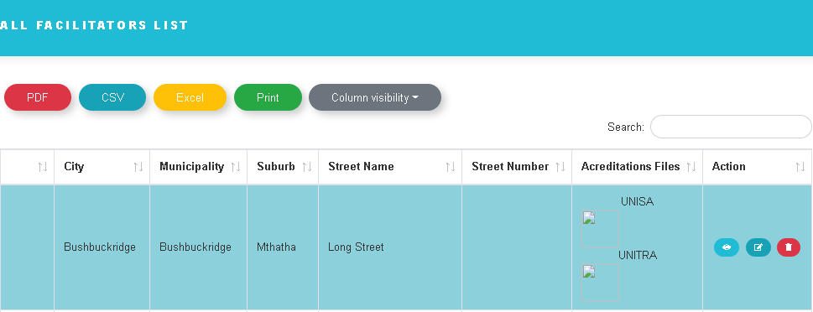
1) Can we have an option to download

Create Learner Attendance
1) Once we enter the ID we can see the the NAME and the SURNAME of the learner.
2) That should apply to all the red fields below that is LEARNERSHIP TYPE, LEARNERSHIP SUB-TYPE and CLASS.
3) The only fields to be entered manually is DATE, and REASON FOR NOT ATTENDING

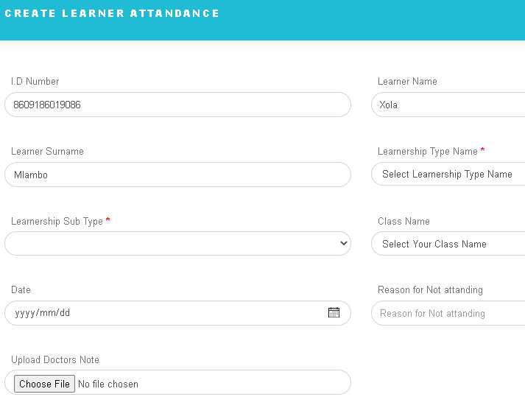

Lets change it to upload proof (not doctors note it can be a funeral)

Moderator List
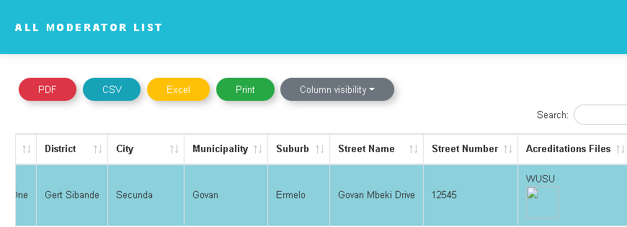
1) Can we have an option to download

Import Learners
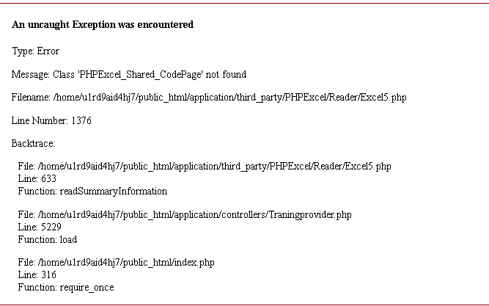
1) ERROR

