draw1
Linux PC
To/From Other PCs/Devices
+DHCP service
QEMU
sshd
vnc server
browser
...
TCP/IP
Net Filter
kerenl
Userland
Software Implemented Bridge
Network driver
Network
Interface Card
Network driver
USB-Ether Converter
Physical Ethernet Switch
(Workpace LAN)
VMs
Helper
+IPv4 address
No IPv4 address
Option
IPv4 address

Linux PC
To/From Other PCs/Devices
+DHCP service
QEMU
sshd
vnc server
browser
...
TCP/IP
Net Filter
kerenl
Userland
Software Implemented Bridge
Network driver
Network
Interface Card
Network driver
USB-Ether Converter
Physical Ethernet Switch
(Workpace LAN)
VMs
Helper
+IPv4 address
device = enx645aedf3f6d5
id(old) = Wired connection 4
id(new) = bridge-slave-enx645aedf3f6d5
Option
IPv4 address
device = brnm0
id = bridge-brnm0
device = eno1
id = OnBoard

Linux PC
To/From Other PCs/Devices
+DHCP service
QEMU
sshd
vnc server
browser
...
TCP/IP
Net Filter
kerenl
Userland
Software Implemented Bridge
Network driver
Network
Interface Card
Network driver
USB-Ether Converter
Physical Ethernet Switch
(Workpace LAN)
VMs
Helper
+IPv4 address
Option
IPv4 address
interface = br0
interface = enp3s0
id = Wired connection 1
interface = enx000ec6c150f4
id(old) = Wired connection 2

image
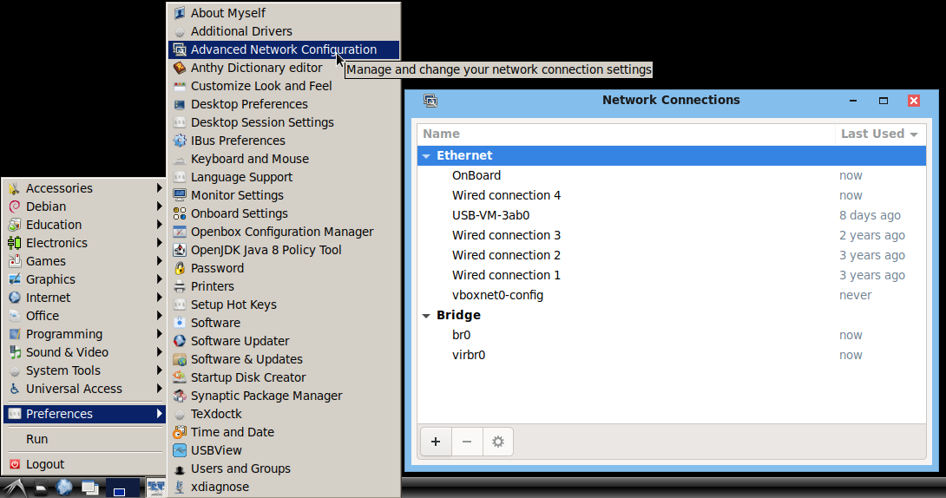
connected new network interface

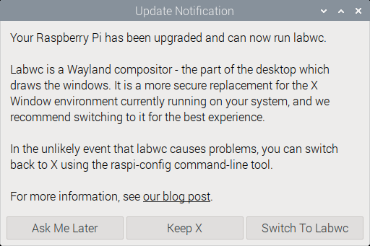
Click Keep X

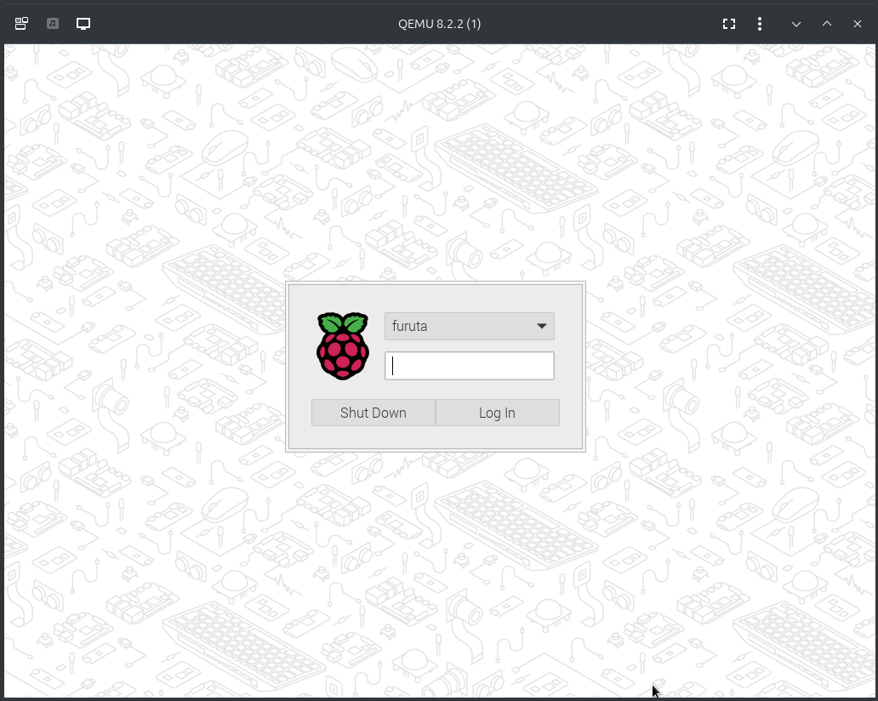
Log in PiUserName with who's password
PiUserName: first user name at creating SD card image

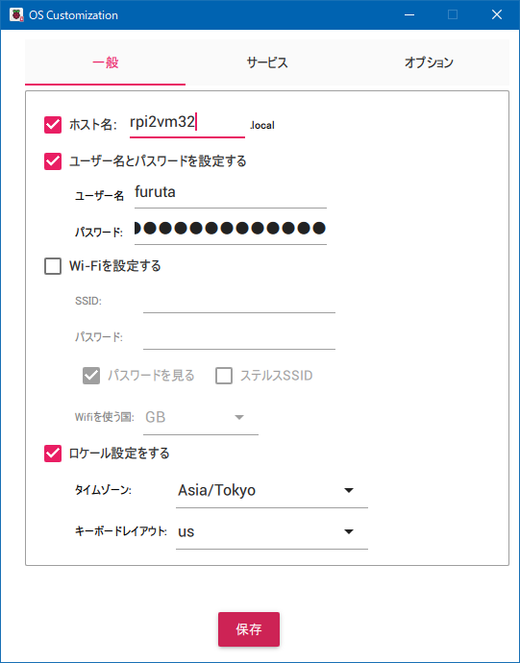
PiUserName
PiHostName

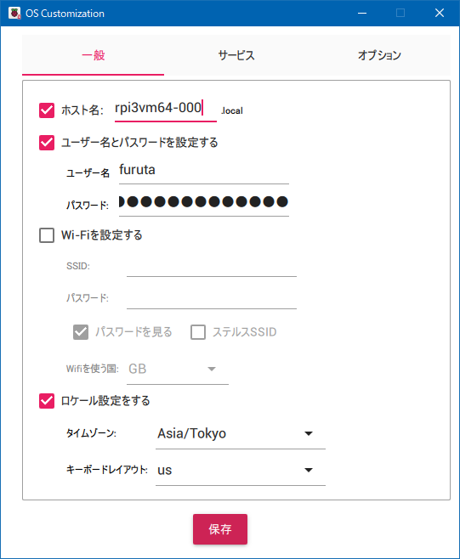
PiHostName
PiUserName
Clear Check Wi-Fi
Set us keyboard layout

