Employee (EN)
WMS
System Name
JMU-SGS_wms
Project Name
Basic Design
Document
Document No.
Created By
Created On
Approved By
Approved On
Purpose
NHPhat
29-12-2021
This function is used to manage Employee

1. Processing Overview
-This function to define all Employee
- User can add/edit/delete/export/import information of employee.

2.Screen Employee
2-1. Search Screen
2-1-1. Search Condition
 |  |  | No | Field Name | Business Rules | Reference from | Note
 |  | ` | Search Condition
 |  |  | 1 | Employee Code | - Textbox, users input manually - Default is blank. Search data by Employee Code
 |  |  | 2 | Employee Name (JP) | - Textbox, users input manually - Default is blank. Search data by Employee Name (JP).
 |  |  | 3 | Employee Name (EN) | - Textbox, users input manually - Default is blank. Search data by Employee Name (EN).
 |  |  | 4 | Department | - Combobox, users input manually - Get data from Employee. Search data with all department
 |  |  | 5 | Status ・All | - Combobox, users input manually. - Get data from Common. Search data with all status
 |  |  | 6 | Status ・Active | - Combobox, users input manually. - Get data from Common. Search data have status is "Active"
 |  |  | 7 | Status ・Inactive | - Combobox, users input manually. - Get data from Common. Search data have status is "Inactive"
 |  |  | Search Result
 |  |  | 1 | Employee Code | - Display [Employee Code] from integrated Employee Screen
 |  |  | 2 | Employee Name (JP) | - Display [Employee Name (JP)] from Employee Screen.
 |  |  | 3 | Employee Name (EN) | - Display [Employee Name (EN)] from Employee Screen.
 |  |  | 4 | Department | - Display [Department] from Employee function.
 |  |  | 5 | Status | - Display [Status] from Employee Screen.
 |  |  | Button
 |  |  | 1 | Add | - Button - Open [Add] screen to add new Employee
 | Clicking on the row to go the View screen. |  | 2 | Edit | - Button. - Users must choose an existing Employee in search result before clicking button [Edit]. If not, a popup: ""No row(s) has selected!"" is shown.
 |  |  | 3 | Delete | - Button. - Users must choose an existing Employee in search result before clicking the button [Delete]. If not, system shows a popup: "No row(s) has selected!". - After clicking the button [Delete], a popup "Do you want to delete?" is opened. Users have 2 options: "Yes" or "No". If clicking "Yes", system shows a message "Delete successfully!". If clicking "No", the popup is closed and this Employee selected isn't deleted. - If the selected Employee was used, a message "Can't be deleted, data is being used." is opened. Users can't delete currently Employee
 |  |  | 4 | Close | - Button - Close this screen
2-2. Screen [Employee (Add)]
 |  |  | No | Field Name | Business Rules | Reference from | Note
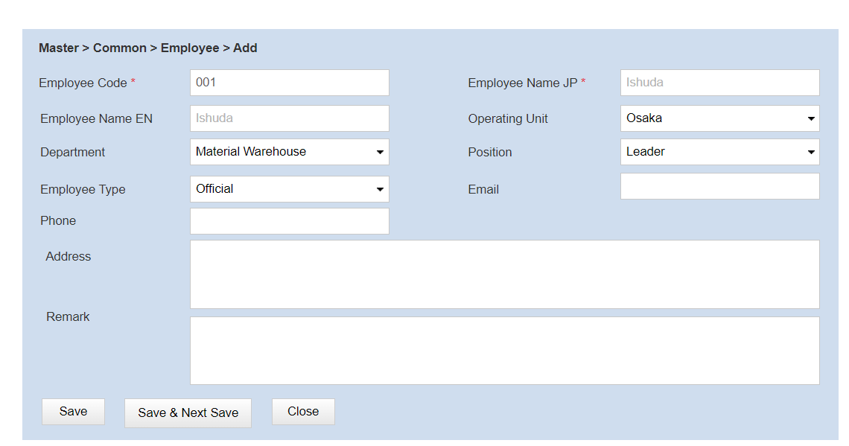
 |  | ` | Information
 |  |  | 1 | Employee Code | - Textbox, users input manually - Input is required - Default is blank. | Describe table names and column names in Employee
 |  |  | 2 | Employee Name (JP) | - Textbox, users input manually - Input is required - Default is blank.
 |  |  | 3 | Employee Name (EN) | - Textbox, users input manually - Default is blank.
 |  |  | 4 | Operating Unit | - Combobox, users input manually - Input is required | Get data from Operating Unit Screen
 |  |  | 5 | Department | - Combobox, users input manually | Get data from Department Screen
 |  |  | 6 | Position | - Combobox, users input manually | Get data from Position Screen
 |  |  | 7 | Employee Type | - Combobox, users input manually - Input is required
 |  |  | 8 | Email | - Textbox, users input manually - Default is blank.
 |  |  | 9 | Phone | - Textbox, users input manually - Default is blank.
 |  |  | 10 | Address | - Textbox, users input manually - Default is blank.
 |  |  | 11 | Remark | - Textbox, users input manually - Default is blank.
 |  |  | 12 | Status | - Combobox, users input manually - Input is required - Get data from Employee Screen, these are 2 values: "Active" and "Inactive" - Default is "Active", but user can change.
 |  |  | Button
 |  |  | 1 | Save | - Button - Save data user input and close Add screen - If user input all required field and click Save, System will save data and show message "Insert successfully!" - If user don't input one of all required field and click Save, system don’t save data and show message "Field [] must be filled in"
 |  |  | 2 | Save And Next | - Button - Save data user input and open new add screen. - If user input all required field and click Save And Next, System will save data and show message "Save successfully!" - If user don't input one of all required field and click Save And Next, system don’t save data and show message "Field [] must be filled in"
 |  |  | 3 | Clear | - Button - Clear all data user inputted - When user click [Clear] button, system will show message "Data will be lost. Do you want to continues?" to confirm. If user confirm this message, system will clear all data
 |  |  | 4 | Close | - Button - Close this screen
2-3. Screen [Employee (View)]
 |  |  | Screen [Employee (View)]
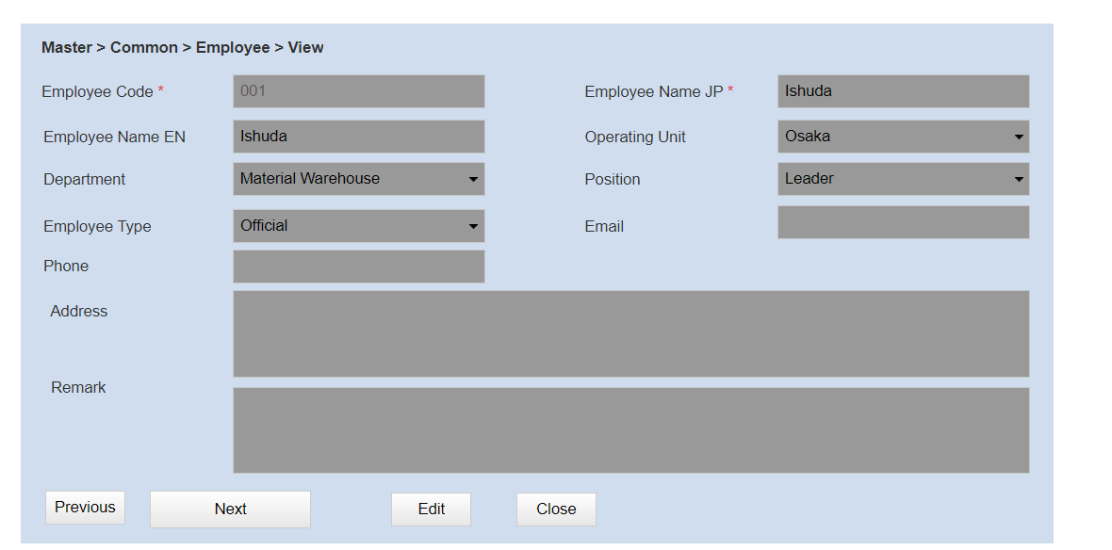
 |  | ` | Information
 |  |  | 1 | Employee Code | - Textbox. - Read Only - Get [Employee Code] from Employee Screen.
 |  |  | 2 | Employee Name (JP) | - Textbox. - Read Only - Get [Employee Name (JP)] from Employee Screen.
 |  |  | 3 | Empoyee Name (EN) | - Textbox. - Read Only - Get Employee Name (EN)] from Employee Screen.
 |  |  | 4 | Operating Unit | - Textbox. - Read Only - Get [Operating Unit] from Employee Screen.
 |  |  | 5 | Department | - Textbox. - Read Only - Get [Department] from Employee Screen.
 |  |  | 6 | Position | - Textbox. - Read Only - Get [Position] from Employee Screen.
 |  |  | 7 | Employee Type | - Textbox. - Read Only - Get [Employee Type] from Employee Screen.
 |  |  | 8 | Email | - Textbox. - Read Only - Get [Email] from integrated Employee Screen.
 |  |  | 9 | Phone | - Textbox. - Read Only - Get [Phone] from Employee Screen.
 |  |  | 10 | Address | - Textbox. - Read Only - Get [Address] from Empoyee Screen.
 |  |  | 11 | Remark | - Textbox. - Read Only - Get [Remark] from Employee Screen.
 |  |  | Button
 |  |  | 1 | Previous | - Button - Go to previous Employee
 |  |  | 2 | Next | - Button - Go to next Employee
 |  |  | 3 | Edit | - Button - Open Edit screen
 |  |  | 4 | Close | - Button - Close this screen

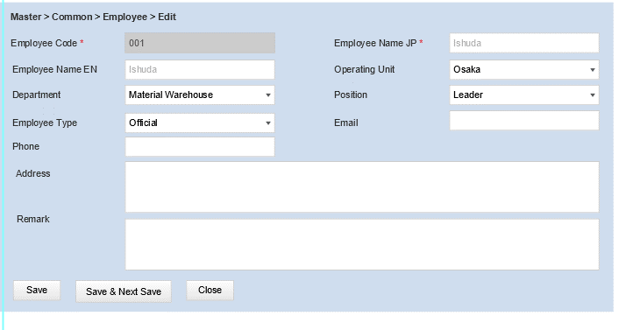
2-4.Screen [Employee (Edit)]
 |  |  | Screen | Employee Edit
 |  | ` | Information
 |  |  | 1 | Employee Code | - Textbox. - Read Only - Get [Employee Code] from Employee Screen. | Describe table names and column names in Employee
 |  |  | 2 | Employee Name (JP) | - Textbox. - Get [Employee Name (JP)] from Employee Screen.
 |  |  | 3 | Employee Name (EN) | - Textbox. - Get [Employee Name (EN)] from Employee Screen.
 |  |  | 4 | Operating Unit | - Combobox, users input manually - Get [Operating Unit] from Employee Screen.
 |  |  | 5 | Department | - Combobox, users input manually - Get [Department] from Employee Screen.
 |  |  | 6 | Position | - Combobox, users input manually - Get [Position] from Employee Screen.
 |  |  | 7 | Emloyee Type | - Combobox, users input manually - Get [Emloyee Type] from Employee Screen.
 |  |  | 8 | Email | - Textbox, users input manually - Get [Email ] from Employee Screen.
 |  |  | 9 | Phone | - Textbox, users input manually - Get [Phone] from Employee Screen.
 |  |  | 10 | Address | - Textbox, users input manually - Get [Address] from Employee Screen.
 |  |  | 11 | Remark | - Textbox, users input manually - Get [Remark] from Employee Screen.
 |  |  | Button
 |  |  | 1 | Save | - Button - Save data user input and close Edit screen - If user input all required field and click Save, System will save data and show message "Save successfully!" - If user don't input one of all required field and click Save, system don’t save data and show message "Field [] must be filled in"
 |  |  | 2 | Save And Next | - Button - Save data user input and open new add screen. - If user input all required field and click Save And Next, System will save data and show message "Save successfully!" - If user don't input one of all required field and click Save And Next, system don’t save data and show message "Field [] must be filled in"
 |  |  | 3 | Reset | - Button - Reset data in selected Employee
 |  |  | 4 | Close | - Button - Close this screen

3. Navigator
Master
Menu

Employee Screen

Employee (Add) Screen
Employee (View) Screen

Employee (Edit) Screen

