Department
WMS
System Name
JMU-SGS_wms
Project Name
Basic Design
Document
Document No.
Created By
Created On
Approved By
Approved On
Purpose
CTKLy
28-12-2021
This function is used to manage Department

1. Processing Overview
- This function will get data from all Departments
- User can add/edit/delete/export/import information of Department

2. Screen [Department ]
2-1. Search Screen
2-1-1. Search Condition
 |  |  | No | Field Name | Business Rules | Reference from | Note
 |  | ` | Search Condition
 |  |  | 1 | Department Code | - Textbox, users input manually - Default is blank. Search data by Department Code
 |  |  | 2 | Department Name (JP) | - Textbox, users input manually - Default is blank. Search data by Department Name (JP).
 |  |  | 3 | Department Name (EN) | - Textbox, users input manually - Default is blank. Search data by Department Name (EN).
 |  |  | 4 | Operating Unit | - Combobox, users input manually - Get data from Operating Unit . Search data with all Operating Unit
 |  |  | 5 | Status ・All | - Combobox, users input manually - Get data from Common. Search data with all status
 |  |  | 6 | Status ・Active | - Combobox, users input manually - Get data from Common. Search data have status is "Active"
2-1-2. Search result |  |  | 7 | Status ・Inactive | - Combobox, users input manually - Get data from Common. Search data have status is "Inactive"
 |  |  | Search Result
 |  |  | 1 | Department Code | - Display [Department Code] from Department function. | Describe table names and column names in Department function
 |  |  | 2 | Department Name (JP) | - Display [Department Name (JP)] from Department function. | Describe table names and column names in Department function
 |  |  | 3 | Department Name (EN) | - Display [Department Name (EN)] from Department function. | Describe table names and column names in Department function
 |  |  | 4 | Operating Unit | - Display [Operating Unit] from Department function.
 |  |  | 5 | Status | - Display [Status] from Department function. | Describe table names and column names in Department function
 |  |  | 6 | Remark | - Display [Remark] from Department function.
 |  |  | Button
 |  |  | 1 | Copy | - Button - Open [Add] screen and copy a new Department from one (except Department Code) - User must choose and select an existing Department in search result. If not, show pop-up: "No row(s) selected!"
 |  |  | 2 | Add | - Button - Open [Add] screen to add new Department
 | Clicking on the row to go the View screen. |  | 3 | Edit | - Button. - Users must choose an existing Department in search result before clicking button [Edit]. If not, a popup: ""No row(s) has selected!"" is shown.
 |  |  | 4 | Delete | - Button. - Users must choose an existing Department in search result before clicking the button [Delete]. If not, system shows a popup: "No row(s) has selected!". - After clicking the button [Delete], a popup "Do you want to delete?" is opened. Users have 2 options: "Yes" or "No". If clicking "Yes", system shows a message "Delete successfully!". If clicking "No", the popup is closed and this Department selected isn't deleted. - If the selected Department was used, a message "Can't be deleted, data is being used." is opened. Users can't delete currently Department
 |  |  | 5 | Refresh | - Button - Re-fresh list of Department
 |  |  | 6 | Export | - Button - Export data from search result to excel, xlsx, pdf, text, html, csv
 |  |  | 7 | Import | - Button - Import Department data from excel to system
 |  |  | 8 | Close | - Button - Close this screen
2-2. Screen [Department (Add)]
 |  |  | No | Field Name | Business Rules | Reference from | Note
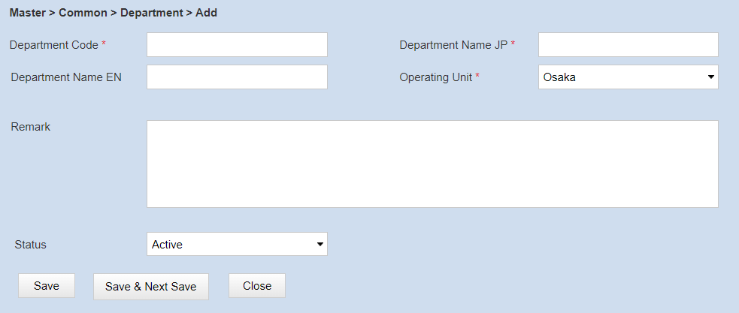
 |  | ` | Information
 |  |  | 1 | Department Code | - Textbox, users input manually - Input is required - Default is blank. | Describe table names and column names in Department function
 |  |  | 2 | Department Name (JP) | - Textbox, users input manually - Input is required - Default is blank.
 |  |  | 3 | Department Name (EN) | - Textbox, users input manually - Default is blank.
 |  |  | 4 | Operating Unit | - Combobox, users input manually - Get data from Operating Unit Search data with all Operating Unit with status is active
 |  |  | 5 | Status | - Combobox, users input manually - Get data from Common, these are 2 values: "Active" and "Inactive" - Default is "Active", but user can change.
 |  |  | 6 | Remark | - Textbox, users input manually - Default is blank.
 |  |  | Button
 |  |  | 1 | Save | - Button - Save data user input and close Add screen - If user input all required field and click Save, System will save data and show message "Insert successfully!" - If user don't input one of all required field and click Save, system don’t save data and show message "Field [] must be filled in"
 |  |  | 2 | Save And Next | - Button - Save data user input and open new add screen. - If user input all required field and click Save And Next, System will save data and show message "Save successfully!" - If user don't input one of all required field and click Save And Next, system don’t save data and show message "Field [] must be filled in"
 |  |  | 3 | Clear | - Button - Clear all data user inputted - When user click [Clear] button, system will show message "Data will be lost. Do you want to continues?" to confirm. If user confirm this message, system will clear all data
 |  |  | 4 | Close | - Button - Close this screen
2-3. Screen [Department (View)]
 |  |  | Screen [Department (View)]
 |  | ` | Information
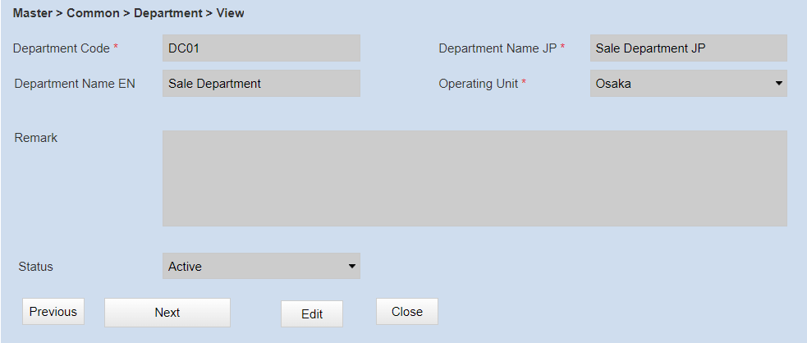
 |  |  | 1 | Department Code | - Textbox. - Read Only - Get [Department Code] from Department function. | Describe table names and column names in Department function
 |  |  | 2 | Department Name (JP) | - Textbox. - Read Only - Get [Department Name (JP)] from Department function.
 |  |  | 3 | Department Name (EN) | - Textbox. - Read Only - Get [Department Name (EN)] from Department function.
 |  |  | 4 | Operating Unit | - Combobox. - Read Only - Get [Operating Unit] from Department function.
 |  |  | 5 | Remark | - Textbox. - Read Only - Get [Remark] from Department function.
 |  |  | 6 | Status | - Combobox. - Read Only - Get [Status] from Department function.
 |  |  | Button
 |  |  | 1 | Previous | - Button - Go to previous Department
 |  |  | 2 | Next | - Button - Go to next Department
 |  |  | 3 | Edit | - Button - Open Edit screen
 |  |  | 4 | Close | - Button - Close this screen

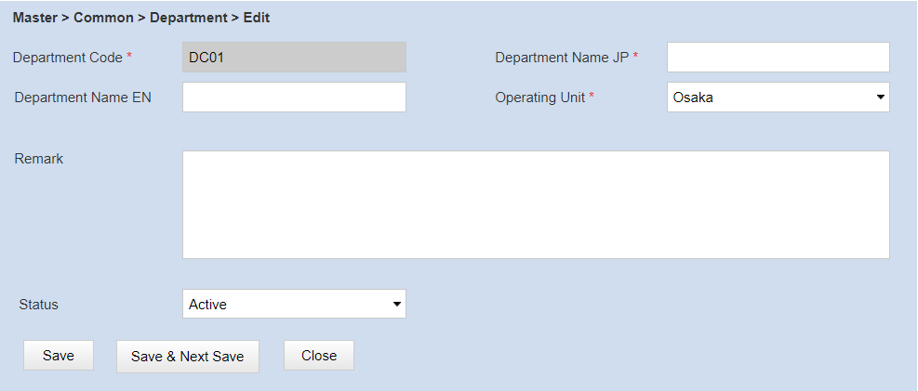
2-4.Screen [Department (Edit)]
 |  |  | Screen [Department (Edit)]
 |  | ` | Information
 |  |  | 1 | Department Code | - Textbox - Read Only - Get [Department Code] from Department function. | Describe table names and column names in Department function
 |  |  | 2 | Department Name (JP) | - Textbox, users input manually - Input is required - Get [Department Name (JP)] from Department function.
 |  |  | 3 | Department Name (EN) | - Textbox, users input manually - Get [Department Name (EN)] from Department function.
 |  |  | 4 | Operating Unit | - Combobox, users input manually - Input is required - Get [Operating Unit ] from Department function.
 |  |  | 5 | Status | - Combobox, users input manually - Input is required - Get data from Department function, these are 2 values: "Active" and "Inactive" - Get [Status] from Department function, but user can change.
 |  |  | 6 | Remark | - Textbox, users input manually - Get [Remark] from Department function.
 |  |  | Button
 |  |  | 1 | Save | - Button - Save data user input and close Edit screen - If user input all required field and click Save, System will save data and show message "Save successfully!" - If user don't input one of all required field and click Save, system don’t save data and show message "Field [] must be filled in"
 |  |  | 2 | Save And Next | - Button - Save data user input and open new add screen. - If user input all required field and click Save And Next, System will save data and show message "Save successfully!" - If user don't input one of all required field and click Save And Next, system don’t save data and show message "Field [] must be filled in"
 |  |  | 3 | Reset | - Button - Reset data in selected Department
 |  |  | 4 | Close | - Button - Close this screen

3. Navigator
Master
Menu

Department Screen

Department (Add) Screen
Department (View) Screen

Department (Edit) Screen

