Team assignments (50%)
 |  | Specification table
 |  | Course code: | 328061-M3 (fall, block 3) and 328060-M3 (spring, block 1)
 |  | Course name: | Online Data Collection and Management
 |  | Test Type: | Team assignment (45%; 10% individual component assessed via self- and peer assessment)
 |  | Cognitive skills
 | Tested subjects (corresponding learning goal*) | Knowledge | Comprehension | Application | Analysis | Evaluation | Synthesis | Number of questions/ percentage score points per learning goal
1 | Explain how web data has been used in the academic marketing literature |  |  |  |  |  |  | 0%
2 | Select web data sources and evaluate their value in the context of a specific research question or business problem |  | 10% |  |  |  |  | 10%
3 | Design the web data collection while balancing validity, technical feasibility and exposure to legal/ethical risks |  | 15% | 10% |  |  |  | 25%
4 | Collect data via web scraping and Application Protocol Interfaces (APIs) by mixing, extending and repurposing code snippets |  |  |  | 15% |  | 15% | 30%
5 | Document and archive collected data, and make it available for public (re)use | 5% |  | 10% |  | 10% | 10% | 35%
 | Number of questions/ percentage score points per thinking skill | 5% | 25% | 20% | 15% | 10% | 25% | 100%
 | * Include a reference to the corresponding learning goal |  |  |  |  |  |  |  | 1 | controle

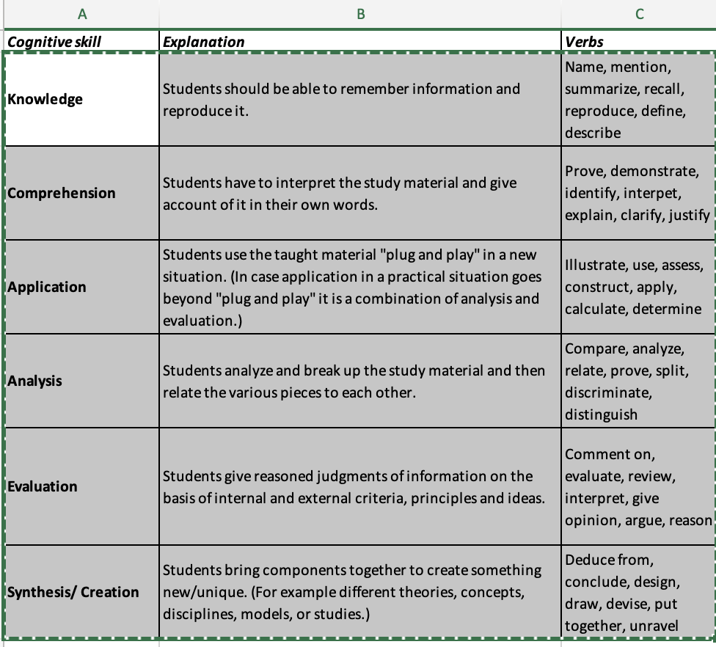
 | Tested subjects | Corresponding course learning goal | Weight on assignment | Corresponding Cognitive Skill Level
 | Motivation for data context | 1 | 5% | Evaluation
 | Motivation for website/API | 1 | 5% | Evaluation
 | Entities/linkages/timeframe | 3 | 5% | Analysis
 | Sampling/construct measurement/data structure | 3 | 5% | Analysis
 | Data inspection | 3 | 10% | Analysis
 | Technical extraction plan | 3 | 10% | Application
 | Legal and ethical concerns | 2 | 5% | Evaluation
 | Preprocessing | 4 | 5% | Application
 | Accessibility of final files | 5 | 5% | Application
 | Users learn about data | 7 | 5% | Evaluation
 | Source code quality | 6 | 15% | Synthesis
 | Quality of technical implementation | 6 | 15% | Synthesis
 | Data package | 7 | 10% | Application

 |  |  | 100%

