Bug Report 1
ID | BRJ1
App Name: | Jamboard
Device / OS | Xiaomi Poco M3 Pro 5G / Android 11
Bug Summary | Part of the text at the end of the page overlaps
Description | Part of the text at the end of the page overlaps each other, making it impossible to read
Steps to reproduce | Precondition: The user already logged in 1. Open the Jamboard app 2. Tap on the Hamburger menu in the top left corner 3. Tap on the Help&feedback 4. Tap on the Options For Whiteboard Collaboration link ot on the Use A Code To Join A Live Whiteboard Session link 5. Scroll down to the bottom of the page
Actual result | Part of the text at the end of the page overlaps
Expected result | The entire text of the page can be read
Priority | Low
Severity | Low
Workarounds (if any) | No
Screenshots | 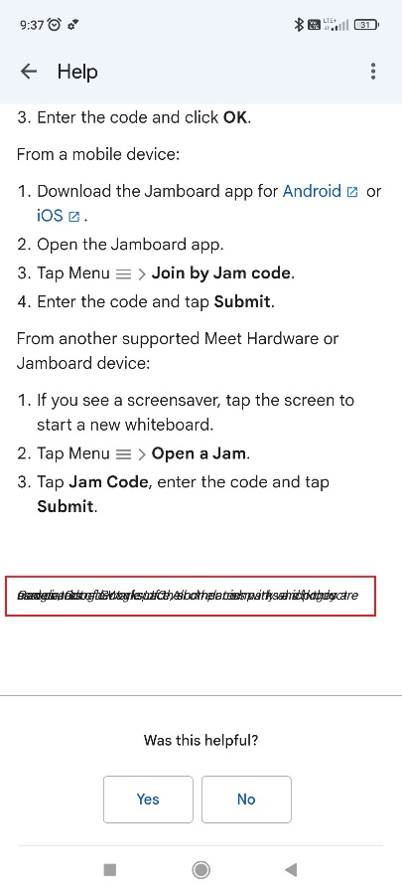

Bug Report 2
ID | BRJ1
App Name: | Jamboard
Device / OS | Xiaomi Poco M3 Pro 5G / Android 11
Bug Summary | Some page elements become almost indistinguishable in dark mode
Description | When you turn on dark mode on your phone, not all elements on the Recent page and Project page are clearly visible
Steps to reproduce | Precondition: The user already logged in 1. Open the Jamboard app 2. Tap on the Hamburgeк menu 3. Tap on the Recent 4. Turn on dark mode on the phone 5. Open any projects
Actual result | All page elements should be clearly visible in dark mode.
Expected result | Some page elements become almost indistinguishable in dark mode
Priority | Low
Severity | Medium
Workarounds (if any) | No
Screenshots | 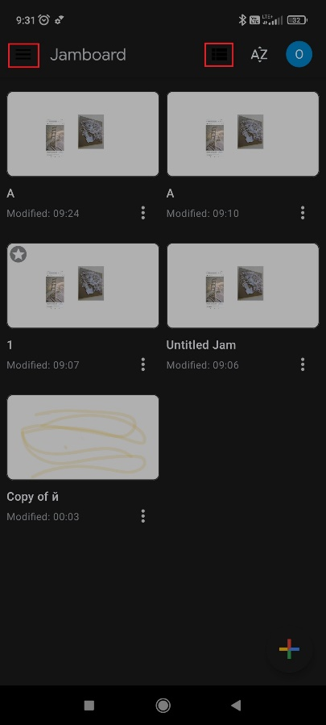 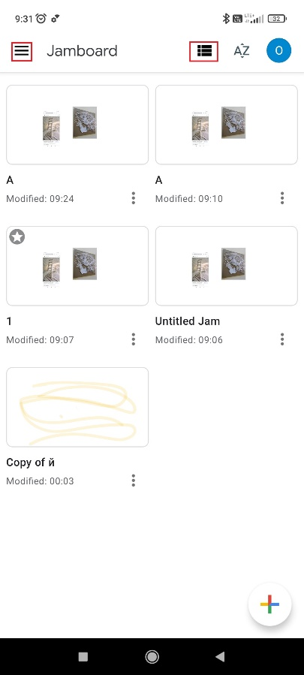 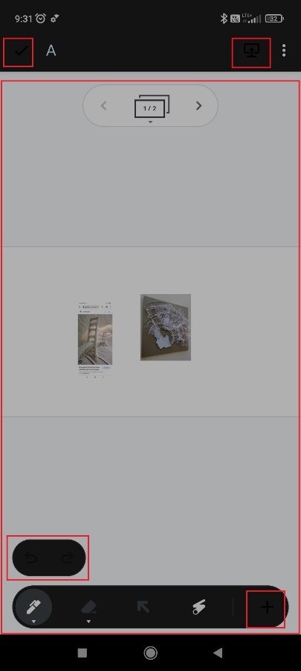 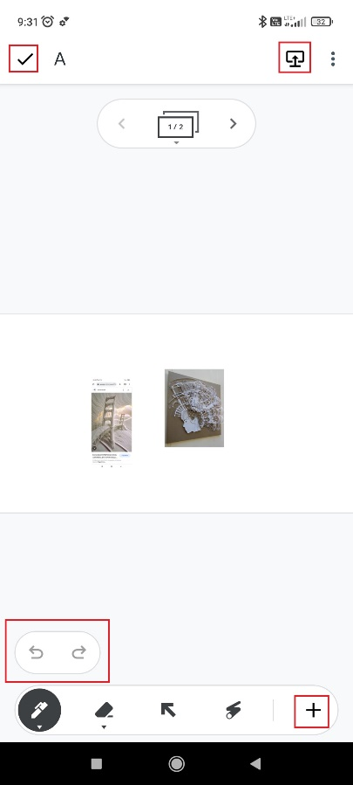

Bug Report 3
ID | BRJ1
App Name: | Jamboard
Device / OS | Xiaomi Poco M3 Pro 5G / Android 11
Bug Summary | The Back Arrow on the Help&feedback page works incorrectly
Description | After tapping on the Back Arrow in the top left corner the user expects the previous page open instead of the page that was opened before opening the Help page
Steps to reproduce | Precondition: The user already logged in 1. Open the Jamboard app 2. Tap on the Hamburger menu in the top left corner 3. Tap on the Help&feedback 4. Tap on any article on the page 5. Tap on the Back arrow in the top right corner
Actual result | After tapping on the Back Arrow in the top left corner the page that was opened before opening the Help page opens.
Expected result | After tapping on the Back Arrow in the top left corner the user should return back the previous page.
Priority | Low
Severity | Low
Workarounds (if any) | Yes, can return back using the back button on the phone navigation bar
Screenshots | 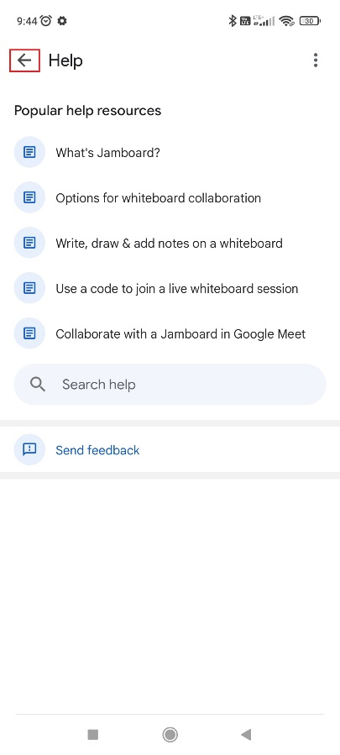 Link to screen recording of the issue: https://drive.google.com/file/d/1tT13JAUOFe9fpsg-OG0CTh4YPo73oGUN/view?usp=sharing

