Bug Report 1
ID | BRM2
App Name: | MultiSport
Device / OS | Xiaomi Poco M3 Pro 5G / Android 11
Bug Summary | Istagram and Youtube profile links not working
Description | When you tap on the profile icons on Instagram and YouTube, nothing happens intead of opening the Instagram or Youtube profile page the user stays on the same page
Steps to reproduce | 1. Open the MultiSport app 2. Tap on the Browse Without Logging In link 3. Tap on More in the bottom right corner 4. Tap on the Istagram or Youtube profile links 5. Tap on the About Application button 6. Tap on the Istagram or Youtube profile links
Actual result | After tapping on the Istagram or Youtube profile links, nothing happens the user stays on the same page
Expected result | After tapping on the Istagram or Youtube profile links, should open the Instagram or Youtube profile page
Priority | Medium
Severity | Medium
Workarounds (if any) | No
Screenshots | 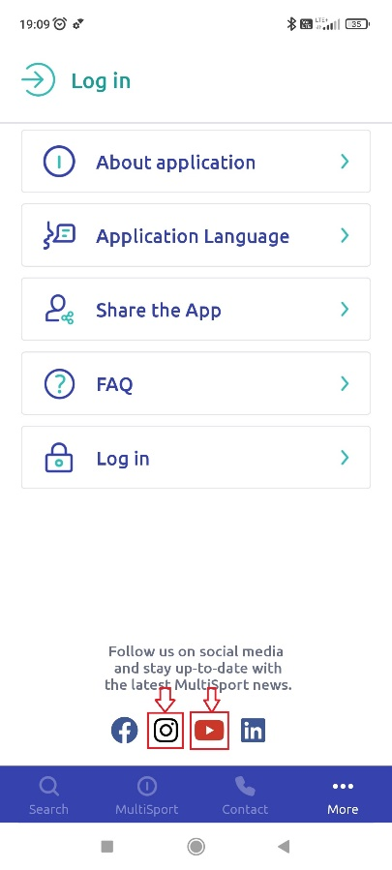 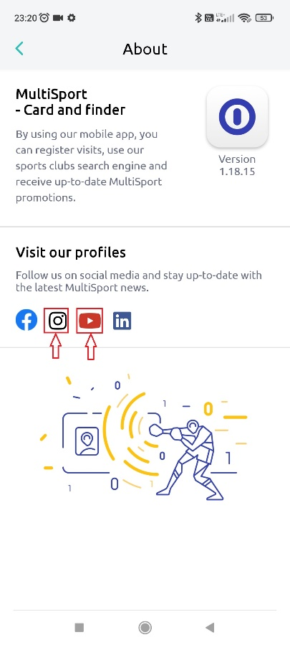

Bug Report 2
ID | BRM2
App Name: | MultiSport
Device / OS | Xiaomi Poco M3 Pro 5G / Android 11
Bug Summary | Some activity names have no translation
Description | When choosing Polish as the language of the application, some categories of actives are not translated
Steps to reproduce | 1. Open the MultiSport app 2. Tap on the Browse Without Logging In link 3. Tap on More in the bottom right corner 4. Tap on the Application Language button 5. Tap on Polish 6. Tap on Wyszykaj (Search) in the bottom left corner 7. Scroll down
Actual result | Some activity names have no translation in Polish (Cross Trening, Indoor Cycling)
Expected result | All activity names have translation in Polish
Priority | Low
Severity | Low
Workarounds (if any) | No
Screenshots | 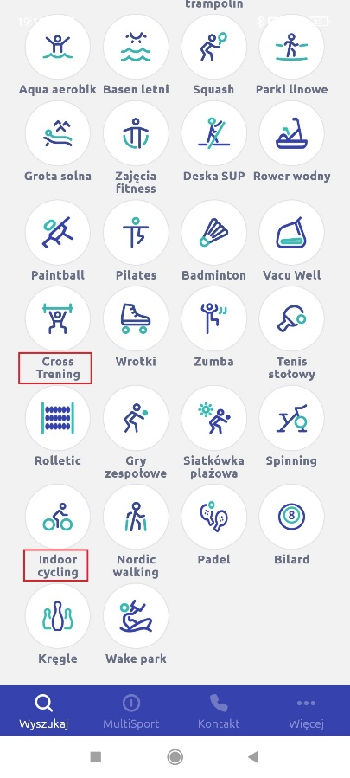

Bug Report 3
ID | BRM3
App Name: | MultiSport
Device / OS | Xiaomi Poco M3 Pro 5G / Android 11
Bug Summary | Activity search function does not work correctly
Description | After deleting the name of the activities from the search bar and returning to the map, only the previous activities are displayed on the map instead of all available activities for this location
Steps to reproduce | 1. Open the MultiSport app 2. Tap on the Browse Without Logging In link 3. Tap on Map in the top right corner 4. Tap on any activity name 5. Tap on the Search field at the top of the page 6. Delete the activity names by tapping the X button in the Activity Name field 7. Tap on the X button in the top left corner
Actual result | After deleting the name of the activities from the search bar and returning to the map, only the previous activities are displayed on the map
Expected result | After removing the name of the activity from the search bar and returning to the map, all available activities for this location should be displayed on the map
Priority | Medium
Severity | Medium
Workarounds (if any) | Yes, кeopening the map from the Search page
Screenshots | 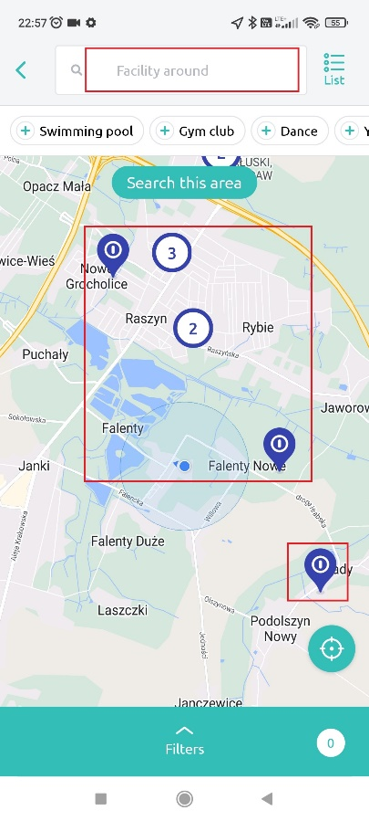 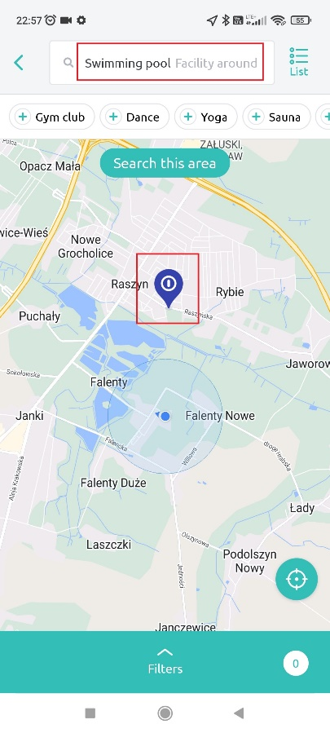 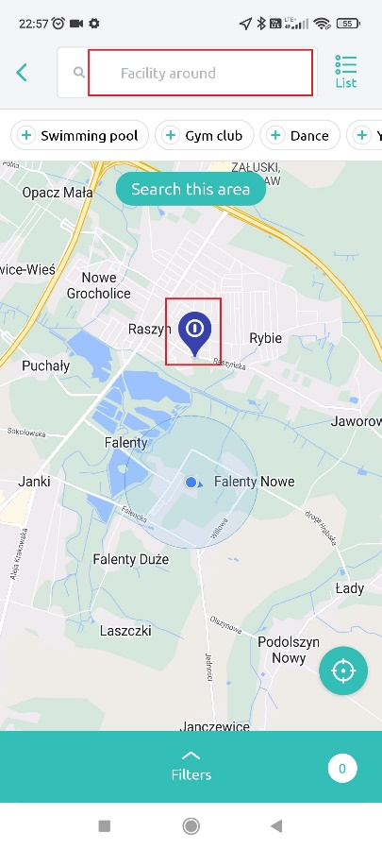 Link to screen recording of the issue: https://drive.google.com/file/d/1ivAzZE0fp15SDfgFzx84MZrfNWJNfjz1/view?usp=sharing

