Architecture
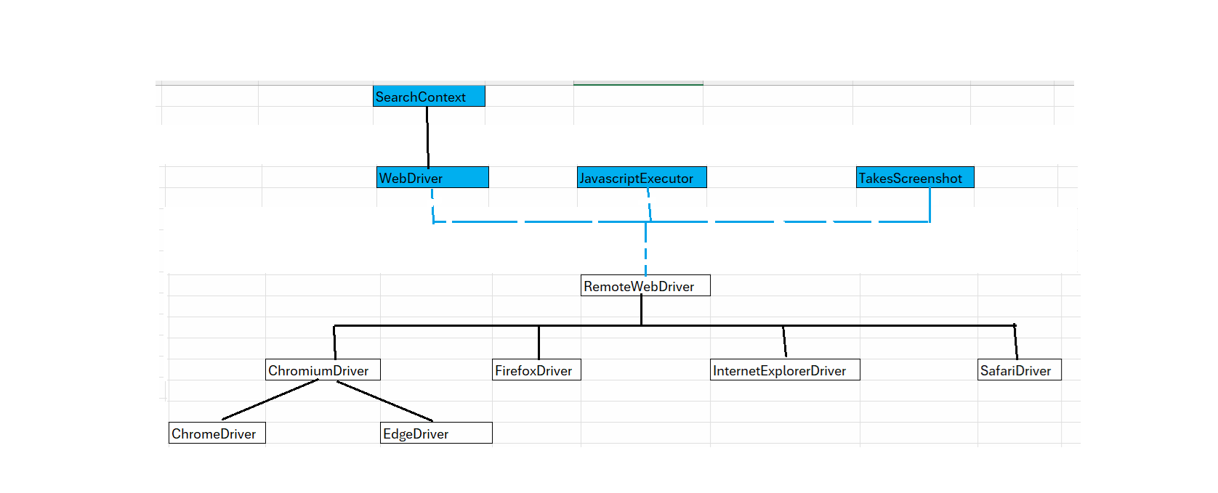
 |  | SearchContext

 |  | WebDriver |  | JavascriptExecutor |  | TakesScreenshot

 |  |  |  | RemoteWebDriver

 | ChromiumDriver |  | FirefoxDriver |  | InternetExplorerDriver |  | SafariDriver

ChromeDriver |  | EdgeDriver

