XPATH
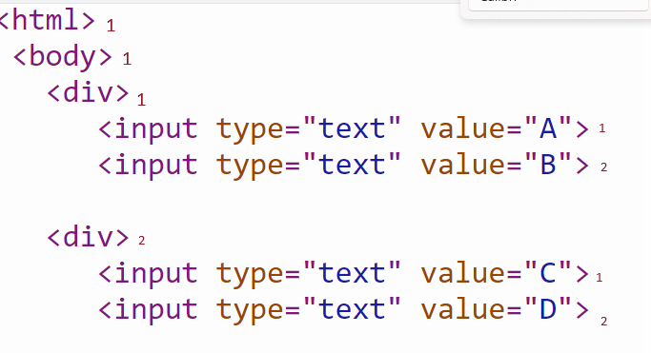
element | absolute xpath | relative xpath
A | /html/body/div[1]/input[1] | //div[1]/input[1]
B | /html/body/div[1]/input[2]
C | /html/body/div[2]/input[1]
D | /html/body/div[2]/input[2]
AB | /html/body/div[1]/input | //div[1]/input
AC | /html/body/div/input[1] | //input[1]
AD | /html/body/div[1]/input[1]|/html/body/div[2]/input[2]
BC | /html/body/div[1]/input[2]|/html/body/div[2]/input[1]
BD | /html/body/div/input[2] | //input[2]
CD | /html/body/div[2]/input | //div[2]/input
ABC | /html/body/div[1]/input|/html/body/div[2]/input[1]
ABD | /html/body/div[1]/input|/html/body/div[2]/input[2]
ACD | /html/body/div[1]/input[1]|/html/body/div[2]/input
BCD | /html/body/div[1]/input[2]|/html/body/div[2]/input
ABCD | /html/body/div/input | //input

