ScreenDesigns-User
Home Page | Menu | Rewards & Prom. Page | Rewards & Prom. Page | Rewards & Prom. Page | FaceBook Integration | GoogleMap Integration | Notification
Heder and Menu
TOYOTA Privileage
2
Scan You App to 20% off
20%
TOYOT Privileage
2
Scan You App to 20% off
20%
HOME
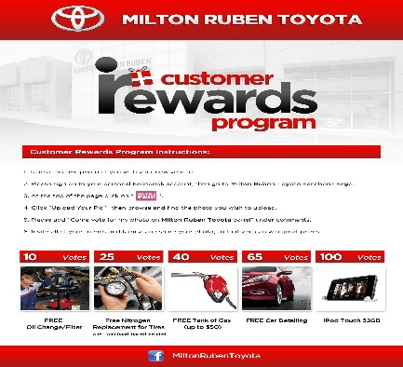
TOYOTA Privileage
2
Rewards
Promotion
Redemption

TOYOTA Privileage
2
Promotion
Rewards
Redemption
TOYOTA Privileage
2
Redemption
Rewards
Promotion
150,000 Points
TOYOTA Privileage
2
TOYOTA Privileage
2
TOYOTA Privileage
2

Rewards and
Promotion

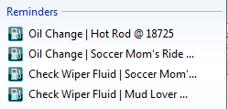

User Info and Points Details
2
Notification

Location & Help

Configurable Area
Visit Us


Statement

Scrolling Adds Click To Open Full Page

Home
Notification
Setting
Rewards and Promotions
Location

FaceBookInfo
