custom list
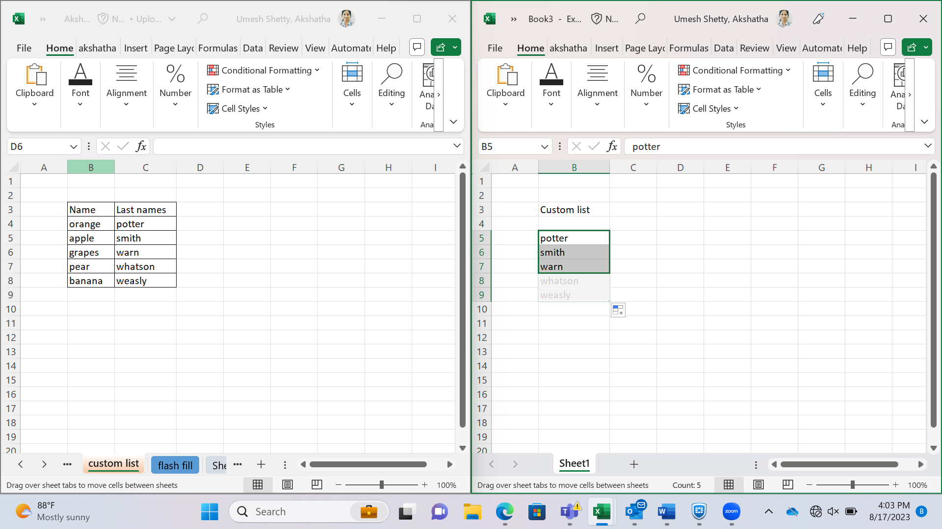
Name | Last names
orange | potter
apple | smith
grapes | warn
pear | whatson
banana | weasly

Copy and paste
