day
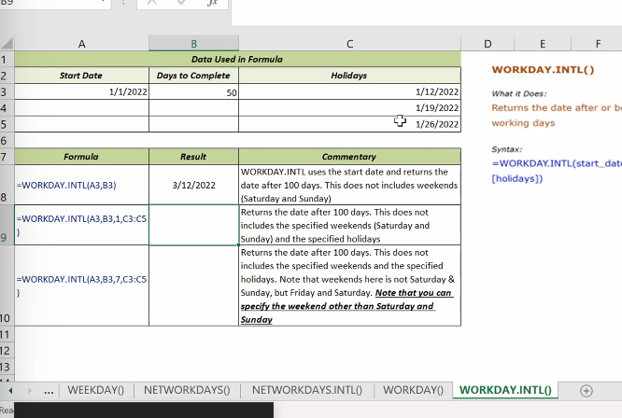
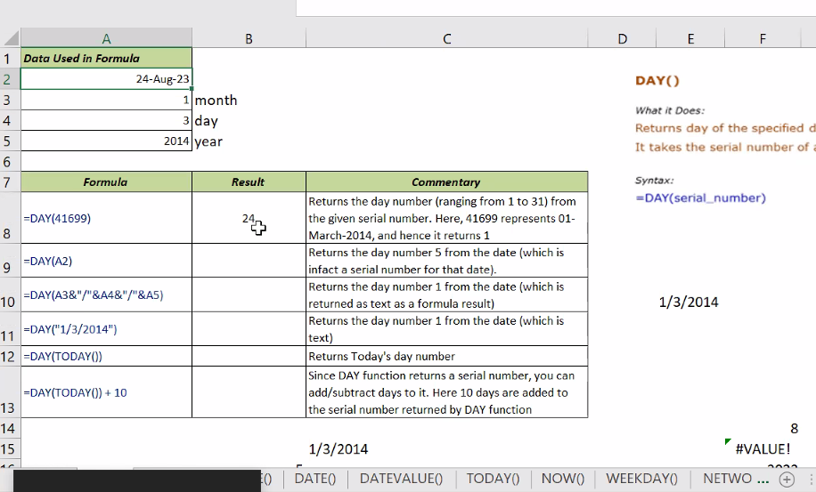
DAY()
 |  |  |  |  |  | 1
 |  |  |  |  |  |  |  | 2023-08-28 |  | DAY | / | HOUR | /
 |  |  |  |  |  | 3 |  |  |  | DATE | /
 |  |  |  |  |  | 28 |  |  |  | DATEVALUE | /
 |  |  |  |  |  |  |  |  |  | TODAY | /
 |  |  |  |  |  |  |  |  |  | NOW() | /

 |  |  |  |  |  |  |  |  |  | WEEKDAY | /
 |  |  |  |  |  |  |  |  |  | NETWORKDAYS | /
 |  |  |  |  |  |  |  |  |  | NWTWORKDAYS.INTL() | /
 |  |  |  |  |  |  |  |  |  | WORKDAY() | /
 |  |  |  |  |  |  |  |  |  | WORKDAY.INTL | /

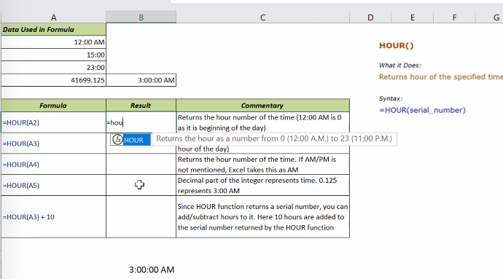
 |  |  |  |  |  | 1 |  |  | 1:00:00
 |  |  |  |  |  | 13 |  |  | 13:00:00

 |  |  |  |  |  | 1900-01-12 00:00:00 |  |  | 12:00:00
 |  |  |  |  |  | 1900-01-13 00:00:00 |  |  | 13:00:00

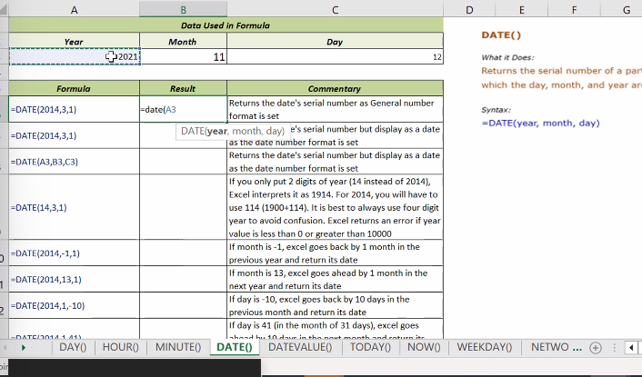

 |  |  |  |  |  | 2023-09-29
 |  |  |  |  | 1900 DEFAULT YEAR | 1920-09-29

 |  |  |  |  | NEG NUMBER IN YEAR | #NUM!
 |  |  |  |  | prev year wen mnth -ve | 1919-06-29 | (12 minus 6)
 |  |  |  |  | 31-29=2 fr date | 1919-10-02

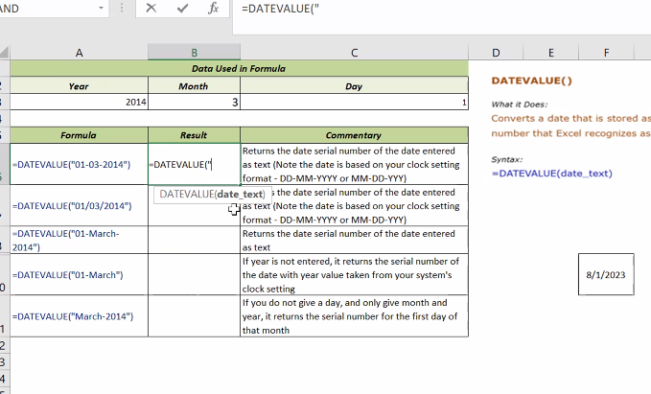
 |  |  |  |  | #VALUE! | serial no. of date

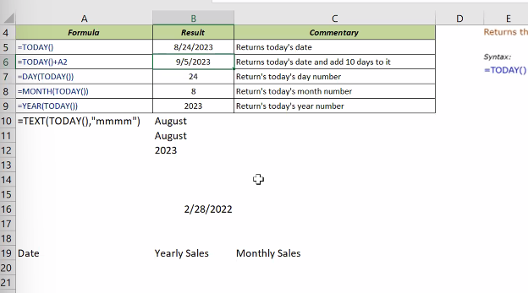

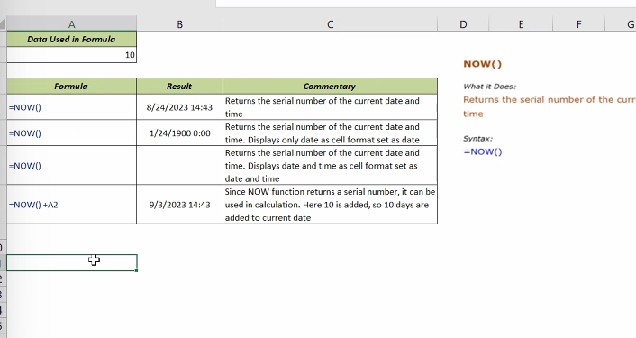
 |  |  |  |  | 8/28/23

 |  |  |  |  | 28
 |  |  |  |  | #VALUE!

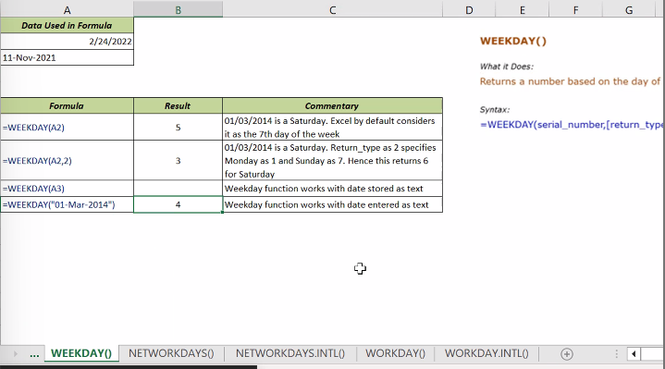
 |  |  |  |  | 2 | 11-Nov-21
 |  |  |  |  | 1

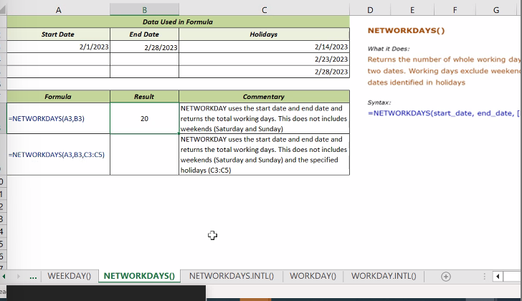
 |  |  |  |  | 0

 | 2023-08-07 | 2023-08-24 | 2023-08-09
 |  |  | 2023-08-15
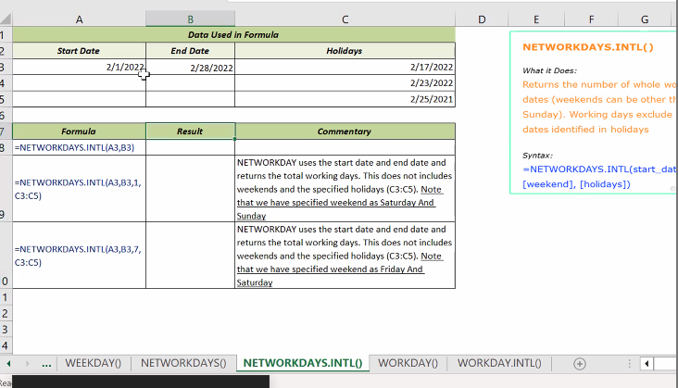

 |  |  |  |  | 12

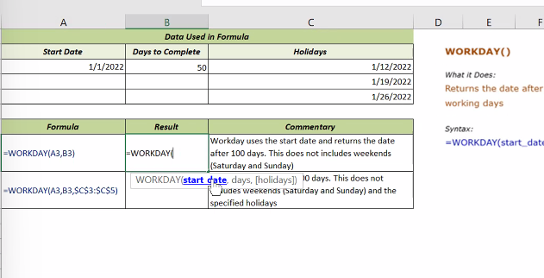
 |  |  |  | check when the work will get completed

 |  |  |  |  | 45287
 |  |  |  |  | 27
 |  |  |  |  | 12
 |  |  |  |  | 2023

