8_25_23
 | Named ranges in excel

Date |  | Revenue | 5000
2023-08-25 |  | Loss | 400
2023-08-26
2023-08-27 |  | Profit | 5400
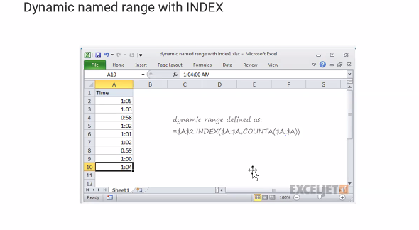
2023-08-28
2023-08-29
2023-08-30
2023-08-31
2023-09-01
2023-09-02
2023-09-03
2023-09-04
2023-09-05
2023-09-06
2023-09-07

Name range
formula | name manager
 | create from top row
 | create from selection
dynamic name range
 | cntrl+f3
 |  |  |  |  |  |  | list -error
Data validation in excel | whole number | / |  | 60 | <50 |  | male
 | decimal | / |  |  |  |  | male
 | List | / |  |  |  |  | male
 | Date |  |  |  |  |  | male
 | Time |  |  |  |  |  | male
 | Text Length |  |  |  |  |  | male

Circling invalid data in excel

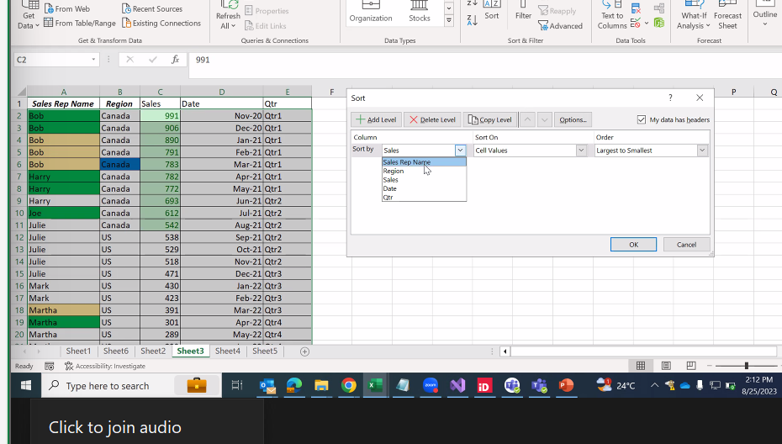
sort | az-> , filter |  | Nmae | Age
 | using filter |  | D | 40
 | advanced filter |  | C | 30
 |  |  | B | 20
 |  |  | A | 0

 | name | region | rit
 | a | canada | >1
 | b | dc

validation

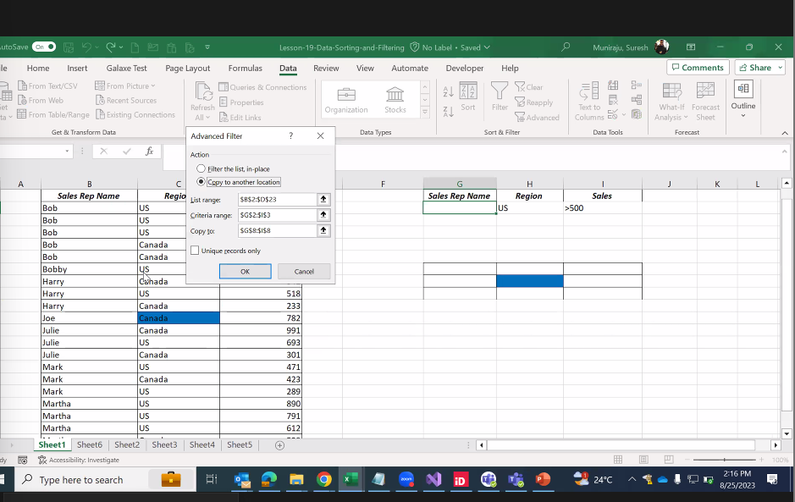

Validation | money | animals | birds
 | 10 | A | H | 5 country | state | display state when u country name changes
 | 90 | B | I
 | 10 | C | J
 | 120 | D | K
 | 20 | E | L
 | 20 | F | M

 | 1 | category | list
 | 2
 | 3
 | 4
 | 5
 | 6

ata valid
dependency valid
condtnl formating | even no.
 | alternative rows

Assignment 0825
 |  |  |  |  |  |  | Country | India | China | Thailand | Vietnam | United states | United Arab Emirates
Enter Time: | 12:00:00 |  |  |  |  |  | India | Delhi | Beijing | Bangkok | Hanoi | Washington | Abu dhabi
 |  |  |  |  |  |  | China | bangalore | Shanghai | Chiang Mai | An Giang | California | Dubai
Name | Salary | Experience | Age | Country | Cities | DOB | Thailand | Mysore | Yunan | Ayuthaya | Bac kan | Colorado | Fujairah
Harry | 25,000 | 1 | 23 | India | Mysore | 2004-12-09 | Vietnam | odisha | Guangzhou | Pattaya | Bc Giang | Connecticut | Ras
Daniel | 25,000 | 1 | 18 | China | Shanghai | 1990-12-09 | Us
Emma | 150000 | 5 | 29 | Thailand | Ayuthaya | 1989-12-09 | Uae
Hermoine | 50000 | 2 | 29 | Us | Washington | 2000-12-09
Ron | 75000 | 3 | 30 | Us | California | 1985-12-09
Malfoy | 500000 | 9 | 42 | Vietnam | Bac kan | 2020-12-09
Hemsworth | 550000 | 10 | 48 | China | Beijing | 2002-12-09
Anne | 150000 | 5 | 29 | India | bangalore | 2001-12-09

Sort the above table

Name | Salary | Experience | Age | Country | Cities | DOB
Anne | 150000 | 5 | 29 | India | bangalore | 2001-12-09
Daniel | 25,000 | 1 | 18 | China | Shanghai | 1990-12-09
Emma | 150000 | 5 | 29 | Thailand | Ayuthaya | 1989-12-09
Harry | 25,000 | 1 | 23 | India | Mysore | 2004-12-09
Hemsworth | 550000 | 10 | 48 | China | Beijing | 2002-12-09
Hermoine | 50000 | 2 | 29 | Us | Washington | 2000-12-09
Malfoy | 500000 | 9 | 42 | Vietnam | Bac kan | 2020-12-09
Ron | 75000 | 3 | 30 | Us | California | 1985-12-09

Filter on table

Name | Salary | Experience | Age | Country | Cities | DOB
Anne | 150000 | 5 | 29 | India | bangalore | 2001-12-09
Daniel | 25,000 | 1 | 18 | China | Shanghai | 1990-12-09
Harry | 25,000 | 1 | 23 | India | Mysore | 2004-12-09

Conditional Formatting

Alternate rows highlighted
Name | Salary | Experience | Age | Country | Cities | DOB
Anne | 150000 | 5 | 29 | India | bangalore | 2001-12-09
Daniel | 25,000 | 1 | 18 | China | Shanghai | 1990-12-09
Emma | 150000 | 5 | 29 | Thailand | Ayuthaya | 1989-12-09
Harry | 25,000 | 1 | 23 | India | Mysore | 2004-12-09
Hemsworth | 550000 | 10 | 48 | China | Beijing | 2002-12-09
Hermoine | 50000 | 2 | 29 | Us | Washington | 2000-12-09
Malfoy | 500000 | 9 | 42 | Vietnam | Bac kan | 2020-12-09
Ron | 75000 | 3 | 30 | Us | California | 1985-12-09

Even number

Numbers
100
101
102
103
104
105
106
107
108
109
110

