Day5_VLOOKUP
=VLOOKUP([@Name],C9:D51,2,FALSE)
VLOOK UP AND HLOOK UP

=VLOOKUP(Table12[@Name],C10:F51,HLOOKUP(E6,B8:F9,2,FALSE),FALSE)
SEARCH
Name | Result |  | subject | Marks |  |  |  |  |  |  |  | #NAME?
1002.00 | F |  | maths | 40

=INDEX(B10:F51,K11,L11)
Name | Id | Result | maths | cs
1 | 2.00 | 3 | 4 | 5
A | 1001.00 | P | 100 | 90 | Get value at index: | row | col(1-5) | result
B | 1002.00 | F | 30 | 40 |  | 1 | 3 | P
C | 1003.00 | F | 30 | 40
D | 1004.00 | P | 100 | 100
E | 1005.00 | P | 100 | 90 | INPUT NAME TO GET INDEX |  | Name | Result
=MATCH(L15,B9:B51,0)
=OFFSET(B10,Day5_VLOOKUP!N21,Day5_VLOOKUP!P21,Day5_VLOOKUP!R21,Day5_VLOOKUP!S21)
F | 1006.00 | F | 30 | 40 |  |  | A | 2
G | 1007.00 | F | 30 | 40
A | 1008.00 | P | 100 | 100
B | 1009.00 | P | 100 | 90
C | 1010.00 | F | 30 | 40
D | 1011.00 | F | 30 | 40 | Get list of details from start of table |  |  |  | down the rows |  | across the columns |  | # rows | #columns | Result
E | 1012.00 | P | 100 | 100 |  |  |  |  | 3 |  | 1 |  | 5 | 2 | 1004 | P
F | 1013.00 | P | 100 | 90 |  |  |  |  |  |  |  |  |  |  | 1005 | P
=IF(LOOKUP(100,E10:E51),TRUE,FALSE)
G | 1014.00 | F | 30 | 40 |  |  |  |  |  |  |  |  |  |  | 1006 | F
A | 1015.00 | F | 30 | 40 | Check if any 100's in maths |  | TRUE |  |  |  |  |  |  |  | 1007 | F
B | 1016.00 | P | 100 | 100 |  |  |  |  |  |  |  |  |  |  | 1008 | P
C | 1017.00 | P | 100 | 90
=SMALL(E10:E51,COLUMN(E10:E15))
D | 1018.00 | F | 30 | 40
E | 1019.00 | F | 30 | 40 | Lowest MARKS | 30
F | 1020.00 | P | 100 | 100
G | 1021.00 | P | 100 | 90
A | 1022.00 | F | 30 | 40
B | 1023.00 | F | 30 | 40
C | 1024.00 | P | 100 | 100
D | 1025.00 | P | 100 | 90
E | 1026.00 | F | 30 | 40
F | 1027.00 | G | 30 | 40
G | 1028.00 | P | 100 | 100
A | 1029.00 | P | 100 | 90
B | 1030.00 | G | 30 | 40
C | 1031.00 | A | 30 | 40
D | 1032.00 | P | 100 | 100
E | 1033.00 | P | 100 | 90
F | 1034.00 | A | 30 | 40
G | 1035.00 | B | 30 | 40
A | 1036.00 | P | 100 | 100
B | 1037.00 | P | 100 | 90
C | 1038.00 | B | 30 | 40
=SUMIFS(M53:M57,L53:L57,"a*")
D | 1039.00 | C | 30 | 40
=SUMIF(L53:L62,"a*",M53:M62)
E | 1040.00 | P | 100 | 100
F | 1041.00 | P | 100 | 90
G | 1042.00 | C | 30 | 40
 |  |  |  |  |  |  | Name | Value | SUMIF | SUMIFS
 |  |  |  |  |  |  | akshatha | 100 | 1000 | 1000
=ROWS(B10:B51)
 |  |  |  |  |  |  | aarundti | 150 | 900 | 900
Total students |  | 42 |  |  |  |  | anikethan | 200 | 750 | 750
 |  |  |  |  |  |  | arun | 250 | 550 | 550
 |  |  |  |  |  |  | aashi | 300 | 300 | 300
 |  |  |  |  |  |  | belan | 350 | 0 | 0
 |  |  |  |  |  |  | sed | 400 | 0 | 0
 |  |  |  |  |  |  | mel | 450 | 0 | 0
 |  |  |  |  |  |  | bol | 500 | 0 | 0
 |  |  |  |  |  |  | ora | 550 | 0 | 0

DAY6
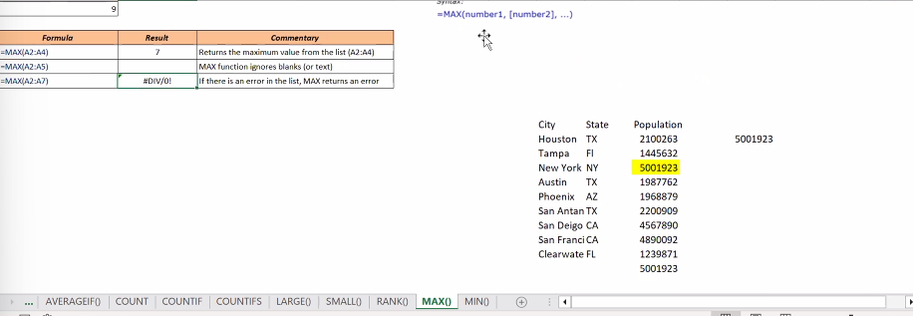
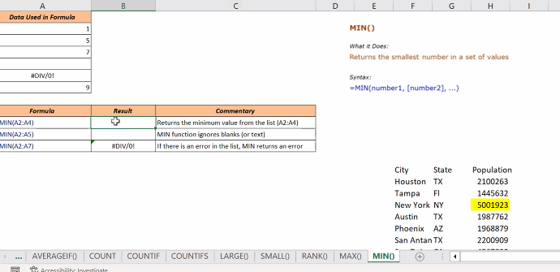
1
2
3
4
 | AVERAGE()
0
 | AVERAGE(A2:A4)
 | AVERAGE(A2:A4,20)
 | AVERAGE(A2:A5)
 | AVERAGE(A2:A6)

 | AVERAGEIF
 | AVERAGEIF(A2:A6,"TOM","B2:B6)
 | AVERAGEIF(A2:A6,"a*","B2:B6)
 | AVERAGEIF(A2:A6,">10)

 | COUNT
 | COUNT(A2:A6)
 | COUNTA(A2:A6)
 | COUNTBLANK(A2:A6)

 | countif(b3:b6,">10") | countifs
 | countif(b3:b6,"a*")
 | countif(b3:b6,">10")
 | countif(b3:b6,">10")

 | large(a2:a4,1)
 | large(a2:a4,2)
 | large(a2:a4,1) | if blank
 | large(a2:a4,1) | if error

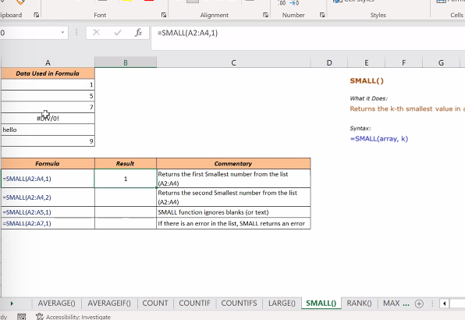

 | Rank(A2,A2:A5) | rank -default desc

Sheet3
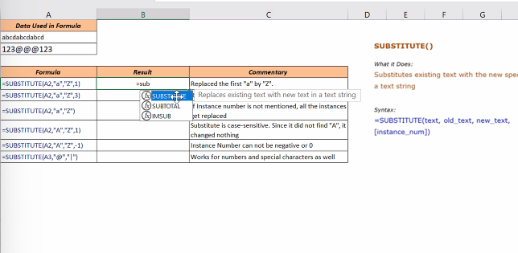
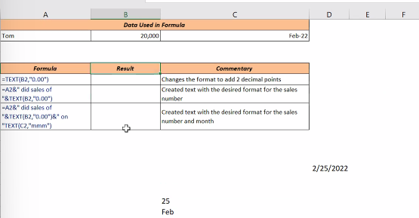
LEFT

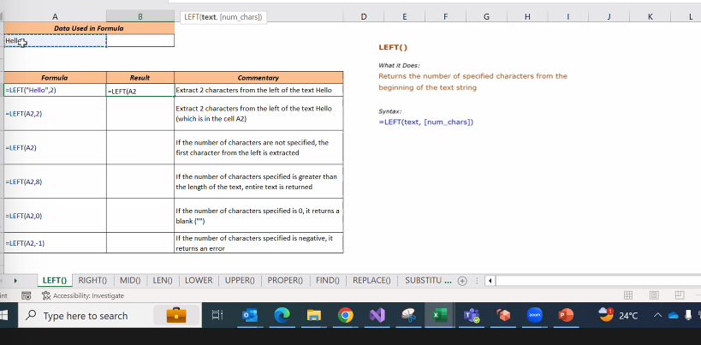

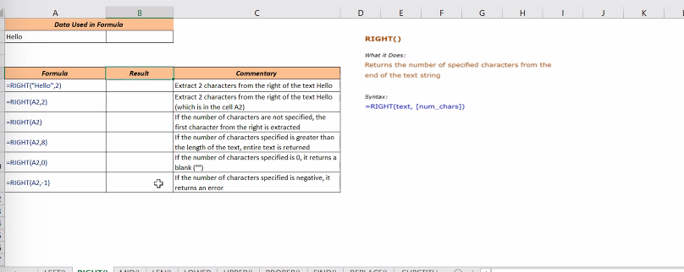

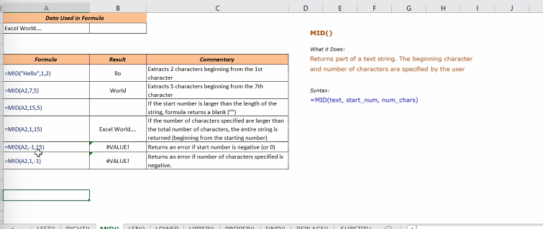

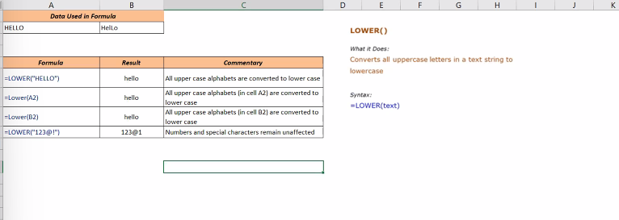

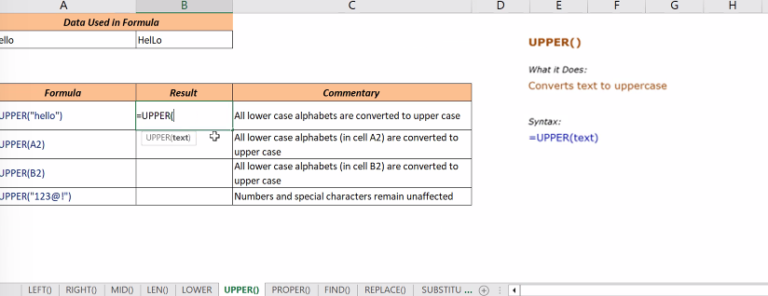

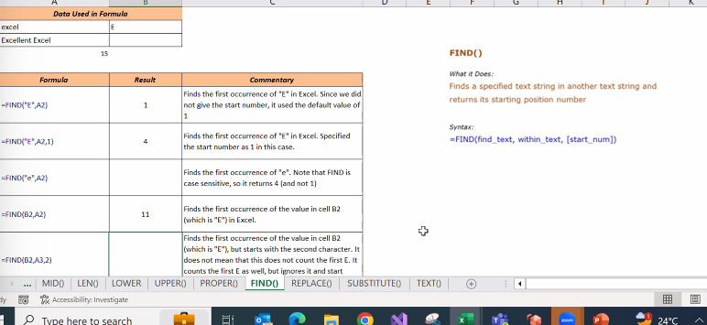

reolace()

substitute()

