Assignment 0825
 |  |  |  |  |  |  | Country | India | China | Thailand | Vietnam | United states | United Arab Emirates
Enter Time: | 12:00:00 |  |  |  |  |  | India | Delhi | Beijing | Bangkok | Hanoi | Washington | Abu dhabi
 |  |  |  |  |  |  | China | bangalore | Shanghai | Chiang Mai | An Giang | California | Dubai
Name | Salary | Experience | Age | Country | Cities | DOB | Thailand | Mysore | Yunan | Ayuthaya | Bac kan | Colorado | Fujairah
Harry | 25,000 | 1 | 20 | India | Mysore | 2004-12-09 | Vietnam | odisha | Guangzhou | Pattaya | Bc Giang | Connecticut | Ras
Daniel | 25,000 | 1 | 18 | China | Shanghai | 1990-12-09 | Us
Emma | 150000 | 5 | 29 | Thailand | Ayuthaya | 1989-12-09 | Uae
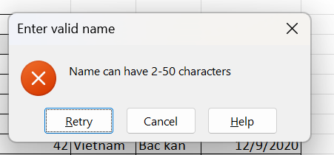
Hermoine | 50000 | 2 | 29 | Us | Washington | 2000-12-09
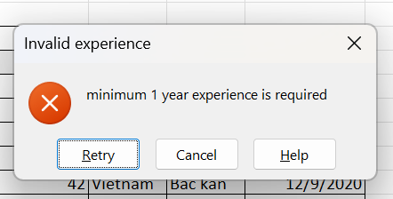
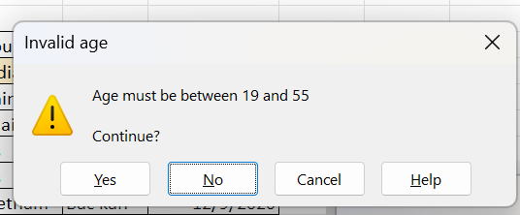
Ron | 75000 | 3 | 30 | Us | California | 1985-12-09
Malfoy | 500000 | 9 | 42 | Vietnam | Bac kan | 2020-12-09
Hemsworth | 550000 | 10 | 48 | China | Beijing | 2002-12-09
Anne | 150000 | 5 | 29 | India | bangalore | 2001-12-09

Sort the above table

Name | Salary | Experience | Age | Country | Cities | DOB
Anne | 150000 | 5 | 29 | India | bangalore | 2001-12-09
Daniel | 25,000 | 1 | 18 | China | Shanghai | 1990-12-09
Emma | 150000 | 5 | 29 | Thailand | Ayuthaya | 1989-12-09
Harry | 25,000 | 1 | 23 | India | Mysore | 2004-12-09
Hemsworth | 550000 | 10 | 48 | China | Beijing | 2002-12-09
Hermoine | 50000 | 2 | 29 | Us | Washington | 2000-12-09
Malfoy | 500000 | 9 | 42 | Vietnam | Bac kan | 2020-12-09
Ron | 75000 | 3 | 30 | Us | California | 1985-12-09

Filter on table

Name | Salary | Experience | Age | Country | Cities | DOB
Anne | 150000 | 5 | 29 | India | bangalore | 2001-12-09
Daniel | 25,000 | 1 | 18 | China | Shanghai | 1990-12-09
Harry | 25,000 | 1 | 23 | India | Mysore | 2004-12-09

Conditional Formatting

Alternate rows highlighted
Name | Salary | Experience | Age | Country | Cities | DOB
Anne | 150000 | 5 | 29 | India | bangalore | 2001-12-09
Daniel | 25,000 | 1 | 18 | China | Shanghai | 1990-12-09
Emma | 150000 | 5 | 29 | Thailand | Ayuthaya | 1989-12-09
Harry | 25,000 | 1 | 23 | India | Mysore | 2004-12-09
Hemsworth | 550000 | 10 | 48 | China | Beijing | 2002-12-09
Hermoine | 50000 | 2 | 29 | Us | Washington | 2000-12-09
Malfoy | 500000 | 9 | 42 | Vietnam | Bac kan | 2020-12-09
Ron | 75000 | 3 | 30 | Us | California | 1985-12-09

Even number

Numbers
100
101
102
103
104
105
106
107
108
109
110

