PivotTables
AVERAGAE TOTAL LOGISTIC COST OF PROVIDERS FOR DIFFERENT SHIPPING ROUTES

Average of total_logistic_cost | Column Labels
Row Labels | FastWheels | Ship2Home | Grand Total
Local | ₹ 150.12 | ₹ 188.04 | ₹ 170.60
Bangalore-Bangalore | ₹ 112.50 | ₹ 163.45 | ₹ 141.37
Delhi-Delhi | ₹ 171.82 | ₹ 204.95 | ₹ 189.16
Outstation | ₹ 207.77 | ₹ 202.07 | ₹ 204.72
Bangalore-Delhi | ₹ 210.64 | ₹ 230.87 | ₹ 221.33
Delhi-Bangalore | ₹ 271.79 | ₹ 223.46 | ₹ 246.61
Bangalore-Mumbai | ₹ 191.94 | ₹ 207.61 | ₹ 200.30
Delhi-Kolkata | ₹ 156.33 | ₹ 249.78 | ₹ 205.19
Bangalore-Chennai | ₹ 168.82 | ₹ 232.80 | ₹ 200.81
Delhi-Mumbai | ₹ 248.96 | ₹ 147.47 | ₹ 191.00
Delhi-Chennai | ₹ 169.96 | ₹ 162.29 | ₹ 165.93
Bangalore-Kolkata | ₹ 152.70 | ₹ 210.60 | ₹ 184.24
Grand Total | ₹ 194.50 | ₹ 198.79 | ₹ 196.80

AVERAGE DELIVERY DAYS OF PROVIDERS FOR DIFFERENT SHIPPING ROUTES

Average of days_to_delivery | Column Labels
Row Labels | FastWheels | Ship2Home | Grand Total
Local | 1.9 | 3.2 | 2.6
Bangalore-Bangalore | 1.9 | 2.6 | 2.3
Delhi-Delhi | 2.0 | 3.6 | 2.8
Outstation | 4.1 | 4.9 | 4.5
Bangalore-Delhi | 3.0 | 5.4 | 4.3
Delhi-Bangalore | 3.2 | 6.3 | 4.8
Bangalore-Mumbai | 3.1 | 5.2 | 4.2
Delhi-Kolkata | 5.0 | 3.7 | 4.3
Bangalore-Chennai | 6.1 | 3.0 | 4.5
Delhi-Mumbai | 3.0 | 5.2 | 4.3
Delhi-Chennai | 7.2 | 3.8 | 5.4
Bangalore-Kolkata | 5.0 | 3.7 | 4.3
Grand Total | 3.6 | 4.5 | 4.1

PIVOT TABLE FOR WHAT-IF ANALYSIS

 | Column Labels
 | FastWheels |  |  | Ship2Home |  |  | Total Count of order_id | Total Average of total_logistic_cost | Total Average of days_to_delivery
Row Labels | Count of order_id | Average of total_logistic_cost | Average of days_to_delivery | Count of order_id | Average of total_logistic_cost | Average of days_to_delivery
Local | 533 | ₹ 150 | 1.9 | 626 | ₹ 188 | 3.2 | 1159 | ₹ 171 | 2.6
Bangalore-Bangalore | 195 | ₹ 113 | 1.9 | 255 | ₹ 163 | 2.6 | 450 | ₹ 141 | 2.3
Delhi-Delhi | 338 | ₹ 172 | 2.0 | 371 | ₹ 205 | 3.6 | 709 | ₹ 189 | 2.8
Outstation | 1783 | ₹ 208 | 4.1 | 2051 | ₹ 202 | 4.9 | 3834 | ₹ 205 | 4.5
Bangalore-Delhi | 255 | ₹ 211 | 3.0 | 286 | ₹ 231 | 5.4 | 541 | ₹ 221 | 4.3
Delhi-Bangalore | 295 | ₹ 272 | 3.2 | 321 | ₹ 223 | 6.3 | 616 | ₹ 247 | 4.8
Bangalore-Mumbai | 278 | ₹ 192 | 3.1 | 318 | ₹ 208 | 5.2 | 596 | ₹ 200 | 4.2
Delhi-Kolkata | 178 | ₹ 156 | 5.0 | 195 | ₹ 250 | 3.7 | 373 | ₹ 205 | 4.3
Bangalore-Chennai | 137 | ₹ 169 | 6.1 | 137 | ₹ 233 | 3.0 | 274 | ₹ 201 | 4.5
Delhi-Mumbai | 326 | ₹ 249 | 3.0 | 434 | ₹ 147 | 5.2 | 760 | ₹ 191 | 4.3
Delhi-Chennai | 182 | ₹ 170 | 7.2 | 202 | ₹ 162 | 3.8 | 384 | ₹ 166 | 5.4
Bangalore-Kolkata | 132 | ₹ 153 | 5.0 | 158 | ₹ 211 | 3.7 | 290 | ₹ 184 | 4.3
Grand Total | 2316 | ₹ 195 | 3.6 | 2677 | ₹ 199 | 4.5 | 4993 | ₹ 197 | 4.1

What-if_data_table
FASTWHEELS LOGISTIC COST - TIME TRADE-OFF OF ALL SHIPPING ROUTES

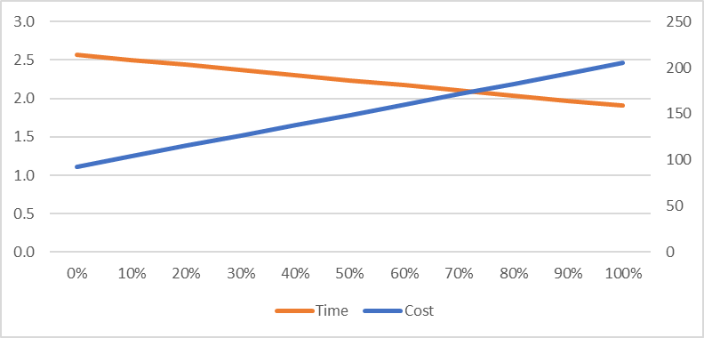
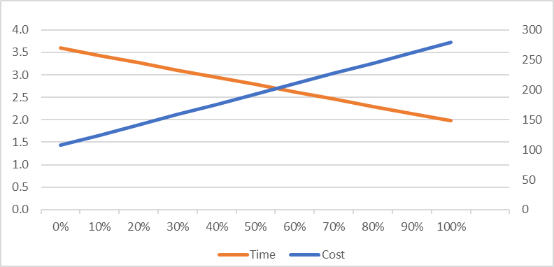
LOCAL
Bangalore - Bangalore |  |  | Delhi - Delhi
 | Cost | Time |  | Cost | Time
 | ₹ 189 | 2.0 |  | ₹ 277 | 2.0
0% | ₹ 93 | 2.6 | 0% | ₹ 107 | 3.6
10% | ₹ 104 | 2.5 | 10% | ₹ 124 | 3.4
20% | ₹ 115 | 2.4 | 20% | ₹ 142 | 3.3
30% | ₹ 126 | 2.4 | 30% | ₹ 159 | 3.1
40% | ₹ 138 | 2.3 | 40% | ₹ 176 | 2.9
50% | ₹ 149 | 2.2 | 50% | ₹ 193 | 2.8
60% | ₹ 160 | 2.2 | 60% | ₹ 210 | 2.6
70% | ₹ 171 | 2.1 | 70% | ₹ 228 | 2.5
80% | ₹ 183 | 2.0 | 80% | ₹ 245 | 2.3
90% | ₹ 194 | 2.0 | 90% | ₹ 262 | 2.1
100% | ₹ 205 | 1.9 | 100% | ₹ 279 | 2.0

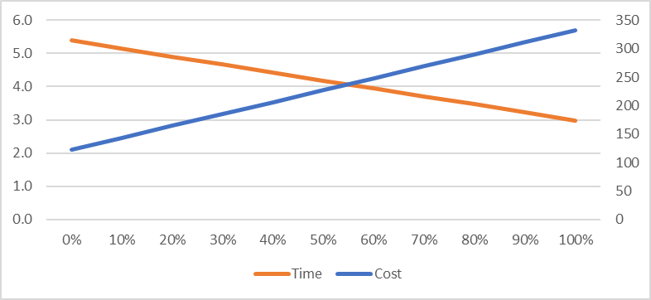
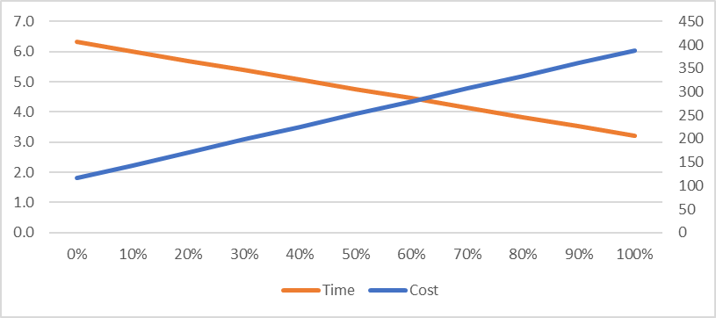
OUTSTATION
Bangalore - Delhi |  |  | Delhi - Bangalore
 | Cost | Time |  | Cost | Time
 | ₹ 244 | 4.0 |  | ₹ 319 | 4.0
0% | ₹ 122 | 5.4 | 0% | ₹ 116 | 6.3
10% | ₹ 143 | 5.2 | 10% | ₹ 144 | 6.0
20% | ₹ 164 | 4.9 | 20% | ₹ 171 | 5.7
30% | ₹ 185 | 4.7 | 30% | ₹ 198 | 5.4
40% | ₹ 206 | 4.4 | 40% | ₹ 225 | 5.1
50% | ₹ 227 | 4.2 | 50% | ₹ 252 | 4.8
60% | ₹ 248 | 3.9 | 60% | ₹ 280 | 4.5
70% | ₹ 269 | 3.7 | 70% | ₹ 307 | 4.1
80% | ₹ 291 | 3.5 | 80% | ₹ 334 | 3.8
90% | ₹ 312 | 3.2 | 90% | ₹ 361 | 3.5
100% | ₹ 333 | 3.0 | 100% | ₹ 388 | 3.2

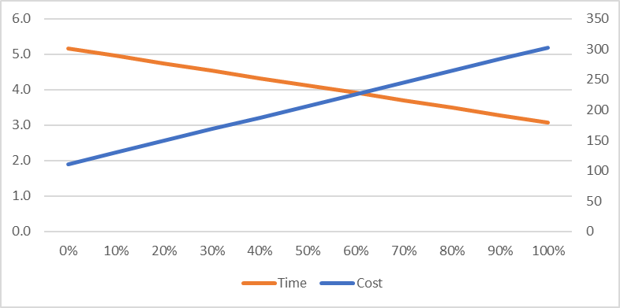
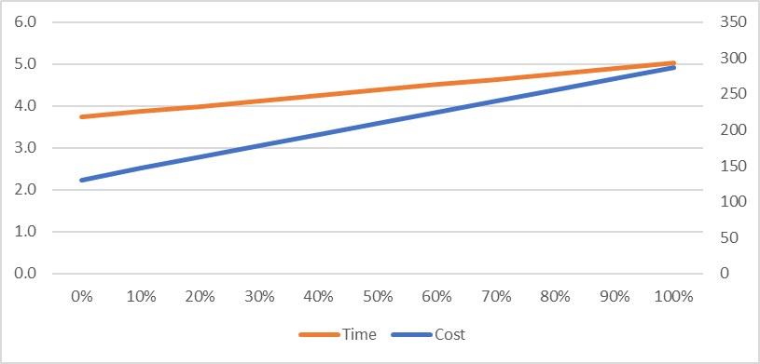
Bangalore - Mumbai |  |  | Delhi - Kolkata
 | Cost | Time |  | Cost | Time
 | ₹ 217 | 4.0 |  | ₹ 163 | 4.0
0% | ₹ 111 | 5.2 | 0% | ₹ 131 | 3.7
10% | ₹ 130 | 4.9 | 10% | ₹ 146 | 3.9
20% | ₹ 149 | 4.7 | 20% | ₹ 162 | 4.0
30% | ₹ 168 | 4.5 | 30% | ₹ 177 | 4.1
40% | ₹ 188 | 4.3 | 40% | ₹ 193 | 4.2
50% | ₹ 207 | 4.1 | 50% | ₹ 209 | 4.4
60% | ₹ 226 | 3.9 | 60% | ₹ 224 | 4.5
70% | ₹ 245 | 3.7 | 70% | ₹ 240 | 4.6
80% | ₹ 264 | 3.5 | 80% | ₹ 256 | 4.8
90% | ₹ 284 | 3.3 | 90% | ₹ 271 | 4.9
100% | ₹ 303 | 3.1 | 100% | ₹ 287 | 5.0

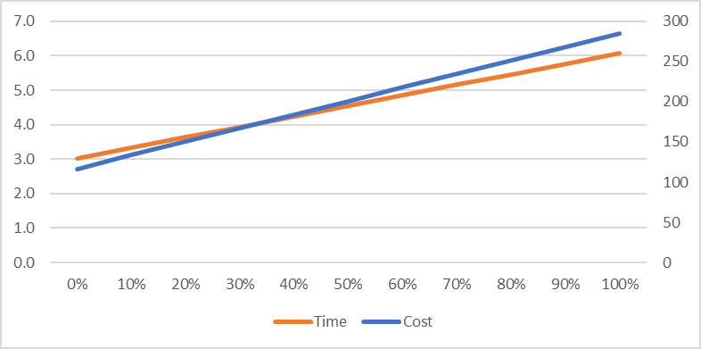
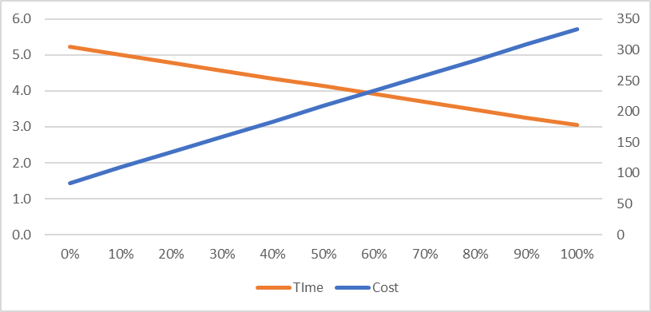
Banglore - Chennai |  |  | Delhi - Mumbai
 | Cost | Time |  | Cost | Time
 | ₹ 171 | 4.0 |  | ₹ 224 | 4.0
0% | ₹ 116 | 3.0 | 0% | ₹ 84 | 5.2
10% | ₹ 133 | 3.3 | 10% | ₹ 109 | 5.0
20% | ₹ 150 | 3.6 | 20% | ₹ 134 | 4.8
30% | ₹ 167 | 3.9 | 30% | ₹ 159 | 4.6
40% | ₹ 184 | 4.2 | 40% | ₹ 184 | 4.3
50% | ₹ 201 | 4.5 | 50% | ₹ 209 | 4.1
60% | ₹ 218 | 4.9 | 60% | ₹ 234 | 3.9
70% | ₹ 235 | 5.2 | 70% | ₹ 258 | 3.7
80% | ₹ 251 | 5.5 | 80% | ₹ 283 | 3.5
90% | ₹ 268 | 5.8 | 90% | ₹ 308 | 3.3
100% | ₹ 285 | 6.1 | 100% | ₹ 333 | 3.0

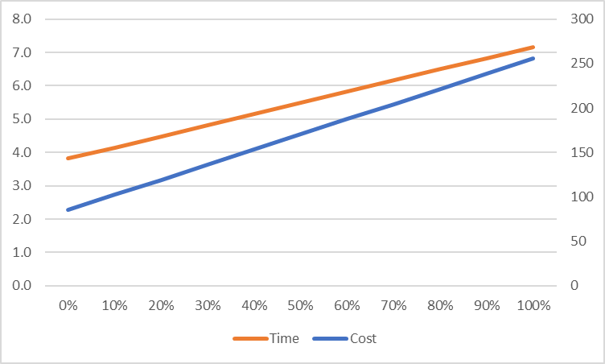
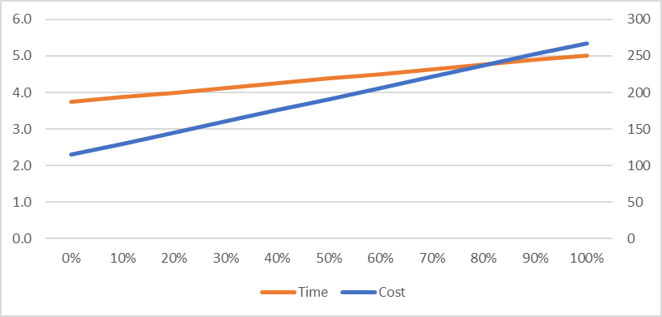
Delhi - Chennai |  |  | Bangalore - Kolkata
 | Cost | Time |  | Cost | Time
 | ₹ 95 | 4.0 |  | ₹ 146 | 4.0
0% | ₹ 85 | 3.8 | 0% | ₹ 115 | 3.7
10% | ₹ 102 | 4.1 | 10% | ₹ 130 | 3.9
20% | ₹ 119 | 4.5 | 20% | ₹ 145 | 4.0
30% | ₹ 136 | 4.8 | 30% | ₹ 161 | 4.1
40% | ₹ 153 | 5.2 | 40% | ₹ 176 | 4.3
50% | ₹ 170 | 5.5 | 50% | ₹ 191 | 4.4
60% | ₹ 187 | 5.8 | 60% | ₹ 206 | 4.5
70% | ₹ 204 | 6.2 | 70% | ₹ 222 | 4.6
80% | ₹ 221 | 6.5 | 80% | ₹ 237 | 4.8
90% | ₹ 238 | 6.8 | 90% | ₹ 252 | 4.9
100% | ₹ 255 | 7.2 | 100% | ₹ 267 | 5.0

