Accessibility Overview
WCAG 2.1 Conformance
WCAG 2.1 Conformance | Passed/NA | Failed | Total | Wt | Automated tools | Operating System | Browsers | Application | Assistive Technologies
Level A | 16 | 14 | 30 | 1 | A11yInspect | Windows 11 | Google Chrome 141 | Adobe Acrobat DC | JAWS 2024
Level AA | 9 | 11 | 20 | 6 |  | Mac 14 | Microsoft Edge 140 | Adobe reader | Narrator
Total | 25 | 25 | 50 |  |  | iOS 18 | Safari 17.6 |  | VoiceOver
 |  |  |  |  |  | Android 14 |  |  | TalkBack
 |  |  |  |  |  |  |  |  | ZoomText 2025
Severity | No. of issues | Defect Score |  |  |  |  |  |  | Dragon Naturally Speaking 16
Blocker | 0 | 0% |  | 2% |  |  |  |  | Keyboard-only interaction
Critical | 31 | 47% |  | 1.50%
Major | 47 | 47% |  | 1% | Prepared by: | AgreeYA Solutions
Minor | 27 | 14% |  | 0.50% | Prepared for: | City of Sunnyvale
Total | 105 | 107% |  |  | Date: | Oct-25
Severity
 |  |  |  |  | Sr.No | Top Accessibility Issues found in Sunnyvales Public Website
Guideline | WCAG 2.1 |  |  |  | 1 | Role and state not defined
 |  |  |  |  | 2 | Focus not visible
Conformance Score | 47% |  |  |  | 3 | Data table not identified by screen reader
 |  |  |  |  | 4 | No text alternative for flow chart
 | Pointer | Category | Label
1 |  |  | 10
2 |  |  | 10
3 |  |  | 10
 |  |  | 10
 |  |  | 10
 |  |  | 10
 |  |  | 10
 |  |  | 10
 |  |  | 10
 |  |  | 10
 |  |  | 100
 |  |  |  |  | 5 | Missing text transcript for the video

Detailed Findings
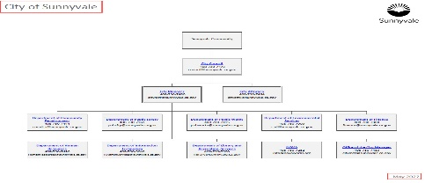
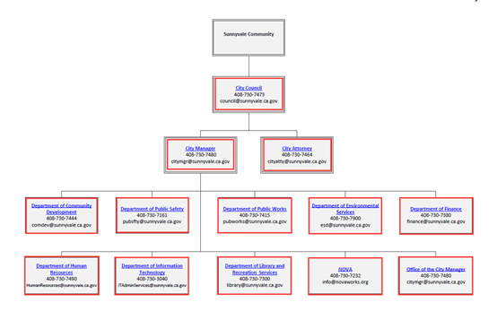
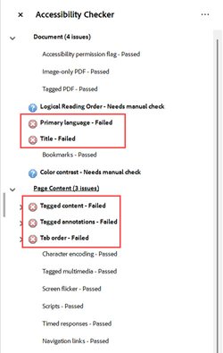
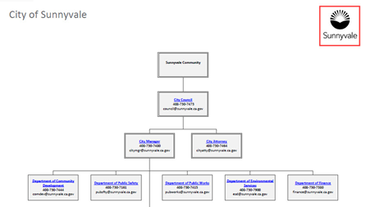
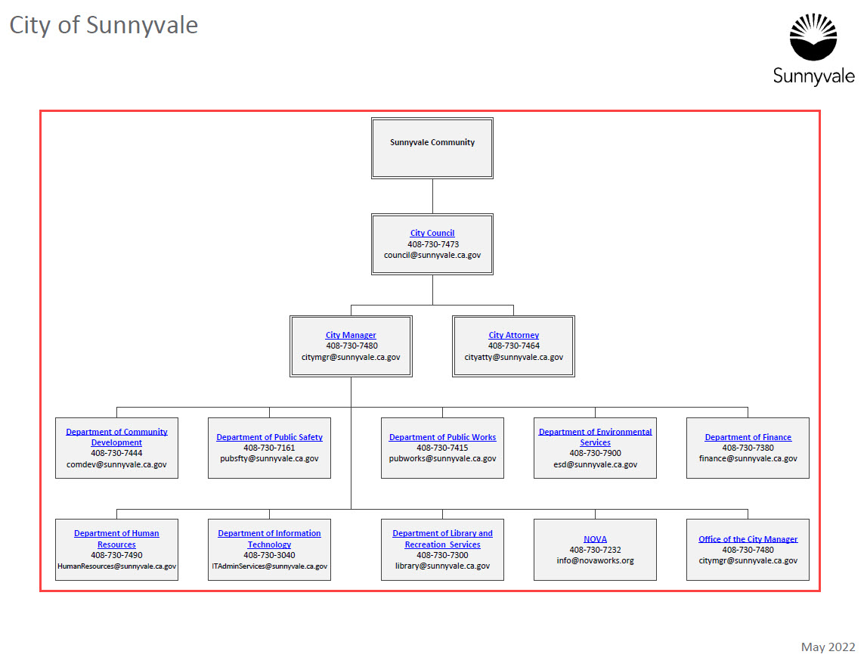
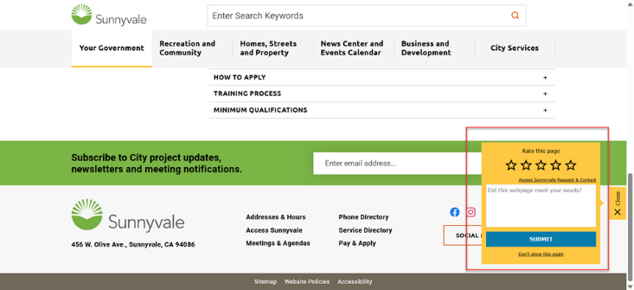
Page / Component / PDF Name | Issue# | Issue Name | Actual Result | Instances | Screenshot | Expected Results | Recommendation | Existing Code | Suggested Code | Severity | WCAG 2.1 Conformance Levels | WCAG 2.1 Success Criteria | Section 508 | Environments Applicable | Template Issue | Template Name
Header | 1 | Text disappears when text spacing styles are applied | The text disappears when users try to access the page with text spacing styles turned on resulting in users with low vision and learning impairments finding it difficult to read the text. | Header - Translate - Pay & apply - Documents Portal - Access Sunnyvale | 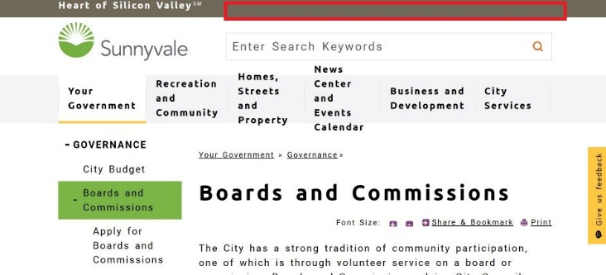 | Text should be displayed as per user's text spacing styles to make it easier for them to read the information. | Define the text and container sizes using percent (%), em and rem units. In addition, use relative units for defining CSS line-height, letter-spacing and so on properties and ensure that user's text spacing styles are not overridden. |  |  | Critical | AA | 1.4.12 | Not Applicable | Windows/Chrome/JAWS | This is a template issue. | Custom Department Page
Header | 2 | Missing unordered list mark-up | List mark-up is not used to present related information programmatically, making it difficult for screen reader users to navigate to the list and different list items quickly. | Header - Translate - Pay & apply - Documents Portal - Access Sunnyvale |  | Related group of items should be identified as list by screen readers. This will help users to understand how many items are present and quickly navigate to different items of the list. | Use appropriate list mark-up, such as <ul> and <li> to identify related information. In addition, consider applying styles to maintain the visual presentation of a web page. | <div id="top_nav" class="top_nav"> <a href="javascript:void" onclick="javascript:GoogleTranslateLink();">Translate</a> <a href="/city-services/online-services/pay-and-apply" target="_self">Pay &amp; Apply</a> <a href="/your-government/city-clerk/documents-portal" target="_self">Documents Portal</a> <a href="/city-services/online-services/access-sunnyvale" target="_blank">Access Sunnyvale</a> </div> | <ul id="top_nav" class="top_nav"> <li> <a href="javascript:void" onclick="javascript:GoogleTranslateLink();">Translate</a> </li> <li> <a href="/city-services/online-services/pay-and-apply" target="_self">Pay &amp; Apply</a> </li> (...) </ul> | Major | A | 1.3.1 | Applicable | Windows/Chrome/JAWS | This is a template issue. | Custom Department Page
Header | 3 | Note: Skip to main content link does not work | The “Skip to main content” link does not work for screen reader users. On activating the link, the focus remains at the beginning of the page instead of moving to the beginning of the main content area resulting in screen reader users not being able to access the main content of a page quickly. | Header - "Skip to main content" link | 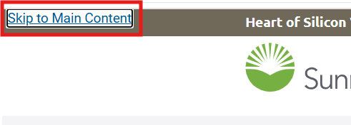 | When screen reader users activate the link, the focus should move to the beginning of the main content area. | Modify scripts to ensure that the focus moves to the beginning of the main content When users activate "Skip to main content" link. |  |  | Major | Best Practice | Best Practice | Not Applicable | Windows/Chrome/JAWS Android/Chrome/TalkBack Windows/Chrome/Dragon Naturally Speaking | This is a template issue. | Custom Department Page
Header | 4 | Sub-menu links displayed on keyboard focus | When mentioned menu links receive the keyboard focus, the respective sub-menu links get displayed automatically resulting in keyboard-only and screen reader users have to navigate through the sub-menu links even when not required. | Header - Click to open your government - Click to open recreation and community - Click to open Homes, Streets and Property and so on. | 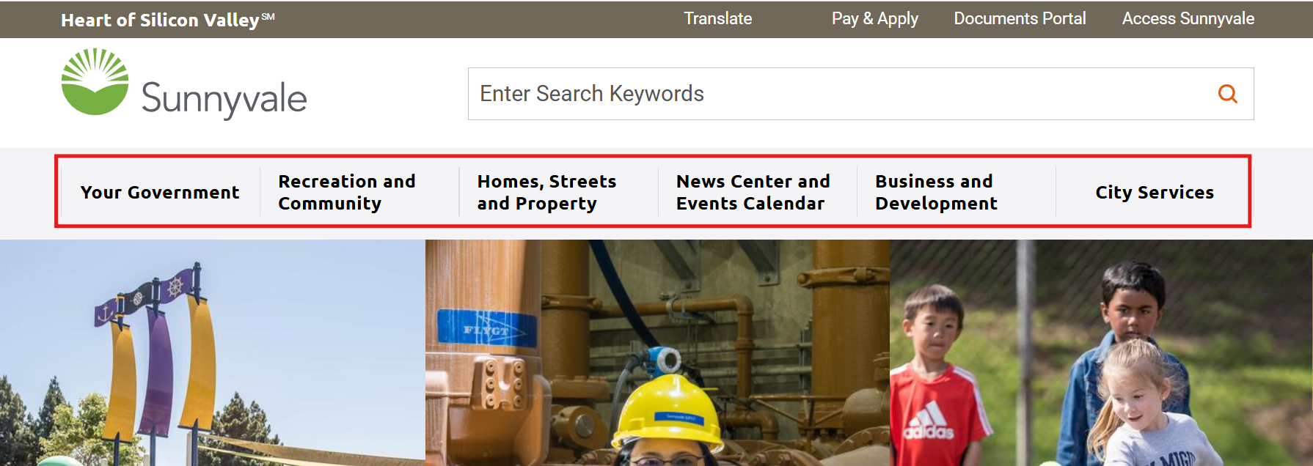 | The sub-menu links should be available correctly for keyboard-only and screen reader users. | Apply the following changes: • Ensure that the sub-menu links do not get displayed automatically when the menu links receive the keyboard focus. • Provide an image button beside the menu links. • Specify textual descriptions such as "Your Government", "Recreation and Community" and so on for the image buttons using "aria-label" attribute. • Modify scripts associated with the image buttons to ensure that the sub-menu links are expanded/collapsed below when users activate the image buttons with a keyboard. • Set "aria-expanded" attribute to "false" for the image buttons when the image buttons are in the collapsed state. Ensure that the value of "aria-expanded" attribute changes to "true" in expanded state on user interaction via scripting. |  |  | Critical | A | 2.4.3 | Applicable | Windows/Chrome/JAWS Android/Chrome/TalkBack Windows/Chrome/Dragon Naturally Speaking | This is a template issue. | Custom Department Page
Header | 5 | Incomplete textual description for image link | Incomplete textual description is specified for the image link resulting in Screen reader users cannot access the complete information conveyed by the image link. | Header - Home | 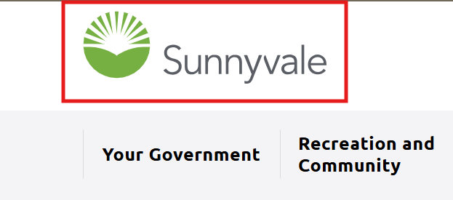 | Screen reader should announce complete and descriptive textual description for the image link. | Specify complete textual description as "Sunnyvale - Home" for the image link. | <a id="home_link" href="/home">Home</a> | <a id="home_link" href="/home">Sunnyvale - Home</a> | Major | A | 1.1.1 | Applicable | Windows/Chrome/JAWS Android/Chrome/TalkBack | This is a template issue. | Custom Department Page
Header | 6 | Incomplete textual description specified for image link | Incomplete textual description is specified for the image link resulting in screen reader users not understanding the purpose of the image link effectively. | Header - Menu |  | Screen reader should announce complete and descriptive textual description for the image link. | Apply the following changes: • Ad role="button" to <a> element of the image link. • Specify complete and descriptive textual description as "Open Navigation Menu" / "Close Navigation Menu" for the image button. Ensure that the textual description gets updated as per user interaction via scripting. | <a class="menu_trigger mobile_only" href="javascript:void(0);">Menu</a> | <a class="menu_trigger mobile_only" role="button" href="javascript:void(0);">Open Navigation Menu</a> | Critical | A | 1.1.1 | Applicable | Android/Chrome/TalkBack | This is a template issue. | Custom Department Page
Header | 7 | Hidden content receives keyboard focus | When the mentioned menu content is visible, the hidden background page interactive elements receive the keyboard focus causing confusion for keyboard-only users. | Header - Heart of Silicon Valley - Home - Your Government and so on | 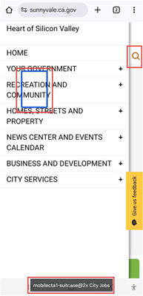 | The hidden interactive elements should not receive the keyboard focus. | Hide the hidden background page content using CSS "display:none" property when the menu content is visible on the page. |  |  | Major | A | 2.4.3 | Applicable | Android/Chrome/Talkback | This is a template issue. | Custom Department Page
Header | 8 | Hidden content announced by screen reader | When the mentioned menu content is visible, the screen reader announces the hidden background page content as well causing confusion for screen reader users. | Header - Heart of Silicon Valley - Home - Your Government and so on. | 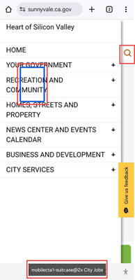 | Screen reader should not announce the hidden content. | Hide the hidden background page content using CSS "display:none" property when the menu content is visible on the page. |  |  | Major | A | 4.1.2 | Applicable | Android/Chrome/Talkback | This is a template issue. | Custom Department Page
Header | 9 | Note: Missing label for navigation region | The label is not specified for the navigation region containing the mentioned links which might result in screen reader users not understanding the purpose of the navigation region. | Header - Your Government - Recreation and Community - Homes, Streets and Property - News Center and Events Calender and so on. |  | Screen reader should announce appropriate label for the navigation region. | Specify appropriate label for the navigation region using "aria-label" attribute. | <nav class="regularmegamenu mainnav" id="menuContainer_1_0_12"> (…) </nav> | <nav aria-label="Primary" class="regularmegamenu mainnav" id="menuContainer_1_0_12"> (…) </nav> | Minor | Best Practice | Best Practice | Not Applicable | Windows/Chrome/JAWS | This is a template issue. | Custom Department Page
Footer | 10 | Content fails to reflow | Web page content failed to reflow when viewed at 320*256 viewport size as "Give us feedback" link overlapped on other content, making it difficult for low vision users to access the conte. | Footer - Accessibility |  | All the content on the page should be available when the page is viewed at 320 * 256 viewport. | Ensure that all the page content is visible when viewed at 320 * 256 viewport. Use relative units to define font and container sizes in CSS to ensure that page's content reflows correctly when viewed at 320 * 256 viewport. In addition, use CSS media queries to display web page content correctly when viewed using different devices, such as mobile phones, tablets and so on. |  |  | Critical | AA | 1.4.10 | Not Applicable | Windows/Chrome/JAWS | This is a template issue. | Custom Department Page
Footer | 11 | Inaccurate alternate text for image links | Inaccurate alternate text is specified for the image links resulting in screen reader users not understanding the purpose of the image links. | Footer - footer-fb@2x" - footer-ig@2x - footer-li@2x and so on. |  | Screen reader should announce accurate alternate text for the image links. | Specify accurate alternate text as "Facebook", "Instagram" and so on for the image links using "alt" attribute. | <a href="https://www.facebook.com/CityofSunnyvale" target="_blank" title=""> <img src="/home/showpublishedimage/242/637888280084230000" alt="footer-fb@2x"> </a> (...) <a href="http://instagram.com/CityofSunnyvale" target="_blank" title=""> <img src="/home/showpublishedimage/244/637888279960770000" alt="footer-ig@2x"> </a> | <a href="https://www.facebook.com/CityofSunnyvale" target="_blank" title=""> <img src="/home/showpublishedimage/242/637888280084230000" alt="Facebook"> </a> (...) <a href="http://instagram.com/CityofSunnyvale" target="_blank" title=""> <img src="/home/showpublishedimage/244/637888279960770000" alt="Instagram"> </a> | Critical | A | 1.1.1 | Applicable | Windows/Chrome/JAWS Android/Chrome/TalkBack | This is a template issue. | Custom Department Page
Footer | 12 | Missing textual description for image links | The textual description is not specified for the mentioned image link resulting in screen reader users not understanding the purpose of the image link. | Footer - Sunnyvale Logo |  | Screen reader should announce unique and descriptive textual description for the image link. | Specify textual description as "Sunnyvale Logo" for the image link using "aria-label" attribute. | <div class="footer_logo_container"> <a class="footer_logo" href="/footer-logo"></a> </div> | <div class="footer_logo_container"> <a aria-label="Sunnyvale Logo" class="footer_logo" href="/footer-logo" ></a> </div> | Critical | A | 1.1.1 | Applicable | Windows/Chrome/JAWS Android/Chrome/TalkBack | This is a template issue. | Custom Department Page
Footer | 13 | Missing unordered list mark-up | List mark-up is not used to present related information programmatically, making it difficult for screen reader users to navigate to the list and different list items quickly. | Footer - Addresses & Hours, Access Sunnyvale, Meetings & Agendas, Phone Directory, Service Directory and Pay & Apply - Social Media image links - Sitemap, Website Policies and Accessibility |  | Related group of items should be identified as list by screen readers. This will help users to understand how many items are present and quickly navigate to different items of the list. | Use appropriate list mark-up, such as <ul> and <li> to identify related information. In addition, consider applying styles to maintain the visual presentation of a web page. | <div class="social_icons"> <a href="https://www.facebook.com/CityofSunnyvale" target="_blank" title=""> <img src="/home/showpublishedimage/242/637888280084230000" alt="footer-fb@2x"> </a> <a href="http://instagram.com/CityofSunnyvale" target="_blank" title=""> <img src="/home/showpublishedimage/244/637888279960770000" alt="footer-ig@2x"> </a> (...) </div> | <ul class="social_icons"> <li> <a href="https://www.facebook.com/CityofSunnyvale" target="_blank" title=""> <img src="/home/showpublishedimage/242/637888280084230000" alt="Facebook"> </a> </li> <li> <a href="http://instagram.com/CityofSunnyvale" target="_blank" title=""> <img src="/home/showpublishedimage/244/637888279960770000" alt="Instagram"> </a> </li> (...) </ul> | Major | A | 1.3.1 | Applicable | Windows/Chrome/JAWS Android/Chrome/TalkBack | This is a template issue. | Custom Department Page
Footer | 14 | Text gets cut off when text spacing styles are applied | Text gets cut-off when users try to access the page with text spacing styles turned on resulting in users with low vision and learning impairments finding it difficult to read the text. | Footer - Subscribe to City project updates, newsletters and meeting notifications |  | Text should be displayed as per user's text spacing styles to make it easier for them to read the information. | Define the text and container sizes using percent (%), em and rem units. In addition, use relative units for defining CSS line-height, letter-spacing and so on properties and ensure that user's text spacing styles are not overridden. |  |  | Major | AA | 1.4.12 | Not Applicable | Windows/Chrome/JAWS | This is a template issue. | Custom Department Page
Footer | 15 | Purpose of input field not identified programmatically | The purpose of input field is not identified programmatically resulting in users with learning and mobility impairments not being able to access the information in different modalities provided by user agents, such as browsers and assistive technologies. | Footer - Email address |  | The purpose of the input fields collecting information about the user, should be defined programmatically using 'autocomplete' attribute. This will make it easier for users with learning and mobility impairments to fill up the form. | Use HTML 5.2 autocomplete attribute to add token value for mentioned input field. This will improve the browser's auto fill feature as well as can be used by plug-ins to fill in the details for users with mobility and cognitive impairments. For more information on how to implement this, refer: https://www.w3.org/WAI/WCAG21/Techniques/html/H98 | <input id="widget_10_0_1_email" name="email" type="text" placeholder="Enter email address..." aria-label="Email Address"> | <input id="widget_10_0_1_email" name="email" type="text" placeholder="Enter email address..." autocomplete="Email" aria-label="Email Address"> | Major | AA | 1.3.5 | Not Applicable | Windows/Chrome/JAWS Android/Chrome/TalkBack Windows/Chrome/Dragon Naturally Speaking | This is a template issue. | Custom Department Page
Footer | 16 | Hidden content announced by screen reader | The hidden content is announced by the screen reader at the end of the page resulting in confusing experience for screen reader users. | Footer - Loading … hidden content present after "Accessibility" link | 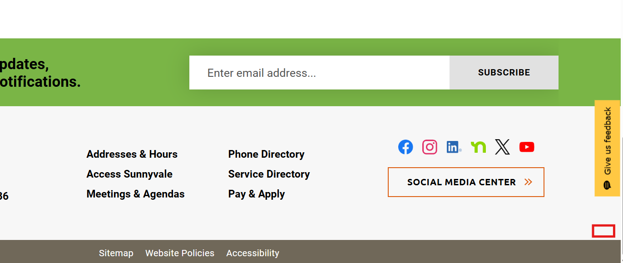 | Screen reader should not announce the visually hidden content. | Ensure that the content that should not be available to users, is hidden through the CSS display:none property rather than positioning it off-screen via CSS. |  |  | Major | A | 4.1.2 | Applicable | Windows/Chrome/JAWS Android/Chrome/TalkBack | This is a template issue. | Custom Department Page
Homepage | 17 | Text gets cut off when text spacing styles are applied | Text gets cut-off when users try to access the page with text spacing styles turned on resulting in users with low vision and learning impairments finding it difficult to read the text. | Main Content - "parks, trails and open" present in "Parks And Trails" section - "residents, businesses" present in "City Services" section - "fit and engaged" present in "Classes And Activities" section |  | Text should be displayed as per user's text spacing styles to make it easier for them to read the information. | Define the text and container sizes using percent (%), em and rem units. In addition, use relative units for defining CSS line-height, letter-spacing and so on properties and ensure that user's text spacing styles are not overridden. |  |  | Major | AA | 1.4.12 | Not Applicable | Windows/Chrome/JAWS
Homepage | 18 | Insufficient color contrast for standard text | The standard text with background/foreground color combinations has an insufficient contrast ratio making it difficult for people with low vision and color blindness to read standard text elements. | Main Content - City Services Foreground color:#FFFFFF Background color:#74A24B Ratio: 2.995:1 |  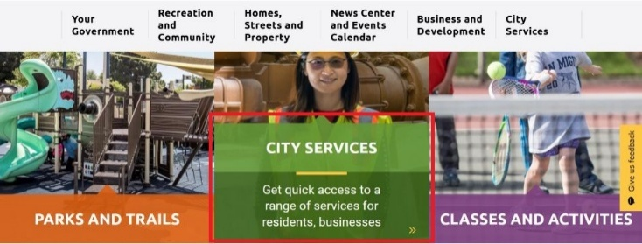 | The contrast ratio between foreground text and background for the standard text should be sufficient. | On all pages, ensure that each foreground/background color combination presents a contrast ratio of at least 4.5:1 for standard text. |  |  | Major | AA | 1.4.3 | Applicable | Windows/Chrome/JAWS Android/Chrome/TalkBack
Homepage | 19 | Unnecessary alt text for decorative images | Decorative images have been given descriptive alternate text which is found to be unnecessary as it does not convey any additional or important information to screen reader users. | Main Content - cta-1-calendar@2x - cta-2-wrench@2x - cta-3-garbage@2x and so on. |  | Decorative images should be skipped by the screen reader. | Provide empty alt attribute i.e., alt="" for all the decorative images. | <img class="button-img" src="/home/showpublishedimage/266/637739417304300000" alt="cta-1-calendar@2x"> | <img class="button-img" src="/home/showpublishedimage/266/637739417304300000" alt=""> | Minor | A | 1.1.1 | Applicable | Windows/Chrome/JAWS Android/Chrome/TalkBack
Homepage | 20 | Landmark not defined | Main landmark is not programmatically defined which might result in screen reader users not being able to identify the landmark and cannot navigate to it quickly. |  | 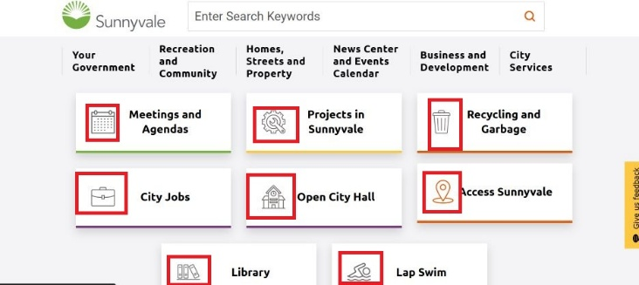 | Screen reader users should be able to identify each landmark as well as navigate to different landmarks on the page. | Mark-up the main content area using <main> element. | <div class="homepagelayout clearfix" id="sitebody"> (…) </div> | <main class="homepagelayout clearfix" id="sitebody"> (…) </main> | Minor | A | 1.3.1 | Applicable | Windows/Chrome/JAWS Android/Chrome/TalkBack
Homepage | 21 | Content fails to reflow | Web page content failed to reflow when viewed at 320*256 viewport size as some content is not available, making it difficult for low vision users to access the content. | Main Content - Parks And Trails - City Services - Classes and Activities - News Center | 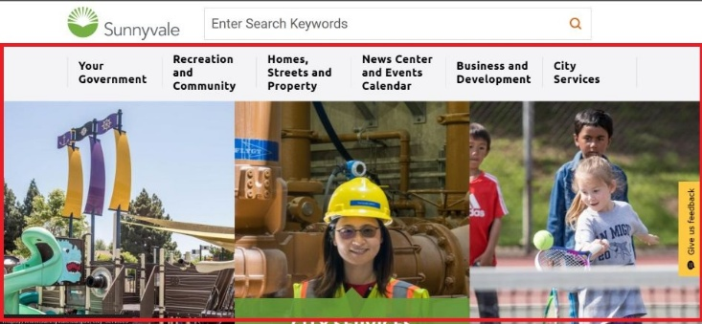 | All the content on the page should be available when the page is viewed at 320 * 256 viewport. | Ensure that all the page content is visible when viewed at 320 * 256 viewport. Use relative units to define font and container sizes in CSS to ensure that page's content reflows correctly when viewed at 320 * 256 viewport. In addition, use CSS media queries to display web page content correctly when viewed using different devices, such as mobile phones, tablets and so on. |  |  | Critical | AA | 1.4.10 | Not Applicable | Windows/Chrome/JAWS
Homepage | 22 | Inaccurate alternate text for image links | Inaccurate alternate text is specified for the image links resulting in screen reader users not understanding the purpose of the image links. | Main content - CityParks-SevenSeas - WPCP-BoilerRoom-Christine - SunnyValeTennis-Center. | 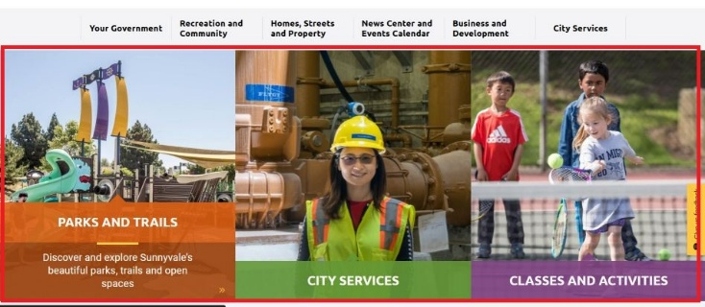 | Screen reader should announce accurate alternate text for the image links. | Add tabindex="-1" and aria-hidden="true" attributes in the source code of the image links as textual links leading to same pages are present. | <a href="/recreation-and-community/parks-and-trails" target="_self" title="Parks and Trails"> <img src="/home/showpublishedimage/963/637882895118070000" alt="CityParks-SevenSeas"> </a> | <a tabindex="-1" aria-hidden="true" href="/recreation-and-community/parks-and-trails" target="_self" title="Parks and Trails"> <img src="/home/showpublishedimage/963/637882895118070000" alt=""> </a> | Major | A | 1.1.1 | Applicable | Windows/Chrome/JAWS
Homepage | 23 | Content not available for screen reader users | The mentioned content is not available for screen reader users when users navigate using virtual cursor (e.g. arrow keys) resulting in screen reader users cannot access the information conveyed by the content. | Main content - Discover and explore Sunnyvale’s beautiful parks, trails and open spaces - Get quick access to a range of services for residents, businesses and more - Find ways for the whole family to stay healthy, fit and engaged | 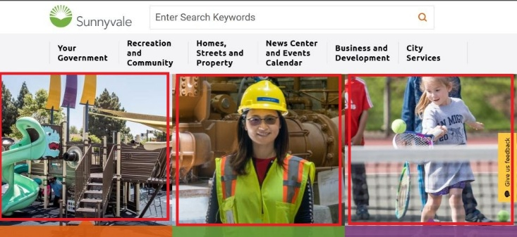 | Screen reader should announce the content correctly. | Place the mentioned content off-screen by default. Ensure that the content is visible when the respective associated links receive keyboard focus. |  |  | Critical | A | 4.1.2 | Applicable | Windows/Chrome/JAWS
Your Government | 24 | Missing unordered list mark-up | List mark-up is not used to present related information programmatically, making it difficult for screen reader users to navigate to the list and different list items quickly. | Your Government Governance Boards and Commission Apply for Boards and Commissions Boards and Commissions Application City Council Study Issues and Budget proposals Proposed Study Issue and Budget Proposals Study Issues Underway Council Strategic Priorities Library Bond Measures Q&A Main Library Renderings Social Media Center City Logos Public Safety Services Classes and Activities How to get rid of anything Food Cycle Event Calendar City Service Directory Site Map Recruitments and Careers - Default font size - Larger font size - Smaller font size |  | Related group of items should be identified as list by screen readers. This will help users to understand how many items are present and quickly navigate to different items of the list. | Use appropriate list mark-up, such as <ul> and <li> to identify related information. In addition, consider applying styles to maintain the visual presentation of a web page. | <div class="font_size"> <a href="javascript:void(0);" title="default font size" class="text_size">Font Size:</a> <a href="javascript:void(0);" title="larger font size" class="font_larger">+</a> <a href="javascript:void(0);" title="smaller font size" class="font_smaller">-</a> </div> | <ul class="font_size"> <li><a href="javascript:void(0);" title="default font size" class="text_size">Font Size:</a></li> <li><a href="javascript:void(0);" title="larger font size" class="font_larger">+</a></li> <li><a href="javascript:void(0);" title="smaller font size" class="font_smaller">-</a></li> </ul> | Major | A | 1.3.1 | Applicable | Windows/Chrome/JAWS Windows/Edge/Narrator MAC/Safari/VoiceOver Android/Chrome/Talkback iOS/Safari/VoiceOver | This is a template issue. | Custom Department Page
Your Government | 25 | Identical and inaccurate textual description for image links | Identical and inaccurate textual description is specified for the mentioned image links resulting in screen reader users not understanding the purpose of the image links. | Your Government Governance Boards and Commission Apply for Boards and Commissions Boards and Commissions Application City Council Study Issues and Budget proposals - Side-navigation | 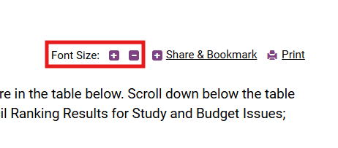 | Screen reader should announce accurate textual description for the image links. | Apply the following changes: • Specify accurate textual descriptions for the image links using "aria-label" attribute. • Add role="button" to <a> element of the image links. | <a href="javascript:void(0)" title="Expand/Collapse subpages under Sidenav Item with Children" class="vi-sidenav-toggle" aria-expanded="false" aria-label="side-navigation">+</a> | <a href="javascript:void(0)" title="Expand/Collapse subpages under Sidenav Item with Children" class="vi-sidenav-toggle" aria-expanded="false" aria-label="Governance" role="button">+</a> | Critical | A | 1.1.1 | Applicable | Windows/Chrome/JAWS Android/Chrome/TalkBack | This is a template issue. | Custom Department Page
Your Government | 26 | Non-descriptive link text | The link text does not describe the Purpose of the links resulting in screen reader users not understanding the purpose of the links effectively. | Main content - Font Size - + - - |  | Screen reader should announce descriptive label for the link. | Specify descriptive text "Default font size", "Larger font size" and "Smaller font size" for the links using "aria-label" attribute. | <a href="javascript:void(0);" title="default font size" class="text_size">Font Size:</a> | <a aria-label="Default font size" href="javascript:void(0);" title="default font size" class="text_size">Font Size:</a> | Major | A | 2.4.4 | Applicable | Windows/Chrome/JAWS Android/Chrome/TalkBack | This is a template issue. | Custom Department Page
Your Government | 27 | Heading mark-up used unnecessarily | The hidden off-screen heading is provided unnecessarily in the header section of the internal pages causing confusion for screen reader users about the content structure. | Your Government Governance Boards and Commission Apply for Boards and Commissions Boards and Commissions Application City Council Study Issues and Budget proposals Proposed Study Issue and Budget Proposals Study Issues Underway Council Strategic Priorities Library Bond Measures Q&A Main Library Renderings Social Media Center City Logos Public Safety Services Classes and Activities How to get rid of anything Food Cycle News Center Event Calendar City Service Directory Site Map Recruitments and Careers - Sunnyvale, CA |  | Screen reader should not identify the heading. | Remove the hidden off-screen heading from the source code of the internal pages. Note: The hidden off-screen heading should not be removed on homepage. | <header id="siteheader" class=""> <h1 class="wcag_only">Sunnyvale, CA</h1> (...) </header> | <header id="siteheader" class=""> (...) </header> | Minor | A | 1.3.1 | Applicable | Windows/Chrome/JAWS Windows/Edge/Narrator MAC/Safari/VoiceOver Android/Chrome/Talkback iOS/Safari/VoiceOver | This is a template issue. | Custom Department Page
Your Government | 28 | Link state defined incorrectly | Following issues are found with the link: • The screen reader announces collapsed state for the link when it is in expanded state causing confusion for screen reader users. • Keyboard-only and screen reader users cannot collapse the link after expanding it. • Inappropriate text "Share & Bookmark, Press Enter to show all options, press Tab go to next option" is specified for the link. | Your Government Governance Boards and Commission Apply for Boards and Commissions Boards and Commissions Application City Council Study Issues and Budget proposals Proposed Study Issue and Budget Proposals Study Issues Underway Council Strategic Priorities Library Bond Measures Q&A Main Library Renderings Social Media Center City Logos Public Safety Services Classes and Activities How to get rid of anything Food Cycle Event Calendar City Service Directory Site Map Recruitments and Careers - Share and Bookmark | 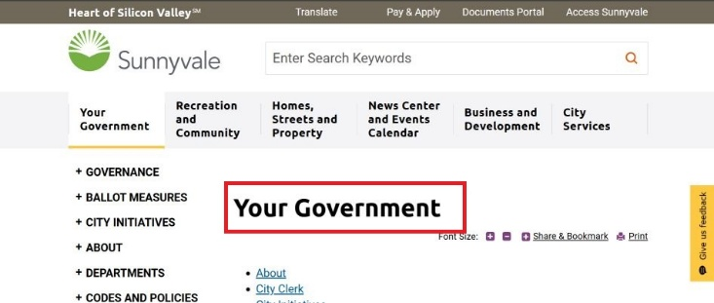 | • Screen reader should announce expanded state for the link in expanded state. • Keyboard-only and screen reader users should be able to collapse the link after expanding it. • Screen reader should announce appropriate text for the link. | Apply the following changes: • Modify scripts associated with the link to ensure that the content is expanded/collapsed below when users activate the link with a keyboard. • Set "aria-expanded" attribute to "true" for the link when it is in expanded state. Ensure that the value of "aria-expanded" attribute gets updated as per user interaction via scripting. • Remove "aria-labelledby" attribute from the source code of the link. • Removed "Share & Bookmark, Press Enter to show all options, press Tab go to next option" hidden text from the source code. • Add role "button" and aria-label="Share and Bookmark Options" attribute to <a> element of the link. | <a class="sharelink" href="javascript:void(0);" title="Click to expand Share &amp; Bookmark options" aria-haspopup="true" aria-expanded="false" aria-labelledby="share-desciption">Share &amp; Bookmark</a> <span id="share-desciption" class="wcag_only">Share &amp; Bookmark, Press Enter to show all options, press Tab go to next option</span> | <a class="sharelink" href="javascript:void(0);" title="Click to expand Share &amp; Bookmark options" aria-haspopup="true" aria-expanded="true" aria-label="Share and Bookmark Options">Share &amp; Bookmark</a> | Critical | A | 4.1.2 2.1.1 | Applicable | Windows/Chrome/JAWS Windows/Edge/Narrator MAC/Safari/VoiceOver Android/Chrome/Talkback iOS/Safari/VoiceOver | This is a template issue. | Custom Department Page
Your Government | 29 | Image identified by screen reader unnecessarily | The screen reader identified the mentioned image which might create confusion for screen reader users. | Your Government Governance Boards and Commission Apply for Boards and Commissions Boards and Commissions Application City Council Study Issues and Budget proposals Proposed Study Issue and Budget Proposals Study Issues Underway Council Strategic Priorities Library Bond Measures Q&A Main Library Renderings Social Media Center City Logos Public Safety Services Classes and Activities How to get rid of anything Food Cycle Event Calendar City Service Directory Site Map Recruitments and Careers - image associated with Print link | 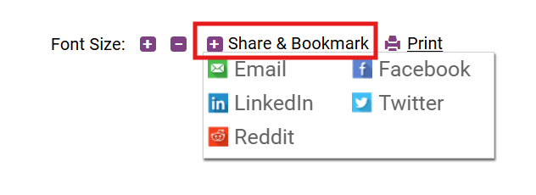 | Screen reader should not identify the image. | Apply the following changes: • Wrap the images inside <span> element. • Add aria-hidden="true" attribute to <span> element. | <a class="printer_friendly" href="javascript:window.print();" title="Click to print this page"> :: before Print</a> | <a class="printer_friendly" href="javascript:window.print();" title="Click to print this page"> <span aria-hidden="true"> ::before </span> Print</a> | Minor | A | 1.1.1 | Applicable | Windows/Chrome/JAWS Windows/Edge/Narrator MAC/Safari/VoiceOver Android/Chrome/Talkback iOS/Safari/VoiceOver | This is a template issue. | Custom Department Page
Your Government | 30 | Note: Missing label for navigation region | The label is not specified for the secondary navigation region which might result in screen reader users not understanding the purpose of the navigation region. | Your Government Governance Boards and Commissions Apply for Boards and Commissions Boards and Commissions Application City Council Study Issues and Budget Proposals Proposed Study Issues and Budget Proposals Study Issues Underway Council Strategic Priorities Library Bond Measure Q&A Main Library Renderings Social Media Center City Logos Public Safety Services Classes and Activities How to Get Rid of Anything FoodCycle: Food Scrap Recycling Program City Service Directory Recruitment and Careers - Secondary Navigation | 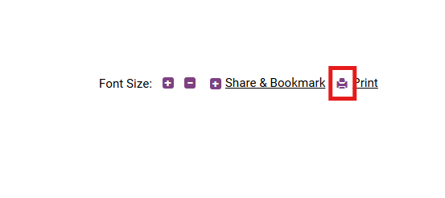 | Screen reader should announce appropriate label for the navigation region. | Specify appropriate label for the navigation region using "aria-label" attribute. | <nav id="leftNav_2_0_12" class="nocontent sidenav mobile_list vi-sidenav-desktop"> (…) </nav> | <nav aria-label="Secondary" id="leftNav_2_0_12" class="nocontent sidenav mobile_list vi-sidenav-desktop"> (…) </nav> | Minor | Best Practice | Best Practice | Not Applicable | Windows/Chrome/JAWS Windows/Edge/Narrator MAC/Safari/VoiceOver Android/Chrome/Talkback iOS/Safari/VoiceOver | This is a template issue. | Custom Department Page
Classes and Activities | 31 | Image identified by screen reader unnecessarily | The screen reader identified the mentioned image which might create confusion for screen reader users. | Governance - Your Government » Boards and Commissions City Council Council Strategic Priorities - Your Government » Governance » Apply for Boards and Commissions - Your Government » Governance » Boards and Commissions » Boards and Commissions Application - Your Government » Governance » Boards and Commissions » Apply for Boards and Commissions » Study Issues and Budget Proposals - Your Government » Governance » City Council » Proposed Study Issues and Budget Proposals Study Issues Underway - Your Government » Governance » City Council » Study Issues and Budget Proposals » Library Bond Measure Q&A Main Library Renderings - Your Government » Ballot Measures » Library Bond Measure » Social Media Center City Logos - Your Government » About » Public Safety Services - Your Government » Departments » Public Safety » Classes and Activities - Recreation and Community » How to Get Rid of Anything FoodCycle: Food Scrap Recycling Program - Homes, Streets and Property » Recycling and Garbage » News Center - « First - « Prev - « Next - « Last Recruitment and Careers - Your Government » Departments » Public Safety » Operations » | 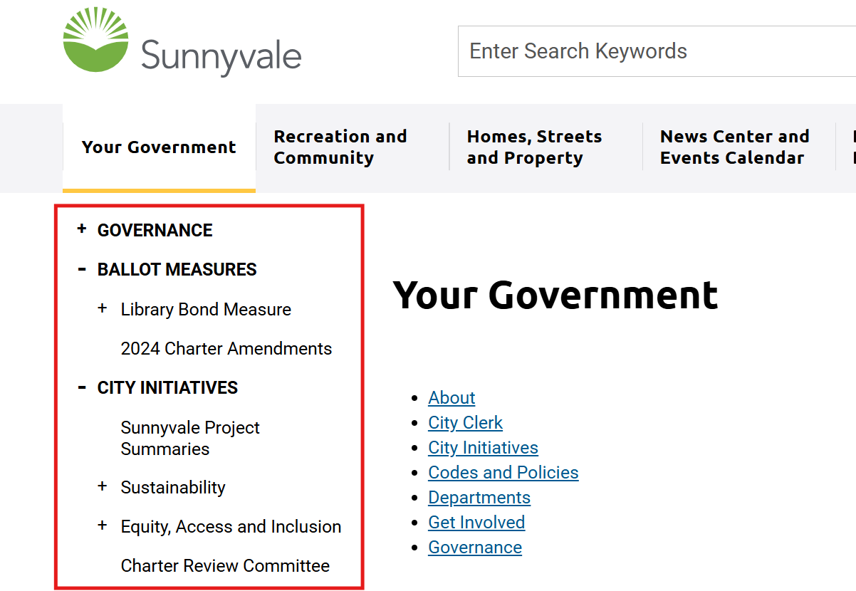 | Screen reader should not identify the image. | Apply the following changes: • Wrap the images inside <span> element. • Add aria-hidden="true" attribute to <span> element. | <p class="breadcrumb"> <a href="/recreation-and-community">Recreation and Community</a> </p> | <p class="breadcrumb"> <a href="/recreation-and-community">Recreation and Community</a> <span aria-hidden="true">»</span> </p> | Minor | A | 4.1.2 | Applicable | Windows/Chrome/JAWS Windows/Edge/Narrator MAC/Safari/VoiceOver Android/Chrome/Talkback iOS/Safari/VoiceOver | This is a template issue. | Custom Department Page
Your Government | 32 | Note: Inaccurate label specified for main landmark | Inaccurate label is specified for the main landmark causing confusion for screen reader users. | Your Government Governance Boards and Commissions Apply for Boards and Commissions Boards and Commissions Application City Council Study Issues and Budget Proposals Proposed Study Issues and Budget Proposals Study Issues Underway Council Strategic Priorities Library Bond Measures Q&A Main Library Renderings Social Media Center City Logos Public Safety Services Classes and Activities How to Get Rid of Anything Food Cycle News Center Events Calendar City Service Directory Site Map Recruitment and Careers - ColumnUserControl3 | 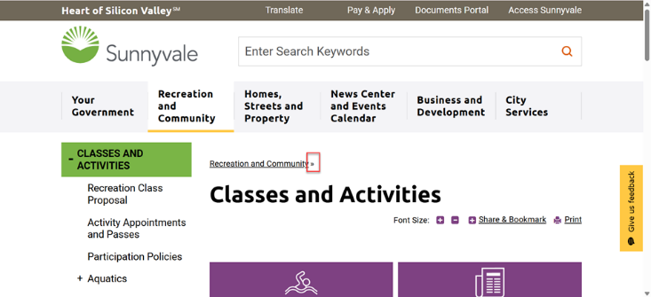 | Screen reader should not announce inaccurate label for the landmark. | Remove "aria-label" attribute from <div> element with role "main". | <div id="ColumnUserControl3" class="column right_col " role="main" aria-label="ColumnUserControl3"> (…) </div> | <div id="ColumnUserControl3" class="column right_col " role="main" > (…) </div> | Minor | Best Practice | Best Practice | Not Applicable | Windows/Chrome/JAWS Windows/Edge/Narrator MAC/Safari/VoiceOver Android/Chrome/Talkback iOS/Safari/VoiceOver | This is a template issue. | Custom Department Page
Governance | 33 | Color alone used to convey current page information | Color alone is used to identify the current page state for the currently active link resulting in color deficiencies users not being able to differentiate between the colors and will have no way to easily identify the currently active link. | Governance - Governance Boards and Commissions - Boards and Commissions Apply for Boards and Commissions - Apply for Boards and Commissions City Council - City Council Study Issues and Budget Proposals - Study Issues and Budget Proposals Proposed Study Issues and Budget Proposals - Proposed Study Issues and Budget Proposals Study Issues Underway - Study Issues Underway Council Strategic Priorities - Council Strategic Priorities Library Bond Measure Q&A - Library Bond Measure Q&A Main Library Renderings - Main Library Renderings Social Media Center - Social Media Center City Logos - City Logos Public Safety Services - Public Safety Services Classes and Activities - Classes and Activities How to Get Rid of Anything - How to Get Rid of Anything FoodCycle - Food Scrap Recycling Recruitment and Careers - Recruitment and Careers | 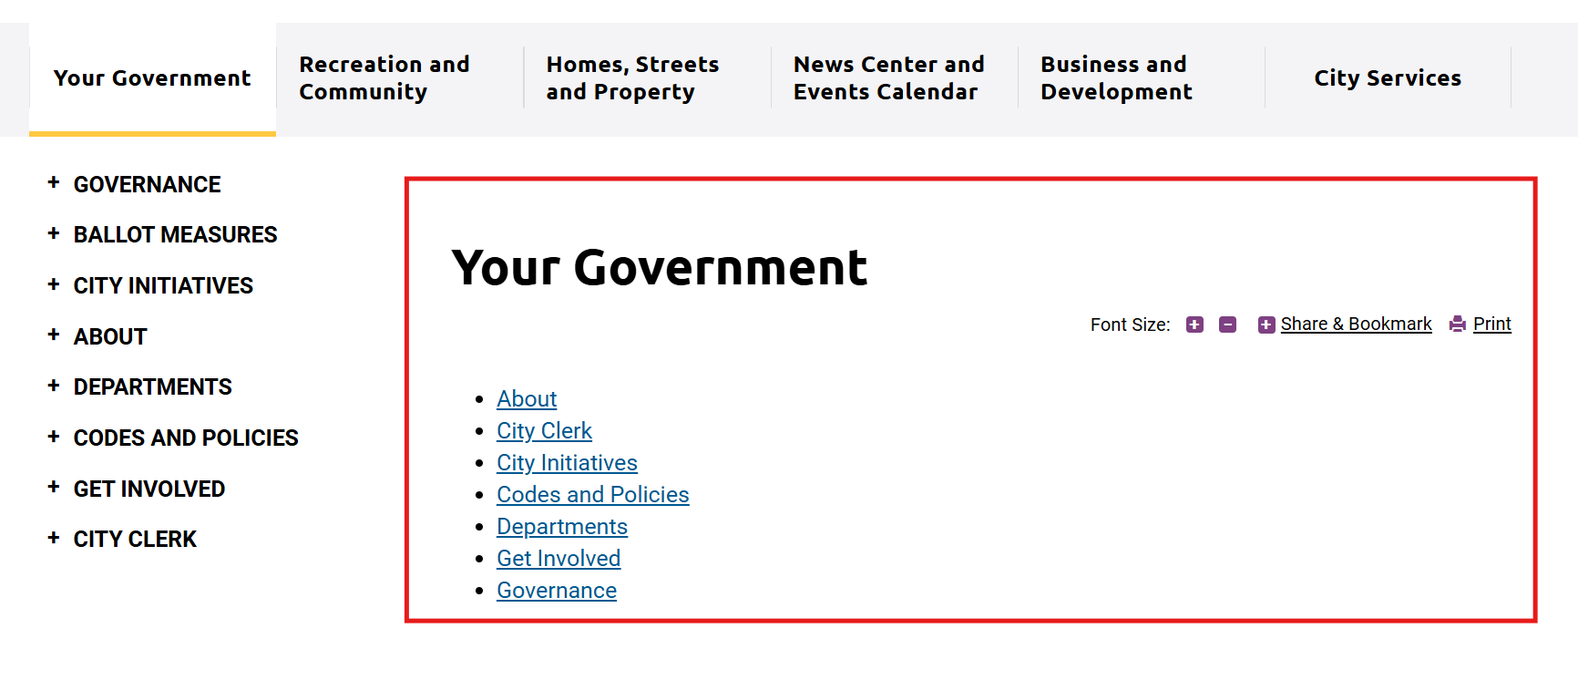 | Additional visual cue should be provided to indicate the current page state for the active link. | In the mentioned example along with color, use additional visual cues (e.g. underline, bold text formatting and so on) to convey the current page state for the link. |  |  | Minor | A | 1.4.1 | Applicable | Windows/Chrome/JAWS Windows/Edge/Narrator MAC/Safari/VoiceOver Android/Chrome/Talkback iOS/Safari/VoiceOver | This is a template issue. | Custom Department Page
Governance | 34 | Inappropriate textual description specified for image links | Inappropriate textual description is specified for the image links resulting in screen reader users will have to listen additional information unnecessarily. | Governance Boards and Commission Apply for Boards and Commissions City Council Study Issues and Budget proposals Proposed Study Issue and Budget Proposals Study Issues Underway City Logos Classes and Activities Food Cycle - Acrobat reader Download Acrobat Reader - Windows Media Player Download Windows Media Player - Word Viewer Download Word Viewer - Excel Viewer Download Excel Viewer and so on |  | Screen reader should announce appropriate textual description for the image links. | Specify appropriate textual descriptions such as "Download Acrobat Reader" for the image links using "aria-label" attribute. | <a href="http://get.adobe.com/reader/" target="_blank" rel="noopener" class="acrobat_reader_downloadmessage" title="Download Acrobat Reader"> <span>Acrobat Reader</span> <img src="/DefaultContent/Default/_gfx/downloadmessage/acrobat.jpg" alt="Download Acrobat Reader"> </a> | <a href="http://get.adobe.com/reader/" target="_blank" rel="noopener" class="acrobat_reader_downloadmessage" title="Download Acrobat Reader" aria-label="Download Acrobat Reader"> <span>Acrobat Reader</span> <img src="/DefaultContent/Default/_gfx/downloadmessage/acrobat.jpg" alt="Download Acrobat Reader"> </a> | Minor | A | 1.1.1 | Applicable | Windows/Chrome/JAWS Android/Chrome/TalkBack | This is a template issue. | Custom Department Page
Governance | 35 | Missing unordered list mark-up | List mark-up is not used to present related information programmatically, making it difficult for screen reader users to navigate to the list and different list items quickly. | Governance Boards and Commission Apply for Boards and Commissions City Council Study Issues and Budget proposals Proposed Study Issue and Budget Proposals Study Issues Underway City Logos Classes and Activities Food Cycle - Download Acrobat reader - Download Windows media player - Download word viewer and so on | 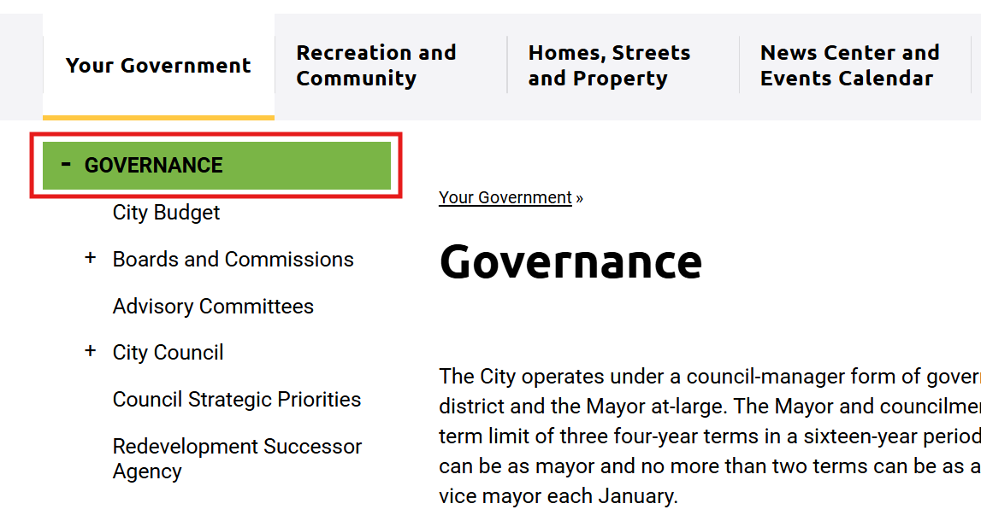 | Related group of items should be identified as list by screen readers. This will help users to understand how many items are present and quickly navigate to different items of the list. | Use appropriate list mark-up, such as <ul> and <li> to identify related information. In addition, consider applying styles to maintain the visual presentation of a web page. | <a href="http://get.adobe.com/reader/" target="_blank" rel="noopener" class="acrobat_reader_downloadmessage" title="Download Acrobat Reader"> (...) </a> <a href="http://windows.microsoft.com/en-us/windows/windows-media-player" target="_blank" rel="noopener" class="windows_media_player_downloadmessage" title="Download Windows Media Player"> (...) </a> | <ul> <li> <a href="http://get.adobe.com/reader/" target="_blank" rel="noopener" class="acrobat_reader_downloadmessage" title="Download Acrobat Reader"> <span>Acrobat Reader</span> <img src="/DefaultContent/Default/_gfx/downloadmessage/acrobat.jpg" alt="Download Acrobat Reader"> </a> </li> <li> <a href="http://windows.microsoft.com/en-us/windows/windows-media-player" target="_blank" rel="noopener" class="windows_media_player_downloadmessage" title="Download Windows Media Player"> (...) </a> </li> <li> <a href="https://products.office.com/en-US/office-online/documents-spreadsheets-presentations-office-online" target="_blank" rel="noopener" class="powerpoint_downloadmessage" title="Download PowerPoint Viewer"> (...) </a> </li> (...) </ul> | Major | A | 1.3.1 | Applicable | Windows/Chrome/JAWS Android/Chrome/TalkBack | This is a template issue. | Custom Department Page
Governance | 36 | Current page state not defined | The current page state is not programmatically defined for the currently active link resulting in screen reader users cannot understand the link's currently active state. | Governance - Governance Boards and Commissions - Boards and Commissions Apply for Boards and Commissions - Apply for Boards and Commissions City Council - City Council Study Issues and Budget Proposals - Study Issues and Budget Proposals Proposed Study Issues and Budget Proposals - Proposed Study Issues and Budget Proposals Study Issues Underway - Study Issues Underway Council Strategic Priorities - Council Strategic Priorities Library Bond Measure Q&A - Library Bond Measure Q&A Main Library Renderings - Main Library Renderings Social Media Center - Social Media Center City Logos - City Logos Public Safety Services - Public Safety Services Classes and Activities - Classes and Activities How to Get Rid of Anything - How to Get Rid of Anything FoodCycle - Food Scrap Recycling Recruitment and Careers - Recruitment and Careers | 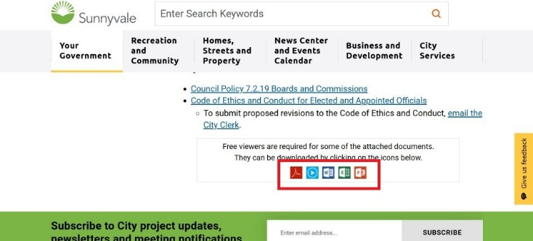 | Screen reader should announce current page state for the active link. | Add aria-current="page" attribute to <a> element of the currently active link. |  |  | Minor | A | 4.1.2 | Applicable | Windows/Chrome/JAWS Android/Chrome/TalkBack | This is a template issue. | Custom Department Page
Governance | 37 | Landmark not defined | The navigation landmark is not defined programmatically for the mentioned content which might result in screen reader users not being able to identify the landmark and cannot navigate to it quickly. | Governance Boards and Commissions City Council Council Strategic Priorities Apply for Boards and Commissions Boards and Commissions Application Study Issues and Budget Proposals Proposed Study Issues and Budget Proposals Study Issues Underway Library Bond Measure Q&A Main Library Renderings Social Media Center City Logos Public Safety Services Classes and Activities How to Get Rid of Anything FoodCycle: Food Scrap Recycling Program Recruitment and Careers - Breadcrumb trail | 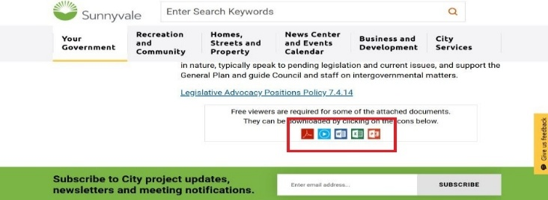 | Screen reader users should be able to identify each landmark as well as navigate to different landmarks on the page. | Apply the following changes: • Mark-up the breadcrumb trail using <nav> element. • Provide label as "Breadcrumb" for the navigation region using "aria-label" attribute. | <p class="breadcrumb"> <a href="/your-government">Your Government :: after </a> </p> <h1 class="titlewidget-title"><span>Governance</span></h1> | <nav aria-label="Breadcrumb"> <ul class="breadcrumb"> <li><a href="/your-government">Your Government <span aria-hidden="true"> :: after </span> </a> </li> <li><h1 class="titlewidget-title"><span>Governance</span></h1></li> </ul> </nav> | Minor | A | 1.3.1 | Applicable | Windows/Chrome/JAWS Windows/Edge/Narrator MAC/Safari/VoiceOver Android/Chrome/Talkback iOS/Safari/VoiceOver | This is a template issue. | Custom Department Page
Governance | 38 | Missing unordered list mark-up | List mark-up is not used to present related information programmatically, making it difficult for screen reader users to navigate to the list and different list items quickly. | Governance Boards and Commissions City Council Council Strategic Priorities Apply for Boards and Commissions Boards and Commissions Application Study Issues and Budget Proposals Proposed Study Issues and Budget Proposals Study Issues Underway Library Bond Measure Q&A Main Library Renderings Social Media Center City Logos Public Safety Services Classes and Activities How to Get Rid of Anything FoodCycle: Food Scrap Recycling Program Recruitment and Careers - Breadcrumb trail |  | Related group of items should be identified as list by screen readers. This will help users to understand how many items are present and quickly navigate to different items of the list. | Use appropriate list mark-up, such as <ul> and <li> to identify related information. In addition, consider applying styles to maintain the visual presentation of a web page. | <p class="breadcrumb"> <a href="/your-government">Your Government :: after </a> </p> <h1 class="titlewidget-title"><span>Governance</span></h1> | <nav aria-label="Breadcrumb"> <ul class="breadcrumb"> <li><a href="/your-government">Your Government <span aria-hidden="true"> :: after </span> </a> </li> <li><h1 class="titlewidget-title"><span>Governance</span></h1></li> </ul> </nav> | Major | A | 1.3.1 | Applicable | Windows/Chrome/JAWS Windows/Edge/Narrator MAC/Safari/VoiceOver Android/Chrome/Talkback iOS/Safari/VoiceOver | This is a template issue. | Custom Department Page
Boards and Commission | 39 | Non-descriptive link text | The link text does not describe the destination it points to. As a result, screen reader users might not understand the purpose of the link effectively. | Main content - 2025 - 2024 - 2023 | 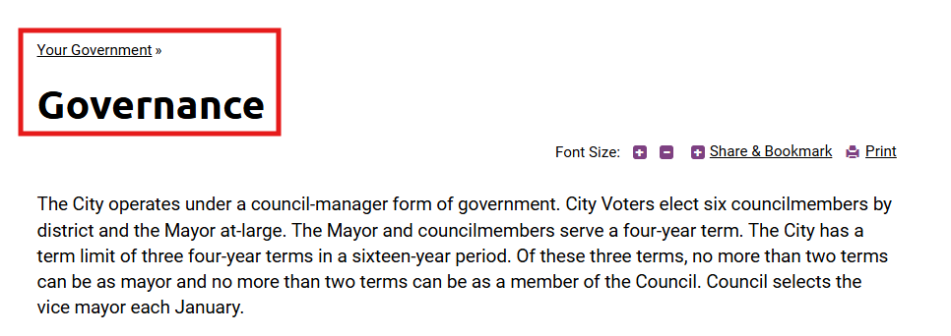 | Link text should be meaningful and unique. | Apply the following changes: • Add "aria-labelledby" attribute to <a> element containing "2025" text. • Specify "id" attribute with unique value to <a> element of the link and <h3> element of "Commission Work Plans and Relevant Policies" heading respectively. • Reference both "id" attribute values (of <a> and <h3> elements) to "aria-labelledby" attribute. | <h3><span class="trail-heading" </span>Commission Work Plans and Relevant Policies<span class="trail-heading" </span></h3> (…) <a href="/home/showpublisheddocument/5794/638769414208370000" target="_blank" tabindex="0">2025</a> | <h3 id="b1"><span class="trail-heading" </span>Commission Work Plans and Relevant Policies<span class="trail-heading" </span></h3> (…) <a id="a1" href="/home/showpublisheddocument/5794/638769414208370000" target="_blank" tabindex="0" aria-labelledby="a1 b1">2025</a> | Minor | A | 2.4.4 | Applicable | Windows/Chrome/JAWS Android/Chrome/TalkBack
Boards and Commission | 40 | Headings not defined | The mentioned content is not marked up using HTML heading mark-up resulting in screen reader users finding it difficult to understand the content structure. | Main Content - Policy Documents (Available on activating the accordians) - Work Plans - Study Issues - Council Policies - Relevant Documents and so on |  | Screen reader should identify the text as a heading. | Apply the following changes: • Mark-up the text such as "Policy Documents" using <h3> element. • Mark-up the text such as "Work Plans", "Study Issues" and so on using <h5> element. | <p><strong>Policy Documents</strong></p> (…) <p><strong>Work Plans</strong></p> | <h3>Policy Documents</h3> (…) <h5><strong>Work Plans</strong></h5> | Major | A | 1.3.1 | Applicable | Windows/Chrome/JAWS Android/Chrome/TalkBack
Boards and Commission | 41 | Content not available in portrait mode | The mentioned content is not available in portrait mode resulting in mobile users will miss out important information on the page. | Boards and Commission Apply Boards and Commission City Council Study Issues and Budget proposals Proposed Study Issue and Budget Proposals Study Issues Underway Council Strategic Priorities Library Bond Measures Q&A Main Library Renderings Social Media Center City Logos Public Safety Services Classes and Activities How to get rid of anything Food Cycle Recruitments and Careers - Secondary Navigation |  | The content should be available in both portrait and landscape modes. | Use CSS media queries to ensure that all the page content is available in both landscape and portrait orientations. Use media query "@media screen and (orientation: portrait)" to define how the mentioned content will be displayed in both the orientations. |  |  | Major | AA | 1.3.4 | Not Applicable | Android/Chrome/Talkback | This is a template issue. | Custom Department Page
Boards and Commission | 42 | Inappropriate heading structure | The heading is announced with inappropriate heading level resulting in screen reader users finding it difficult to understand the content structure. | Main content - Purpose - Origin - Contact and so on (Available on activating"Arts Commission", "Bicycle and Pedestrian Advisory Commission", "Board of Library Trustees" and so on accordians) | 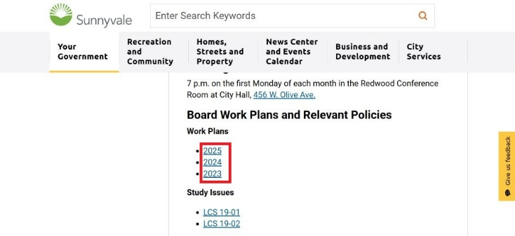 | The heading levels should be defined as per visual hierarchy of the page to enable screen reader users in understanding the page structure. | Mark-up the mentioned headings using <h4> element. | <h3>Purpose</h3> (…) <h3>Additional Information</h3> | <h4>Purpose</h4> (…) <h4>Additional Information</h4> | Major | A | 1.3.1 | Applicable | Windows/Chrome/JAWS Android/Chrome/TalkBack
Boards and Commission | 43 | Image identified by screen reader unnecessarily | The screen reader identified the mentioned images which might create confusion for screen reader users. | Boards and Commission - + / - image associated with Arts Commission, Bicycle and Pedestrian Advisory Commission, Board of Library Trustees and so on. Public Safety Services - + / - image associated with Other Public Safety Service, Fire Service and so on Classes and Activities - + / - image associated with Recreation scholarship programme Food cycle - + / - image associated with What happens to food scraps, Can we collect food scraps, Can single famly courts have so on News Center - "|" between Next &Previous page links SiteMap - "|" between Categorized Sitemap and Indexed Sitemap Recruitment and Careers - + / - image associated with INSIDE LOOK: VIDEOS OF PUBLIC SAFETY IN ACTION, HOW TO APPLY, TRAINING PROCESS and so on |  | Screen reader should not identify the images. | Apply the following changes: • Wrap the images inside <span> element. • Add aria-hidden="true" attribute to <span> element. | <div class="accordion-heading" tabindex="0" aria-expanded="false" role="button"> ::before <div class="title">Arts Commission</div> (...) </div> | <div class="accordion-heading" tabindex="0" aria-expanded="false" role="button"> <span aria-hidden="true"> ::before </span> <div class="title">Arts Commission</div> (...) </div> | Minor | A | 1.1.1 | Applicable | Windows/Chrome/JAWS Android/Chrome/TalkBack | This is a template issue. | Accordion
Classes and Activities | 44 | Headings not defined | The buttons are not marked up using HTML heading mark-up resulting in screen reader users finding it difficult to understand the content structure. | Boards and Commission - Arts Commission - Bicycle and Pedestrian Advisory Commission - Board of Library Trustees and so on. Classes and Activities - Recreation scholarship programme Food cycle - What happens to food scraps - Can we collect food scraps - Can single famly courts have so on. Recruitment and Careers - INSIDE LOOK: VIDEOS OF PUBLIC SAFETY IN ACTION - HOW TO APPLY - TRAINING PROCESS and so on. | 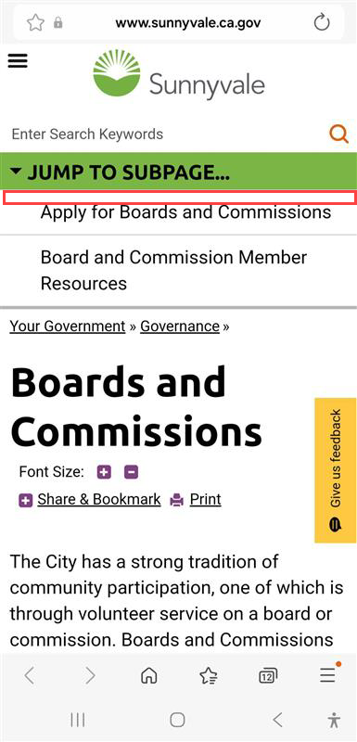 | Screen reader should identify the buttons as headings. | Mark-up the mentioned buttons using <h3> element. | <div class="accordion-heading" tabindex="0" aria-expanded="false" role="button"> <div class="title">Arts Commission</div> (...) </div> | <h3> <div class="accordion-heading" tabindex="0" aria-expanded="false" role="button"> <div class="title">Arts Commission</div> (...) </div> </h3> | Major | A | 1.3.1 | Applicable | Windows/Chrome/JAWS Windows/Edge/Narrator Android/Chrome/Talkback iOS/Safari/VoiceOver
Boards and Commission | 45 | Content not hidden for screen reader users | The mentioned content is not hidden resulting in unnecessary information being rendered to screen reader users. | Apply for Boards and Commissions - 1 - 2 - 3 - 4 | 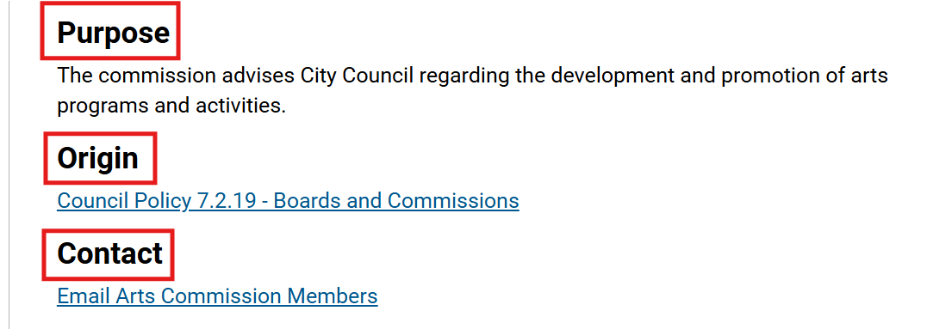 | Screen reader should not read the unnecessary content. | Apply the following changes: • Wrap the mentioned content inside <span> element. • Add aria-hidden="true" attribute to <span> element. | <li class="item"> :: before <div class="blockcontent"> (…) </div> (…) </li> | <li class="item"> <span aria-hidden="true">:: before</span> <div class="blockcontent"> (…) </div> (…) </li> | Minor | A | 4.1.2 | Applicable | Windows/Chrome/JAWS Android/Chrome/TalkBack | This is a template issue. | Form-Instructions
Boards and Commissions Application | 46 | Inappropriate accessible name for group | Inappropriate accessible name is specified for the group containing the mentioned form fields causing confusion for screen reader users. | Boards and Commission - First name, Initial (optional) and Last name - Address line 1, Address line 2, City and so on |  | Screen reader should announce appropriate accessible name for the group. | Apply the following changes: • Remove the current value from "aria-labelledby" attribute of <div> element with role "group". • Add "id" attribute with unique value to <div> element containing the text such as "Name *". • Reference "id" attribute value of <div> element to "aria-labelledby" attribute. | <div class="StyledLabelText-sc-1bsmirz-0 gEMHBT fsLabel fsRequiredLabel"><span>Name</span><span class="StyledRequiredMarker-sc-d195mo-0 cipWwr fsRequiredMarker">*</span></div> (…) <div role="group" aria-labelledby="label-field167713193" class="StyledSubFieldGroup-sc-ik27pq-0 la-dZxx fsSubFieldGroup"> (…) </div> | <div id="a1" class="StyledLabelText-sc-1bsmirz-0 gEMHBT fsLabel fsRequiredLabel"><span>Name</span><span class="StyledRequiredMarker-sc-d195mo-0 cipWwr fsRequiredMarker">*</span></div> (…) <div role="group" aria-labelledby="a1" class="StyledSubFieldGroup-sc-ik27pq-0 la-dZxx fsSubFieldGroup"> (…) </div> | Major | A | 4.1.2 | Applicable | Windows/Chrome/JAWS Android/Chrome/TalkBack
Boards and Commissions Application | 47 | Mandatory field identified inappropriately | The mentioned optional input field is programmatically identified as mandatory causing confusion for screen reader users. | Boards and Commissions Application - Address Line 2 | 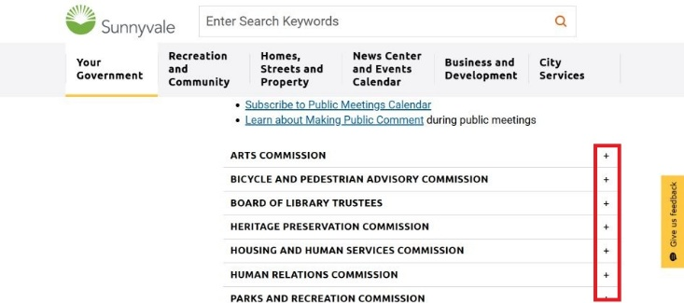 | Screen reader should not identify the optional input field as mandatory field. | Apply the following changes: • Remove "required" attribute from the source code of the mentioned input field. • Add "(optional)" text in <label> element consisting the label. | <input title="" alt="" autocomplete="address-line2" id="field167713195-address2" type="text" label="Current Main Residence" required="" name="field167713195-address2" data-fs-field-id="167713195" data-fs-field-name="address" data-fs-field-alias="address2" class="StyledInput__BaseStyledInput-sc-1cxwxcf-0 kAmOJV" value="" spellcheck="false" data-ms-editor="true"> <label class="StyledLabel-sc-vn5hkq-0 crCoIv fsSupportingSubLabel" for="field167713195-address2">Address Line 2</label> | <input title="" alt="" autocomplete="address-line2" id="field167713195-address2" type="text" label="Current Main Residence" name="field167713195-address2" data-fs-field-id="167713195" data-fs-field-name="address" data-fs-field-alias="address2" class="StyledInput__BaseStyledInput-sc-1cxwxcf-0 kAmOJV" value="" spellcheck="false" data-ms-editor="true"> <label class="StyledLabel-sc-vn5hkq-0 crCoIv fsSupportingSubLabel" for="field167713195-address2">Address Line 2 (optional)</label> | Minor | A | 3.3.2 | Applicable | Windows/Chrome/JAWS Android/Chrome/TalkBack
City Council | 48 | Unnecessary textual description for decorative images | Decorative images have been given descriptive alternate text which is found to be unnecessary as they do not convey any additional or important information to screen reader users. | Main Content - Larry Klein - Linda Sell - Alysa Cisneros - Richard Mehlinger | 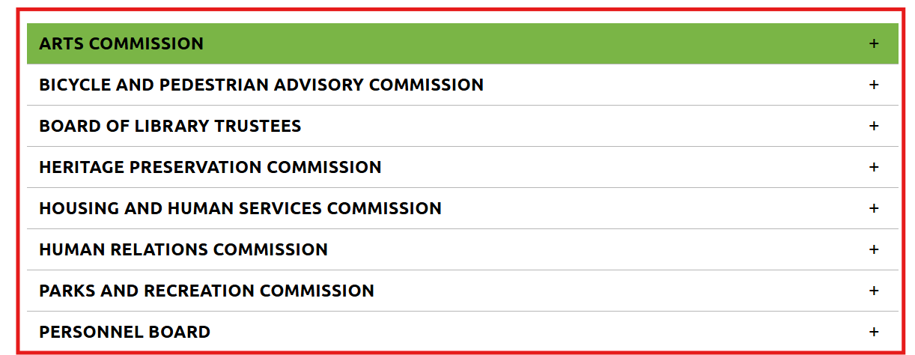 | Decorative images should be skipped by the screen reader. | Provide empty alt attribute i.e., alt="" for all the decorative images. | <img src="/home/showpublishedimage/364/637819987988230000" alt="Larry Klein" style="width: 74.5%;"> | <img src="/home/showpublishedimage/364/637819987988230000" alt="" style="width: 74.5%;"> | Minor | A | 1.1.1 | Applicable | Windows/Chrome/JAWS Android/Chrome/TalkBack
City Council | 49 | Identical link text | Identical and incomplete text is specified for the links resulting in screen reader users not being able to differentiate between the links when read out of context. | City Council - Email Study Issues and Budget proposals - City Manager Review - City Council Review - Board or Commission |  | Link text should be meaningful when read out of context. | Apply the following changes: • Add "aria-labelledby" attribute to <a> element containing "Email" text. • Specify "id" attribute with unique value to <a> element of the link and <strong> element of "Linda Sell" text respectively. • Reference both "id" attribute values (of <a> and <strong> elements) to "aria-labelledby" attribute. | <strong id=b1">Linda Sell</strong> (...) <a href="mailto:mayorklein@sunnyvale.ca.gov">Email</a> | <strong id=b1">Linda Sell</strong> (...) <a id="a1" aria-labelledby="a1 b1" href="mailto:mayorklein@sunnyvale.ca.gov">Email</a> | Major | A | 2.4.4 | Applicable | Windows/Chrome/JAWS Android/Chrome/TalkBack
City Council | 50 | Headings not defined | The mentioned content is not marked up using HTML heading mark-up resulting in screen reader users finding it difficult to understand the content structure. | City Council - Larry Klein - Linda Sell - Alysa Cisneros and so on. | 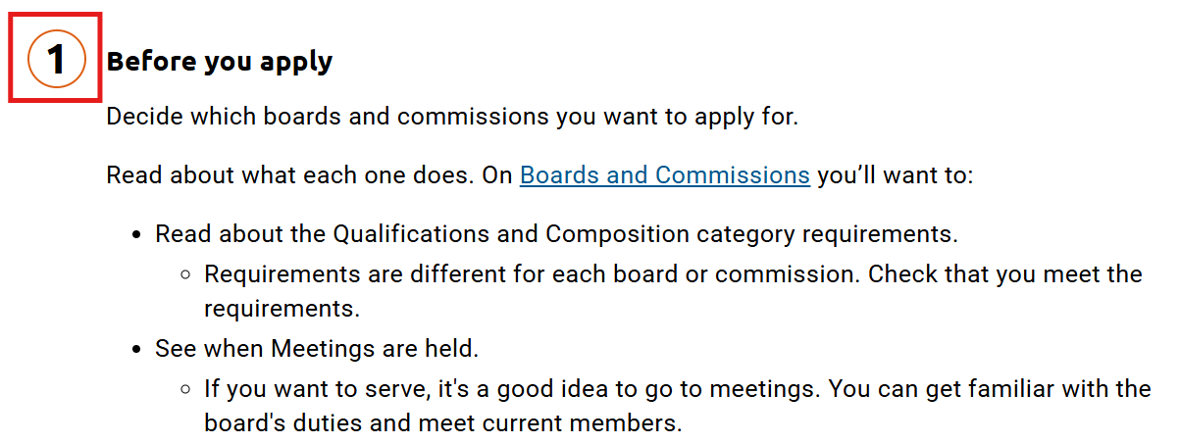 | Screen reader should identify the text as a heading for their users. | Use the <h3> element to define the "Larry Klein", "Linda Sell" and so on texts. | <strong>Larry Klein</strong> | <h2><strong>Larry Klein</strong></h2> | Major | A | 1.3.1 | Applicable | Windows/Chrome/JAWS Android/Chrome/TalkBack
City Council | 51 | Content not hidden for screen reader users | Unnecessary content is read out by the screen reader which may confuse screen reader users and find the information irrelevant. | City Council Main content - | below "Sent mail" links How to get rid of anything Main content - "|" in - between the links such as "Privacy", "Terms of service" and "Cookie Policy". |  | Screen reader should not read the visually hidden content. | Apply the following changes: • Wrap the mentioned content inside <span> element. • Add aria-hidden="true" attribute to <span> element. | <a href="mailto:mayorklein@sunnyvale.ca.gov">Email</a> | <a href="/home/showpublisheddocument/1102/638590581378030000" target="_blank">Klein bio</a> | <a href="mailto:mayorklein@sunnyvale.ca.gov">Email</a> <span aria-hidden="true"> | </span> <a href="/home/showpublisheddocument/1102/638590581378030000" target="_blank">Klein bio</a> | Minor | A | 4.1.2 | Applicable | Windows/Chrome/JAWS Android/Chrome/TalkBack
Study Issues and Budget proposals | 52 | Inappropriate heading structure | The heading is announced with inappropriate heading level resulting in screen reader users finding it difficult to understand the content structure. | Study Issues and Budget proposals Main content What is a Study Issue? (Accordion) - How to Propose a Study Issue - Study Issue Papers, Results and Status Reports What is a Budget Proposal? (Accordion) - How to Submit a Budget Proposal |  | The heading levels should be defined as per visual hierarchy of the page to enable screen reader users in understanding the page structure. | Mark-up the mentioned headings using <h4> element. | <h3>How to Propose a Study Issue</h3> (…) <h3>Study Issue Papers, Results and Status Reports</h3> | <h4>How to Propose a Study Issue</h4> (…) <h4>Study Issue Papers, Results and Status Reports</h4> | Major | A | 1.3.1 | Applicable | Windows/Chrome/JAWS Android/Chrome/TalkBack
Study Issues and Budget proposals | 53 | Insufficient color contrast for standard text | The standard text with background/foreground color combinations has an insufficient contrast ratio making it difficult for people with low vision and color blindness to read standard text elements. | Main Content - March Foreground Color:#FFFFFF Background Color:#FDC64F Ratio:1.57 : 1 - Nov-Dec Foreground color:#FFFFFF Background color:#78AF49 ratio:2.62 : 1 |  | The contrast ratio between foreground text and background for the standard text should be sufficient. | On all pages, ensure that each foreground/background color combination presents a contrast ratio of at least 4.5:1 for standard text. |  |  | Major | AA | 1.4.3 | Applicable | Windows/Chrome/JAWS Android/Chrome/TalkBack
Study Issues Underway | 54 | Drop-down lists cause Focus to move | When users select an option from the mentioned drop-down lists, the keyboard focus moves to the beginning of the iframe content incorrectly. As a result, keyboard-only and screen reader users have to navigate the content on the page before they can interact with the content after the drop-down lists. | Study Issues Underway - Number of study issues - Page Number |  | Focus should remain on the drop-down list itself when keyboard-only and screen reader users select an option from the drop-down list. | Ensure that the focus remains on the drop-down list itself when keyboard-only and screen reader users select an option from the drop-down list. |  |  | Major | A | 3.2.2 | Applicable | MAC/Safari/VoiceOver Android/Chrome/Talkback
Study Issues Underway | 55 | Tabs not programmatically determined | The mentioned elements are not programmatically determined as tab. Also, the number of tabs are not programmatically determined. On activating the elements, the related content gets dynamically updated below and visually an underline appears on selected element to convey the state. Although the dynamic change in the content is easier to understand for sighted users, it is not intuitive for screen reader users. Additionally, the keyboard focus moves to the beginning of the iframe content when users activate the tabs. | Study Issues Underway - Study in Progress - Completed - All studies |  | • The tabs must be identified with role and state using screen reader for its users. • Keyboard focus should remain on the activated tab when users activate it. | Apply the following changes: • Set the role="tablist" for the <ul> element containing the elements that behaves as a tab. • Set the role="tab" for the <a> elements used for displaying "Study in Progress", "Completed" and "All studies". In addition, specify the ARIA attributes for tabs, such as “aria-controls” and “aria-selected”. (The value of the aria-selected attribute needs to change on the basis of currently active tab.) • Set aria-selected=”true” for the active tab. • Specify an "id" attribute for the <div> elements used to display the content of respective tab. Reference the value of "id" attribute correctly via "aria-controls" attribute of each tab. • Specify an "id" attribute for the <a> tags used to display each tab. Reference the value of the "id" attribute correctly via "aria-labelledby" attribute of each tab panel. • Set the role="tabpanel" for the <div> elements displaying the content associated with "Study in Progress", "Completed" and "All studies" tabs. • Ensure that the keyboard focus cycles between the tabs using arrow keys. The not selected tab should not receive the keyboard focus when navigated using "Tab" key. • Ensure that the keyboard focus remains on the activated tab itself when users activate it. More information can be found at https://www.w3.org/WAI/ARIA/apg/example-index/tabs/tabs-manual.html |  |  | Critical | A | 4.1.2 | Applicable | MAC/Safari/VoiceOver Android/Chrome/Talkback
Study Issues Underway | 56 | Insufficient color contrast for standard text | The standard text with background/foreground color combinations has an insufficient contrast ratio making it difficult for people with low vision and color blindness to read standard text elements. | Foreground: #D86018 Background: #FFFFFF Ratio: 3.75:1 - Completed - All studies - CDD 19-04, and so on Foreground: #0397D5 Background: #DDDDDD Ratio: 2.76:1 - Study in progress - Search - Export and so on | 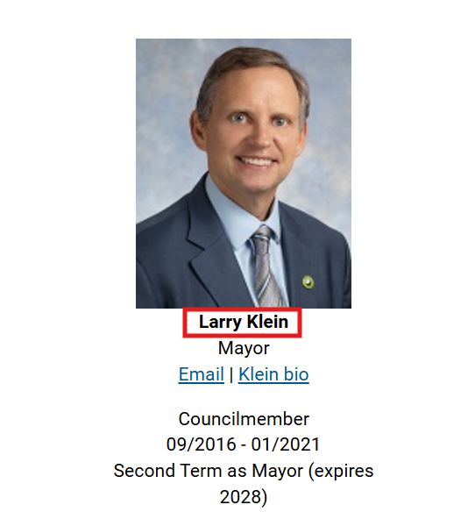 | The contrast ratio between foreground text and background for the standard text should be sufficient. | On all pages, ensure that each foreground/background color combination presents a contrast ratio of at least 4.5:1 for standard text. |  |  | Major | AA | 1.4.3 | Applicable | MAC/Safari/VoiceOver Android/Chrome/TalkBack Windows/Chrome/ZoomText
Study Issues Underway | 57 | Missing textual description for image links | The textual description is not specified for the mentioned image links making it difficult for screen reader users to understand the purpose of the image links. Even though title is provided for the image links, it might not be announced by the screen reader in its default settings. | Main content - Previous page - Next page |  | Screen reader should announce unique and descriptive textual description for the image links. | Specify unique and descriptive textual description as "Previous page" and "Next page" for the image links using "aria-label" attribute. | <a class="kn-change-page kn-previous disabled" href="#" title="Previous page"> <span class="icon"> <i class="fa fa-chevron-left"></i> </span> </a> <a class="kn-change-page kn-next" href="#" title="Next page"> <span class="icon"> <i class="fa fa-chevron-right"></i> </span> </a> | <a class="kn-change-page kn-previous disabled" href="#" title="Previous page" aria-label="Previous page"> <span class="icon"> <i class="fa fa-chevron-left"></i> </span> </a> <a class="kn-change-page kn-next" href="#" title="Next page" aria-label="Next page"> <span class="icon"> <i class="fa fa-chevron-right"></i> </span> </a> | Critical | A | 1.1.1 | Applicable | MAC/Safari/VoiceOver
Study Issues Underway | 58 | Sort functionality not programmatically identified | On activating the table sort controls, the content within the table gets sorted dynamically. Although the dynamic change in the content is easier to understand for sighted users, it is not intuitive for screen reader users. Additionally, the keyboard focus moves to the beginning of the iframe content incorrectly when users activate the sort controls. | Study Issues Underway - Study Issues Number - Title - Current Status - Current Status Summary - Anticipated Completion Date | 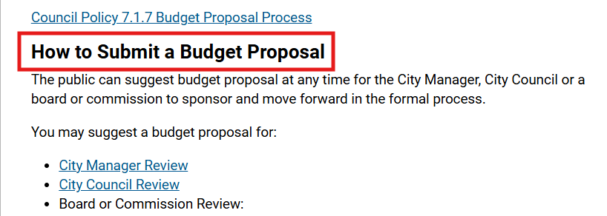 | • Screen reader should announce the appropriate sort state for the controls. • Keyboard focus should remain on the activated sort control. | Apply the following changes: • Provide the sort state using the "aria-sort" attribute on the <th> element. o Set the value of "aria-sort" to "ascending" when the content is sorted in ascending order. o Set the value to "descending" when the content is sorted in descending order. o If no sorting is applied on the content, set the value to "none". o Ensure that the sort state is updated on user interaction. • Ensure that the keyboard focus remains on the activated sort control itself when users activate it. For information on accessible sort controls, visit https://www.w3.org/WAI/ARIA/apg/example-index/table/sortable-table |  |  | Critical | A | 4.1.2 | Applicable | MAC/Safari/VoiceOver Android/Chrome/Talkback
Study Issues Underway | 59 | Links not operable with a keyboard | The links are not operable with a keyboard making it difficult for keyboard-only and screen reader users to access the functionality associated with the links. | Study Issues Underway - Search - Reset | 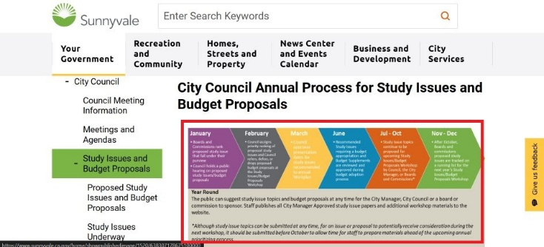 | The links must be operable with a keyboard. | Apply the following changes: • Add tabindex="0" attribute and role="button" to <a> elements containing "Search" and "Reset" text. • Modify scripts to ensure that the buttons are operable with a keyboard as wel as a mouse. • Ensure that the keyboard focus moves to the beginning of the updated content when users activate "Search" button. • Ensure that the keyboard focus remains on "Reset" button itself when users activate it. |  |  | Critical | A | 2.1.1 | Applicable | MAC/Safari/VoiceOver Android/Chrome/TalkBack
Study Issues Underway | 60 | Image identified by screen reader unnecessarily | The screen reader identified the mentioned image which might create confusion for screen reader users. | Study Issues Underway - Image beside "Export" link How to get rid of anything - Images beside "CircleIt", "eRecycle", "eCycleBest.com" and so on links. |  | Screen reader should not identify the image. | Add aria-hidden="true" attribute to <i> element of the image. | <i class="fa fa-file"></i> (…) <i class="fa fa-chevron-right"></i> | <i aria-hidden="true" class="fa fa-file"></i> (…) <i aria-hidden="true" class="fa fa-chevron-right"></i> | Minor | A | 1.1.1 | Applicable | MAC/Safari/VoiceOver Android/Chrome/Talkback
Study Issues Underway | 61 | Missing form label or "title" attribute | The drop-down lists do not have the label associated with them resulting in screen reader users finding it difficult to understand the purpose of the drop-down lists. | Study Issues Underway - Number of study issues - Page Number | 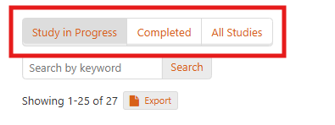 | Screen reader should announce the label for the drop-down lists correctly. | Specify unique and descriptive label for the mentioned drop-down lists using "title" attribute. | <select name="limit"> <option value="10">10 per page</option> (…) </select> | <select title="Number of study issues" name="limit"> <option value="10">10 per page</option> (…) </select> | Critical | A | 1.3.1 | Applicable | MAC/Safari/VoiceOver Android/Chrome/Talkback
Classes and Activities | 62 | Note: Separator announced by screen reader | The screen reader announces "separator" for the horizontal bar present as it is defined using <hr> tag. | Study Issues Underway - Seprator present after "Click on a Study Issue Title to view details." text. Social Media Center Main content - Seprator present after logo images (Next door, AlertSCC and LinkedIn) Classes and Activities Main content - Seprator present after heading (Classes and Activities) | 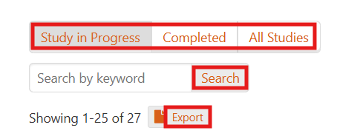 | Screen reader should not announce the separator. | The horizontal bar should be defined using CSS instead of <hr> tag to ensure that it is not identified by a screen reader. Define a border via CSS class to include a horizontal line separator. Alternatively, if <hr> tag is used, specify role="presentation" to <hr> tag. | <hr> | <hr role="presentation"> | Minor | Best Practice | Best Practice | Not Applicable | Windows/Edge/Narrator MAC/Safari/VoiceOver Android/Chrome/Talkback iOS/Safari/VoiceOver
Council Strategic Priorities | 63 | Unnecessary alt text for images | Image have been given descriptive alternate text which is found to be unnecessary as it does not convey any additional or important information to screen reader users. | Main content - Five strategic priorities icons: Responsive Government; Welcoming Community; Sustainable City; Housing Solutions; and Modern Infrastructure. | 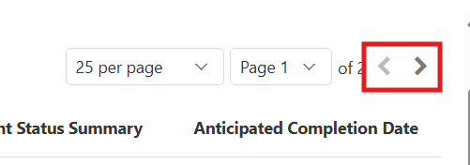 | Image should be skipped by the screen reader. | Provide empty alt attribute i.e., alt="" for the image. | <img src="https://www.sunnyvale.ca.gov/home/showpublishedimage/2109/638829048394300000" alt="Five strategic priorities icons: Responsive Government; Welcoming Community; Sustainable City; Housing Solutions; and Modern Infrastructure." style="margin:15px;"> | <img src="https://www.sunnyvale.ca.gov/home/showpublishedimage/2109/638829048394300000" alt="" style="margin:15px;"> | Minor | A | 1.1.1 | Applicable | MAC/Safari/VoiceOver Android/Chrome/Talkback
Public Safety Services | 64 | Unnecessary alt text for decorative images | Decorative images has been given alternate text which are found to be unnecessary as it does not convey any additional or important information to screen reader users. | Main content - pet-animal-interior@2x - house-home-interior@2x - online-interior@2x, and so on. | 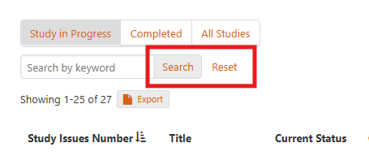 | Decorative images should be skipped by the screen reader. | Provide empty alt attribute i.e., alt="" for all the decorative images. | <img src="/home/showpublishedimage/520/637822677833270000" alt="pet-animal-interior@2x"> | <img src="/home/showpublishedimage/520/637822677833270000" alt=""> | Minor | A | 1.1.1 | Applicable | MAC/Safari/VoiceOver iOS/Safari/VoiceOver
Main Library Renderings | 65 | Unclear functionality of carousel controls | Activating the carousel controls update the slide content dynamically, which is intuitive for sighted users but not for screen reader users. | Main content - Carousel at the beginning of the main content | 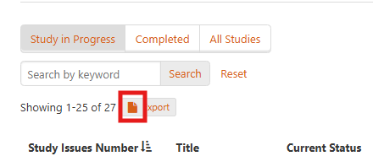 | • Screen reader should announce the updated slide content when users activate the carousel controls. • Screen reader should announce the selected state for the selected carousel control. | Apply the following changes: • Add ARIA live properties such as aria-live="polite" to the element containing the carousel content to ensure that the screen reader announces the updated content. Set "aria-live" attribute to "off" when the carousel content is automatically moving by default. The "aria-live" attribute should be set to "polite" when users activate the carousel controls. • Add aria-current="true" attribute in the source code of the selected carousel control. |  |  | Major | A | 4.1.2 | Applicable | Mac/Safari/VoiceOver iOS/Safari/VoiceOver | This is a template issue. | Photo Album
Public Safety Services | 66 | Headings not defined | The buttons are not marked up using HTML heading mark-up resulting in screen reader users finding it difficult to understand the content structure. | Public Safety Services - Other Public Safety Service - Fire Service |  | Screen reader should identify the buttons as headings. | Mark-up the mentioned buttons using <h2> element. | <div class="accordion-heading" tabindex="0" aria-expanded="false" role="button"> <div class="title">Other Public Safety Services</div> (...) </div> | <h2> <div class="accordion-heading" tabindex="0" aria-expanded="false" role="button"> <div class="title">Other Public Safety Services</div> (...) </div> </h2> | Major | A | 1.3.1 | Applicable | Windows/Edge/Narrator iOS/Safari/VoiceOver
Classes and Activities | 67 | Inappropriate heading structure | The heading is announced with inappropriate heading level resulting in screen reader users finding it difficult to understand the content structure. | Classes and Activities - 2025 Recreation Scholarship - Scholarship Availability, New Swim Benefit, Application Eligibility and so on text. |  | The heading levels should be defined as per visual hierarchy of the page to enable screen reader users in understanding the page structure. | Mark-up the mentioned headings using <h4> and <h5> elements respectively. | <h2>2025 Recreation Scholarship</h2> (…) <h3>Scholarship Availability</h3> | <h4>2025 Recreation Scholarship</h4> (…) <h5>Scholarship Availability</h5> | Major | AA | 1.3.1 | Applicable | Windows/Edge/Narrator iOS/Safari/VoiceOver
Classes and Activities | 68 | Unnecessary alt text for decorative images | Decorative images have been given descriptive alternate text which was found to be unnecessary as they do not convey any additional or important information to screen reader users. | Classes and Activities Main content - recreation-aquatic-interior@2x - news-interior@2x |  | Decorative images should be skipped by the screen reader. | Provide empty alt attribute i.e., alt="" for all the decorative images. | <img src="/home/showpublishedimage/526/637822677844470000" alt="recreation-aquatic-interior@2x"> | <img src="/home/showpublishedimage/526/637822677844470000" alt=""> | Minor | A | 1.1.1 | Applicable | Windows/Edge/Narrator iOS/Safari/VoiceOver
Classes and Activities | 69 | Content not available with browser zoom | When the users view the page at 200% zoom, the content is not available, resulting in low vision users finding it difficult to access the content. | Classes and Activities Main content -Elements "Classes and Activities", "Community Centers","Facility rentals","Special events" so on Food cycle Main content -Elements "Food cycle", "Community Centers" so on Event Calender Main content -The links such as "Library Closed," "Ask a Master Gardener," "Toddler Storytime," and others are only available on hover but not accessible using the Tab key. |  | The page content and functionality should be available even when the page is zoomed upto 200%. | Ensure that the page content is displayed using relative units for text and container so that users can access the page with zoom settings turned on. At the minimum, the page layouts should support up to 200% zoom. |  |  | Critical | AA | 1.4.4 | Applicable | Windows/Edge/Narrator iOS/Safari/VoiceOver
Classes and Activities | 70 | Content fails to reflow | Web page content failed to reflow when viewed at 320*256 viewport size as some content is not available, making it difficult for low vision users to access the content. | Classes and Activities Main content - Classes and Activities - Community Centers - Facility rentals - Special events Food cycle Main content - Classes and Activities - Community Centers - Facility rentals - Special events so on Event Calender Main content - Library Closed - Ask a Master Gardener - Toddler Storytime and others are only available on hover but not accessible using the Tab key. |  | All the content on the page should be available when the page is viewed at 320 * 256 viewport. | Ensure that all the page content is visible when viewed at 320 * 256 viewport. Use relative units to define font and container sizes in CSS to ensure that page's content reflows correctly when viewed at 320 * 256 viewport. In addition, use CSS media queries to display web page content correctly when viewed using different devices, such as mobile phones, tablets and so on. |  |  | Critical | AA | 1.4.10 | Not Applicable | Windows/Edge/Narrator iOS/Safari/VoiceOver
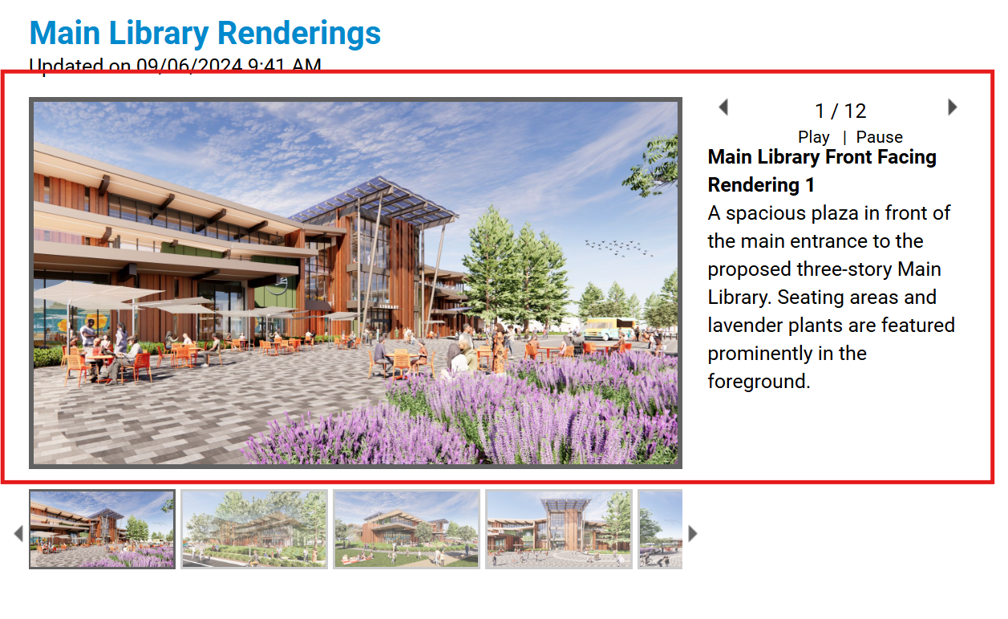
How to get rid of anything | 71 | Inaccurate link text | Incorrect text is specified for the mentioned link resulting in screen reader users not understanding the purpose of the link. | How to get rid of anything - . - Opens new tab |  | Screen reader should announce accurate text for the link. | Provide accurate text for the mentioned link. If the link is not required then add tabindex="-1" and aria-hidden="true" attributes to <a> element of the link. |  |  | Minor | A | 2.4.4 | Applicable | Windows/Edge/Narrator iOS/Safari/VoiceOver
How to get rid of anything | 72 | Inappropriate heading structure | The heading is announced with inappropriate heading level resulting in screen reader users finding it difficult to understand the content structure. | How to get rid of anything - Change language - Electronics |  | The heading levels should be defined as per visual hierarchy of the page to enable screen reader users in understanding the page structure. | Mark-up the mentioned headings using <h2> and <h3> elements respectively. | <h5 style="color: #333333;">Language selection</h5> (…) <h4 class="page-title-text">Electronics</h4> | <h2 style="color: #333333;">Language selection</h2> (…) <h3 class="page-title-text">Electronics</h3> | Major | A | 1.3.1 | Applicable | Windows/Edge/Narrator iOS/Safari/VoiceOver
How to get rid of anything | 73 | Accessible name does not match with visual label | Accessible name does not match with the visual label of the mentioned button resulting in speech recognition users and text-to-speech users finding it confusing while interacting with the button. Additionally, incomplete label is specified for the button. | How to get rid of anything - Change language | 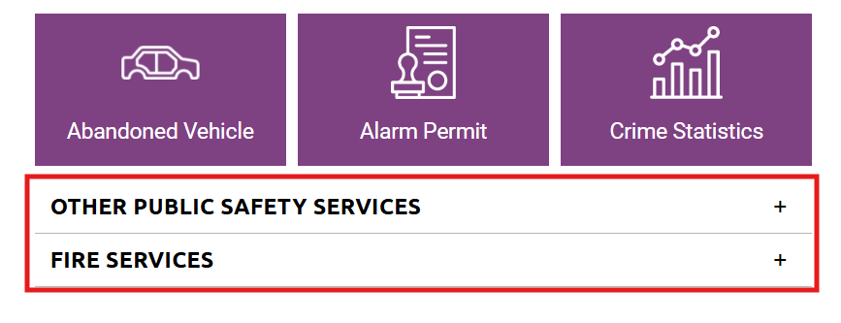 | • Accessible name should match with the visual label of the button. • Screen reader should announce complete label for the button. | Apply the following changes: •Remove "aria-label" attribute from the source code of the button. • Add hidden off-screen text "(Change language)" after the visual label text in the source code of the button. | <button class="rClocale btn btn-xs btn-link dropdown-toggle" id="locale-menubutton" aria-label="Change language" aria-haspopup="true" aria-controls="menu1" aria-expanded="false" data-toggle="dropdown"> <span class="ri ri-l10n ri-white"></span> English <span class="ri ri-caret-down ri-white"></span> </button> | HTML: <button class="rClocale btn btn-xs btn-link dropdown-toggle" id="locale-menubutton" aria-label="English" aria-haspopup="true" aria-controls="menu1" aria-expanded="false" data-toggle="dropdown"> <span class="ri ri-l10n ri-white" ></span> English <span class="ri ri-caret-down ri-white"></span> <span class="sr-only"> (Change Language)</span> </button> CSS: .sr-only { position: absolute; width: 1px; height: 1px; padding: 0; margin: -1px; overflow: hidden; clip: rect(0, 0, 0, 0); white-space: nowrap; border-width: 0; } | Major | A AA | 2.5.3 2.4.6 | Applicable | Windows/Edge/Narrator iOS/Safari/VoiceOver
How to get rid of anything | 74 | Focus moves inappropriately | When user selects any option from the mentioned custom drop-down list, the programmatic focus does not return to the triggering element, instead the focus is moved to the beginning of the page resulting in screen reader users and keyboard-only users to tab pass the content on the page before they can interact with the content after the triggering element. | How to get rid of anything - Change language | 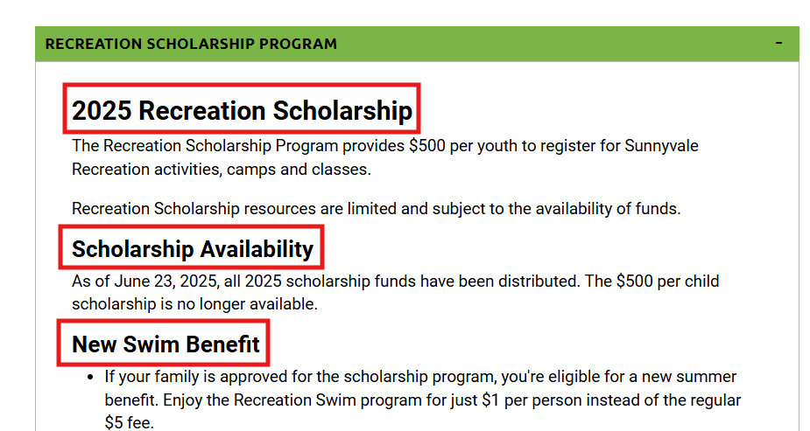 | The programmatic focus of users should be set on the triggering drop-down button when user selects any option from the drop-down list. | Set the keyboard focus to the triggering element of the drop-down list using the JavaScript.focus() method when users select an option. |  |  | Major | A | 2.4.3 | Applicable | Windows/Edge/Narrator iOS/Safari/VoiceOver
How to get rid of anything | 75 | Button state not defined | The collapsed state is not defined for the button by default resulting in screen reader users not understanding the button's state. | How to get rid of anything - Share |  | Screen reader should announce collapsed state for the button by default. | Set "aria-expanded" attribute to "false" for the button by default. Ensure that the value of "aria-expanded" attribute gets updated as per user interaction via scripting. | <button class="rCsocial btn btn-xs btn-link dropdown-toggle" id="social-menubutton" aria-haspopup="true" aria-controls="menu1" aria-label="Share" data-toggle="dropdown"> <span class="ri ri-share ri-white"></span> Share <span class="ri ri-caret-down ri-white"></span> </button> | <button class="rCsocial btn btn-xs btn-link dropdown-toggle" id="social-menubutton" aria-haspopup="true" aria-controls="menu1" aria-label="Share" data-toggle="dropdown" aria-expanded="false"> <span class="ri ri-share ri-white"></span> Share <span class="ri ri-caret-down ri-white"></span> </button> | Minor | A | 4.1.2 | Applicable | Windows/Edge/Narrator iOS/Safari/VoiceOver
How to get rid of anything | 76 | Missing unordered list mark-up | List mark-up is not used to present related information programmatically, making it difficult for screen reader users to navigate to the list and different list items quickly. | How to get rid of anything - CircleIt, eRecycle, eCycleBest.com and so on. - Privacy, Terms of Service and Cookie Policy | 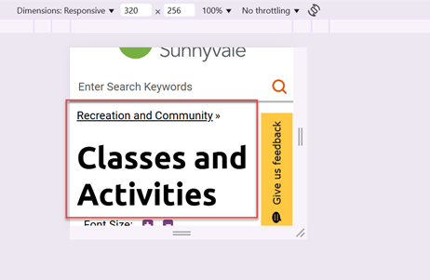 | Related group of items should be identified as list by screen readers. This will help users to understand how many items are present and quickly navigate to different items of the list. | Use appropriate list mark-up, such as <ul> and <li> to identify related information. In addition, consider applying styles to maintain the visual presentation of a web page. | <div class="page-row"> <div class="page-row-content " data-type="page"> <a href="" data-page="690958" target="_top"> CircleIt (…) </a> </div> </div> <div class="page-row"> <div class="page-row-content " data-type="page"> <a href="" data-page="71205" target="_top"> eRecycle (…) </a> </div> </div> (...) | <ul> <li class="page-row"> <div class="page-row-content " data-type="page"> <a href="" data-page="690958" target="_top"> CircleIt (…) </a> </div> </li> <li class="page-row"> <div class="page-row-content " data-type="page"> <a href="" data-page="71205" target="_top"> eRecycle (…) </a> </div> </li> (...) </ul> | Major | A | 1.3.1 | Applicable | Windows/Edge/Narrator iOS/Safari/VoiceOver
How to get rid of anything | 77 | Insufficient color contrast for standard text | The standard text with background/foreground color combinations has an insufficient contrast ratio making it difficult for people with low vision and color blindness to read standard text elements. | How to get rid of anything Main content - link text "Privacy","Terms of service","cookie policy" FG:#D86018 BG: #FFFFFF Ratio:3.75:1 |  | The contrast ratio between foreground text and background for the standard text should be sufficient. | On all pages, ensure that each foreground/background color combination presents a contrast ratio of at least 4.5:1 for standard text. |  |  | Major | AA | 1.4.3 | Applicable | Windows/Edge/Narrator iOS/Safari/VoiceOver Windows/Chrome/ZoomText
How to get rid of anything | 78 | Tabs not programmatically determined | The mentioned elements are not programmatically determined as tab. Also, the number of tabs are not programmatically determined. On activating the elements, the related content gets dynamically updated below and visually an underline appears on selected element to convey the state. Although the dynamic change in the content is easier to understand for sighted users, it is not intuitive for screen reader users. | How to get rid of anything Main content - Calender - Get rid - On call pickup - Request Clean - Need help |  | The tabs must be identified with role and state using screen reader for its users. | Apply the following changes: • Set the role="tablist" for the <ul> element containing the elements that behaves as a tab. • Set the role="tab" for the <a> elements used for displaying "Calender", "Get rid", "On call pickup" and so on. In addition, specify the ARIA attributes for tabs, such as “aria-controls” and “aria-selected”. (The value of the aria-selected attribute needs to change on the basis of currently active tab.) • Set aria-selected=”true” for the active tab. • Specify an "id" attribute for the <div> elements used to display the content of respective tab. Reference the value of "id" attribute correctly via "aria-controls" attribute of each tab. • Specify an "id" attribute for the <a> tags used to display each tab. Reference the value of the "id" attribute correctly via "aria-labelledby" attribute of each tab panel. • Set the role="tabpanel" for the <div> elements displaying the content associated with "Calender", "Get rid", "On call pickup" and so on tabs. • Ensure that the keyboard focus cycles between the tabs using arrow keys. The not selected tab should not receive the keyboard focus when navigated using "Tab" key. More information can be found at https://www.w3.org/WAI/ARIA/apg/example-index/tabs/tabs-manual.html |  |  | Critical | A | 4.1.2 | Applicable | Windows/Edge/Narrator iOS/Safari/VoiceOver
How to get rid of anything | 79 | Search results defined incorrectly | Following issues are found with "Search item" input field and search suggestions: • As soon as user starts entering data in the input field, the suggestions are automatically populated below the input field which is intuitive for sighted users but not for screen reader users. • Label is not specified for the input field. • The suggestions are defined as a listbox incorrectly as on activating the suggestions, the respective page gets displayed. | How to get rid of anything Main content - Search item | 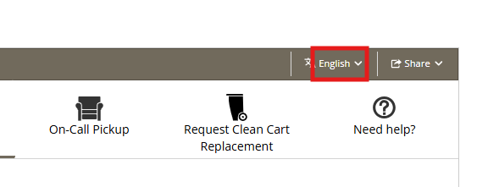 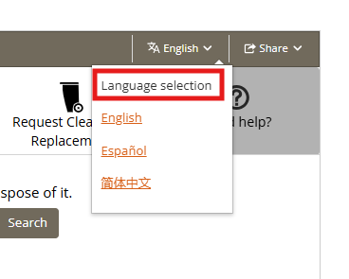 | Screen reader users should be aware of the dynamically updated content. | Apply the following changes: • Remove all ARIA roles and attributes from the source code of the suggestions. • Specify descriptive label as "Search item - Start typing and access the suggestions below" for the input field using "aria-label" attribute. • Provide the number of suggestions found information through hidden text in the <span> element after the input field when user enters text in the input field. o Specify role="status" on the <span> element. |  |  | Critical | A | 4.1.2 3.2.2 1.3.1 | Applicable | Windows/Edge/Narrator iOS/Safari/VoiceOver
How to get rid of anything | 80 | Missing unordered list mark-up | List mark-up is not used to present related information programmatically, making it difficult for screen reader users to navigate to the list and different list items quickly. | How to get rid of anything Main content - links "Electronics", "furniture", "Batteries" below heading "Featured categories" -On links "Privacy", "Terms of service, cookies policy" |  | Related group of items should be identified as list by screen readers. This will help users to understand how many items are present and quickly navigate to different items of the list. | Use appropriate list mark-up, such as <ul> and <li> to identify related information. In addition, consider applying styles to maintain the visual presentation of a web page. | <span class="rC-terms pull-right"> <a href="#" data-page="privacy">Privacy</a> | <a href="#" data-page="terms_of_service">Terms of Service</a> | <a href="#" data-page="cookie_policy">Cookie Policy</a> | <span class="rC-terms pull-right"> <ul class="list-inline"> <li><a href="#" data-page="privacy">Privacy</a></li> <li><a href="#" data-page="terms_of_service">Terms of Service</a></li> <li><a href="#" data-page="cookie_policy">Cookie Policy</a></li> </ul> </span> | Major | A | 1.3.1 | Applicable | Windows/Edge/Narrator iOS/Safari/VoiceOver
How to get rid of anything | 81 | Identical link text | Identical link text is present in the main content area lead to different destination pages. As a result, screen reader users cannot determine the target without activating the link. | How to get rid of anything Main content -"Direction" link | 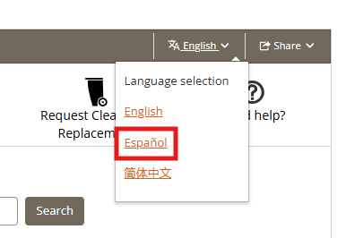 | Link text should be meaningful when read out of context. | Apply the following changes: • Remove "aria-label" attribute from the source code of the links. • Specify "id" attribute with unique value to <p> elements containing the text such as "Goodwill (Sunnyvale)" and "Directions" respectively. • Specify "aria-labelledby" attribute for the <a> element containing "Direction" text. • Reference both "id" attribute values of <p> elements to "aria-labelledby" attribute. | <p>Goodwill (Sunnyvale)</p> (…) <a href="https://www.google.com/maps?&amp;daddr=37.37605,-122.029625" class="btn" aria-label="Directions - Opens new tab" target="_blank"> <img alt="Directions" width="20" height="20" src="https://recollect-images.global.ssl.fastly.net/api/image/40x40/0,0,0/icon.directions.svg"> <p>Directions</p> </a> | <p id="b1">Goodwill (Sunnyvale)</p> (…) <a aria-labelledby="a1 b1" href="https://www.google.com/maps?&amp;daddr=37.37605,-122.029625" class="btn" target="_blank"> <img alt="Directions" width="20" height="20" src="https://recollect-images.global.ssl.fastly.net/api/image/40x40/0,0,0/icon.directions.svg"> <p id="a1">Directions</p> </a> | Major | A | 2.4.4 | Applicable | Windows/Edge/Narrator iOS/Safari/VoiceOver
How to get rid of anything | 82 | Unnecessary alt text for decorative images | Decorative images have been given descriptive alternate text which was found to be unnecessary as they do not convey any additional or important information to screen reader users. | How to get rid of anything Main content - Image of electronics |  | Decorative images should be skipped by the screen reader. | Provide empty alt attribute i.e., alt="" for all the decorative images. | <img class="row-image img-thumbnail img-1" data-loader="#load-img-1" style="" alt="Image of Electronics" src="https://recollect-images.global.ssl.fastly.net/api/image/500/material.default.electronics.svg"> | <img class="row-image img-thumbnail img-1" data-loader="#load-img-1" style="" alt="" src="https://recollect-images.global.ssl.fastly.net/api/image/500/material.default.electronics.svg"> | Minor | A | 1.1.1 | Applicable | Windows/Edge/Narrator iOS/Safari/VoiceOver
Food Cycle | 83 | Image of text used | Image of text is used to display information which might result in users with low vision who use screen magnifiers finding the text displayed using image difficult to read. | Food Cycle Main content - Image "FoodCycling Impacts" |  | Text should not get pixelated when zoomed in. | Avoid using images of text (except for logo types, maps, diagrams and so on). Use plain text for displaying information and CSS should be relied upon to handle the presentation. This will ensure that the text is not pixilated when zoomed in. For more information, refer https://www.w3.org/WAI/tutorials/images/textual/ |  |  | Major | AA | 1.4.5 | Applicable | Windows/Edge/Narrator iOS/Safari/VoiceOver
Food Cycle | 84 | Incomplete alt text for informative image | Incomplete alternate text is specified for the image resulting in Screen reader users cannot access the complete information conveyed by the image. | FoodCycle - FoodCycling Impacts |  | Screen reader should announce complete and descriptive alternate text for the image. | Provide appropriate and complete alternate text for the informative image using the "alt" attribute. Ensure that the alternate text is describing the purpose of the image. |  |  | Critical | A | 1.1.1 | Applicable | Windows/Edge/Narrator iOS/Safari/VoiceOver

News Center | 85 | Heading mark-up used unnecessarily | The links are marked up as headings unnecessarily which might create confusion for screen reader users about the content structure. | News Center - Electric Vehicle Frunk-or-Treat 10/25 - Read the Summer 2025 Horizon - Public Safety's 75th Anniversary, 10/4 and so on |  | Screen reader should not identify the links as headings. | Remove the heading mark-up from the mentioned links and code them using <span> element. If required, use CSS to maintain the presentation of the page. | <a itemprop="url" href="/Home/Components/News/News/326/111" class="vi-news-tiles-link"> (…) <h2 class="vi-news-tiles-title">Electric Vehicle Frunk-or-Treat 10/25</h2> (…) </a> | <a itemprop="url" href="/Home/Components/News/News/326/111" class="vi-news-tiles-link"> (…) <span class="vi-news-tiles-title">Electric Vehicle Frunk-or-Treat 10/25</span> (…) </a> | Minor | A | 1.3.1 | Applicable | Windows/Edge/Narrator iOS/Safari/VoiceOver
News Center | 86 | Incomplete Page Title | Incomplete page title is provided for the page resulting in difficulty for screen reader users to identify the exact type of information available on the page. | News Center - News Center | Sunnyvale, CA |  | The screen reader should announce complete and meaningful page title that gives information about the content of the webpage for their users. | Provide meaningful title as "News center - Page 1 | Sunnyvale, CA" for the webpage within the <title> tag in the page source. | <title> News Center | Sunnyvale, CA </title> | <title> News center - Page 1 | Sunnyvale, CA </title> | Minor | A | 2.4.2 | Applicable | Windows/Edge/Narrator iOS/Safari/VoiceOver
News Center | 87 | Expand/collapse state not defined | The expand / collapse state is not programmatically defined for the link resulting in screen reader users not understanding the link's state. Additionally, incomplete text is specified for the link. | News Center Main content - settings |  | Screen reader should announce appropriate state and complete text for the link. | Apply the following changes: • Set "aria-expanded" attribute to "false" for the link when the link is in the collapsed state. Ensure that the value of "aria-expanded" attribute changes to "true" in expanded state on user interaction via scripting. • Specify complete text as "Search Settings" for the link using "aria-label" attribute. • Add role="button" to <a> element of the link. | <a class="settingicon" href="javascript:void(0);" title="search settings">settings</a> | <a class="settingicon" href="javascript:void(0);" title="Search settings" role="button" aria-label="Search Settings" aria-expanded="false"> Settings </a> | Major | A | 4.1.2 2.4.4 | Applicable | Windows/Edge/Narrator iOS/Safari/VoiceOver
News Center | 88 | Focus not visible | A focus indicator is not visually available as user tabs through the links using a keyboard resulting in users with learning and mobility impairments as well as those with low vision not being able to easily find out which element currently has the focus. | News Center Main content - City office close nov 28-29 - City offices holiday closure - Holiday Garbage & Recycling Schedule so on links |  | Focus indicator should be visible while navigating between the interactive elements using a keyboard. | Ensure that clear focus indication is available for users. |  |  | Critical | AA | 2.4.7 | Applicable | Windows/Edge/Narrator iOS/Safari/VoiceOver
News Center | 89 | Missing unordered list mark-up | List mark-up is not used to present related information programmatically, making it difficult for screen reader users to navigate to the list and different list items quickly. | News Center Main content - UPDATE SUNNYVALE, HORIZON NEWSLETTER, PRESS RELEASES, COVID -19 UPDATES and so on - First, Prev, 1, 2, Next, and Last SiteMap - Categorized Sitemap - Indexed Sitemap |  | Related group of items should be identified as list by screen readers. This will help users to understand how many items are present and quickly navigate to different items of the list. | Use appropriate list mark-up, such as <ul> and <li> to identify related information. In addition, consider applying styles to maintain the visual presentation of a web page. | <div id="widget_895_1919_225" class="content_area normal_content_area clearfix "> <h2>More News and Meetings</h2> <p> <a href="https://www.sunnyvale.ca.gov/news-center-and-events-calendar/city-manager-s-update-sunnyvale" class="custombutton2">UPDATE SUNNYVALE</a> </p> <a href="https://www.sunnyvale.ca.gov/news-center-and-events-calendar/horizon-newsletter" class="custombutton2">HORIZON NEWSLETTER</a> (...) </div> | <div id="widget_895_1919_225" class="content_area normal_content_area clearfix"> <h2>More News and Meetings</h2> <ul> <li> <a href="https://www.sunnyvale.ca.gov/news-center-and-events-calendar/city-manager-s-update-sunnyvale" class="custombutton2">UPDATE SUNNYVALE</a> </li> <li> <a href="https://www.sunnyvale.ca.gov/news-center-and-events-calendar/horizon-newsletter" class="custombutton2">HORIZON NEWSLETTER</a> </li> (...) </ul> (...) </div> | Major | A | 1.3.1 | Applicable | Windows/Edge/Narrator iOS/Safari/VoiceOver
News Center | 90 | Hidden content announced by screen reader | The mentioned hidden button is announced by the screen reader resulting in confusing experience for screen reader users. | News Center - Submit hidden button present after Settings link |  | Screen reader should not announce the visually hidden content. | Ensure that the content that should not be available to users, is hidden through the CSS display:none property rather than positioning it off-screen via CSS. |  |  | Major | A | 4.1.2 | Applicable | Windows/Edge/Narrator iOS/Safari/VoiceOver
Event Calendar | 91 | Data table not identified by screen reader | The screen reader does not identify the mentioned data table content as a data table resulting in screen reader users not understanding the data table content effectively. | Event Calendar Main content -"Calendar Grid 471664" Data table |  | Screen reader should identify the data table content as a data table correctly. | Remove role="Presentation" from <table> element of the data table. | <table class="calendar calendar_grid calendar-mini-grid-grid" role="presentation"> <caption class="wcag_only">Calendar Grid 471664</caption> <thead> <tr> <th class="calendar_dayheader" title="Sunday" scope="col"> Sunday</th> <th class="calendar_dayheader" title="Monday" scope="col"> Monday</th> (...) </tr> (...) </thead> (...) </table> | <table class="calendar calendar_grid calendar-mini-grid-grid"> <caption class="wcag_only">Calendar Grid 471664</caption> <thead> <tr> <th class="calendar_dayheader" title="Sunday" scope="col"> Sunday</th> <th class="calendar_dayheader" title="Monday" scope="col"> Monday</th> (...) </tr> (...) </thead> (...) </table> | Critical | A | 1.3.1 | Applicable | Windows/Edge/Narrator iOS/Safari/VoiceOver | This is a template issue. | Calendar Month View
Event Calendar | 92 | Incomplete page title | Incomplete page title is provided for the page resulting in difficulty for screen reader users to identify the exact type of information available on the page. | Event Calendar - Events Calendar | Sunnyvale, CA |  | The screen reader should announce complete and meaningful page title that gives information about the content of the webpage for their users. | Provide meaningful title as "Events Calendar for October 2025 | Sunnyvale, CA" for the webpage within the <title> tag in the page source. | <title> Events Calendar | Sunnyvale, CA </title> | <title> Events Calendar for October 2025 | Sunnyvale, CA </title> | Major | A | 2.4.2 | Applicable | Windows/Edge/Narrator iOS/Safari/VoiceOver
Event Calendar | 93 | Role and state not defined | The role "button" and expand / collapse state are not programmatically defined for the interactive elements making it difficult for screen reader users to access the functionality associated with the interactive elements. | Main content - 1 - 2 - 3 - 4 and so on |  | Screen reader should announce appropriate role and state for the interactive elements. | Apply the following changes: • Mark-up the mentioned interactive elements using <button> element. • Modify scripts associated with the mentioned buttons to ensure that the content is expanded/collapsed below when users activate the buttons with keyboard as well as touch. • Set "aria-expanded" attribute to "false" for the buttons when the buttons are in the collapsed state. Ensure that the value of "aria-expanded" attribute changes to "true" in expanded state on user interaction via scripting. |  |  | Critical | A | 4.1.2 | Applicable | iOS/Safari/VoiceOver | This is a template issue. | Service Directory
City Service Directory | 94 | Sort functionality not programmatically identified | On activating the table sort controls, the content within the table gets sorted dynamically. Although the dynamic change in the content is easier to understand for sighted users, it is not intuitive for screen reader users. | City Service Directory - A-F - G-L - M-R - S-Z - Department |   | Screen reader should announce the appropriate sort state for the controls. | Apply the following changes: • Provide the sort state using the "aria-sort" attribute on the <th> element. o Set the value of "aria-sort" to "ascending" when the content is sorted in ascending order. o Set the value to "descending" when the content is sorted in descending order. o If no sorting is applied on the content, set the value to "none". o Ensure that the sort state is updated on user interaction. For information on accessible sort controls, visit https://www.w3.org/WAI/ARIA/apg/example-index/table/sortable-table |  |  | Critical | A | 4.1.2 | Applicable | Windows/Edge/Narrator iOS/Safari/VoiceOver | This is a template issue. | Service Directory
Site Map | 95 | Incomplete Page Title | Incomplete page title is provided for the page resulting in difficulty for screen reader users to identify the exact type of information available on the page. | SiteMap - Site Map | Sunnyvale, CA |  | The screen reader should announce complete and meaningful page title that gives information about the content of the webpage for their users. | Provide meaningful title as "Categorized Site Map | Sunnyvale, CA" for the webpage within the <title> tag in the page source. | <title>Site Map | Sunnyvale, CA</title> | <title>Categorized Site Map | Sunnyvale, CA</title> | Major | A | 2.4.2 | Applicable | Windows/Edge/Narrator iOS/Safari/VoiceOver
Recruitments and Careers | 96 | Missing text transcript for the video | Text transcript is missing for the video. In the absence of a text transcript, the audio/video content of the video will be inaccessible to visual and hearing impairment (deaf-blind users) users. | Main content - Watch what makes this exciting career so rewarding |  | All users should be able to access the text transcript to perceive the audio/video content of the video. | Provide text transcripts for the video and ensure that the description is accurate. The text transcript can be displayed on a separate page and a link/button can be provided beside the video to help users access the transcript. |  |  | Critical | A | 1.2.3 | Applicable | Windows/Edge/Narrator iOS/Safari/VoiceOver
Recruitments and Careers | 97 | Inappropriate iframe title | Inappropriate title is provided for the iframes resulting in screen reader users not understanding the purpose of the iframe. | Recruitments and Careers - External video |  | Screen reader should announce a descriptive and meaningful title for the iframe to their users. | Add appropriate title as "Sunnyvale Public Safety Recruitment Video" for the iframe used on the page. | <iframe src="https://www.youtube.com/embed/ALkKjmK7WV8" width="75%" allowfullscreen="" height="350" frameborder="0" title="External video"></iframe> | <iframe src="https://www.youtube.com/embed/ALkKjmK7WV8" width="75%" allowfullscreen="" height="350" frameborder="0" title="Sunnyvale Public Safety Recruitment Video"></iframe> | Major | A | 4.1.2 | Applicable | Windows/Edge/Narrator iOS/Safari/VoiceOver
Recruitments and Careers | 98 | Missing audio description for the video | Audio description is missing for the video. In the absence of audio description, visual impairment users could not understand the important visual content conveyed in the video. | Main content - Watch what makes this exciting career so rewarding |  | Users should be able to perceive the visual content of the video. | Add audio descriptions in the videos wherever the visual content is conveyed to ensure that visual impairment and learning impairment users can listen to the audio description and understand the content. |  |  | Critical | AA | 1.2.5 | Applicable | Windows/Edge/Narrator iOS/Safari/VoiceOver
Recruitments and Careers | 99 | Headings not defined | The mentioned content is not marked up using HTML heading mark-up resulting in screen reader users finding it difficult to understand the content structure. | Recruitments and Careers Minimum qualification - Education and Experience - Age and Citizenship - Physical Condition - Ability to - Licenses or Certificates |  | Screen reader should identify the text as a heading. | Mark-up the mentioned text using <h4> element. | <p><strong>Education and Experience</strong></p> | <h4><strong>Education and Experience</strong></h4> | Major | A | 1.3.1 | Applicable | Windows/Chrome/JAWS iOS/Safari/VoiceOver
City Organization Chart (Document Page) | 100 | Content tagged incorrectly | The entire document content is defined using multiple <figure> elements incorrectly resulting in screen reader users cannot access the content. |  |  | All the content of the document should be tagged using the appropriate tags. | Apply the following changes: • Ensure that the <figure> tags are removed from the entire content, except for the logo and flow chart images. • All the content of a document including text, decorative lines, images and even blank spaces must be tagged using appropriate tags. Tag the document to ensure that screen reader users are able to access the content effectively. • Place the content in the correct meaningful and logical sequence in the code. |  |  | Critical | A | 1.3.1 | Applicable | Windows/Adobe Reader/JAWS
City Organization Chart (Document Page) | 101 | Incomplete document title | Incomplete title is specified for the PDF document making it difficult for screen reader users to identify the type of information available in the pdf. | - City Org Chart |  | Title should be accurate, meaningful and descriptive. | Provide descriptive and complete title "City of Sunnyvale Organization Chart" for the PDF file. To set the document title apply the following steps: 1. Right Click and select Document Properties. 2. Access the "Description" tab in the Document Properties dialog box. 3. Add the appropriate document title in the "Title" input field. |  |  | Minor | A | 2.4.2 | Applicable | Windows/Adobe Reader/JAWS
City Organization Chart (Document Page) | 102 | Language of the document not specified | Language is not specified for the PDF document. |  |  | Language should be specified for the PDF Document. | Use Document Properties to define the language of the document. To set the document language apply the following steps: 1. Right Click and select Document Properties. 2. Access the "Advanced" tab in the Document Properties dialog box. 3. Select the appropriate "Language" option. |  |  | Critical | A | 3.1.1 | Applicable | Windows/Adobe Reader/JAWS
City Organization Chart (Document Page) | 103 | Inaccurate Document structure | The document structure of the PDF file is incorrect. |  |  | The Structure of a document must be appropriate. | To set the document structure apply the following steps: 1. Select Organize pages from All tools. 2. Right click on the Page Thumbnails and select Page Properties. 3. Choose "Use Document Structure" from the options. |  |  | Major | A | 2.4.3 | Applicable | Windows/Adobe Reader/JAWS
City Organization Chart (Document Page) | 104 | Content tagged incorrectly | The mentioned document content is defined using <figure> element incorrectly resulting in screen reader users cannot access the content. | Page 1 - City of Sunnyvale - May 2022 |  | All the content of the document should be tagged using the appropriate tags. | Apply the following changes: • Remove <figure> tag from the code of the mentioned content. • Define "City of Sunnyvale" text using <h1> tag. • Define "May 2022" text using <p> tag. |  |  | Critical | A | 1.3.1 | Applicable | Windows/Adobe Reader/JAWS
City Organization Chart (Document Page) | 105 | Links tagged incorrectly | The mentioned links are defined using <figure> element incorrectly resulting in screen reader users cannot access the links. | Page 1 - City Council, 408-730-7473, council@sunnyvale.ca.gov - City Manager, 408-730-7480, citymgr@sunnyvale.ca.gov - City Attorney, 408-730-7464, cityatty@sunnyvale.ca.gov and so on |  | Links should be operable for all users. | Apply the following changes: • Remove <figure> elements from the code of the links. • Links need to be tagged using <Link> tag with appropriate Link-OBJR property. The <Link> tag should be used to include the link text and Link-OBJR property should be used to include the reference URL. |  |  | Critical | A | 4.1.2 | Applicable | Windows/Adobe Reader/JAWS
City Organization Chart (Document Page) | 106 | Accessibility full check errors | The document is checked for errors using Adobe Acrobat Professional’s Accessibility Full Check utility and it generated, "Primary Language - Failed", "Title Failed", "Tagged content - Failed", "Tagged Annotations - Failed" and so on errors. |  |  | Screen reader users should be able to access the document effectively. | Check the document using Accessibility Full Check utility and ensure that it has no errors. |  |  | Minor | A | 4.1.1 | Applicable | Windows/Adobe Reader/JAWS
City Organization Chart (Document Page) | 107 | Missing alternate text for informative image | The alternate text is not specified for the informative image resulting in screen reader users cannot access the information conveyed by the image. | Page 1 - Sunnyvale logo image |  | Screen reader should announce unique and descriptive alternate text for the informative image. | Specify descriptive alternate text as "Sunnyvale Logo" for the image. Steps to provide alternate text for images: 1. Open the PDF document with "Adobe Acrobat Pro DC" software. 2. Activate the accessibility tags option from the left panel and observe the tags section. 3. Right click on the <Figure> tag. 4. Right click on figure tag to open properties and add image description in "Alternate Text for Images" option. |  |  | Major | A | 1.1.1 | Applicable | Windows/Adobe Reader/JAWS
City Organization Chart (Document Page) | 108 | No text alternative for flow chart | The alternate text is not provided for the flow chart resulting in screen reader users can not access the information conveyed by the image. | Page 1 - Sunnyvale Community flow chart |   | Detailed and complete textual description of the complex images should be available for screen reader users. | Apply the following changes: • Ensure that the flow chart is tagged in a single <figure> tag instead of multiple <figure> tags. • Provide a short brief alternate text for the flow chart. • Provide a full text equivalent for the flow chart that describes the information of the flow chart. • In the full text equivalent content, define "Sunnyvale Community" text using <h2> tag. • In the full text equivalent content, define the content such as "City Council", "City Manager", "City Attorney" and so on as list and nested lists correctly using <L>, <LI> and <LBody> tags. |  |  | Critical | A | 1.1.1 | Applicable | Windows/Adobe Reader/JAWS
Feedback Button | 109 | Missing accessible name for non-modal dialog | Accessible name is not specified for the non-modal dialog which might result in screen reader users not understanding the purpose of the non-modal dialog. | Feedback - Rate this page non-modal dialog |  | Screen reader should announce appropriate accessible name for the non-modal dialog. | Apply the following changes: • Add "aria-labelledby" attribute to <div> element with role "dialog". • Reference "id" attribute value of <h2> element of the heading to "aria-labelledby" attribute. • Set "aria-modal" attribute to "false" for <div> element with role "dialog". | <div class="sz-feedback-container sz-feedback-main-font-style sz-feedback-right-transition-visible sz-feedback-right-bottom-position" id="szfb_feedback_container" role="dialog" aria-modal="true" aria-hidden="false"> (...) <h2 class="sz-feedback-question sz-feedback-text-align-center sz-feedback-word-wrap sz-feedback-main-font-style" id="sz-feedback-question-element">Rate this page</h2> (...) </div> | <div class="sz-feedback-container sz-feedback-main-font-style sz-feedback-right-transition-visible sz-feedback-right-bottom-position" id="szfb_feedback_container" role="dialog" aria-modal="false" aria-labelledby="sz-feedback-question-element" aria-hidden="false"> (...) <h2 class="sz-feedback-question sz-feedback-text-align-center sz-feedback-word-wrap sz-feedback-main-font-style" id="sz-feedback-question-element">Rate this page</h2> (...) </div> | Minor | A | 4.1.2 | Applicable | Windows/Edge/Narrator iOS/Safari/VoiceOver | This is a template issue. | Custom Department Page

Feedback Button | 110 | Button state defined incorrectly | The collapsed / expanded state is defined incorrectly for the button causing confusion for screen reader users. | Feedback - Give us feedback / Close |  | Screen reader should not announce the expand / collapse state for the button. | Remove "aria-expanded" attribute from the source code of the button. | <button class="sz-feedback-toggle-button sz-feedback-main-font-style" unselectable="true" aria-controls="szfb_feedback_container" aria-expanded="false"> (...) <div class="sz-feedback-toggle-button-text sz-feedback-main-font-style">Give us feedback</div> (...) </button> | <button class="sz-feedback-toggle-button sz-feedback-main-font-style" unselectable="true" aria-controls="szfb_feedback_container"> (...) <div class="sz-feedback-toggle-button-text sz-feedback-main-font-style">Give us feedback</div> (...) </button> | Major | A | 4.1.2 | Applicable | Windows/Edge/Narrator iOS/Safari/VoiceOver | This is a template issue. | Custom Department Page

