Cover
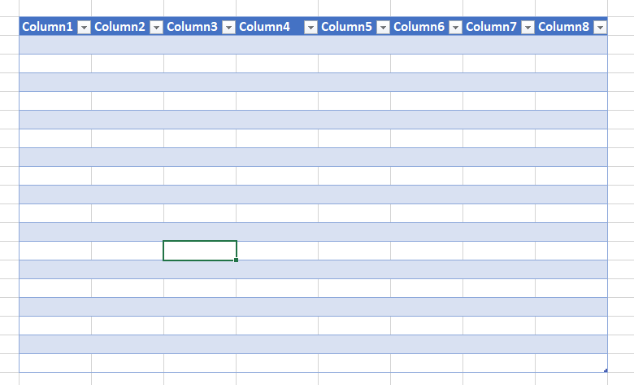
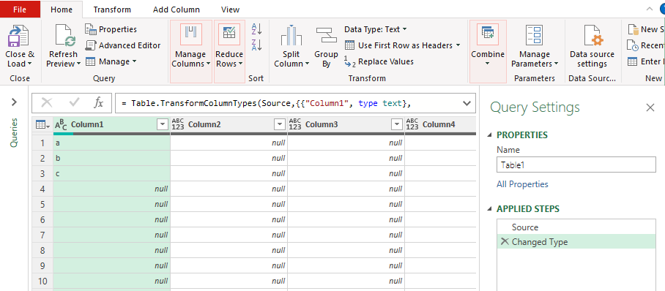
Some Essential Excel
Skills for the data analyst



https://www.youtube.com/watch?v=I1XeDS-GLbg&t=648s

Tables
Power Query

